Cover


Revision History
S.No | Date | Descritpion | Version | CDSID
1 | 22/4/2025 | Initial revision | 1.0 | ssomasu1

test01
Test Case | Requirement ID | Test Description | Pre-Test Condition | Test Operation |  | Expected Result | Actual Result | Pass / Fail | Comments
 |  |  |  | # | step
1 |  | Initialize the deserializer | 1. TIAM62P Linux Target should be up. 2. deser_test binary should be available in /system/usr/bin | 1 | Run the deserializer test utility. ./deser_test 1 | root@am62pxx-7xxdb@00:00:57:/system/usr/bin# ./deser_test 1 Option 1: Initialize deserializer DeSerializer initialized successfully. | 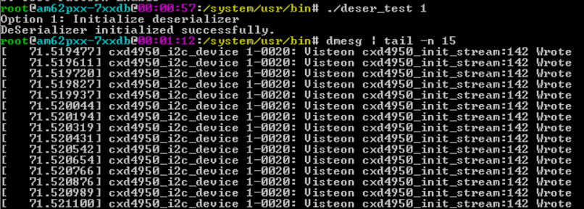 | pass | deserializer i2c registers are configured
 |  |  |  | 2 | Run dmesg to confirm | root@am62pxx-7xxdb@00:00:57:/system/usr/bin# ./deser_test 1 Option 1: Initialize deserializer DeSerializer initialized successfully. root@am62pxx-7xxdb@00:01:12:/system/usr/bin# dmesg | tail -n 15 [ 71.519477] cxd4950_i2c_device 1-0020: Visteon cxd4950_init_stream:142 Wrote 0x00 to register 0x76 [ 71.519611] cxd4950_i2c_device 1-0020: Visteon cxd4950_init_stream:142 Wrote 0x00 to register 0x20 [ 71.519720] cxd4950_i2c_device 1-0020: Visteon cxd4950_init_stream:142 Wrote 0x87 to register 0x70 [ 71.519827] cxd4950_i2c_device 1-0020: Visteon cxd4950_init_stream:142 Wrote 0x40 to register 0x90 [ 71.519937] cxd4950_i2c_device 1-0020: Visteon cxd4950_init_stream:142 Wrote 0x01 to register 0xFF [ 71.520044] cxd4950_i2c_device 1-0020: Visteon cxd4950_init_stream:142 Wrote 0x73 to register 0xFE [ 71.520194] cxd4950_i2c_device 1-0020: Visteon cxd4950_init_stream:142 Wrote 0x60 to register 0xC0 [ 71.520319] cxd4950_i2c_device 1-0020: Visteon cxd4950_init_stream:142 Wrote 0x65 to register 0xC1 [ 71.520431] cxd4950_i2c_device 1-0020: Visteon cxd4950_init_stream:142 Wrote 0x28 to register 0xC6 [ 71.520542] cxd4950_i2c_device 1-0020: Visteon cxd4950_init_stream:142 Wrote 0x00 to register 0xFE [ 71.520654] cxd4950_i2c_device 1-0020: Visteon cxd4950_init_stream:142 Wrote 0x00 to register 0xFF [ 71.520766] cxd4950_i2c_device 1-0020: Visteon cxd4950_init_stream:142 Wrote 0xC0 to register 0x18 [ 71.520876] cxd4950_i2c_device 1-0020: Visteon cxd4950_init_stream:142 Wrote 0x01 to register 0x1F [ 71.520989] cxd4950_i2c_device 1-0020: Visteon cxd4950_init_stream:142 Wrote 0x00 to register 0x1F [ 71.521100] cxd4950_i2c_device 1-0020: Visteon cxd4950_init_stream:142 Wrote 0x01 to register 0x76 |  | pass | deserializer i2c register are configured with the required values
2 |  | Check for link status | 1. TIAM62P Linux Target should be up. 2. deser_test binary should be available in /system/usr/bin | 1 | Run the deserializer test utility. ./deser_test 5 | root@am62pxx-7xxdb@00:35:28:/system/usr/bin# ./deser_test 5 Option 5: Get Device Status Retrieved Deserializer device status successfully: 2 root@am62pxx-7xxdb@00:37:34:/system/usr/bin# dmesg | tail -n 2 [ 2071.713236] [ 2253.331934] Visteon: cxd4950_link_status:197 Link status: 2 |  |  | Deserializer link status
3 |  | Check for error status | 1. TIAM62P Linux Target should be up. 2. deser_test binary should be available in /system/usr/bin | 1 | Run the deserializer test utility. ./deser_test 6 | root@am62pxx-7xxdb@00:34:37:/system/usr/bin# ./deser_test 6 Option 6: Get ready signal status Retrieved Deserializer Error status successfully: 0 |  |  | Deserilizer error status
4 |  | Check for ready pin status | 1. TIAM62P Linux Target should be up. 2. deser_test binary should be available in /system/usr/bin | 1 | Run the deserializer test utility. ./deser_test 7 | root@am62pxx-7xxdb@00:39:56:/system/usr/bin# ./deser_test 7 Option 7: Get Device Status MDI_DES_READY is HIGH (Ready) root@am62pxx-7xxdb@00:39:59:/system/usr/bin# dmesg | tail -n 4 [ 2398.562056] dio_dev_open:72 dio: Device opened [ 2398.562056] [ 2398.562127] dio_release:81 dio Device closed [ 2398.562127] |  |  | Deserializer ready status
5 |  | Start the deserializer | 1. TIAM62P Linux Target should be up. 2. deser_test binary should be available in /system/usr/bin | 1 | Run the deserializer test utility. ./deser_test 3 | root@am62pxx-7xxdb@00:12:02:/system/usr/bin# ./deser_test 3 Option 3: Start Streaming DeSerializer streaming started successfully. | 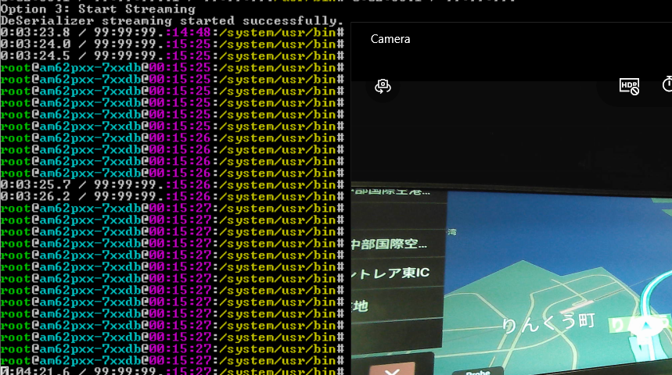 | pass | Deserializer start shows map video - before that gst launch cmd should be running
6 |  | Stop the deserializer | 1. TIAM62P Linux Target should be up. 2. deser_test binary should be available in /system/usr/bin | 1 | Run the deserializer test utility. ./deser_test 4 | root@am62pxx-7xxda1@01:21:09:/system/usr/bin# ./deser_test 4 Option 4: Stop Streaming DeSerializer streaming stopped successfully. | 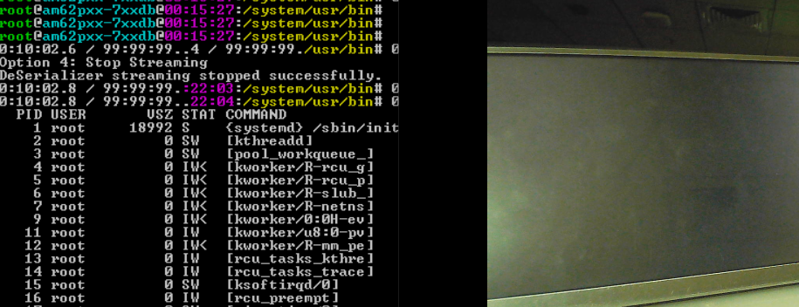 | pass | After running stop cmd. MAP will show last frame. And it will be blank if we kill gst launch cmd.
7 |  | Deinitialize the deserializer | 1. TIAM62P Linux Target should be up. 2. deser_test binary should be available in /system/usr/bin | 1 | Run the deserializer test utility. ./deser_test 2 | ./deser_test 2 Option 2: Deinitialize deserializer DeSerializer deinitialized successfully. | 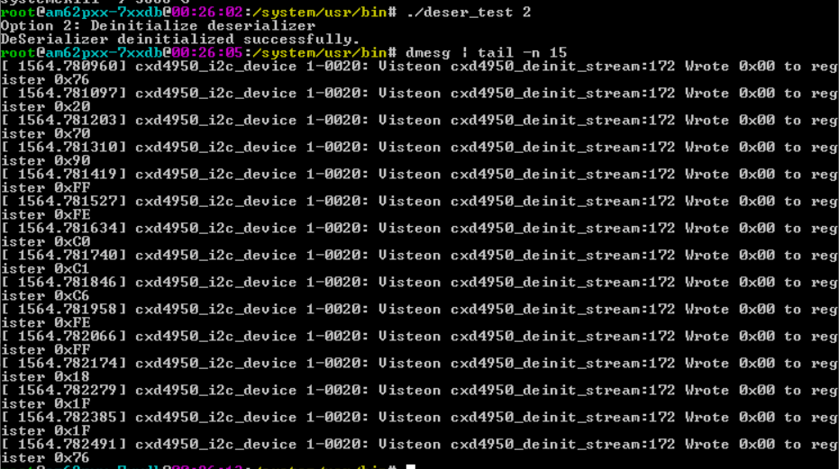 | pass | Deinitializes the i2c deserializer register
 |  |  |  | 2 | Run dmesg to confirm | root@am62pxx-7xxda1@00:21:/system/usr/bin# dmesg | tail -n 10 [ 1279.808311] cxd4951_i2c_device 2-0020: Visteon cxd4951_deinit_stream:211 Wrote 0x00 to register 0x53 [ 1279.808672] cxd4951_i2c_device 2-0020: Visteon cxd4951_deinit_stream:211 Wrote 0x00 to register 0x20 [ 1279.808880] cxd4951_i2c_device 2-0020: Visteon cxd4951_deinit_stream:211 Wrote 0x00 to register 0x28 [ 1279.808988] cxd4951_i2c_device 2-0020: Visteon cxd4951_deinit_stream:211 Wrote 0x00 to register 0x50 [ 1279.809101] cxd4951_i2c_device 2-0020: Visteon cxd4951_deinit_stream:211 Wrote 0x00 to register 0x58 [ 1279.809211] cxd4951_i2c_device 2-0020: Visteon cxd4951_deinit_stream:211 Wrote 0x00 to register 0xC0 [ 1279.809320] cxd4951_i2c_device 2-0020: Visteon cxd4951_deinit_stream:211 Wrote 0x00 to register 0x18 [ 1279.809427] cxd4951_i2c_device 2-0020: Visteon cxd4951_deinit_stream:211 Wrote 0x00 to register 0x1F [ 1279.809534] cxd4951_i2c_device 2-0020: Visteon cxd4951_deinit_stream:211 Wrote 0x00 to register 0x1F [ 1279.809641] cxd4951_i2c_device 2-0020: Visteon cxd4951_deinit_stream:211 Wrote 0x00 to register 0x53 |  | pass | All the deserializer i2c register is intialized to zero.

