Cover


Traceability
S.No | Requirement | Reference Document | Version | CDSID
1 |  |  | Initial Version | dpanneer

Revision History
S.No | Date | Descritpion | Version | CDSID
1 | 2024-07-11 | Initial revision of linux | 1.0 | dapnneer
2 | 14-FEB-22025 | Updated the tests for Toyota Project | 1.1 | PKRISH12

test01
Test Case | Requirement ID | Test Description | Pre-Test Condition | Test Operation |  | Expected Result | Actual Result | Pass / Fail | Comments
 |  |  |  | # | step
1 |  | Set GPIO pin which is configured as GPIO to high. | 1. TIAM62P Linux Target should be up. 2. dio_set_pin binary should be available in /system/usr/bin | 1 | Check the gpio details before the running test utility. | 1. Run #gpioinfo command to display gpio pin details. 2. Verify for the gpio pin GPIO1 _11, gpio pin 103 # echo 639 > /sys/class/gpio/export #cat /sys/class/gpio/gpio639/value | 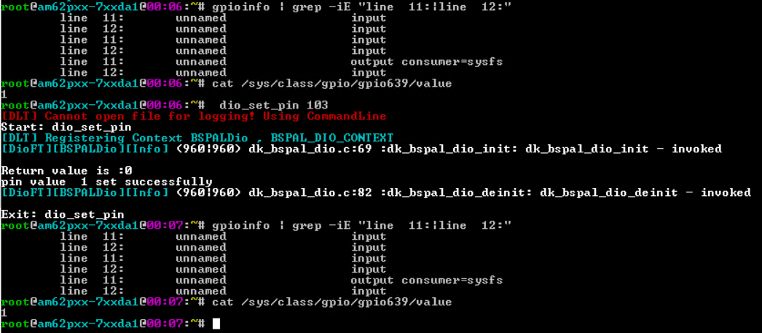 | pass
 |  |  |  | 2 | Run the gpio test utility. #dio_set_pin 103 | #dio_set_pin 103 [DLT] Cannot open file for logging! Using CommandLine Start: dio_set_pin [DLT] Registering Context BSPALDio , BSPAL_DIO_CONTEXT [DioFT][BSPALDio][Info] (960|960) dk_bspal_dio.c:69 :dk_bspal_dio_init: dk_bspal_dio_init - invoked Return value is :0 pin value 1 set successfully [DioFT][BSPALDio][Info] (960|960) dk_bspal_dio.c:82 :dk_bspal_dio_deinit: dk_bspal_dio_deinit - invoked Exit: dio_set_pin |  | pass | gpio pin 103 is configured to be used as GPIO. GPIO value can be changed.
 |  |  |  | 3 | cross check the gpio details in gpiod utility gpioinfo | 1. Run #gpioinfo command to display gpio pin details. 2. Verify for the gpio pin GPIO1 _11, gpio pin 103 #cat /sys/class/gpio/gpio639/value |  | pass | Value is set to 1.
2 |  | Set a GPIO pin which is not configured as GPIO | 1. TIAM62P Linux Target should be up. 2. dio_set_pin binary should be available in /system/usr/bin | 1 | Check the gpio details before the running test utility. | 1. Run #gpioinfo command to display gpio pin details. 2. Verify for gpio pin GPIO1 _12, gpio pin 104 # echo 640 > /sys/class/gpio/export #cat /sys/class/gpio/gpio640/value |  | pass
 |  |  |  | 2 | Run the gpio test utility. #dio_set_pin 104 | #dio_set_pin 104 [DLT] Cannot open file for logging! Using CommandLine Start: dio_set_pin [DLT] Registering Context BSPALDio , BSPAL_DIO_CONTEXT [DioFT][BSPALDio][Info] (1166|1166) dk_bspal_dio.c:69 :dk_bspal_dio_init: dk_bspal_dio_init - invoked [DioFT][BSPALDio][Erro] (1166|1166) dk_bspal_dio.c:116 :dk_bspal_dio_set_value: dk_bspal_dio_set_value - ioctl GPIO_VALUE_WRITE failed Return value is :-1 error while setting pin value , please check if the pin is configured already in kernel [DioFT][BSPALDio][Info] (1166|1166) dk_bspal_dio.c:82 :dk_bspal_dio_deinit: dk_bspal_dio_deinit - invoked Exit: dio_set_pin |  | pass | GPIO pin 104 is not used as gpio. So if we try to set the value of GPIO 104, it will fail. No change in the default values.
 |  |  |  | 3 | cross check the gpio details in gpiod utility gpioinfo | 1. Run #gpioinfo command to display gpio pin details. 2. Verify for gpio pin GPIO1 _12, gpio pin 104 #cat /sys/class/gpio/gpio640/value |  | pass | No change in the direction or the value.
3 |  | Set a GPIO pin which is not configured as GPIO | 1. TIAM62P Linux Target should be up. 2. dio_set_pin binary should be available in /system/usr/bin | 1 | Check the gpio details before the running test utility. | 1. Run #gpioinfo command to display gpio pin details. 2. Verify for gpio values for any gpio pin for example. GPIO1 _11, gpio pin 103 # echo 639 > /sys/class/gpio/export #cat /sys/class/gpio/gpio639/value | 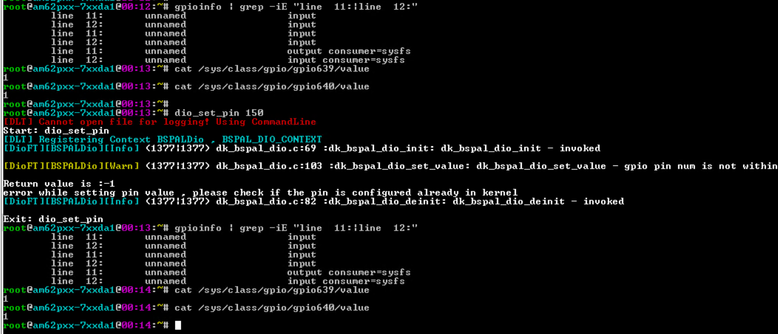 | pass
 |  |  |  | 2 | Run the gpio test utility. #dio_set_pin 150 | #dio_set_pin 150 [DLT] Cannot open file for logging! Using CommandLine Start: dio_set_pin [DLT] Registering Context BSPALDio , BSPAL_DIO_CONTEXT [DioFT][BSPALDio][Info] (1377|1377) dk_bspal_dio.c:69 :dk_bspal_dio_init: dk_bspal_dio_init - invoked [DioFT][BSPALDio][Warn] (1377|1377) dk_bspal_dio.c:103 :dk_bspal_dio_set_value: dk_bspal_dio_set_value - gpio pin num is not within the supported range of values Return value is :-1 error while setting pin value , please check if the pin is configured already in kernel [DioFT][BSPALDio][Info] (1377|1377) dk_bspal_dio.c:82 :dk_bspal_dio_deinit: dk_bspal_dio_deinit - invoked Exit: dio_set_pin |  | pass | Supported gpio pins are 0 to 144. If gpio pin number is out of this range, dio_set_pin will fail.
 |  |  |  | 3 | cross check the gpio details in gpiod utility gpioinfo | 1. Run #gpioinfo command to display gpio pin details. 2. Verify for the gpio pin GPIO1 _11, gpio pin 103 #cat /sys/class/gpio/gpio639/value |  | pass | No change in the direction or the value.
4 |  | Set a GPIO pin which is not configured as GPIO | 1. TIAM62P Linux Target should be up. 2. dio_set_pin binary should be available in /system/usr/bin | 1 | Check the gpio details before the running test utility. | 1. Run #gpioinfo command to display gpio pin details. 2. Verify for gpio values for any gpio pin for example. GPIO1 _11, gpio pin 103 # echo 639 > /sys/class/gpio/export #cat /sys/class/gpio/gpio639/value | 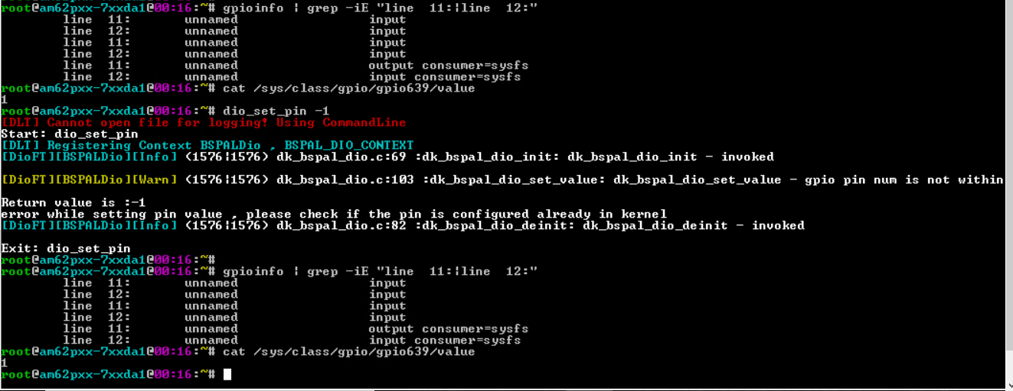 | pass | Display the initial gpio details
 |  |  |  | 2 | Run the gpio test utility. #dio_set_pin -1 | #dio_set_pin -1 [DLT] Cannot open file for logging! Using CommandLine Start: dio_set_pin [DLT] Registering Context BSPALDio , BSPAL_DIO_CONTEXT [DioFT][BSPALDio][Info] (1576|1576) dk_bspal_dio.c:69 :dk_bspal_dio_init: dk_bspal_dio_init - invoked [DioFT][BSPALDio][Warn] (1576|1576) dk_bspal_dio.c:103 :dk_bspal_dio_set_value: dk_bspal_dio_set_value - gpio pin num is not within the supported range of values Return value is :-1 error while setting pin value , please check if the pin is configured already in kernel [DioFT][BSPALDio][Info] (1576|1576) dk_bspal_dio.c:82 :dk_bspal_dio_deinit: dk_bspal_dio_deinit - invoked Exit: dio_set_pin |  | pass | Supported gpio pins are 0 to 144. If gpio pin number is out of this range, dio_set_pin will fail.
 |  |  |  | 3 | cross check the gpio details in gpiod utility gpioinfo | 1. Run #gpioinfo command to display gpio pin details. 2. Verify for the gpio pin GPIO1 _11, gpio pin 103 #cat /sys/class/gpio/gpio639/value |  | pass | No change in the direction or the value.

test02
Test Case | Requirement ID | Test Description | Pre-Test Condition | Test Operation |  | Expected Result | Actual Result | Pass / Fail | Comments
 |  |  |  | # | step
1 |  | Set GPIO pin which is configured as GPIO to low. | 1. TIAM62P Linux Target should be up. 2. dio_set_pin0 binary should be available in /system/usr/bin | 1 | Check the gpio details before the running test utility. | 1. Run #gpioinfo command to display gpio pin details. 2. Verify for the gpio pin GPIO1 _11, gpio pin 103 # echo 639 > /sys/class/gpio/export #cat /sys/class/gpio/gpio639/value | 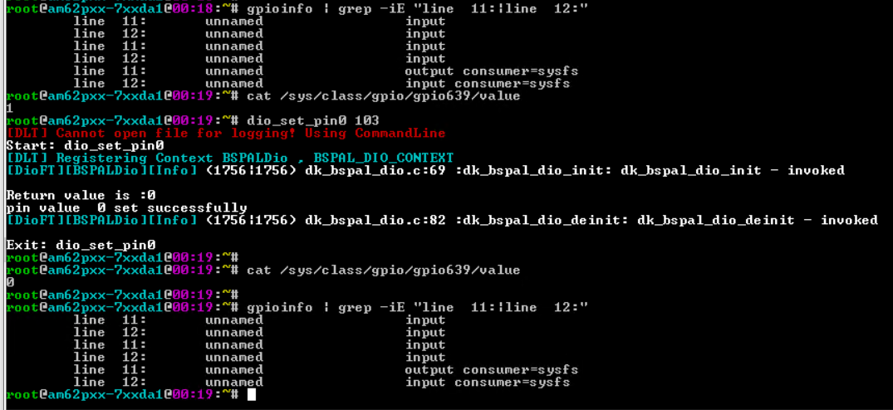 | pass
 |  |  |  | 2 | Run the gpio test utility. #dio_set_pin0 103 | #dio_set_pin0 103 [DLT] Cannot open file for logging! Using CommandLine Start: dio_set_pin0 [DLT] Registering Context BSPALDio , BSPAL_DIO_CONTEXT [DioFT][BSPALDio][Info] (1756|1756) dk_bspal_dio.c:69 :dk_bspal_dio_init: dk_bspal_dio_init - invoked Return value is :0 pin value 0 set successfully [DioFT][BSPALDio][Info] (1756|1756) dk_bspal_dio.c:82 :dk_bspal_dio_deinit: dk_bspal_dio_deinit - invoked Exit: dio_set_pin0 |  | pass | gpio pin 103 is configured to be used as GPIO. GPIO value can be changed.
 |  |  |  | 3 | cross check the gpio details in gpiod utility gpioinfo | 1. Run #gpioinfo command to display gpio pin details. 2. Verify for the gpio pin GPIO1 _11, gpio pin 103 #cat /sys/class/gpio/gpio639/value |  | pass | GPIO value is set to 0.
2 |  | Set a GPIO pin to low which is not configured as GPIO | 1. TIAM62P Linux Target should be up. 2. dio_set_pin0 binary should be available in /system/usr/bin | 1 | Check the gpio details before the running test utility. | 1. Run #gpioinfo command to display gpio pin details. 2. Verify for gpio pin GPIO1 _12, gpio pin 104 # echo 640 > /sys/class/gpio/export #cat /sys/class/gpio/gpio640/value | 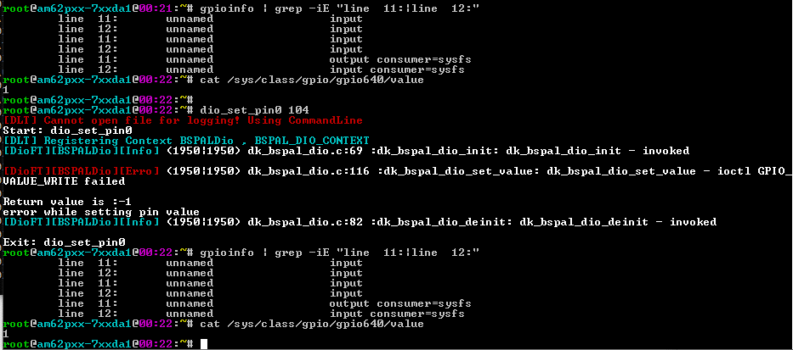 | pass
 |  |  |  | 2 | Run the gpio test utility. #dio_set_pin 104 | #dio_set_pin0 104 [DLT] Cannot open file for logging! Using CommandLine Start: dio_set_pin0 [DLT] Registering Context BSPALDio , BSPAL_DIO_CONTEXT [DioFT][BSPALDio][Info] (1950|1950) dk_bspal_dio.c:69 :dk_bspal_dio_init: dk_bspal_dio_init - invoked [DioFT][BSPALDio][Erro] (1950|1950) dk_bspal_dio.c:116 :dk_bspal_dio_set_value: dk_bspal_dio_set_value - ioctl GPIO_VALUE_WRITE failed Return value is :-1 error while setting pin value [DioFT][BSPALDio][Info] (1950|1950) dk_bspal_dio.c:82 :dk_bspal_dio_deinit: dk_bspal_dio_deinit - invoked Exit: dio_set_pin0 |  | pass | GPIO pin 104 is not used as gpio. So if we try to set the value of GPIO 104, it will fail. No change in the default value or direction.
 |  |  |  | 3 | cross check the gpio details in gpiod utility gpioinfo | 1. Run #gpioinfo command to display gpio pin details. 2. Verify for gpio pin GPIO1 _12, gpio pin 104 #cat /sys/class/gpio/gpio640/value |  | pass | No change in the direction or the value.
3 |  | Set a GPIO pin to low which is not in the GPIO pin range 0 to 144. | 1. TIAM62P Linux Target should be up. 2. dio_set_pin0 binary should be available in /system/usr/bin | 1 | Check the gpio details before the running test utility. | 1. Run #gpioinfo command to display gpio pin details. 2. Verify for gpio values for any gpio pin for example. GPIO1 _11, gpio pin 103 # echo 639 > /sys/class/gpio/export #cat /sys/class/gpio/gpio639/value | 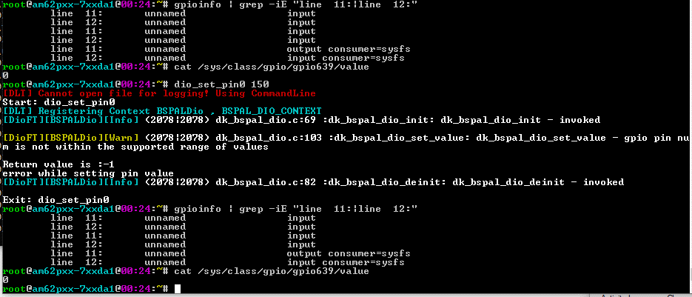 | pass
 |  |  |  | 2 | Run the gpio test utility. #dio_set_pin0 150 | #dio_set_pin0 150 [DLT] Cannot open file for logging! Using CommandLine Start: dio_set_pin0 [DLT] Registering Context BSPALDio , BSPAL_DIO_CONTEXT [DioFT][BSPALDio][Info] (2078|2078) dk_bspal_dio.c:69 :dk_bspal_dio_init: dk_bspal_dio_init - invoked [DioFT][BSPALDio][Warn] (2078|2078) dk_bspal_dio.c:103 :dk_bspal_dio_set_value: dk_bspal_dio_set_value - gpio pin num is not within the supported range of values Return value is :-1 error while setting pin value [DioFT][BSPALDio][Info] (2078|2078) dk_bspal_dio.c:82 :dk_bspal_dio_deinit: dk_bspal_dio_deinit - invoked Exit: dio_set_pin0 |  | pass | Supported gpio pins are 0 to 144. If gpio pin number is out of this range, dio_set_pin will fail.
 |  |  |  | 3 | cross check the gpio details in gpiod utility gpioinfo | 1. Run #gpioinfo command to display gpio pin details. 2. Verify for the gpio pin GPIO1 _11, gpio pin 103 #cat /sys/class/gpio/gpio639/value |  | pass | No change in the direction or the value.
4 |  | Set a GPIO pin to low -ve number. | 1. TIAM62P Linux Target should be up. 2. dio_set_pin0 binary should be available in /system/usr/bin | 1 | Check the gpio details before the running test utility. | 1. Run #gpioinfo command to display gpio pin details. 2. Verify for gpio values for any gpio pin for example. GPIO1 _11, gpio pin 103 # echo 639 > /sys/class/gpio/export #cat /sys/class/gpio/gpio639/value | 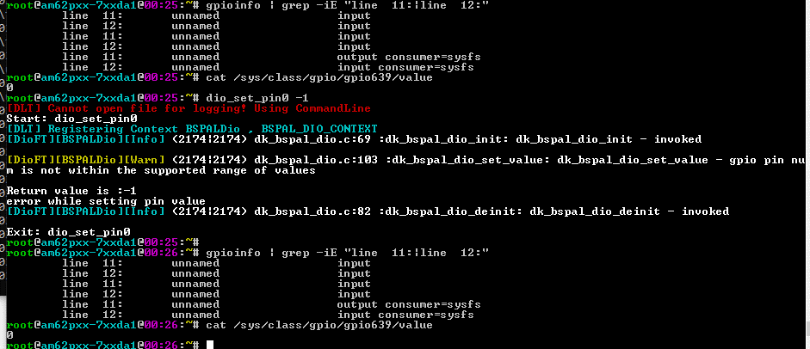 | pass | Display the initial gpio details
 |  |  |  | 2 | Run the gpio test utility. #dio_set_pin -1 | #dio_set_pin0 -1 [DLT] Cannot open file for logging! Using CommandLine Start: dio_set_pin0 [DLT] Registering Context BSPALDio , BSPAL_DIO_CONTEXT [DioFT][BSPALDio][Info] (2174|2174) dk_bspal_dio.c:69 :dk_bspal_dio_init: dk_bspal_dio_init - invoked [DioFT][BSPALDio][Warn] (2174|2174) dk_bspal_dio.c:103 :dk_bspal_dio_set_value: dk_bspal_dio_set_value - gpio pin num is not within the supported range of values Return value is :-1 error while setting pin value [DioFT][BSPALDio][Info] (2174|2174) dk_bspal_dio.c:82 :dk_bspal_dio_deinit: dk_bspal_dio_deinit - invoked Exit: dio_set_pin0 |  | pass | Supported gpio pins are 0 to 144. If gpio pin number is out of this range, dio_set_pin will fail.
 |  |  |  | 3 | cross check the gpio details in gpiod utility gpioinfo | 1. Run #gpioinfo command to display gpio pin details. 2. Verify for the gpio pin GPIO1 _11, gpio pin 103 #cat /sys/class/gpio/gpio639/value |  | pass | No change in the direction or the value.

test03
Test Case | Requirement ID | Test Description | Pre-Test Condition | Test Operation |  | Expected Result | Actual Result | Pass / Fail | Comments
 |  |  |  | # | step
1 |  | Set GPIO pin which is configured as GPIO to high and then read | 1. TIAM62P Linux Target should be up. 2. read_pin_value1 binary should be available in /system/usr/bin | 1 | Check the gpio details before the running test utility. | 1. Run #gpioinfo command to display gpio pin details. 2. Verify for the gpio pin GPIO1 _11, gpio pin 103 # echo 639 > /sys/class/gpio/export #cat /sys/class/gpio/gpio639/value | 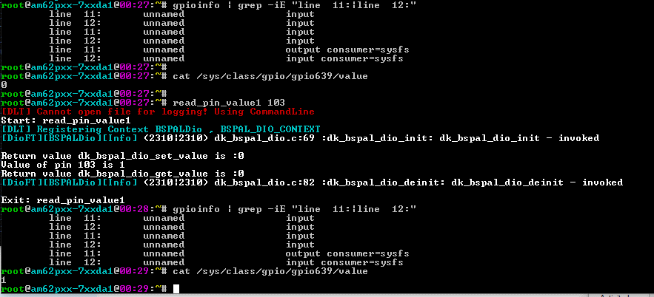 | pass
 |  |  |  | 2 | Run the gpio test utility. #read_pin_value1 103 | #read_pin_value1 103 [DLT] Cannot open file for logging! Using CommandLine Start: read_pin_value1 [DLT] Registering Context BSPALDio , BSPAL_DIO_CONTEXT [DioFT][BSPALDio][Info] (2310|2310) dk_bspal_dio.c:69 :dk_bspal_dio_init: dk_bspal_dio_init - invoked Return value dk_bspal_dio_set_value is :0 Value of pin 103 is 1 Return value dk_bspal_dio_get_value is :0 [DioFT][BSPALDio][Info] (2310|2310) dk_bspal_dio.c:82 :dk_bspal_dio_deinit: dk_bspal_dio_deinit - invoked Exit: read_pin_value1 |  | pass | gpio pin 103 is configured to be used as GPIO. GPIO value can be changed.
 |  |  |  | 3 | cross check the gpio details in gpiod utility gpioinfo | 1. Run #gpioinfo command to display gpio pin details. 2. Verify for the gpio pin GPIO1 _11, gpio pin 103 #cat /sys/class/gpio/gpio639/value |  | pass | GPIO value is set to 1
2 |  | Set a GPIO pin which is not configured as GPIO to high and read | 1. TIAM62P Linux Target should be up. 2. read_pin_value1 binary should be available in /system/usr/bin | 1 | Check the gpio details before the running test utility. | 1. Run #gpioinfo command to display gpio pin details. 2. Verify for gpio pin GPIO1 _12, gpio pin 104 # echo 640 > /sys/class/gpio/export #cat /sys/class/gpio/gpio640/value | 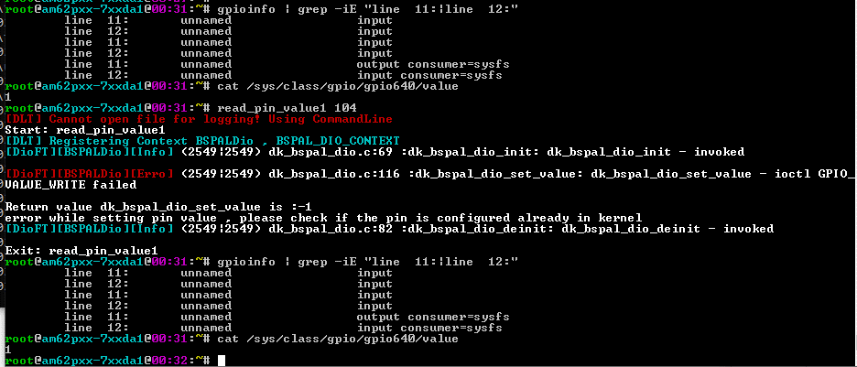 | pass
 |  |  |  | 2 | Run the gpio test utility. #read_pin_value1 104 | #read_pin_value1 104 [DLT] Cannot open file for logging! Using CommandLine Start: read_pin_value1 [DLT] Registering Context BSPALDio , BSPAL_DIO_CONTEXT [DioFT][BSPALDio][Info] (2549|2549) dk_bspal_dio.c:69 :dk_bspal_dio_init: dk_bspal_dio_init - invoked [DioFT][BSPALDio][Erro] (2549|2549) dk_bspal_dio.c:116 :dk_bspal_dio_set_value: dk_bspal_dio_set_value - ioctl GPIO_VALUE_WRITE failed Return value dk_bspal_dio_set_value is :-1 error while setting pin value , please check if the pin is configured already in kernel [DioFT][BSPALDio][Info] (2549|2549) dk_bspal_dio.c:82 :dk_bspal_dio_deinit: dk_bspal_dio_deinit - invoked Exit: read_pin_value1 |  | pass | GPIO pin 104 is not configured as gpio. So if we try to set the value of GPIO 104, it will fail. No change in the default value or direction.
 |  |  |  | 3 | cross check the gpio details in gpiod utility gpioinfo | 1. Run #gpioinfo command to display gpio pin details. 2. Verify for gpio pin GPIO1 _12, gpio pin 104 #cat /sys/class/gpio/gpio640/value |  | pass | No change in the direction or the value.
3 |  | Set a GPIO pin which is not in the supported GPIO pin range 0 to 144 to high and read. | 1. TIAM62P Linux Target should be up. 2. read_pin_value1 binary should be available in /system/usr/bin | 1 | Check the gpio details before the running test utility. | 1. Run #gpioinfo command to display gpio pin details. 2. Verify for gpio values for any gpio pin for example. GPIO1 _11, gpio pin 103 # echo 639 > /sys/class/gpio/export #cat /sys/class/gpio/gpio639/value | 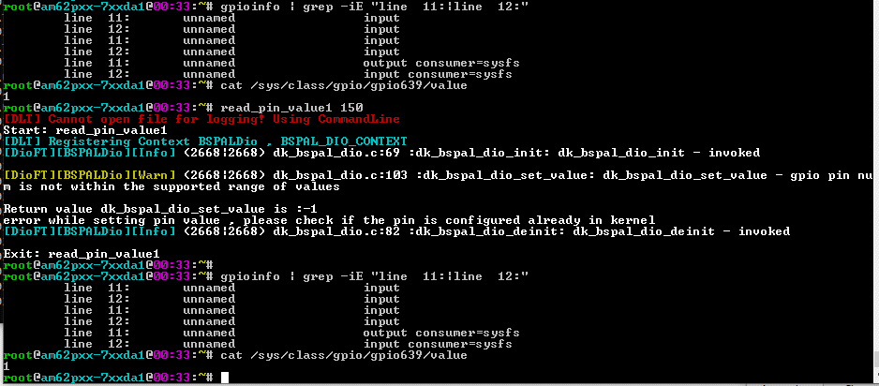 | pass
 |  |  |  | 2 | Run the gpio test utility. #read_pin_value1 150 | #read_pin_value1 150 [DLT] Cannot open file for logging! Using CommandLine Start: read_pin_value1 [DLT] Registering Context BSPALDio , BSPAL_DIO_CONTEXT [DioFT][BSPALDio][Info] (2668|2668) dk_bspal_dio.c:69 :dk_bspal_dio_init: dk_bspal_dio_init - invoked [DioFT][BSPALDio][Warn] (2668|2668) dk_bspal_dio.c:103 :dk_bspal_dio_set_value: dk_bspal_dio_set_value - gpio pin num is not within the supported range of values Return value dk_bspal_dio_set_value is :-1 error while setting pin value , please check if the pin is configured already in kernel [DioFT][BSPALDio][Info] (2668|2668) dk_bspal_dio.c:82 :dk_bspal_dio_deinit: dk_bspal_dio_deinit - invoked Exit: read_pin_value1 |  | pass | Supported gpio pins are 0 to 144. If gpio pin number is out of this range, dio_set_pin will fail.
 |  |  |  | 3 | cross check the gpio details in gpiod utility gpioinfo | 1. Run #gpioinfo command to display gpio pin details. 2. Verify for the gpio pin GPIO1 _11, gpio pin 103 #cat /sys/class/gpio/gpio639/value |  | pass | No change in the direction or the value.
4 |  | Set a GPIO pin -ve number to high and read. | 1. TIAM62P Linux Target should be up. 2. read_pin_value1 binary should be available in /system/usr/bin | 1 | Check the gpio details before the running test utility. | 1. Run #gpioinfo command to display gpio pin details. 2. Verify for gpio values for any gpio pin for example. GPIO1 _11, gpio pin 103 # echo 639 > /sys/class/gpio/export #cat /sys/class/gpio/gpio639/value | 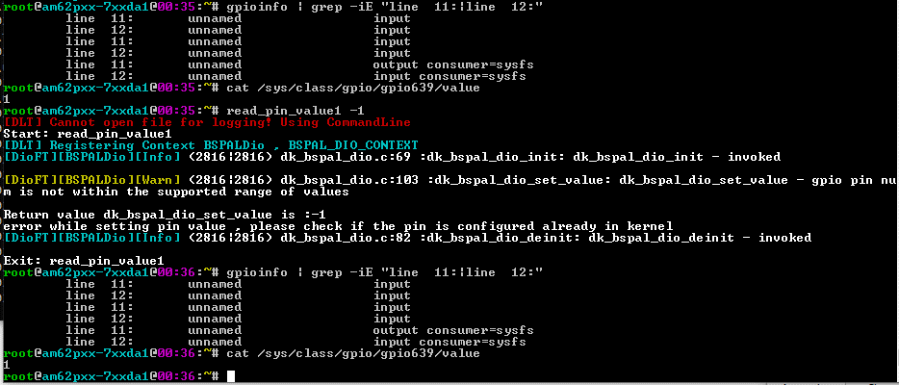 | pass | Display the initial gpio details
 |  |  |  | 2 | Run the gpio test utility. #read_pin_value1 -1 | #read_pin_value1 -1 [DLT] Cannot open file for logging! Using CommandLine Start: read_pin_value1 [DLT] Registering Context BSPALDio , BSPAL_DIO_CONTEXT [DioFT][BSPALDio][Info] (2816|2816) dk_bspal_dio.c:69 :dk_bspal_dio_init: dk_bspal_dio_init - invoked [DioFT][BSPALDio][Warn] (2816|2816) dk_bspal_dio.c:103 :dk_bspal_dio_set_value: dk_bspal_dio_set_value - gpio pin num is not within the supported range of values Return value dk_bspal_dio_set_value is :-1 error while setting pin value , please check if the pin is configured already in kernel [DioFT][BSPALDio][Info] (2816|2816) dk_bspal_dio.c:82 :dk_bspal_dio_deinit: dk_bspal_dio_deinit - invoked Exit: read_pin_value1 |  | pass | Supported gpio pins are 0 to 144. If gpio pin number is out of this range, dio_set_pin will fail.
 |  |  |  | 3 | cross check the gpio details in gpiod utility gpioinfo | 1. Run #gpioinfo command to display gpio pin details. 2. Verify for the gpio pin GPIO1 _11, gpio pin 103 #cat /sys/class/gpio/gpio639/value |  | pass | No change in the direction or the value.

test04
Test Case | Requirement ID | Test Description | Pre-Test Condition | Test Operation |  | Expected Result | Actual Result | Pass / Fail | Comments
 |  |  |  | # | step
1 |  | Set GPIO pin which is configured as GPIO to low and then read | 1. TIAM62P Linux Target should be up. 2. read_pin_value0 binary should be available in /system/usr/bin | 1 | Check the gpio details before the running test utility. | 1. Run #gpioinfo command to display gpio pin details. 2. Verify for the gpio pin GPIO1 _11, gpio pin 103 # echo 639 > /sys/class/gpio/export #cat /sys/class/gpio/gpio639/value | 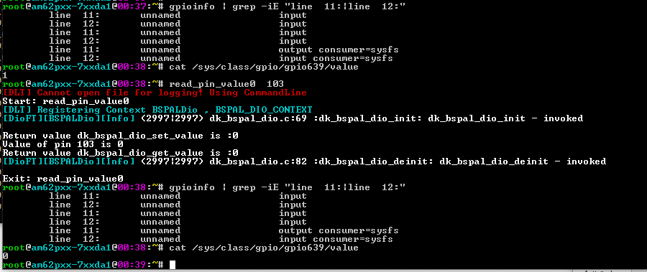 | pass
 |  |  |  | 2 | Run the gpio test utility. #read_pin_value0 103 | #read_pin_value0 103 [DLT] Cannot open file for logging! Using CommandLine Start: read_pin_value0 [DLT] Registering Context BSPALDio , BSPAL_DIO_CONTEXT [DioFT][BSPALDio][Info] (2997|2997) dk_bspal_dio.c:69 :dk_bspal_dio_init: dk_bspal_dio_init - invoked Return value dk_bspal_dio_set_value is :0 Value of pin 103 is 0 Return value dk_bspal_dio_get_value is :0 [DioFT][BSPALDio][Info] (2997|2997) dk_bspal_dio.c:82 :dk_bspal_dio_deinit: dk_bspal_dio_deinit - invoked Exit: read_pin_value0 |  | pass | gpio pin 103 is configured to be used as GPIO. GPIO value can be changed.
 |  |  |  | 3 | cross check the gpio details in gpiod utility gpioinfo | 1. Run #gpioinfo command to display gpio pin details. 2. Verify for the gpio pin GPIO1 _11, gpio pin 103 #cat /sys/class/gpio/gpio639/value |  | pass | GPIO value is set to 0
2 |  | Set a GPIO pin which is not configured as GPIO to low and read | 1. TIAM62P Linux Target should be up. 2. read_pin_value0 binary should be available in /system/usr/bin | 1 | Check the gpio details before the running test utility. | 1. Run #gpioinfo command to display gpio pin details. 2. Verify for gpio pin GPIO1 _12, gpio pin 104 # echo 640 > /sys/class/gpio/export #cat /sys/class/gpio/gpio640/value | 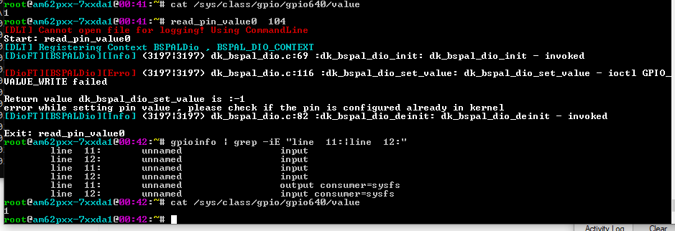 | pass
 |  |  |  | 2 | Run the gpio test utility. #read_pin_value0 104 | #read_pin_value0 104 [DLT] Cannot open file for logging! Using CommandLine Start: read_pin_value0 [DLT] Registering Context BSPALDio , BSPAL_DIO_CONTEXT [DioFT][BSPALDio][Info] (3197|3197) dk_bspal_dio.c:69 :dk_bspal_dio_init: dk_bspal_dio_init - invoked [DioFT][BSPALDio][Erro] (3197|3197) dk_bspal_dio.c:116 :dk_bspal_dio_set_value: dk_bspal_dio_set_value - ioctl GPIO_VALUE_WRITE failed Return value dk_bspal_dio_set_value is :-1 error while setting pin value , please check if the pin is configured already in kernel [DioFT][BSPALDio][Info] (3197|3197) dk_bspal_dio.c:82 :dk_bspal_dio_deinit: dk_bspal_dio_deinit - invoked Exit: read_pin_value0 |  | pass | GPIO pin 104 is not configured as gpio. So if we try to set the value of GPIO 104, it will fail. No change in the default value or direction.
 |  |  |  | 3 | cross check the gpio details in gpiod utility gpioinfo | 1. Run #gpioinfo command to display gpio pin details. 2. Verify for gpio pin GPIO1 _12, gpio pin 104 #cat /sys/class/gpio/gpio640/value |  | pass | No change in the direction or the value.
3 |  | Set a GPIO pin which is not in the supported GPIO pin range 0 to 144 to low and read. | 1. TIAM62P Linux Target should be up. 2. read_pin_value0 binary should be available in /system/usr/bin | 1 | Check the gpio details before the running test utility. | 1. Run #gpioinfo command to display gpio pin details. 2. Verify for gpio values for any gpio pin for example. GPIO1 _11, gpio pin 103 # echo 639 > /sys/class/gpio/export #cat /sys/class/gpio/gpio639/value | 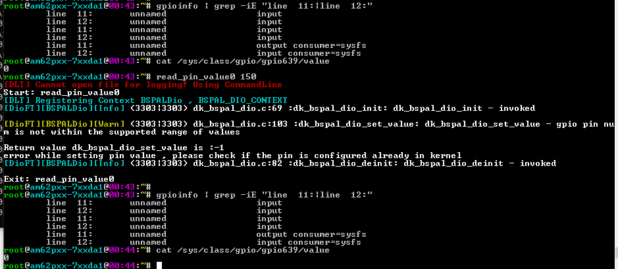 | pass
 |  |  |  | 2 | Run the gpio test utility. #read_pin_value0 150 | #read_pin_value0 150 [DLT] Cannot open file for logging! Using CommandLine Start: read_pin_value0 [DLT] Registering Context BSPALDio , BSPAL_DIO_CONTEXT [DioFT][BSPALDio][Info] (3303|3303) dk_bspal_dio.c:69 :dk_bspal_dio_init: dk_bspal_dio_init - invoked [DioFT][BSPALDio][Warn] (3303|3303) dk_bspal_dio.c:103 :dk_bspal_dio_set_value: dk_bspal_dio_set_value - gpio pin num is not within the supported range of values Return value dk_bspal_dio_set_value is :-1 error while setting pin value , please check if the pin is configured already in kernel [DioFT][BSPALDio][Info] (3303|3303) dk_bspal_dio.c:82 :dk_bspal_dio_deinit: dk_bspal_dio_deinit - invoked Exit: read_pin_value0 |  | pass | Supported gpio pins are 0 to 144. If gpio pin number is out of this range, dio_set_pin will fail.
 |  |  |  | 3 | cross check the gpio details in gpiod utility gpioinfo | 1. Run #gpioinfo command to display gpio pin details. 2. Verify for the gpio pin GPIO1 _11, gpio pin 103 #cat /sys/class/gpio/gpio639/value |  | pass | No change in the direction or the value.
4 |  | Set a GPIO pin -ve number to low and read. | 1. TIAM62P Linux Target should be up. 2. read_pin_value0 binary should be available in /system/usr/bin | 1 | Check the gpio details before the running test utility. | 1. Run #gpioinfo command to display gpio pin details. 2. Verify for gpio values for any gpio pin for example. GPIO1 _11, gpio pin 103 # echo 639 > /sys/class/gpio/export #cat /sys/class/gpio/gpio639/value | 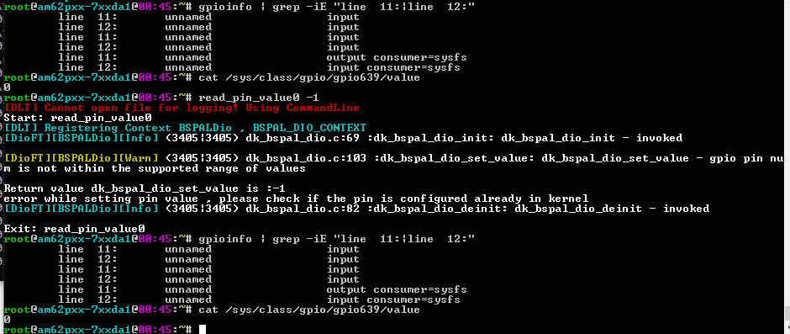 | pass | Display the initial gpio details
 |  |  |  | 2 | Run the gpio test utility. #read_pin_value0 -1 | #read_pin_value0 -1 [DLT] Cannot open file for logging! Using CommandLine Start: read_pin_value0 [DLT] Registering Context BSPALDio , BSPAL_DIO_CONTEXT [DioFT][BSPALDio][Info] (3405|3405) dk_bspal_dio.c:69 :dk_bspal_dio_init: dk_bspal_dio_init - invoked [DioFT][BSPALDio][Warn] (3405|3405) dk_bspal_dio.c:103 :dk_bspal_dio_set_value: dk_bspal_dio_set_value - gpio pin num is not within the supported range of values Return value dk_bspal_dio_set_value is :-1 error while setting pin value , please check if the pin is configured already in kernel [DioFT][BSPALDio][Info] (3405|3405) dk_bspal_dio.c:82 :dk_bspal_dio_deinit: dk_bspal_dio_deinit - invoked Exit: read_pin_value0 |  | pass | Supported gpio pins are 0 to 144. If gpio pin number is out of this range, dio_set_pin will fail.
 |  |  |  | 3 | cross check the gpio details in gpiod utility gpioinfo | 1. Run #gpioinfo command to display gpio pin details. 2. Verify for the gpio pin GPIO1 _11, gpio pin 103 #cat /sys/class/gpio/gpio639/value |  | pass | No change in the direction or the value.

test05
Test Case | Requirement ID | Test Description | Pre-Test Condition | Test Operation |  | Expected Result | Actual Result | Pass / Fail | Comments
 |  |  |  | # | step
1 |  | Set direction of GPIO pin which is configured as GPIO to out and then read back the direction. | 1. TIAM62P Linux Target should be up. 2. read_dir_out 103 binary should be available in /system/usr/bin | 1 | Check the gpio details before the running test utility. | 1. Run #gpioinfo command to display gpio pin details. 2. Verify direction for the gpio pin GPIO1 _11, gpio pin 103 # echo 639 > /sys/class/gpio/export #cat /sys/class/gpio/gpio639/direction | 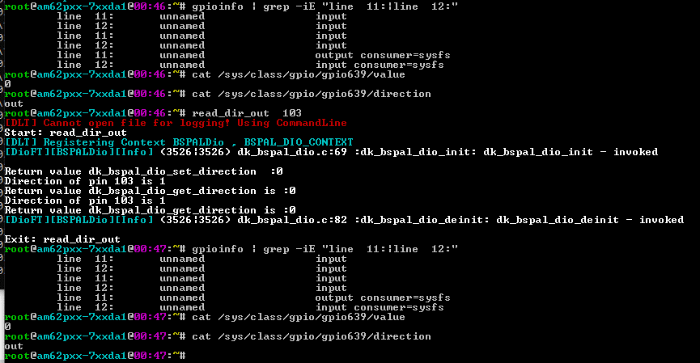 | pass
 |  |  |  | 2 | Run the gpio test utility. #read_dir_out 103 | #read_dir_out 103 [DLT] Cannot open file for logging! Using CommandLine Start: read_dir_out [DLT] Registering Context BSPALDio , BSPAL_DIO_CONTEXT [DioFT][BSPALDio][Info] (3526|3526) dk_bspal_dio.c:69 :dk_bspal_dio_init: dk_bspal_dio_init - invoked Return value dk_bspal_dio_set_direction :0 Direction of pin 103 is 1 Return value dk_bspal_dio_get_direction is :0 Direction of pin 103 is 1 Return value dk_bspal_dio_get_direction is :0 [DioFT][BSPALDio][Info] (3526|3526) dk_bspal_dio.c:82 :dk_bspal_dio_deinit: dk_bspal_dio_deinit - invoked Exit: read_dir_out |  | pass | gpio pin 103 is configured to be used as GPIO. GPIO value and direction can be changed.
 |  |  |  | 3 | cross check the gpio details in gpiod utility gpioinfo | 1. Run #gpioinfo command to display gpio pin details. 2. Verify direction for the gpio pin GPIO1 _11, gpio pin 103 #cat /sys/class/gpio/gpio639/direction |  | pass | GPIO direction is set to output
2 |  | Set direction of a GPIO pin which is not configured as GPIO to out and read | 1. TIAM62P Linux Target should be up. 2. read_dir_out binary should be available in /system/usr/bin | 1 | Check the gpio details before the running test utility. | 1. Run #gpioinfo command to display gpio pin details. 2. Verify for gpio pin GPIO1 _12, gpio pin 104 # echo 640 > /sys/class/gpio/export #cat /sys/class/gpio/gpio640/direction | 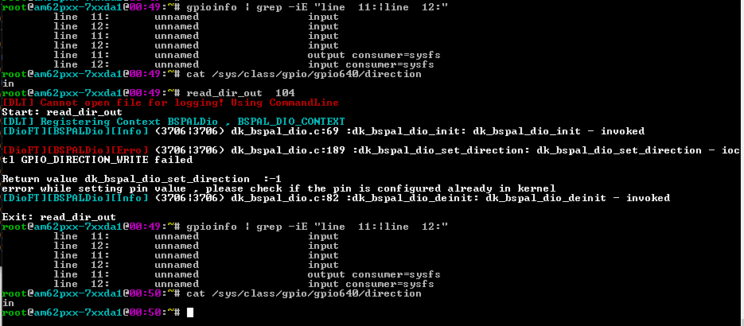 | pass
 |  |  |  | 2 | Run the gpio test utility. #read_dir_out 104 | #read_dir_out 104 [DLT] Cannot open file for logging! Using CommandLine Start: read_dir_out [DLT] Registering Context BSPALDio , BSPAL_DIO_CONTEXT [DioFT][BSPALDio][Info] (3706|3706) dk_bspal_dio.c:69 :dk_bspal_dio_init: dk_bspal_dio_init - invoked [DioFT][BSPALDio][Erro] (3706|3706) dk_bspal_dio.c:189 :dk_bspal_dio_set_direction: dk_bspal_dio_set_direction - ioctl GPIO_DIRECTION_WRITE failed Return value dk_bspal_dio_set_direction :-1 error while setting pin value , please check if the pin is configured already in kernel [DioFT][BSPALDio][Info] (3706|3706) dk_bspal_dio.c:82 :dk_bspal_dio_deinit: dk_bspal_dio_deinit - invoked Exit: read_dir_out |  | pass | GPIO pin 104 is not configured as gpio. So if we try to set the value or direction of GPIO 104, it will fail. No change in the default value or direction.
 |  |  |  | 3 | cross check the gpio details in gpiod utility gpioinfo | 1. Run #gpioinfo command to display gpio pin details. 2. Verify direction for gpio pin GPIO1 _12, gpio pin 104 #cat /sys/class/gpio/gpio640/direction |  | pass | No change in the direction or the value.
3 |  | Set direction of a GPIO pin which is not in the supported GPIO pin range 0 to 144 to out and read. | 1. TIAM62P Linux Target should be up. 2. read_dir_out binary should be available in /system/usr/bin | 1 | Check the gpio details before the running test utility. | 1. Run #gpioinfo command to display gpio pin details. 2. Verify for gpio values for any gpio pin for example. GPIO1 _11, gpio pin 103 # echo 639 > /sys/class/gpio/export #cat /sys/class/gpio/gpio639/direction | 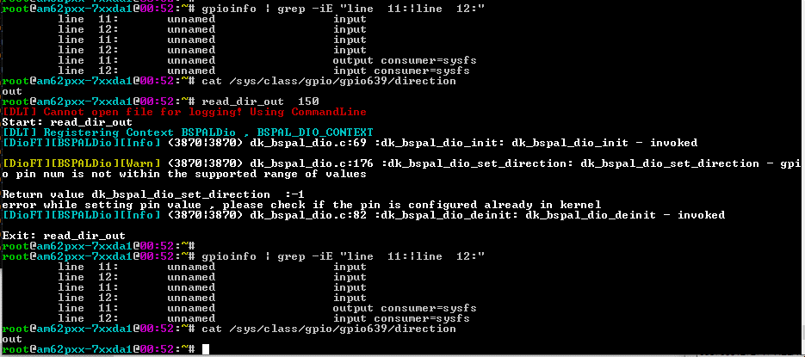 | pass
 |  |  |  | 2 | Run the gpio test utility. #read_dir_out 150 | #read_dir_out 150 [DLT] Cannot open file for logging! Using CommandLine Start: read_dir_out [DLT] Registering Context BSPALDio , BSPAL_DIO_CONTEXT [DioFT][BSPALDio][Info] (3870|3870) dk_bspal_dio.c:69 :dk_bspal_dio_init: dk_bspal_dio_init - invoked [DioFT][BSPALDio][Warn] (3870|3870) dk_bspal_dio.c:176 :dk_bspal_dio_set_direction: dk_bspal_dio_set_direction - gpio pin num is not within the supported range of values Return value dk_bspal_dio_set_direction :-1 error while setting pin value , please check if the pin is configured already in kernel [DioFT][BSPALDio][Info] (3870|3870) dk_bspal_dio.c:82 :dk_bspal_dio_deinit: dk_bspal_dio_deinit - invoked Exit: read_dir_out |  | pass | Supported gpio pins are 0 to 144. If gpio pin number is out of this range, dio_set_pin will fail.
 |  |  |  | 3 | cross check the gpio details in gpiod utility gpioinfo | 1. Run #gpioinfo command to display gpio pin details. 2. Verify for the gpio pin GPIO1 _11, gpio pin 103 #cat /sys/class/gpio/gpio639/direction |  | pass | No change in the direction or the value.
4 |  | Set direction of a GPIO pin with -ve number to out and read. | 1. TIAM62P Linux Target should be up. 2. read_dir_out binary should be available in /system/usr/bin | 1 | Check the gpio details before the running test utility. | 1. Run #gpioinfo command to display gpio pin details. 2. Verify for gpio values for any gpio pin for example. GPIO1 _11, gpio pin 103 # echo 639 > /sys/class/gpio/export #cat /sys/class/gpio/gpio639/direction | 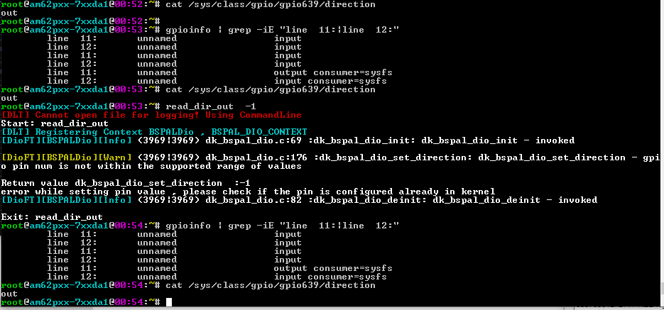 | pass | Display the initial gpio details
 |  |  |  | 2 | Run the gpio test utility. #read_dir_out -1 | #read_dir_out -1 [DLT] Cannot open file for logging! Using CommandLine Start: read_dir_out [DLT] Registering Context BSPALDio , BSPAL_DIO_CONTEXT [DioFT][BSPALDio][Info] (3969|3969) dk_bspal_dio.c:69 :dk_bspal_dio_init: dk_bspal_dio_init - invoked [DioFT][BSPALDio][Warn] (3969|3969) dk_bspal_dio.c:176 :dk_bspal_dio_set_direction: dk_bspal_dio_set_direction - gpio pin num is not within the supported range of values Return value dk_bspal_dio_set_direction :-1 error while setting pin value , please check if the pin is configured already in kernel [DioFT][BSPALDio][Info] (3969|3969) dk_bspal_dio.c:82 :dk_bspal_dio_deinit: dk_bspal_dio_deinit - invoked Exit: read_dir_out |  | pass | Supported gpio pins are 0 to 144. If gpio pin number is out of this range, dio_set_pin will fail.
 |  |  |  | 3 | cross check the gpio details in gpiod utility gpioinfo | 1. Run #gpioinfo command to display gpio pin details. 2. Verify direction for the gpio pin GPIO1 _11, gpio pin 103 #cat /sys/class/gpio/gpio639/direction |  | pass | No change in the direction or the value.

test06
Test Case | Requirement ID | Test Description | Pre-Test Condition | Test Operation |  | Expected Result | Actual Result | Pass / Fail | Comments
 |  |  |  | # | step
1 |  | Set direction of GPIO pin which is configured as GPIO to input and then read back the direction. | 1. TIAM62P Linux Target should be up. 2. read_dir_in 103 binary should be available in /system/usr/bin | 1 | Check the gpio details before the running test utility. | 1. Run #gpioinfo command to display gpio pin details. 2. Verify for the gpio pin GPIO1 _11, gpio pin 103 # echo 639 > /sys/class/gpio/export #cat /sys/class/gpio/gpio639/direction | 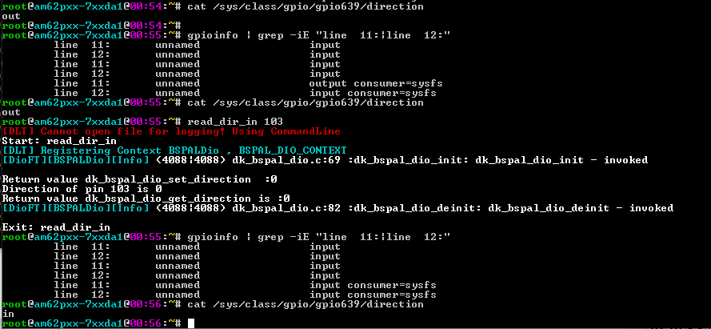 | pass
 |  |  |  | 2 | Run the gpio test utility. #read_dir_in 103 | #read_dir_in 103 [DLT] Cannot open file for logging! Using CommandLine Start: read_dir_in [DLT] Registering Context BSPALDio , BSPAL_DIO_CONTEXT [DioFT][BSPALDio][Info] (4088|4088) dk_bspal_dio.c:69 :dk_bspal_dio_init: dk_bspal_dio_init - invoked Return value dk_bspal_dio_set_direction :0 Direction of pin 103 is 0 Return value dk_bspal_dio_get_direction is :0 [DioFT][BSPALDio][Info] (4088|4088) dk_bspal_dio.c:82 :dk_bspal_dio_deinit: dk_bspal_dio_deinit - invoked Exit: read_dir_in |  | pass | gpio pin 103 is configured to be used as GPIO. GPIO value/direction can be changed.
 |  |  |  | 3 | cross check the gpio details in gpiod utility gpioinfo | 1. Run #gpioinfo command to display gpio pin details. 2. Verify for the gpio pin GPIO1 _11, gpio pin 103 #cat /sys/class/gpio/gpio639/value |  | pass | GPIO direcrion is set to in
2 |  | Set direction of a GPIO pin which is not configured as GPIO to in and read | 1. TIAM62P Linux Target should be up. 2. read_dir_in binary should be available in /system/usr/bin | 1 | Check the gpio details before the running test utility. | 1. Run #gpioinfo command to display gpio pin details. 2. Verify for gpio pin GPIO1 _12, gpio pin 104 # echo 640 > /sys/class/gpio/export #cat /sys/class/gpio/gpio640/direction | 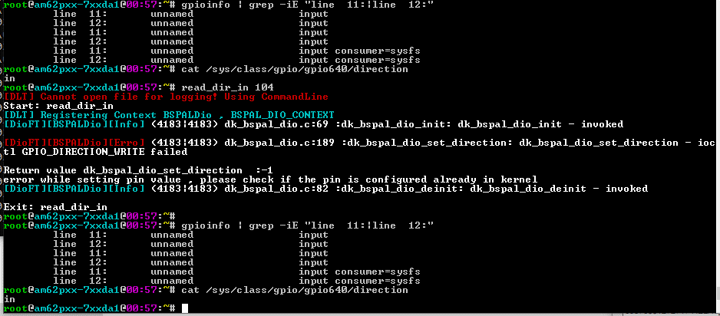 | pass
 |  |  |  | 2 | Run the gpio test utility. #read_dir_in 104 | #read_dir_in 104 [DLT] Cannot open file for logging! Using CommandLine Start: read_dir_in [DLT] Registering Context BSPALDio , BSPAL_DIO_CONTEXT [DioFT][BSPALDio][Info] (4183|4183) dk_bspal_dio.c:69 :dk_bspal_dio_init: dk_bspal_dio_init - invoked [DioFT][BSPALDio][Erro] (4183|4183) dk_bspal_dio.c:189 :dk_bspal_dio_set_direction: dk_bspal_dio_set_direction - ioctl GPIO_DIRECTION_WRITE failed Return value dk_bspal_dio_set_direction :-1 error while setting pin value , please check if the pin is configured already in kernel [DioFT][BSPALDio][Info] (4183|4183) dk_bspal_dio.c:82 :dk_bspal_dio_deinit: dk_bspal_dio_deinit - invoked Exit: read_dir_in |  | pass | GPIO pin 104 is not configured as gpio. So if we try to set the value of GPIO 104, it will fail. No change in the default value or direction.
 |  |  |  | 3 | cross check the gpio details in gpiod utility gpioinfo | 1. Run #gpioinfo command to display gpio pin details. 2. Verify for gpio pin GPIO1 _12, gpio pin 104 #cat /sys/class/gpio/gpio640/direction |  | pass | No change in the direction or the value.
3 |  | Set direction of a GPIO pin which is not in the supported GPIO pin range 0 to 144 to in and read. | 1. TIAM62P Linux Target should be up. 2. read_dir_in binary should be available in /system/usr/bin | 1 | Check the gpio details before the running test utility. | 1. Run #gpioinfo command to display gpio pin details. 2. Verify for gpio values for any gpio pin for example. GPIO1 _11, gpio pin 103 # echo 639 > /sys/class/gpio/export #cat /sys/class/gpio/gpio639/value | 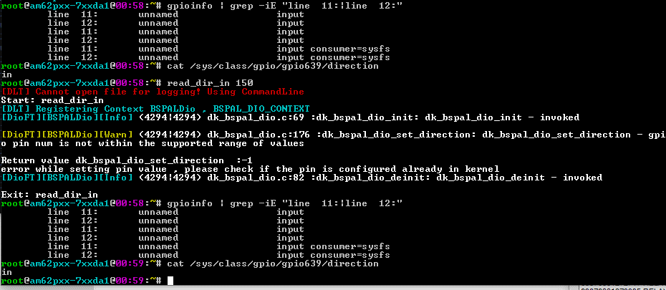 | pass
 |  |  |  | 2 | Run the gpio test utility. #read_dir_in 150 | #read_dir_in 150 [DLT] Cannot open file for logging! Using CommandLine Start: read_dir_in [DLT] Registering Context BSPALDio , BSPAL_DIO_CONTEXT [DioFT][BSPALDio][Info] (4294|4294) dk_bspal_dio.c:69 :dk_bspal_dio_init: dk_bspal_dio_init - invoked [DioFT][BSPALDio][Warn] (4294|4294) dk_bspal_dio.c:176 :dk_bspal_dio_set_direction: dk_bspal_dio_set_direction - gpio pin num is not within the supported range of values Return value dk_bspal_dio_set_direction :-1 error while setting pin value , please check if the pin is configured already in kernel [DioFT][BSPALDio][Info] (4294|4294) dk_bspal_dio.c:82 :dk_bspal_dio_deinit: dk_bspal_dio_deinit - invoked Exit: read_dir_in |  | pass | Supported gpio pins are 0 to 144. If gpio pin number is out of this range, read_dir_in will fail.
 |  |  |  | 3 | cross check the gpio details in gpiod utility gpioinfo | 1. Run #gpioinfo command to display gpio pin details. 2. Verify for the gpio pin GPIO1 _11, gpio pin 103 #cat /sys/class/gpio/gpio639/value |  | pass | No change in the direction or the value.
4 |  | Set direction of a GPIO pin with -ve number to in and read. | 1. TIAM62P Linux Target should be up. 2. read_dir_in binary should be available in /system/usr/bin | 1 | Check the gpio details before the running test utility. | 1. Run #gpioinfo command to display gpio pin details. 2. Verify for gpio values for any gpio pin for example. GPIO1 _11, gpio pin 103 # echo 639 > /sys/class/gpio/export #cat /sys/class/gpio/gpio639/direction | 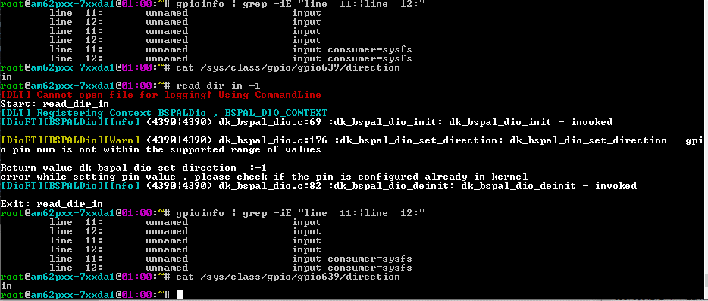 | pass | Display the initial gpio details
 |  |  |  | 2 | Run the gpio test utility. #read_dir_in -1 | #read_dir_in -1 [DLT] Cannot open file for logging! Using CommandLine Start: read_dir_in [DLT] Registering Context BSPALDio , BSPAL_DIO_CONTEXT [DioFT][BSPALDio][Info] (4390|4390) dk_bspal_dio.c:69 :dk_bspal_dio_init: dk_bspal_dio_init - invoked [DioFT][BSPALDio][Warn] (4390|4390) dk_bspal_dio.c:176 :dk_bspal_dio_set_direction: dk_bspal_dio_set_direction - gpio pin num is not within the supported range of values Return value dk_bspal_dio_set_direction :-1 error while setting pin value , please check if the pin is configured already in kernel [DioFT][BSPALDio][Info] (4390|4390) dk_bspal_dio.c:82 :dk_bspal_dio_deinit: dk_bspal_dio_deinit - invoked Exit: read_dir_in |  | pass | Supported gpio pins are 0 to 144. If gpio pin number is out of this range, read_dir_in will fail.
 |  |  |  | 3 | cross check the gpio details in gpiod utility gpioinfo | 1. Run #gpioinfo command to display gpio pin details. 2. Verify for the gpio pin GPIO1 _11, gpio pin 103 #cat /sys/class/gpio/gpio639/direction |  | pass | No change in the direction or the value.

test07
Test Case | Requirement ID | Test Description | Pre-Test Condition | Test Operation |  | Expected Result | Actual Result | Pass / Fail | Comments
 |  |  |  | # | step
1 |  | Set direction of GPIO pin which is configured as GPIO to input. | 1. TIAM62P Linux Target should be up. 2. set_dir_in binary should be available in /system/usr/bin | 1 | Check the gpio details before the running test utility. | 1. Run #gpioinfo command to display gpio pin details. 2. Verify for the gpio pin GPIO1 _11, gpio pin 103 # echo 639 > /sys/class/gpio/export #cat /sys/class/gpio/gpio639/direction | 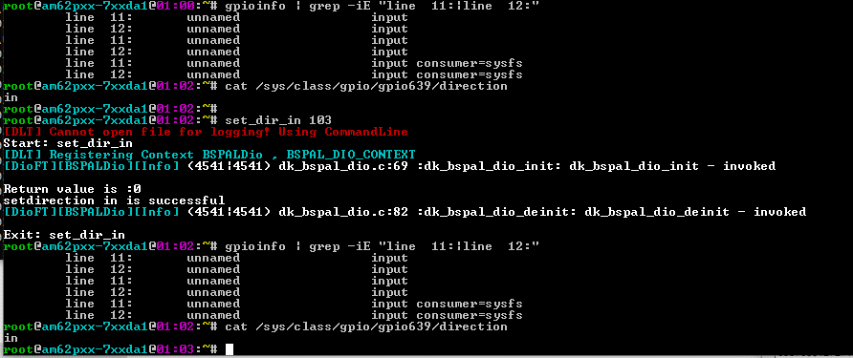 | pass
 |  |  |  | 2 | Run the gpio test utility. #set_dir_in 103 | #set_dir_in 103 [DLT] Cannot open file for logging! Using CommandLine Start: set_dir_in [DLT] Registering Context BSPALDio , BSPAL_DIO_CONTEXT [DioFT][BSPALDio][Info] (4541|4541) dk_bspal_dio.c:69 :dk_bspal_dio_init: dk_bspal_dio_init - invoked Return value is :0 setdirection in is successful [DioFT][BSPALDio][Info] (4541|4541) dk_bspal_dio.c:82 :dk_bspal_dio_deinit: dk_bspal_dio_deinit - invoked Exit: set_dir_in |  | pass | gpio pin 103 is configured to be used as GPIO. GPIO value can be changed.
 |  |  |  | 3 | cross check the gpio details in gpiod utility gpioinfo | 1. Run #gpioinfo command to display gpio pin details. 2. Verify for the gpio pin GPIO1 _11, gpio pin 103 #cat /sys/class/gpio/gpio639/direction |  | pass | GPIO direction is changed to in
2 |  | Set direction of a GPIO pin which is not configured as GPIO to in. | 1. TIAM62P Linux Target should be up. 2. set_dir_inbinary should be available in /system/usr/bin | 1 | Check the gpio details before the running test utility. | 1. Run #gpioinfo command to display gpio pin details. 2. Verify for gpio pin GPIO1 _12, gpio pin 104 # echo 640 > /sys/class/gpio/export #cat /sys/class/gpio/gpio640/direction | 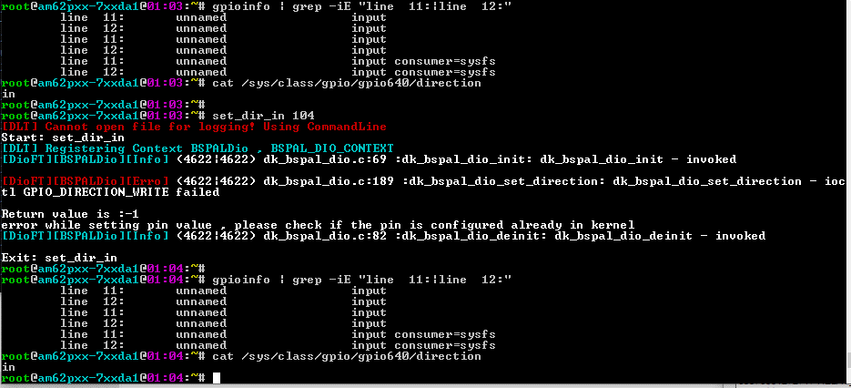 | pass
 |  |  |  | 2 | Run the gpio test utility. #set_dir_in 104 | #set_dir_in 104 [DLT] Cannot open file for logging! Using CommandLine Start: set_dir_in [DLT] Registering Context BSPALDio , BSPAL_DIO_CONTEXT [DioFT][BSPALDio][Info] (4622|4622) dk_bspal_dio.c:69 :dk_bspal_dio_init: dk_bspal_dio_init - invoked [DioFT][BSPALDio][Erro] (4622|4622) dk_bspal_dio.c:189 :dk_bspal_dio_set_direction: dk_bspal_dio_set_direction - ioctl GPIO_DIRECTION_WRITE failed Return value is :-1 error while setting pin value , please check if the pin is configured already in kernel [DioFT][BSPALDio][Info] (4622|4622) dk_bspal_dio.c:82 :dk_bspal_dio_deinit: dk_bspal_dio_deinit - invoked Exit: set_dir_in |  | pass | GPIO pin 104 is not configured as gpio. So if we try to set the value of GPIO 104, it will fail. No change in the default value or direction.
 |  |  |  | 3 | cross check the gpio details in gpiod utility gpioinfo | 1. Run #gpioinfo command to display gpio pin details. 2. Verify for gpio pin GPIO1 _12, gpio pin 104 #cat /sys/class/gpio/gpio640/direction |  | pass | No change in the direction or the value.
3 |  | Set direction of a GPIO pin which is not in the supported GPIO pin range 0 to 144 to in. | 1. TIAM62P Linux Target should be up. 2. set_dir_in binary should be available in /system/usr/bin | 1 | Check the gpio details before the running test utility. | 1. Run #gpioinfo command to display gpio pin details. 2. Verify for gpio values for any gpio pin for example. GPIO1 _11, gpio pin 103 # echo 639 > /sys/class/gpio/export #cat /sys/class/gpio/gpio639/value | 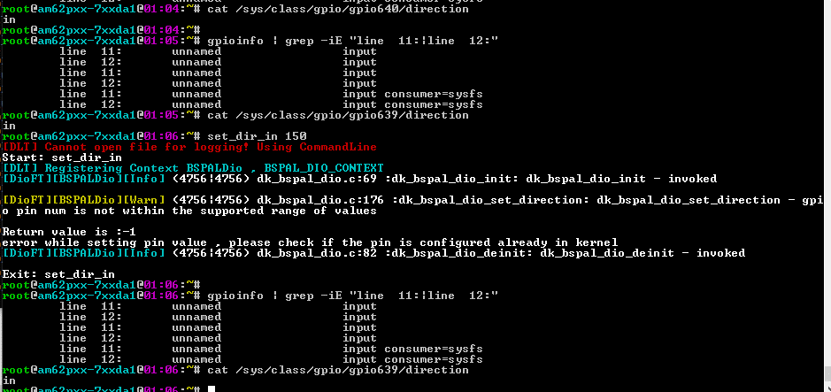 | pass
 |  |  |  | 2 | Run the gpio test utility. #set_dir_in 150 | #set_dir_in 150 [DLT] Cannot open file for logging! Using CommandLine Start: set_dir_in [DLT] Registering Context BSPALDio , BSPAL_DIO_CONTEXT [DioFT][BSPALDio][Info] (4756|4756) dk_bspal_dio.c:69 :dk_bspal_dio_init: dk_bspal_dio_init - invoked [DioFT][BSPALDio][Warn] (4756|4756) dk_bspal_dio.c:176 :dk_bspal_dio_set_direction: dk_bspal_dio_set_direction - gpio pin num is not within the supported range of values Return value is :-1 error while setting pin value , please check if the pin is configured already in kernel [DioFT][BSPALDio][Info] (4756|4756) dk_bspal_dio.c:82 :dk_bspal_dio_deinit: dk_bspal_dio_deinit - invoked Exit: set_dir_in |  | pass | Supported gpio pins are 0 to 144. If gpio pin number is out of this range, dio_set_pin will fail.
 |  |  |  | 3 | cross check the gpio details in gpiod utility gpioinfo | 1. Run #gpioinfo command to display gpio pin details. 2. Verify for the gpio pin GPIO1 _11, gpio pin 103 #cat /sys/class/gpio/gpio639/direction |  | pass | No change in the direction or the value.
4 |  | Set direction of a GPIO pin which is not in the supported GPIO pin range 0 to 144 to in. | 1. TIAM62P Linux Target should be up. 2. set_dir_in binary should be available in /system/usr/bin | 1 | Check the gpio details before the running test utility. | 1. Run #gpioinfo command to display gpio pin details. 2. Verify for gpio values for any gpio pin for example. GPIO1 _11, gpio pin 103 # echo 639 > /sys/class/gpio/export #cat /sys/class/gpio/gpio639/direction in | 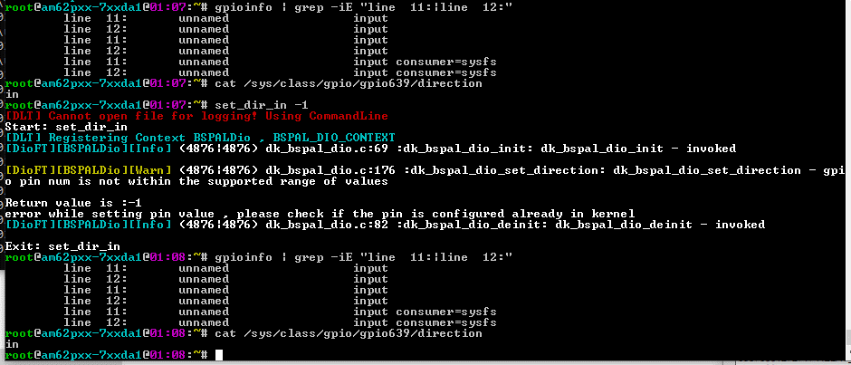 | pass | Display the initial gpio details
 |  |  |  | 2 | Run the gpio test utility. #set_dir_in -1 | #set_dir_in -1 [DLT] Cannot open file for logging! Using CommandLine Start: set_dir_in [DLT] Registering Context BSPALDio , BSPAL_DIO_CONTEXT [DioFT][BSPALDio][Info] (4876|4876) dk_bspal_dio.c:69 :dk_bspal_dio_init: dk_bspal_dio_init - invoked [DioFT][BSPALDio][Warn] (4876|4876) dk_bspal_dio.c:176 :dk_bspal_dio_set_direction: dk_bspal_dio_set_direction - gpio pin num is not within the supported range of values Return value is :-1 error while setting pin value , please check if the pin is configured already in kernel [DioFT][BSPALDio][Info] (4876|4876) dk_bspal_dio.c:82 :dk_bspal_dio_deinit: dk_bspal_dio_deinit - invoked |  | pass | Supported gpio pins are 0 to 144. If gpio pin number is out of this range, dio_set_pin will fail.
 |  |  |  | 3 | cross check the gpio details in gpiod utility gpioinfo | 1. Run #gpioinfo command to display gpio pin details. 2. Verify for the gpio pin GPIO1 _11, gpio pin 103 #cat /sys/class/gpio/gpio639/direction |  | pass | No change in the direction or the value.

test08
Test Case | Requirement ID | Test Description | Pre-Test Condition | Test Operation |  | Expected Result | Actual Result | Pass / Fail | Comments
 |  |  |  | # | step
1 |  | Set direction of GPIO pin which is configured as GPIO to output. | 1. TIAM62P Linux Target should be up. 2. set_dir_out binary should be available in /system/usr/bin | 1 | Check the gpio details before the running test utility. | 1. Run #gpioinfo command to display gpio pin details. 2. Verify for the gpio pin GPIO1 _11, gpio pin 103 # echo 639 > /sys/class/gpio/export #cat /sys/class/gpio/gpio639/direction | 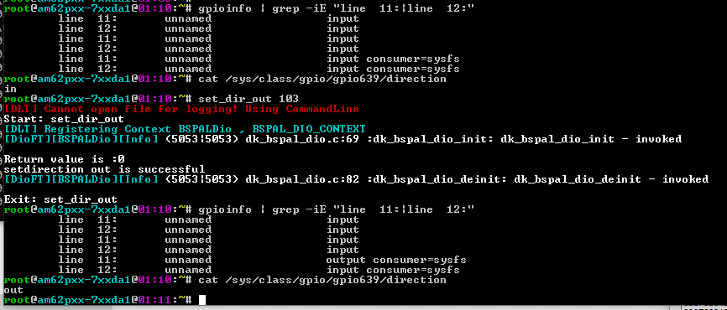 | pass
 |  |  |  | 2 | Run the gpio test utility. #read_pin_value1 103 | #set_dir_out 103 [DLT] Cannot open file for logging! Using CommandLine Start: set_dir_out [DLT] Registering Context BSPALDio , BSPAL_DIO_CONTEXT [DioFT][BSPALDio][Info] (5053|5053) dk_bspal_dio.c:69 :dk_bspal_dio_init: dk_bspal_dio_init - invoked Return value is :0 setdirection out is successful [DioFT][BSPALDio][Info] (5053|5053) dk_bspal_dio.c:82 :dk_bspal_dio_deinit: dk_bspal_dio_deinit - invoked Exit: set_dir_out |  | pass | gpio pin 103 is configured to be used as GPIO. GPIO value can be changed.
 |  |  |  | 3 | cross check the gpio details in gpiod utility gpioinfo | 1. Run #gpioinfo command to display gpio pin details. 2. Verify for the gpio pin GPIO1 _11, gpio pin 103 #cat /sys/class/gpio/gpio639/direction |  | pass | GPIO direction is set to output
2 |  | Set direction of a GPIO pin which is not configured as GPIO to output. | 1. TIAM62P Linux Target should be up. 2. set_dir_out binary should be available in /system/usr/bin | 1 | Check the gpio details before the running test utility. | 1. Run #gpioinfo command to display gpio pin details. 2. Verify for gpio pin GPIO1 _12, gpio pin 104 # echo 640 > /sys/class/gpio/export #cat /sys/class/gpio/gpio640/direction | 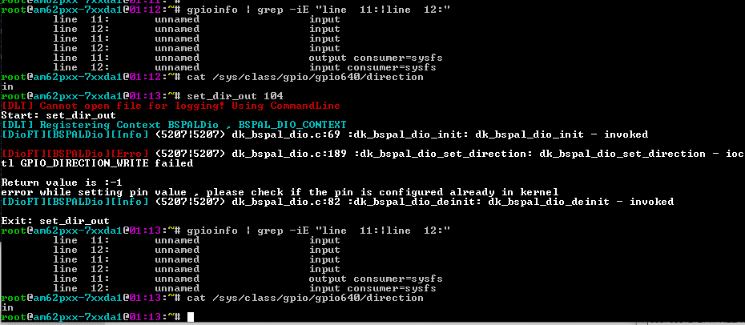 | pass
 |  |  |  | 2 | Run the gpio test utility. #read_pin_value1 104 | #set_dir_out 104 [DLT] Cannot open file for logging! Using CommandLine Start: set_dir_out [DLT] Registering Context BSPALDio , BSPAL_DIO_CONTEXT [DioFT][BSPALDio][Info] (5207|5207) dk_bspal_dio.c:69 :dk_bspal_dio_init: dk_bspal_dio_init - invoked [DioFT][BSPALDio][Erro] (5207|5207) dk_bspal_dio.c:189 :dk_bspal_dio_set_direction: dk_bspal_dio_set_direction - ioctl GPIO_DIRECTION_WRITE failed Return value is :-1 error while setting pin value , please check if the pin is configured already in kernel [DioFT][BSPALDio][Info] (5207|5207) dk_bspal_dio.c:82 :dk_bspal_dio_deinit: dk_bspal_dio_deinit - invoked Exit: set_dir_out |  | pass | GPIO pin 104 is not configured as gpio. So if we try to set the value of GPIO 104, it will fail. No change in the default value or direction.
 |  |  |  | 3 | cross check the gpio details in gpiod utility gpioinfo | 1. Run #gpioinfo command to display gpio pin details. 2. Verify for gpio pin GPIO1 _12, gpio pin 104 #cat /sys/class/gpio/gpio640/direction |  | pass | No change in the direction or the value.
3 |  | Set direction of a GPIO pin which is not in the supported GPIO pin range 0 to 144 to output | 1. TIAM62P Linux Target should be up. 2. set_dir_out binary should be available in /system/usr/bin | 1 | Check the gpio details before the running test utility. | 1. Run #gpioinfo command to display gpio pin details. 2. Verify for gpio values for any gpio pin for example. GPIO1 _11, gpio pin 103 # echo 639 > /sys/class/gpio/export #cat /sys/class/gpio/gpio639/direction | 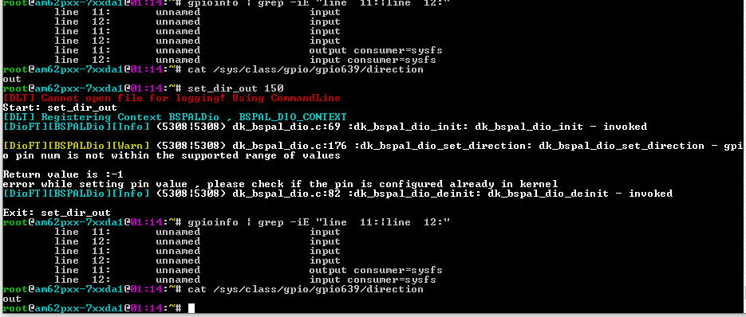 | pass
 |  |  |  | 2 | Run the gpio test utility. #read_pin_value1 150 | #set_dir_out 150 [DLT] Cannot open file for logging! Using CommandLine Start: set_dir_out [DLT] Registering Context BSPALDio , BSPAL_DIO_CONTEXT [DioFT][BSPALDio][Info] (5308|5308) dk_bspal_dio.c:69 :dk_bspal_dio_init: dk_bspal_dio_init - invoked [DioFT][BSPALDio][Warn] (5308|5308) dk_bspal_dio.c:176 :dk_bspal_dio_set_direction: dk_bspal_dio_set_direction - gpio pin num is not within the supported range of values Return value is :-1 error while setting pin value , please check if the pin is configured already in kernel [DioFT][BSPALDio][Info] (5308|5308) dk_bspal_dio.c:82 :dk_bspal_dio_deinit: dk_bspal_dio_deinit - invoked Exit: set_dir_out |  | pass | Supported gpio pins are 0 to 144. If gpio pin number is out of this range, dio_set_pin will fail.
 |  |  |  | 3 | cross check the gpio details in gpiod utility gpioinfo | 1. Run #gpioinfo command to display gpio pin details. 2. Verify for the gpio pin GPIO1 _11, gpio pin 103 #cat /sys/class/gpio/gpio639/direction |  | pass | No change in the direction or the value.
4 |  | Set direction of a GPIO pin which is not in the supported GPIO pin range 0 to 144 to output | 1. TIAM62P Linux Target should be up. 2. set_dir_out binary should be available in /system/usr/bin | 1 | Check the gpio details before the running test utility. | 1. Run #gpioinfo command to display gpio pin details. line 11: unnamed output consumer=sysfs line 12: unnamed input consumer=sysfs 2. Verify for gpio values for any gpio pin for example. GPIO1 _11, gpio pin 103 # echo 639 > /sys/class/gpio/export #cat /sys/class/gpio/gpio639/direction out | 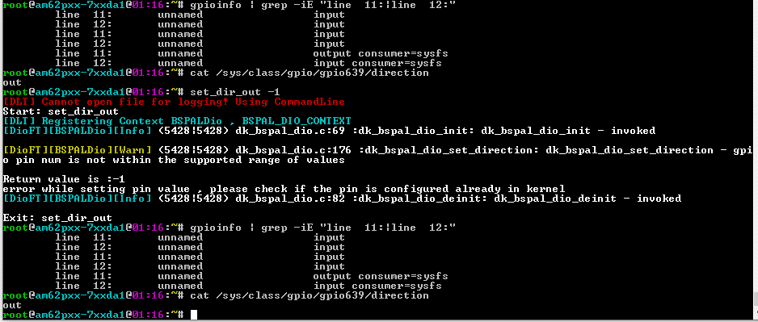 | pass | Display the initial gpio details
 |  |  |  | 2 | Run the gpio test utility. #read_pin_value1 -1 | #set_dir_out -10 Start: set_dir_out [dk_bspal_dio_init] dio init invoked [dk_bspal_dio_set_direction] gpio pin num is not within the supported range of values Return value is :-1 error while setting pin value , please check if the pin is configured already in kernel [dk_bspal_dio_deinit] dio deinit invoked Exit: set_dir_out |  | pass | Supported gpio pins are 0 to 144. If gpio pin number is out of this range, dio_set_pin will fail.
 |  |  |  | 3 | cross check the gpio details in gpiod utility gpioinfo | 1. Run #gpioinfo command to display gpio pin details. line 11: unnamed output consumer=sysfs line 12: unnamed input consumer=sysfs 2. Verify for the gpio pin GPIO1 _11, gpio pin 103 #cat /sys/class/gpio/gpio639/direction out |  | pass | No change in the direction or the value.

