Cover


Revision History
S.No | Date | Descritpion | Version | CDSID
1 | 22/4/2025 | Initial revision | 1.0 | ssomasu1

test01
Test Case | Requirement ID | Test Description | Pre-Test Condition | Test Operation |  | Expected Result | Actual Result | Pass / Fail | Comments
 |  |  |  | # | step
1 |  | Initialize the serializer | 1. TIAM62P Linux Target should be up. 2. ser_test binary should be available in /system/usr/bin | 1 | Run the serializer test utility. ./ser_test 1 | root@am62pxx-7xxda1@00:12:/system/usr/bin# ./ser_test 1 Serializer initialized successfully. | 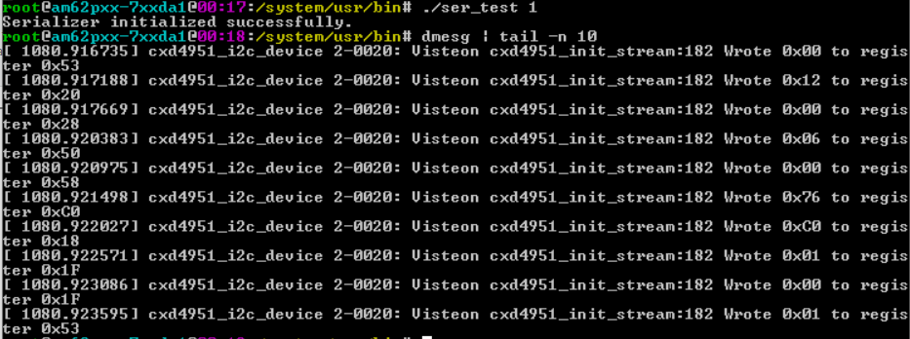 | pass | Serializer i2c register is configured
 |  |  |  | 2 | Run dmesg to confirm | root@am62pxx-7xxda1@00:16:/system/usr/bin# dmesg | tail -n 10 [ 771.017429] cxd4951_i2c_device 2-0020: Visteon cxd4951_init_stream:182 Wrote 0x00 to register 0x53 [ 771.017954] cxd4951_i2c_device 2-0020: Visteon cxd4951_init_stream:182 Wrote 0x12 to register 0x20 [ 771.018514] cxd4951_i2c_device 2-0020: Visteon cxd4951_init_stream:182 Wrote 0x00 to register 0x28 [ 771.018935] cxd4951_i2c_device 2-0020: Visteon cxd4951_init_stream:182 Wrote 0x06 to register 0x50 [ 771.019450] cxd4951_i2c_device 2-0020: Visteon cxd4951_init_stream:182 Wrote 0x00 to register 0x58 [ 771.023822] cxd4951_i2c_device 2-0020: Visteon cxd4951_init_stream:182 Wrote 0x76 to register 0xC0 [ 771.024345] cxd4951_i2c_device 2-0020: Visteon cxd4951_init_stream:182 Wrote 0xC0 to register 0x18 [ 771.024741] cxd4951_i2c_device 2-0020: Visteon cxd4951_init_stream:182 Wrote 0x01 to register 0x1F [ 771.024966] cxd4951_i2c_device 2-0020: Visteon cxd4951_init_stream:182 Wrote 0x00 to register 0x1F [ 771.025479] cxd4951_i2c_device 2-0020: Visteon cxd4951_init_stream:182 Wrote 0x01 to register 0x53 |  | pass | Serializer i2c register are configured with the required values
2 |  | Check for link status | 1. TIAM62P Linux Target should be up. 2. ser_test binary should be available in /system/usr/bin | 1 | Run the serializer test utility. ./ser_test 5 | root@am62pxx-7xxda1@01:21:20:/system/usr/bin# ./ser_test 5 Serializer link status: 1 |  |  | HUD link status
3 |  | Start the serializer | 1. TIAM62P Linux Target should be up. 2. ser_test binary should be available in /system/usr/bin | 1 | Run the serializer test utility. ./ser_test 3 | root@am62pxx-7xxda1@01:21:03:/system/usr/bin# ./ser_test 3 Serializer streaming started successfully. | 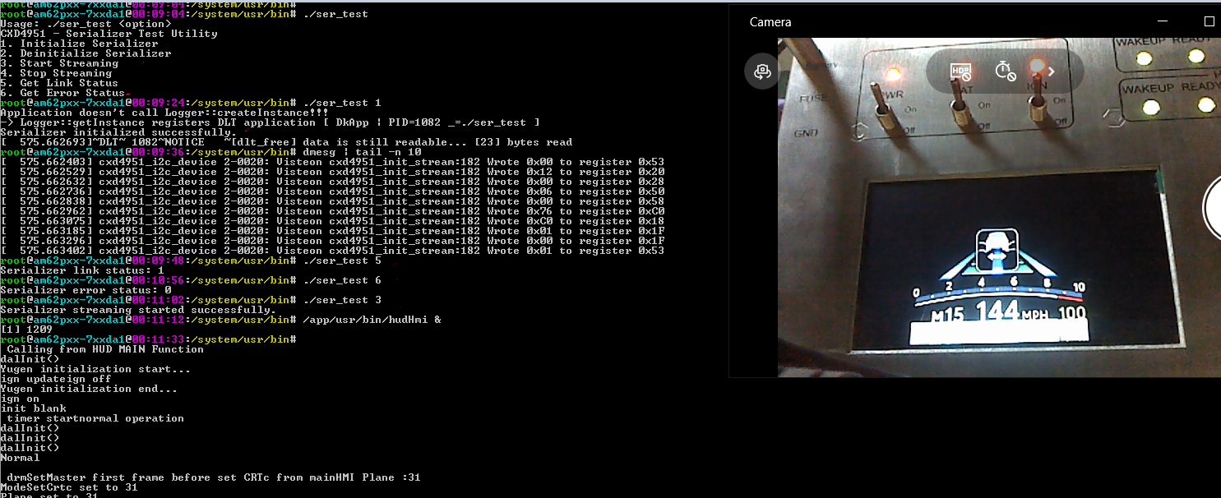 | pass | HUD will be displayed
4 |  | Stop the serializer | 1. TIAM62P Linux Target should be up. 2. ser_test binary should be available in /system/usr/bin | 1 | Run the serializer test utility. ./ser_test 4 | root@am62pxx-7xxda1@01:21:09:/system/usr/bin# ./ser_test 4 Serializer streaming stopped successfully. |  | pass | HUD will not be displayed
5 |  | Deinitialize the serializer | 1. TIAM62P Linux Target should be up. 2. ser_test binary should be available in /system/usr/bin | 1 | Run the serializer test utility. ./ser_test 2 | root@am62pxx-7xxda1@00:21:/system/usr/bin# ./ser_test 2 Serializer deinitialized successfully. | 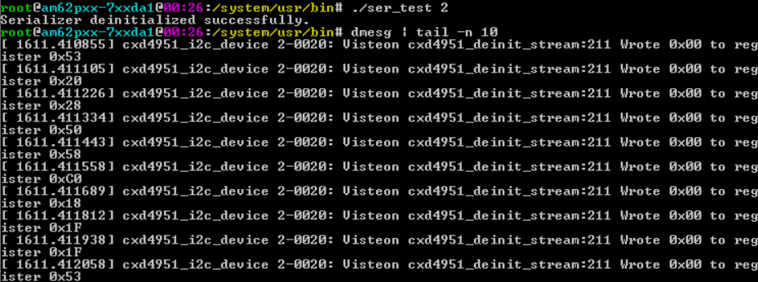 | pass | Deinitializes the i2c serializer register
 |  |  |  | 2 | Run dmesg to confirm | root@am62pxx-7xxda1@00:21:/system/usr/bin# dmesg | tail -n 10 [ 1279.808311] cxd4951_i2c_device 2-0020: Visteon cxd4951_deinit_stream:211 Wrote 0x00 to register 0x53 [ 1279.808672] cxd4951_i2c_device 2-0020: Visteon cxd4951_deinit_stream:211 Wrote 0x00 to register 0x20 [ 1279.808880] cxd4951_i2c_device 2-0020: Visteon cxd4951_deinit_stream:211 Wrote 0x00 to register 0x28 [ 1279.808988] cxd4951_i2c_device 2-0020: Visteon cxd4951_deinit_stream:211 Wrote 0x00 to register 0x50 [ 1279.809101] cxd4951_i2c_device 2-0020: Visteon cxd4951_deinit_stream:211 Wrote 0x00 to register 0x58 [ 1279.809211] cxd4951_i2c_device 2-0020: Visteon cxd4951_deinit_stream:211 Wrote 0x00 to register 0xC0 [ 1279.809320] cxd4951_i2c_device 2-0020: Visteon cxd4951_deinit_stream:211 Wrote 0x00 to register 0x18 [ 1279.809427] cxd4951_i2c_device 2-0020: Visteon cxd4951_deinit_stream:211 Wrote 0x00 to register 0x1F [ 1279.809534] cxd4951_i2c_device 2-0020: Visteon cxd4951_deinit_stream:211 Wrote 0x00 to register 0x1F [ 1279.809641] cxd4951_i2c_device 2-0020: Visteon cxd4951_deinit_stream:211 Wrote 0x00 to register 0x53 |  | pass | All the serializer i2c register is intialized to zero.

