Cover


Traceability
S.No | Requirement | Reference Document | Version | CDSID
1 | OSAL Functional Test Plan | 751240- OSAL Software Requirement Specification.pdf | Initial Version | ssingh25S

Revision History
S.No | Date | Descritpion | Version | CDSID
1 | 30-Jun-20 | Initial revision | 1.0 | ssingh25S
2 | 3-Sep-20 | osal_timer Initial revision | 1.0 | draj5
3 | 8-Sep-20 | osal_process Initial revision | 1.0 | draj5
4 | 11-Sep-20 | osal_mutex Initial revision | 1.0 | draj5
5 | 14-Sep-20 | osal_recursive_mutex Initial revision | 1.0 | draj5
6 | 15-Sep-20 | osal_mutex_lock Initial revision | 1.0 | draj5
7 | 22-Sep-20 | osal_shared_memory Initial revision | 1.0 | draj5
8 | 30-Sep-20 | osal_config Initial revision | 1.0 | draj5
9 | 7-Oct-20 | osal_thread Initial revision | 1.0 | draj5
10 | 13-10-20 | Precondition updated | 1.0 | ssingh25
11 | 15-09-23 | updated report with result | 1.0.4 | damudhar

OSAL_TIMER
Test Case | Requirement ID | Test Description | Pre-Test Condition | Test Steps | Expected Result | Pass / Fail | Comments | Test Engineer ID | Actual result
1 | 751535/751566 | Start a periodic timer with a periodic inteval of 200mSec which is started after 100mSec | 1. QNX Target should be up and running 2. osal_timer binary shall present in target under system/usr/bin/OSAL_FT/osal_timer/ | 1. Open telnet session 2. Execute osal_timer binary : osal_timer | Result on the telnet session: THIS IS MY TIMER2 CALLBACK with timeout THIS IS MY TIMER2 CALLBACK with timeout THIS IS MY TIMER2 CALLBACK with timeout THIS IS MY TIMER2 CALLBACK with timeout THIS IS MY TIMER2 CALLBACK with timeout | Pass |  | damudhar | 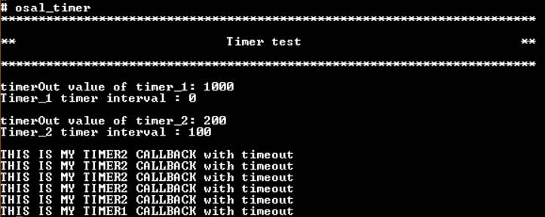
2 | 751535/751566 | Start a one shot timer with a timeout value of 1000mSec |  |  | Result on the telnet session: THIS IS MY TIMER1 CALLBACK with timeout | Pass |  | damudhar
3 | 751535/751566 | Get Timer Interval in msec |  |  | Result on the telnet session: Timer_1 timer interval : 0 Timer_2 timer interval : 100 | Pass |  | damudhar
4 | 751535/751568 | Get Time Out in msec |  |  | Result on the telnet session: timerOut value of timer_1: 1000 timerOut value of timer_2: 200 | Pass |  | damudhar
5 | 751535/751567 | stoping the periodic timer at 5th itration |  |  | Result on the telnet session: THIS IS MY TIMER2 CALLBACK with timeout THIS IS MY TIMER2 CALLBACK with timeout THIS IS MY TIMER2 CALLBACK with timeout THIS IS MY TIMER2 CALLBACK with timeout THIS IS MY TIMER2 CALLBACK with timeout | Pass |  | damudhar

OSAL_PROCESS
Test Case | Requirement ID | Test Description | Pre-Test Condition | Test Steps | Expected Result | Pass / Fail | Comments | Test Engineer ID | Actual result
1 | 751537 / 751575 | Get Process Id of the current process getProcessId() | 1. QNX Target should be up and running 2. osal_process and osal_clock binary shall present in target under system/usr/bin/OSAL_FT/osal_process/ | 1. Open two telnet session 2. Execute osal_process binary : osal_process osal_process_test 3. Run pidin a | Result on the telnet session: testing getProcessId() API : osal_process process_Id == pidin a | grep "osal_process" | Pass |  | damudhar | 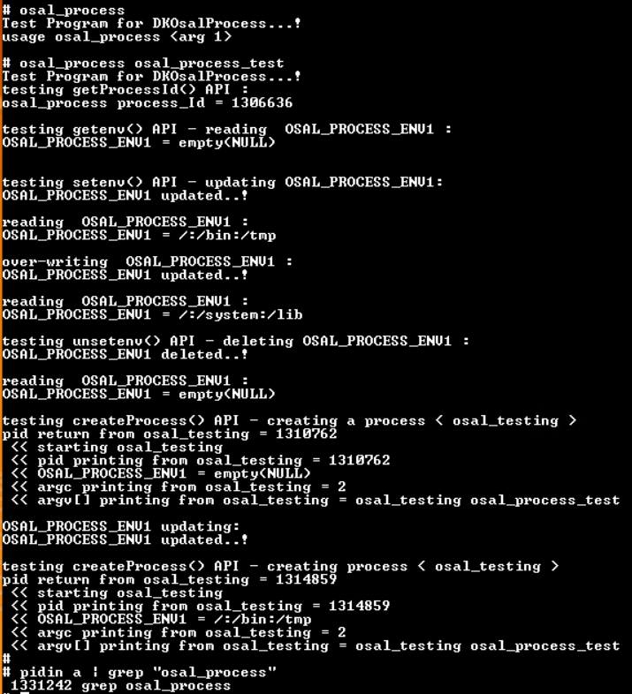
2 | 751537 / 751576 | Set an environment variable setenv() |  |  | Result on the telnet session: testing setenv() API - updating OSAL_PROCESS_ENV1: OSAL_PROCESS_ENV1 updated..! over-writing OSAL_PROCESS_ENV1 : OSAL_PROCESS_ENV1 updated..! | Pass |  | damudhar
3 | 751537 / 751578 | Read an environment variable. getenv() |  |  | Result on the telnet session: reading OSAL_PROCESS_ENV1 : OSAL_PROCESS_ENV1 = /:/bin:/tmp reading OSAL_PROCESS_ENV1 : OSAL_PROCESS_ENV1 = /:/system:/lib | Pass |  | damudhar
4 | 751537 / 751577 | Delete an environment variable unsetenv() |  |  | Result on the telnet session: testing unsetenv() API - deleting OSAL_PROCESS_ENV1 : OSAL_PROCESS_ENV1 deleted..! | Pass |  | damudhar
5 | 751537 / 751574 | create a new process createProcess() |  |  | Result on the telnet session: testing createProcess() API - creating a process < osal_testing > pid return from osal_testing == "<< pid printing from osal_testing " [both should be same] << starting osal_testing << pid printing from osal_testing == "pid return from osal_testing '" pid num should be listed in pidin a] << OSAL_PROCESS_ENV1 = empty(NULL) << argc printing from osal_testing = 2 << argv[] printing from osal_testing = osal_testing testing_osal_process OSAL_PROCESS_ENV1 updating: OSAL_PROCESS_ENV1 updated..! testing createProcess() API - creating process < osal_testing > pid return from osal_testing == "<< pid printing from osal_testing " [both should be same] << starting osal_testing << pid printing from osal_testing == " pid return from osal_testing " [pid num should be listed in pidin a] << OSAL_PROCESS_ENV1 = /:/bin:/tmp << argc printing from osal_testing = 2 << argv[] printing from osal_testing = osal_testing testing_osal_process | Pass |  | damudhar

OSAL_MUTEX
Test Case | Requirement ID | Test Description | Pre-Test Condition | Test Steps | Expected Result | Pass / Fail | Comments | Test Engineer ID | Actual result
1 | 751534 / 751575 | accessing a common resource by two thread without synchronizing | 1. QNX Target should be up and running 2. osal_mutex binary shall present in target under system/usr/bin/OSAL_FT/osal_mutex/ | 1. Open telnet session 2. Execute osal_mutex binary : osal_mutex 1 allow for running a few iterations then do ctrl + c | Result on the telnet session: [ first name anad second name may be or may not be swaping] osal_mutex test started..! threads without mutex synchronization..! John Bush for president John Bush for president George Kerry for president George Bush for president John Kerry for president John Bush for president George Bush for president | Pass |  | damudhar
2 | 751534 / 751559 / 751563 /751564 | locking critical resource with lock() and unlock() API's |  | 1. Open telnet session 2. Execute osal_mutex binary : osal_mutex 2 allow for running a few iterations then do ctrl + c | Result on the telnet session: osal_mutex test started..! threads with mutex synchronization..! testing lock() and unlock() API's..! George Bush for president John Kerry for president George Bush for president John Kerry for president George Bush for president John Kerry for president George Bush for president | Pass |  | damudhar | 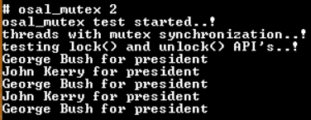
3 | 751534 / 751559 / 751560 | Try to lock the Mutex, with using tryLock() API |  | 1. Open telnet session 2. Execute osal_mutex binary : osal_mutex 3 | Result on the telnet session: osal_mutex test started..! threads with mutex synchronization..! testing tryLock() API's..! tryLock() - failed tryLock() - passed osal_mutex test exit..! | Pass |  | damudhar
4 | 751534 / 751559 / 751561 | Blocks the current thread until the lock is acquired, or the specified timeout interval elapsed. with using timedLockMS() |  | 1. Open telnet session 2. Execute osal_mutex binary : osal_mutex 4 allow for running a few iterations then do ctrl + c | Result on the telnet session: osal_mutex test started..! threads with mutex synchronization..! testing timedLockMS() API's..! timedLockMS() - passed from main thread thread_timedLockMS Failed Mutex is already locked getTimeDiffUS(): thread_timedLockMS invoked time : 2000 MS | Pass |  | damudhar
5 | 751534 / 751559 / 751562 | Blocks the current thread until the lock is acquired, or the specified timeout interval elapsed. with using timedLockUS() |  | 1. Open telnet session 2. Execute osal_mutex binary : osal_mutex 5 allow for running a few iterations then do ctrl + c | Result on the telnet session: osal_mutex test started..! threads with mutex synchronization..! testing timedLockUS() API's..! timedLockUS() - passed from main thread thread_timedLockUS Failed : Mutex is already locked getTimeDiffUS(): thread_timedLockUS invoked time : 2000 US | Pass |  | damudhar | 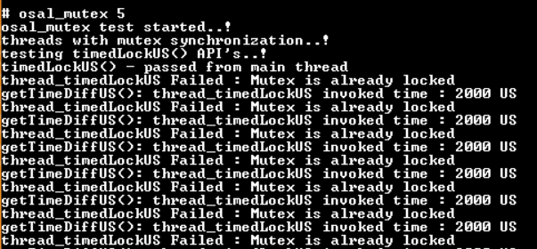

OSAL_RECURSIVE_MUTEX
Test Case | Requirement ID | Test Description | Pre-Test Condition | Test Steps | Expected Result | Pass / Fail | Comments | Test Engineer ID | Actual result
1 | 751537 | accessing a common resource by two thread without synchronizing | 1. QNX Target should be up and running 2. osal_recursive_mutex binary shall present in target under system/usr/bin/OSAL_FT/osal_recursive_mutex/ | 1. Open telnet session 2. Execute osal_recursive_mutex binary : osal_recursive_mutex 1 | Result on the telnet session: [ one print may be or may not be break the another print as shown in below ] osal_recursive_mutex test started..! two threads without recursive mutex synchronization..! Entered thread_1 by Thread_Id 1 0 Entered thread_1 by Thread_Id 2 Entered thread_1 by Thread_Id 1 1 2 Entered thread_1 by Thread_Id 2 Entered thread_1 by Thread_Id 1 3 4 Entered thread_1 by Thread_Id 2 Entered thread_1 by Thread_Id 1 5 6 Entered thread_1 by Thread_Id 2 Entered thread_1 by Thread_Id 1 7 8 | Pass |  | damudhar | 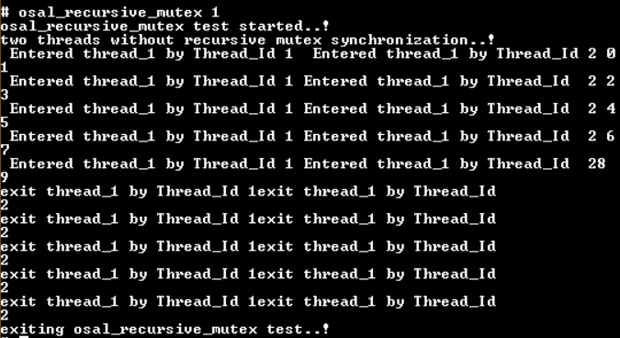
2 | 751537 / 751583 | locking critical resource with recursive mutex using lock() and unlock() API's |  | 1. Open telnet session 2. Execute osal_recursive_mutex binary : osal_recursive_mutex 2 | Result on the telnet session: osal_recursive_mutex test started..! two threads with recursive mutex synchronization..! testing lock() and unlock() API's..! thread_2 locked by Thread_Id 1 0 thread_2 locked by Thread_Id 1 1 thread_2 locked by Thread_Id 1 2 thread_2 locked by Thread_Id 1 3 thread_2 locked by Thread_Id 1 4 thread_2 unlocked by Thread_Id 1 thread_2 unlocked by Thread_Id 1 thread_2 unlocked by Thread_Id 1 thread_2 unlocked by Thread_Id 1 thread_2 unlocked by Thread_Id 1 thread_2 locked by Thread_Id 2 5 thread_2 locked by Thread_Id 2 6 thread_2 locked by Thread_Id 2 7 thread_2 locked by Thread_Id 2 8 thread_2 locked by Thread_Id 2 9 thread_2 unlocked by Thread_Id 2 thread_2 unlocked by Thread_Id 2 thread_2 unlocked by Thread_Id 2 thread_2 unlocked by Thread_Id 2 thread_2 unlocked by Thread_Id 2 exiting osal_recursive_mutex test..! | Pass |  | damudhar | 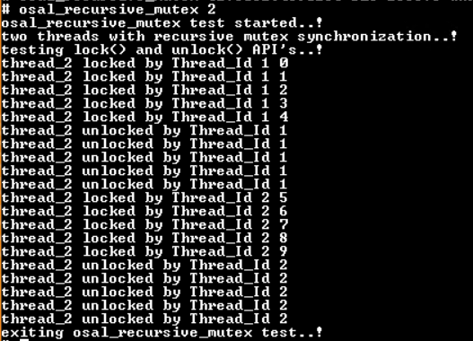
3 | 751537 / 751580 | Try to lock the recursive Mutex, with using tryLock() API |  | 1. Open telnet session 2. Execute osal_recursive_mutex binary : osal_recursive_mutex 3 | Result on the telnet session: osal_recursive_mutex test started..! two threads with recursive mutex synchronization..! testing tryLock() API's..! tryLock() - passed tryLock() - passed tryLock() - passed exiting osal_recursive_mutex test..! | Pass |  | damudhar
4 | 751537 / 751581 | Blocks the current thread until the lock is acquired, or the specified timeout interval elapsed. with using timedLockMS() in recursive mutex |  | 1. Open telnet session 2. Execute osal_recursive_mutex binary : osal_recursive_mutex 4 | Result on the telnet session: osal_recursive_mutex test started..! two threads with using recursive mutex synchronization..! testing timedLockMS() API's..! timedLockMS() - passed from main thread timedLockMS() - passed from main thread timedLockMS() - passed from main thread timedLockMS() - failed from thread_3 getTimeDiffUS(): thread_3 invoked time : 2000 MS timedLockMS() - failed from thread_3 getTimeDiffUS(): thread_3 invoked time : 2000 MS timedLockMS() - failed from thread_3 getTimeDiffUS(): thread_3 invoked time : 2000 MS timedLockMS() - failed from thread_3 getTimeDiffUS(): thread_3 invoked time : 2000 MS exiting osal_recursive_mutex test..! | Pass |  | damudhar
5 | 751537 / 751582 | Blocks the current thread until the lock is acquired, or the specified timeout interval elapsed. with using timedLockUS() in recursive mutex |  | 1. Open telnet session 2. Execute osal_recursive_mutex binary : osal_recursive_mutex 5 | Result on the telnet session: osal_recursive_mutex test started..! two threads with using recursive mutex synchronization..! testing timedLockUS() API's..! timedLockUS() - passed from main thread timedLockUS() - passed from main thread timedLockUS() - passed from main thread timedLockUS() - failed from thread_4 getTimeDiffUS(): thread_4 invoked time : 2000 US timedLockUS() - failed from thread_4 getTimeDiffUS(): thread_4 invoked time : 2000 US timedLockUS() - failed from thread_4 getTimeDiffUS(): thread_4 invoked time : 2000 US timedLockUS() - failed from thread_4 getTimeDiffUS(): thread_4 invoked time : 2000 US exiting osal_recursive_mutex test..! | Pass |  | damudhar | 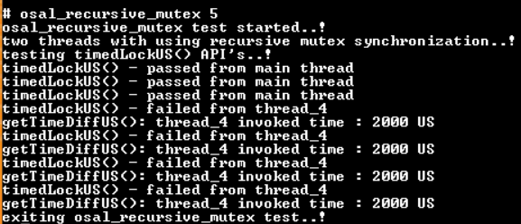

OSAL_MUTEX_LOCK
Test Case | Requirement ID | Test Description | Pre-Test Condition | Test Steps | Expected Result | Pass / Fail | Comments | Test Engineer ID | Actual result
1 | 751534 | accessing a common resource by two thread without synchronizing | 1. QNX Target should be up and running 2. osal_mutex_lock binary shall present in target under system/usr/bin/OSAL_FT/osal_mutex_lock/ | 1. Open telnet session 2. Execute osal_mutex_lock binary : osal_mutex_lock 1 | Result on the telnet session: [ one print may be or may not be break the another print as shown in below] osal_mutex_Lock test start..! threads without mutex synchronization..! Called thread_1 by Thread_Id 1 0 Called thread_1 by Thread_Id 2Called thread_1 by Thread_Id 1 1 2 Called thread_1 by Thread_Id 2Called thread_1 by Thread_Id 1 3 4 Called thread_1 by Thread_Id 2Called thread_1 by Thread_Id 1 5 6 Called thread_1 by Thread_Id 2 7 exit osal_mutex_Lock test..! | Pass |  | damudhar
2 | 751534 | locking critical resource with mutex scope with mutex lock |  | 1. Open telnet session 2. Execute osal_mutex_lock binary : osal_mutex_lock 2 | Result on the telnet session: osal_mutex_Lock test start..! threads with mutex synchronization..! testing scope lock..! thread_2 locked by Thread_Id 1 0 thread_2 locked by Thread_Id 1 1 thread_2 locked by Thread_Id 1 2 thread_2 locked by Thread_Id 1 3 thread_2 locked by Thread_Id 2 4 thread_2 locked by Thread_Id 2 5 thread_2 locked by Thread_Id 2 6 thread_2 locked by Thread_Id 2 7 exit osal_mutex_Lock test..! | Pass |  | damudhar | 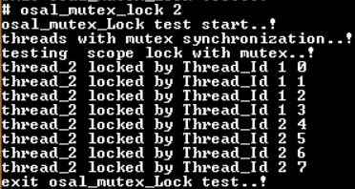
3 | 751534 | locking critical resource with mutex scope with recursive mutex lock |  | 1. Open telnet session 2. Execute osal_mutex_lock binary : osal_mutex_lock 3 | Result on the telnet session: osal_mutex_Lock test start..! threads with mutex synchronization..! testing scope lock with RecursiveMutex..! thread_3 locked by Thread_Id 1 0 thread_3 locked by Thread_Id 1 1 thread_3 locked by Thread_Id 1 2 thread_3 locked by Thread_Id 1 3 thread_3 locked by Thread_Id 1 4 thread_3 unlocked by Thread_Id 1 thread_3 unlocked by Thread_Id 1 thread_3 unlocked by Thread_Id 1 thread_3 unlocked by Thread_Id 1 thread_3 unlocked by Thread_Id 1 thread_3 locked by Thread_Id 2 5 thread_3 locked by Thread_Id 2 6 thread_3 locked by Thread_Id 2 7 thread_3 locked by Thread_Id 2 8 thread_3 locked by Thread_Id 2 9 thread_3 unlocked by Thread_Id 2 thread_3 unlocked by Thread_Id 2 thread_3 unlocked by Thread_Id 2 thread_3 unlocked by Thread_Id 2 thread_3 unlocked by Thread_Id 2 exit osal_mutex_Lock test..! | Pass |  | damudhar | 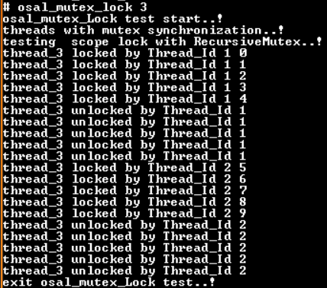
4 | 751534 | testing SYNCHRONIZED() macro |  | 1. Open telnet session 2. Execute osal_mutex_lock binary : osal_mutex_lock 4 | Result on the telnet session: osal_mutex_Lock test start..! threads with mutex synchronization..! testing SYNCHRONIZED() with scope lock..! thread_4 locked by Thread_Id 1 0 thread_4 locked by Thread_Id 1 1 thread_4 locked by Thread_Id 1 2 thread_4 locked by Thread_Id 1 3 thread_4 locked by Thread_Id 2 4 thread_4 locked by Thread_Id 2 5 thread_4 locked by Thread_Id 2 6 thread_4 locked by Thread_Id 2 7 exit osal_mutex_Lock test..! | Pass |  | damudhar

OSAL_SEMAPHORE
Test Case | Requirement ID | Test Description | Pre-Test Condition | Test Steps | Expected Result | Pass / Fail | Comments | Test Engineer ID | Actual results
1 | 751584 /751588 / 751589 | testing wait() and post() API's | 1. QNX Target should be up and running 2.osal_semaphore binary shall present in target under system/usr/bin/OSAL_FT/osal_semaphore | 1. Open telnet session 2. Execute osal_semaphore binary : osal_semaphore 1 | Result on the telnet session: Starting osal_semaphore test..! calling o_Semaphore->post() from main thread with cnt : 0 o_Semaphore->wait() unblocked => cnt : 0 calling o_Semaphore->post() from main thread with cnt : 1 o_Semaphore->wait() unblocked => cnt : 1 calling o_Semaphore->post() from main thread with cnt : 2 o_Semaphore->wait() unblocked => cnt : 2 calling o_Semaphore->post() from main thread with cnt : 3 o_Semaphore->wait() unblocked => cnt : 3 calling o_Semaphore->post() from main thread with cnt : 4 o_Semaphore->wait() unblocked => cnt : 4 exiting from osal_semaphore test..! | Pass |  | damudhar | 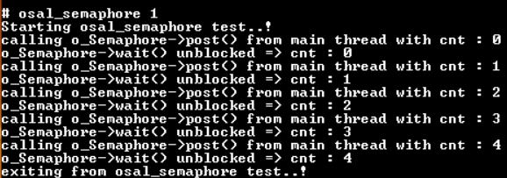
2 | 751584 /751588 / 751589 / 751590 | testing wait() , post(), and value() API's |  | 1. Open telnet session 2. Execute osal_semaphore binary : osal_semaphore 2 | Result on the telnet session: Starting osal_semaphore test..! Produced item : 38 Consumer_counter value: 0 Consumed item : 38 Produced item : 58 Produced item : 13 Consumer_counter value: 1 Consumed item : 58 Produced item : 15 Produced item : 51 Consumer_counter value: 2 Consumed item : 13 Consumer_counter value: 1 Consumed item : 15 Consumer_counter value: 0 Consumed item : 51 exiting from osal_semaphore test..! | Pass |  | damudhar | 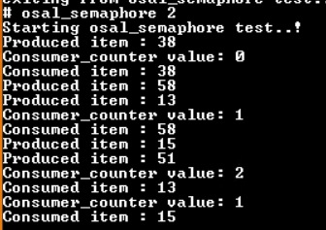
3 | 751584 / 751587 | testing timedWaitMS() API's |  | 1. Open telnet session 2. Execute osal_semaphore binary : osal_semaphore 3 | Result on the telnet session: Starting osal_semaphore test..! timedWaitMS() - passed from main thread timedWaitMS() - passed from thread_timedWaitMS timedWaitMS() - failed from thread_timedWaitMS getTimeDiffUS(): thread_timedWaitMS invoked time : 2000 MS timedWaitMS() - failed from thread_timedWaitMS getTimeDiffUS(): thread_timedWaitMS invoked time : 2000 MS timedWaitMS() - failed from thread_timedWaitMS getTimeDiffUS(): thread_timedWaitMS invoked time : 2000 MS exiting from osal_semaphore test..! | Pass |  | damudhar
4 | 751584 /751586 | testing timedWaitUS() API's |  | 1. Open telnet session 2. Execute osal_semaphore binary : osal_semaphore 4 | Result on the telnet session: Starting osal_semaphore test..! timedWaitUS() - passed from main thread timedWaitUS() - passed from thread_timedWaitUS timedWaitUS() - failed from thread_timedWaitUS getTimeDiffUS(): thread_timedWaitUS invoked time : 2000 US timedWaitUS() - failed from thread_timedWaitUS getTimeDiffUS(): thread_timedWaitUS invoked time : 2000 US timedWaitUS() - failed from thread_timedWaitUS getTimeDiffUS(): thread_timedWaitUS invoked time : 2000 US exiting from osal_semaphore test..! | Pass |  | damudhar
5 | 751584 / 751585 | testing tryWait() API's |  | 1. Open telnet session 2. Execute osal_semaphore binary : osal_semaphore 5 | Result on the telnet session: Starting osal_semaphore test..! tryWait() - passed from main tryWait() - passed from thread_tryWait tryWait() - failed from thread_tryWait | Fail |  | damudhar

OSAL_SHARED_MEMORY
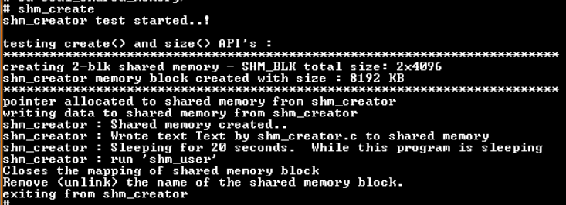
Test Case | Requirement ID | Test Description | Pre-Test Condition | Test Steps | Expected Result | Pass / Fail | Mode of Testing | Test Group / Test CaseID | Comments | Test Engineer ID
1 | 751539 / 751593 / 751594 / 751595 / 751595 / 751596 / 751597 / 751598 | Creating a shared memory and accessing the memory without definding the size. tested API's: create() open() close() size() pointer() remove() | 1. QNX Target sosal_confihould be up and running 2. shm_create and shm_user binary shall present in target under system/usr/bin/OSAL_FT/osal_shared_memory/ | 1. Open 2 telnet session 2. Execute shm_create binary in one telnet session : shm_create 3. Execute shm_user binary in another telnet session: shm_user 1 | Result on the telnet session: telnet session_1: shm_creator test started..! testing create() and size() API's : ************************************************************************ creating 2-blk shared memory - SHM_BLK total size: 2x4096 shm_creator memory block created with size : 8192 KB ************************************************************************ pointer allocated to shared memory from shm_creator writing data to shared memory from shm_creator shm_creator : Shared memory created.. shm_creator : Wrote text Text by shm_creator.c to shared memory shm_creator : Sleeping for 20 seconds. While this program is sleeping shm_creator : run 'shm_user' Closes the mapping of shared memory block Remove (unlink) the name of the shared memory block. exiting from shm_creator telnet session_2 : starting shm_user test ..! ************************************************************************ testing open() API without a defined size: It expected to return total size(8192 KB) shm_user opened the shared memory block - SHM_BLK shm_user shared memory size - SHM_BLK : 8192 ************************************************************************ shm_user : shared memory - SHM_BLK contains : Text by shm_creator.c Closes the mapping of shared memory block Remove (unlink) the name of the shared memory block. exiting from shm_user test..! | Pass | Manual |  |  | damudhar
32 | 751539 / 751593 / 751594 / 751595 / 751595 / 751596 / 751597 / 751598 | Creating a shared memory and accessing the memory with a defind size. tested API's: create() open() close() size() pointer() remove() |  | 1. Open 2 telnet session 2. Execute shm_create binary in one telnet session : shm_create 3. Execute shm_user binary in another telnet session: shm_user 2 | Result on the telnet session: telnet session_1: shm_creator test started..! testing create() and size() API's : ************************************************************************ creating 2-blk shared memory - SHM_BLK total size: 2x4096 shm_creator memory block created with size : 8192 KB ************************************************************************ pointer allocated to shared memory from shm_creator writing data to shared memory from shm_creator shm_creator : Shared memory created.. shm_creator : Wrote text Text by shm_creator.c to shared memory shm_creator : Sleeping for 20 seconds. While this program is sleeping shm_creator : run 'shm_user' Closes the mapping of shared memory block Remove (unlink) the name of the shared memory block. exiting from shm_creator telnet session_2 : starting shm_user test ..! ************************************************************************ testing open() API with defined size 1-block(4096 KB): It expected to return 4096 KB memory block opened shm_user shared memory size - SHM_BLK : 4096 ************************************************************************ shm_user : shared memory - SHM_BLK contains : Text by shm_creator.c Closes the mapping of shared memory block Remove (unlink) the name of the shared memory block. exiting from shm_user test..! | Pass | Manual |  |  | damudhar

OSAL_THREAD
Test Case | Requirement ID | Test Description | Pre-Test Condition | Test Steps | Expected Result | Pass / Fail | Comments | Test Engineer ID | Actual result
1 | 751532 / 751555 | construct a new thread object and Tested API's 1. start() 2. join() 3. setName() 4. getName() 5. exit() 6. currentThreadId() 7. currentProcessId() 8. sleepMS() 9. sleepUS() | 1. QNX Target should be up and running 2. osal_thread binary shall present in target under system/usr/bin/OSAL_FT/osal_thread/ | 1. Open two telnet session 2. Execute osal_thread binary : osal_thread 1 in one telnet session 3. run pidin a for verifying the process ID in another telnet session | Result on the telnet session: Starting oslal_thread_testing construct a new thread object Testing currentThreadId() API Printing current thread id : 1 Testing currentProcessId() API Printing current process id : <should be same as pidin a > Testing getName() API Calling getName() API with out setting the name tid name : Testing setName() API Calling getName() API after setting the name tid name : main_process Testing sleepMS() API getTimeDiffUS(): thread_timedWaitMS invoked time : 2001 MS Testing sleepUS() API getTimeDiffUS(): thread_timedWaitMS invoked time : 6000 US testThread::testThread() constructor called id : 1 testThread::run() : 1 testThread::cleanup() invoked by thread_ID : 1 testThread::testThread() constructor called id : 2 testThread::run() : 2 testThread::cleanup() invoked by thread_ID : 2 Testing exit() API | Pass |  | damudhar |  | 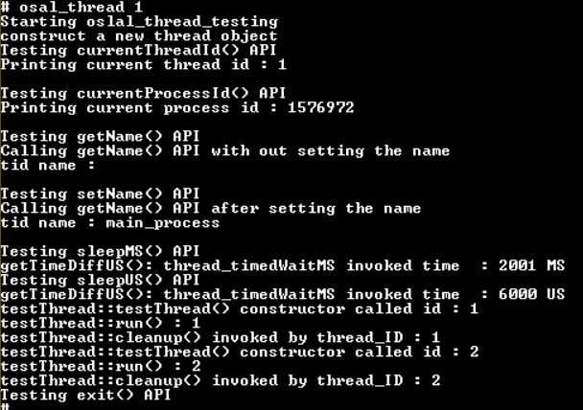
2 | 751532 / 751555 | Construct a new Thread with a IRunnable object Tested API's 1. start() 2. join() 3. setName() 4. getName() 5. exit() 6. currentThreadId() 7. currentProcessId() 8. sleepMS() 9. sleepUS() 10. cancel() |  | 1. Open two telnet session 2. Execute osal_thread binary : osal_thread 2 in one telnet session 3. Run pidin -F "%I %h %A" for verifing thread name and process ID in another telnet session | Result on the telnet session: [ verify the thread name "Thread_cbk_1" in pidin -F "%I %h %A" console ] Result on telnet session 2 : [pidin -F "%I %h %A] Thread_cbk_1 osal_thread 2 Result on telnet session 1: [osal_thread_2] Construct a new Thread with a IRunnable object Testing currentThreadId() API Printing current thread id : 1 Testing currentProcessId() API Printing current process id : < should be same as pidin a > Testing setName() API Calling getName() API thread name : Thread_cbk_1 Testing sleepMS() API getTimeDiffUS(): thread_timedWaitMS invoked time : 2001 MS Testing sleepUS() API getTimeDiffUS(): thread_timedWaitMS invoked time : 6000 US Invoking the IRunnable threadcbk_1 Thread_cbk_1 thread id : 2 Invoking the IRunnable threadcbk_2 running Thread_cbk_2 cnt : 1 Invoking the IRunnable threadcbk_2 running Thread_cbk_2 cnt : 2 Invoking the IRunnable threadcbk_2 running Thread_cbk_2 cnt : 3 Invoking the IRunnable threadcbk_2 running Thread_cbk_2 cnt : 4 Invoking the IRunnable threadcbk_2 running Thread_cbk_2 cnt : 5 Invoking the IRunnable threadcbk_2Testing exit() API | Pass |  | damudhar |  | 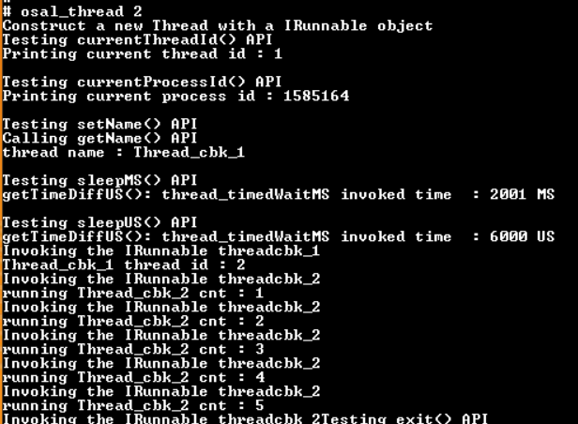
3 | 751532 / 751555 | Testing yield() API |  | 1. Open telnet session 2. Execute osal_thread binary : osal_thread 3 & in first telnet session 3. Run top in second telnet session 4. Run osal_thread 4 & in first telnet session | while testing please provide attention to the state and CPU load parameter in the top result Result on the telnet session: 2.the process with yield (osal_thread 4). has less CPU load compared to the without yield process (osal_thread 3).3. observe the state transition of two processes Result on the telnet session: [numerical Values will be diffrent] PID TID PRI STATE HH:MM:SS CPU COMMAND <pid > 1 10 Run 0:00:16 51.23% osal_thread <pid > 1 10 Rdy 0:00:08 40.93% osal_thread | Pass |  | damudhar

