Reference


Traceability
S.No | Requirement | Reference Document | Version | CDSID
1 | UCL | Systems Requirements Specification (http://vfile.visteon.com/livelink/livelink.exe?func=ll&objId=30056635&objAction=browse&viewType=1) | Initial version | dmuruge2

MU Abstraction
 | Tested on | EU_BMW_MIC
 | SW | Phase 1.0.11

Test case no. | Test Description | Pre-test condition: | Test Operation | Outputs/Verifications | Pass / Fail | Mode of | Comments | Test Engineer cds id
 |  |  |  |  |  | Testing
1 | PERIODIC_MSG_FROM_VP_TO_GP | 1. Create the required CAN DataBase. 2. Create UCL Message Deployment with following configuration i). Message Scheduling type "Periodic" ii).Periodicity >20 ii). Tx Port "VIP_Ipcl" iv).Rx_Port "GIP_Ipcl" using UCL client tool. 3. Update the "UclGen_VmfAdapterIds.h" with appropriate Group & Event Id for this message. | 1. Get the CANoe / CANalyzer loaded with appropriate CAN DB and start. 2. Connect the VMF Analyzer to the target to monitor the messages from UCL. 3. Get the VIP & GIP up and running the latest UCL. 4. Verify the VMF Analyzer for the message with approprirate Group ID & Event ID . | 1.The message should be received at configured periodicity and payload. 2. If there are multiple signal changes within the configured periodicity only the signal value at the message schedule time will be sent. 3. Rx queue shall be enabled to ensure the receiption of all the signal changes within the configured period. | Pass | manual |  | psivaku7
2 | PERIODIC_MSG_FROM_GP_TO_VP | 1.Create UCL Message Deployment with following configuration i). Message Scheduling type "Periodic" ii).Periodicity >20 ii). Tx Port "GIP_Ipcl" iv).Rx_Port "VIP_Ipcl" using UCL client tool. 3. Update the "UclGen_VmfAdapterIds.h" with appropriate Group & Event Id for this message. | 1. Connect the VMF Analyzer to the target. 2. Get the VIP & GIP up and running the latest UCL. 3. Start the VMF basic message sender and Send the required VMF message after updating the VMF Message name, Group ID , Event ID and Data in the message sender window. 4. Each VMF Message is associated with a DU of a UCL Message. Verify the message received in the VIP Task associated with this DU in the Receive Database of UCL in VIP. | 1.The message should be received at configured periodicity and payload. 2. If there are multiple signal changes within the configured periodicity only the signal value at the message schedule time will be sent. 3. Rx queue shall be enabled to ensure the receiption of all the signal changes within the configured period. | Pass | manual |  | psivaku7 | 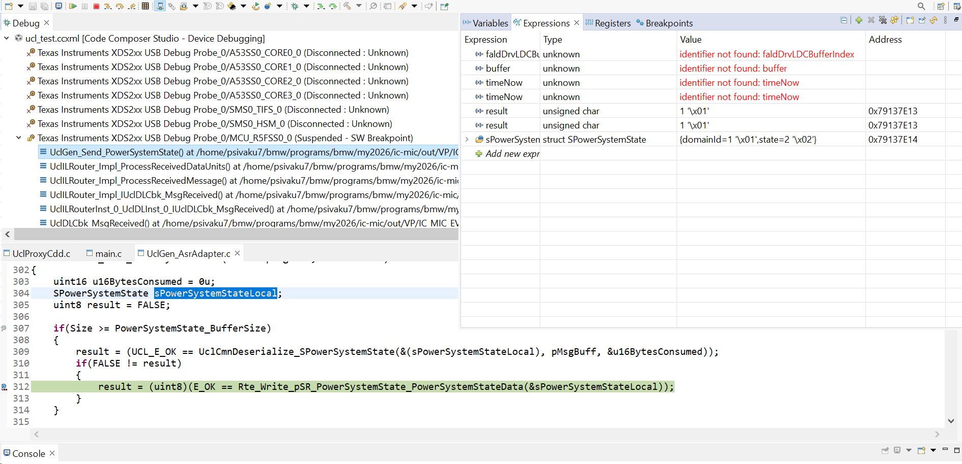
3 | PERIODIC_MSG_WITH_MULTIPLE_DUS | 1. Create the required CAN DataBase. 2.Create UCL Message Deployment with following configuration i). Message Scheduling type "Periodic" , ii).Periodicity >20, ii). Tx Port "VIP_Ipcl", iv).Rx_Port "GIP_Ipcl", v). Create message deployement with multiple messages using UCL client tool. 3. Update the "UclGen_VmfAdapterIds.h" with appropriate Group & Event Id for all messages in the message deployement. | 1. Get the CANoe / CANalyzer loaded with appropriate CAN DB and start. 2. Connect the VMF Analyzer to the target to monitor the messages from UCL. 3. Get the VIP & GIP up and running the latest UCL. 4.Each message in the UCL Message Deployment corresponds to a VMF Message. 5.Verify the VMF Analyzer for all the messages in UCL Message Deployment with appropriate Group ID & Event ID . | 1.The messages should be received at configured periodicity and payload. 2. If there are multiple signal changes within the configured periodicity only the signal value at the message schedule time will be sent. 3. Rx queue shall be enabled to ensure the receiption of all the signal changes within the configured period. | Pass | manual |  | psivaku7 | 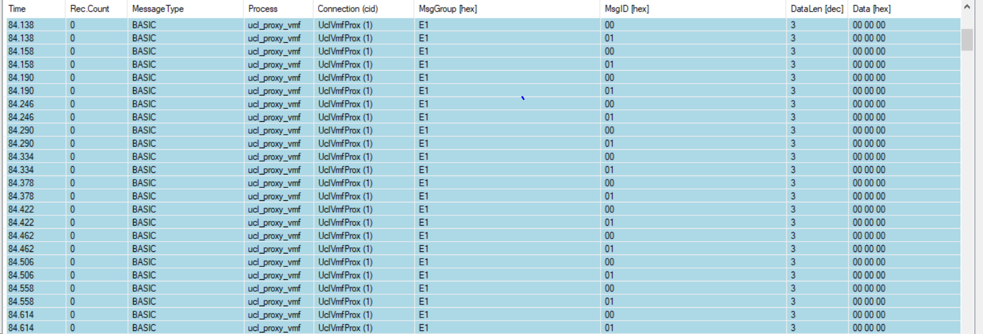
4 | PERIODIC_MSG_PRIORITY_CHECK | 1. Create the required CAN DataBase. 2.Create two UCL Message Deployments with following configurations Message Deployment 1 & 2: i). Message Scheduling type "Periodic" , ii).Periodicity >20, ii). Tx Port "VIP_Ipcl", iv).Rx_Port "GIP_Ipcl", Message Deployment 1: i). Priority = Critical Message Deployment 2: i). Priority = low using UCL client tool. 3. Update the "UclGen_VmfAdapterIds.h" with appropriate Group & Event Id for all messages in the message deployement. | 1. Get the CANoe / CANalyzer loaded with appropriate CAN DB and start. 2. Connect the VMF Analyzer to the target to monitor the messages from UCL. 3. Get the VIP & GIP up and running the latest UCL. 4. Verify the VMF Analyzer for the message with approprirate Group ID & Event ID . | 1.The messages deployement with critical priority type should be received before the deployement with low priority type. | Pass | manual |  | psivaku7 |  | 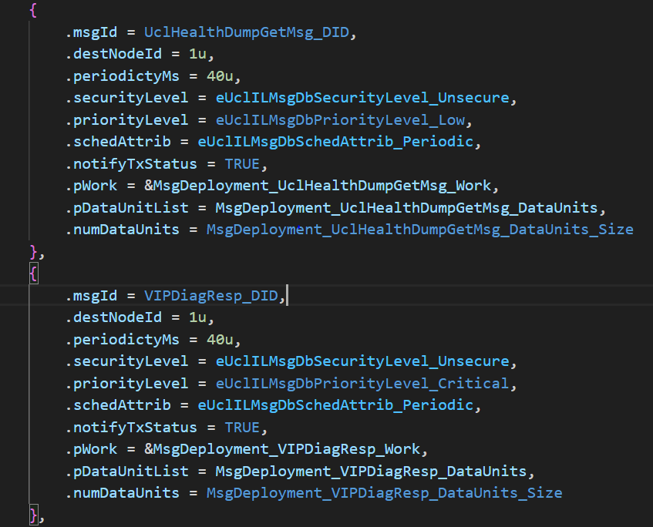
5 | ONWRITE_MSG_FROM_VP_TO_GP_ZERO_PERIODICITY | 1. Create the required CAN DataBase. 2. Create UCL Message Deployement with following configuration i). Message Scheduling type "OnWrite" ii).Periodicity = 0 ii). Tx Port "VIP_Ipcl" iv).Rx_Port "GIP_Ipcl" using UCL client tool. 3. Update the "UclGen_VmfAdapterIds.h" with appropriate Group & Event Id for this message. | 1. Get the CANoe / CANalyzer loaded with appropriate CAN DB and start. 2. Connect the VMF Analyzer to the target to monitor the messages from UCL. 3. Get the VIP & GIP up and running the latest UCL. 4. Send the CAN Signal associated with this UCL message from CANoe / CANalyzer. 5. Make sure the time interval between successive signal trigger is > 20ms(Rx Queue is not enabled) to ensure message reliability. 6. Verify the VMF Analyzer for the message with approprirate Group ID & Event ID . | 1.A new VMF message should be received for every attempt to send the CAN signal from VIP irrespective of the signal value. | pass | manual |  | psivaku7 | 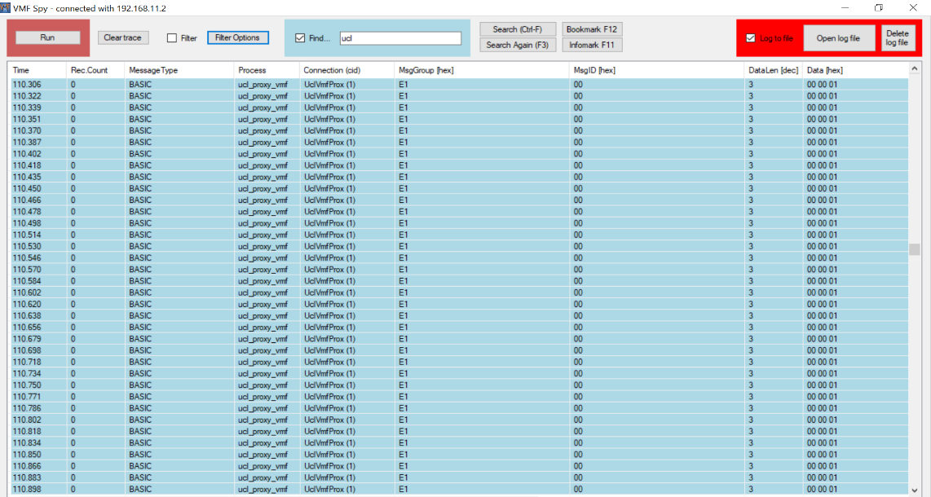
6 | ONWRITE_MSG_FROM_GP_TO_VP_ZERO_PERIODICITY | 1.Create UCL UCL Message Deployement with following configuration i). Message Scheduling type "OnWrite" ii).Periodicity = 0 ii). Tx Port "GIP_Ipcl" iv).Rx_Port "VIP_Ipcl" using UCL client tool. 3. Update the "UclGen_VmfAdapterIds.h" with appropriate Group & Event Id for this message. | 1. Connect the VMF Analyzer to the target. 2. Get the VIP & GIP up and running the latest UCL. 3. Set a break point in the callback associated with the respective DUs in UclILMsgDbRx of VIP. 4. Start the VMF basic message sender and send the required VMF message after updating the VMF Message name, Group ID , Event ID and Data in the message sender window. 5. The breakpoint should be hit if teh mesage is received successfully in VIP. 6. Make sure the time interval between successive message send is > 20ms(if Rx Queue is not enabled) to ensure message reliability 7. Each VMF Message is associated with a DU of a UCL Message. The Message received in VIP shall also be verified by placing break point in the VIP Task associated with this port in RTE. | 1.A new message should be received in VIP for every attempt to send the VMF message from GIP irrespective of the signal value. | pass | manual |  | psivaku7
7 | ONWRITE_MSG_WITH_MULTIPLE_DUS | 1. Create the required CAN DataBase. 2.Create UCL Message Deployment with following configuration i). Message Scheduling type "OnWrite" , ii).Periodicity = 0, ii). Tx Port "GIP_Ipcl", iv).Rx_Port "VIP_Ipcl", v). Create message deployment with multiple DUs using UCL client tool. | 1. Connect the VMF Analyzer to the target. 2. Get the VIP & GIP up and running the latest UCL. 3. Set a break point in the callback associated with the respective DUs in UclILMsgDbRx of VIP. 4. Start the VMF basic message sender and send the required VMF message after updating the VMF Message name, Group ID , Event ID and Data in the message sender window. 5. The breakpoint should be hit if teh mesage is received successfully in VIP. 6. Make sure the time interval between successive message send is > 20ms(if Rx Queue is not enabled) to ensure message reliability 7. Each VMF Message is associated with a DU of a UCL Message. The Message received in VIP shall also be verified by placing break point in the VIP Task associated with this port in RTE. | 1.A new message should be received in VIP for every attempt to send the VMF message from GIP irrespective of the signal value. | pass | manual |  | psivaku7 | 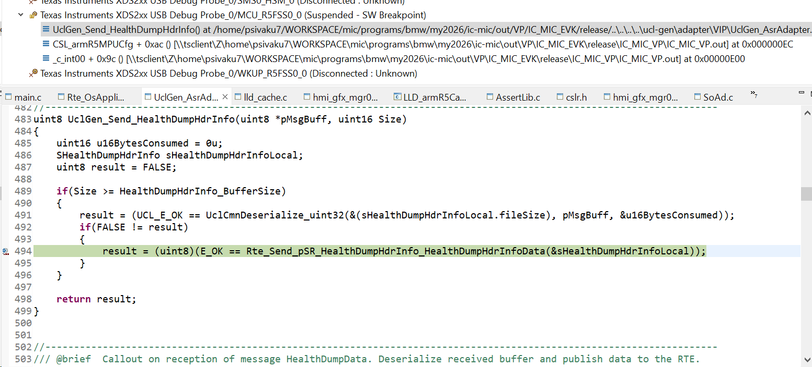 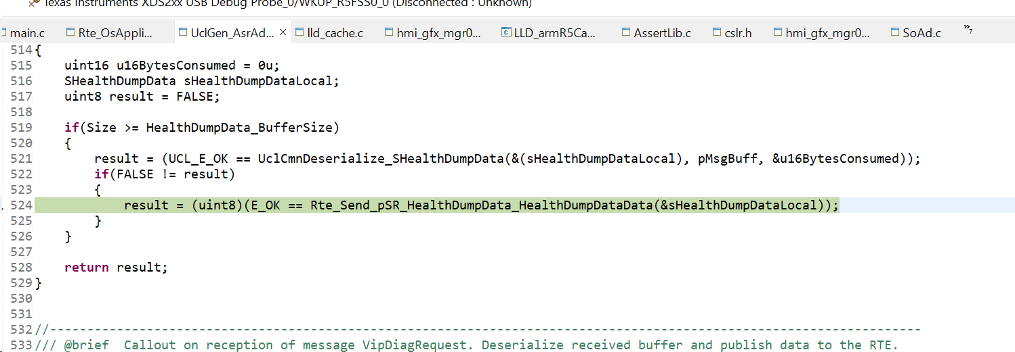
8 | ONWRITE_MSG_FROM_VP_TO_GP_AT_CONFIGURED_PERIODICITY | 1. Create the required CAN DataBase. 2. Create UCL Transmit Message Database with following configuration i). Message Scheduling type "OnWrite" ii).Periodicity > 20 ii). Tx Port "VIP_Ipcl" iv).Rx_Port "GIP_Ipcl" using UCL client tool. 3. Update the "UclGen_VmfAdapterIds.h" with appropriate Group & Event Id for this message. | 1. Get the CANoe / CANalyzer loaded with appropriate CAN DB and start. 2. Connect the VMF Analyzer to the target to monitor the messages from UCL. 3. Get the VIP & GIP up and running the latest UCL. 4. Send the CAN Signal associated with this UCL message from CANoe / CANalyzer. 5. Verify the VMF Analyzer for the message with approprirate Group ID & Event ID . | 1.A new VMF message should be received at configured period. Any signal changes within the configured period will be sent only on next message schedule time. | pass | manual |  | psivaku7 | 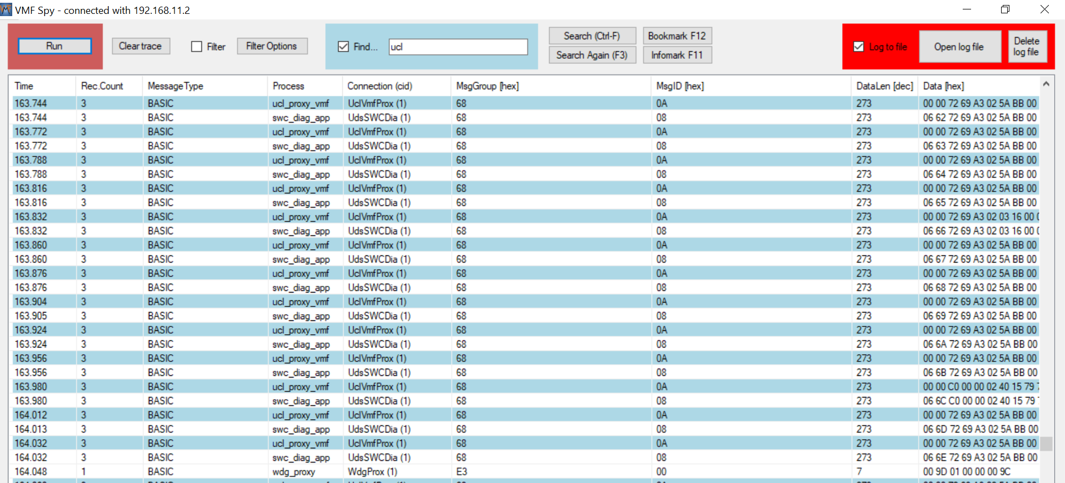 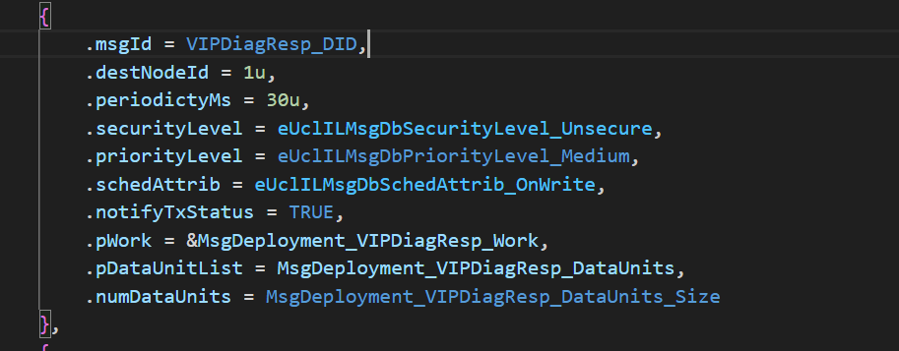
9 | ONWRITE_MSG_FROM_GP_TO_VP_AT_CONFIGURED_PERIODICITY | 1.Create UCL Transmit Message Database with following configuration i). Message Scheduling type "OnWrite" ii).Periodicity > 20 ii). Tx Port "GIP_Ipcl" iv).Rx_Port "VIP_Ipcl" using UCL client tool. 3. Update the "UclGen_VmfAdapterIds.h" with appropriate Group & Event Id for this message. | 1. Connect the VMF Analyzer to the target. 2. Get the VIP & GIP up and running the latest UCL. 3. Start the VMF basic message sender and send the required VMF message after updating the VMF Message name, Group ID , Event ID and Data in the message sender window. 5. Each VMF Message is associated with a DU of a UCL Message. Verify the message received in the VIP Task associated with this DU in the Receive Database of UCL in VIP. | 1.A new message should be received at configured period. 2. If there are multiple message sends within configured periodicity only the last write value will be sent in the next message schedule time. 3. Rx queue shall be enabled to ensure the receiption of all the message writes within the configured period. | pass | manual |  | psivaku7 | 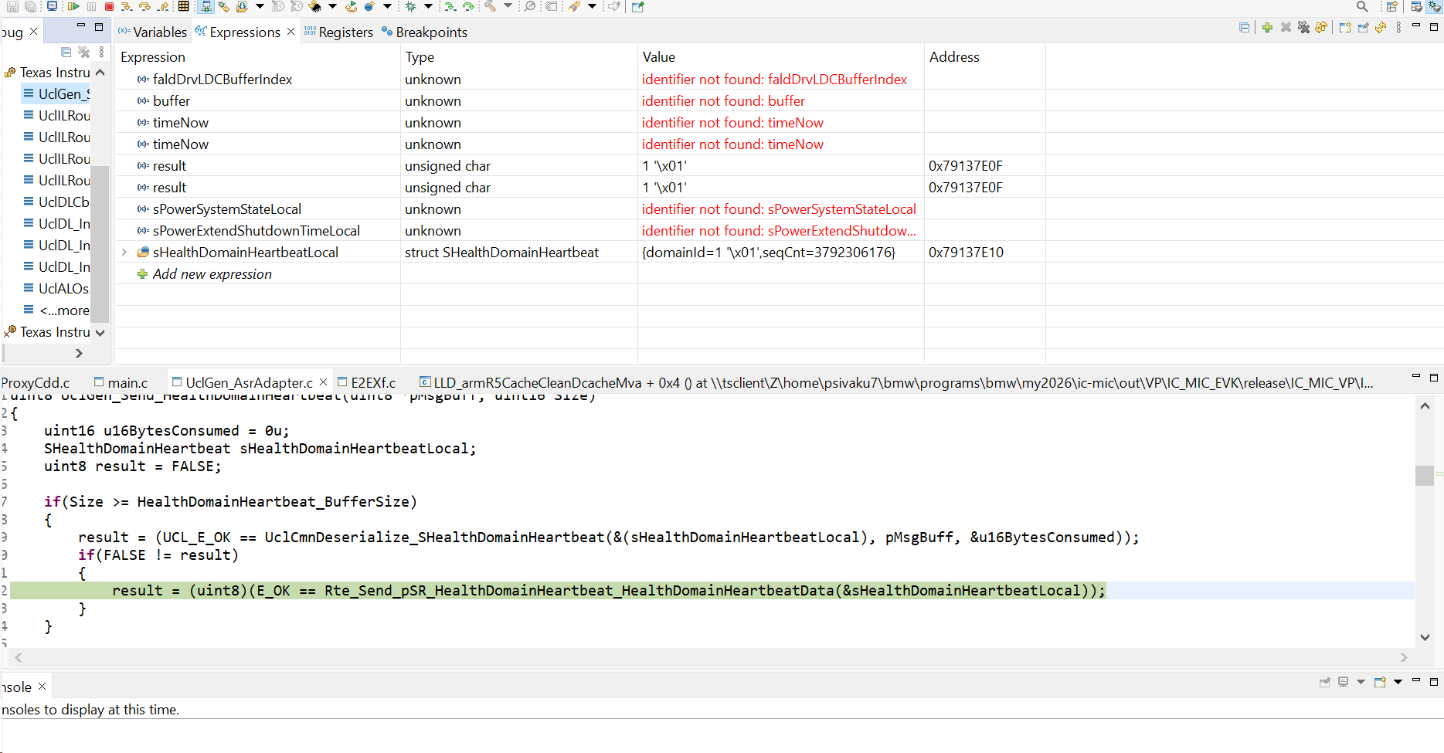
10 | ONCHANGE_MSG_FROM_VP_TO_GP_ZERO_PERIODICITY | 1. Create the required CAN DataBase. 2. Create UCL Transmit Message Database with following configuration i). Message Scheduling type "OnChange" ii).Periodicity = 0 ii). Tx Port "VIP_Ipcl" iv).Rx_Port "GIP_Ipcl" using UCL client tool. 3. Update the "UclGen_VmfAdapterIds.h" with appropriate Group & Event Id for this message. | 1. Get the CANoe / CANalyzer loaded with appropriate CAN DB and start. 2. Connect the VMF Analyzer to the target to monitor the messages from UCL. 3. Get the VIP & GIP up and running the latest UCL. 4. Send the CAN Signal associated with this UCL message from CANoe / CANalyzer. 5. Make sure the time interval between successive signal trigger is > 20ms(Rx Queue is not enabled) to ensure message reliability. 6. Verify the VMF Analyzer for the message with approprirate Group ID & Event ID . | 1.A new VMF message should be received only if the signal value changes between successive attempts. | Pass | manual |  | psivaku7 | 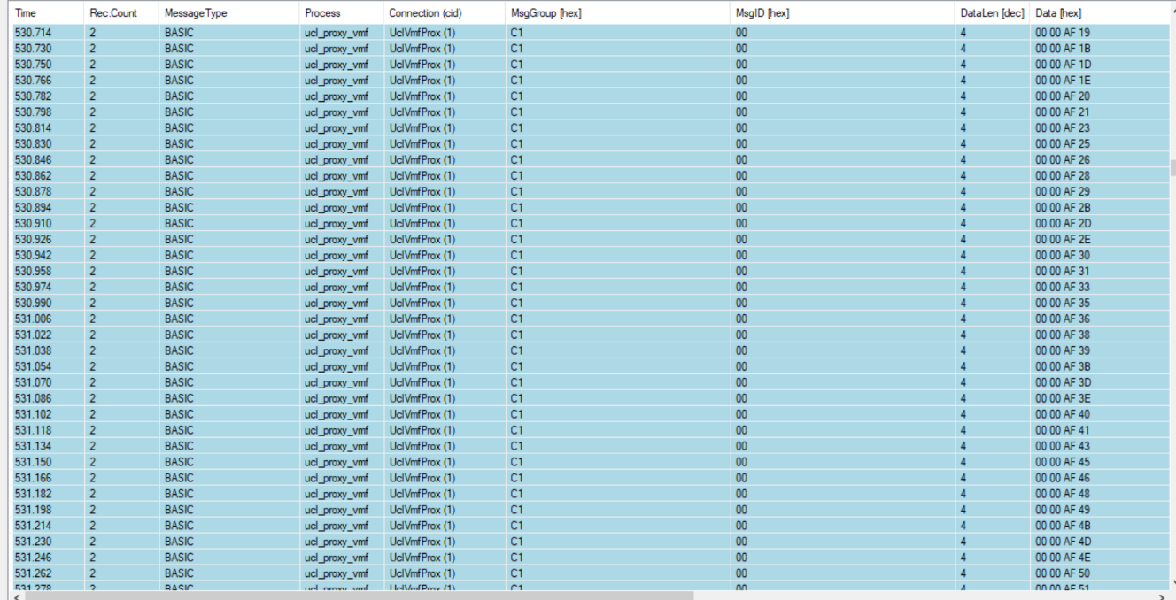 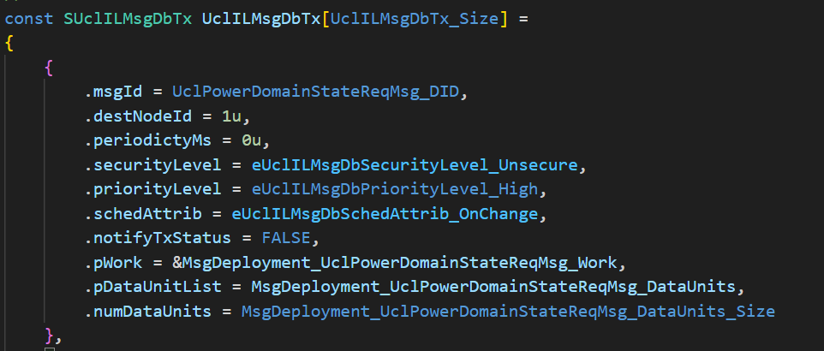
11 | ONCHANGE_MSG_FROM_GP_TO_VP_ZERO_PERIODICITY | 1.Create UCL Message Deployment with following configuration i). Message Scheduling type "OnChange" ii).Periodicity = 0 ii). Tx Port "GIP_Ipcl" iv).Rx_Port "VIP_Ipcl" using UCL client tool. 3. Update the "UclGen_VmfAdapterIds.h" with appropriate Group & Event Id for this message. | 1. Connect the VMF Analyzer to the target. 2. Get the VIP & GIP up and running the latest UCL. 3. Start the VMF basic message sender and send the required VMF message after updating the VMF Message name, Group ID , Event ID and Data in the message sender window. 4. Make sure the time interval between successive message send is > 20ms(Rx Queue is not enabled) to ensure message reliability 5. Each VMF Message is associated with a DU of a UCL Message. Verify the message received in the VIP Task associated with this DU in the Receive Database of UCL in VIP. | 1.A new message should be received only if the payload value changes between successive message send. | Pass | manual |  | psivaku7 | 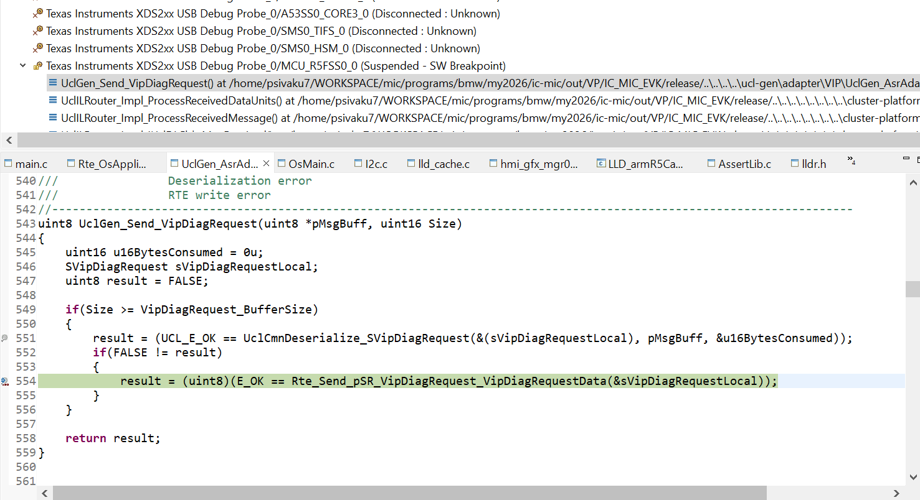 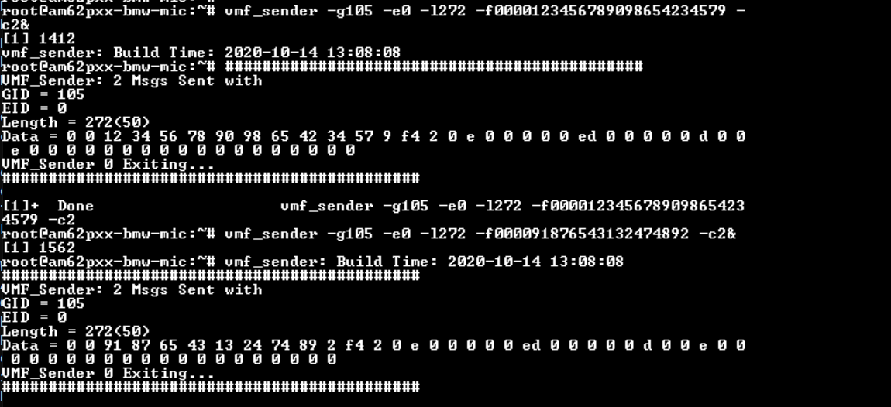
12 | ONCHANGE_MSG_WITH_MULTIPLE_DUS | 1. Create the required CAN DataBase. 2.Create UCL Message Deployment with following configuration i). Message Scheduling type "OnChange" , ii).Periodicity = 0, ii). Tx Port "GIP_Ipcl", iv).Rx_Port "VIP_Ipcl", v). Create message deployment with multiple DUs using UCL client tool. | 1. Connect the VMF Analyzer to the target. 2. Get the VIP & GIP up and running the latest UCL. 3. Set a break point in the callback associated with the respective DUs in UclILMsgDbRx of VIP. 4. Start the VMF basic message sender and send the required VMF message after updating the VMF Message name, Group ID , Event ID and Data in the message sender window. 5. The breakpoint should be hit if teh mesage is received successfully in VIP. 6. Make sure the time interval between successive message send is > 20ms(if Rx Queue is not enabled) to ensure message reliability 7. Each VMF Message is associated with a DU of a UCL Message. The Message received in VIP shall also be verified by placing break point in the VIP Task associated with this port in RTE. | 1.A new message should be received only if the payload value changes between successive message send. | Pass | manual |  | psivaku7 | 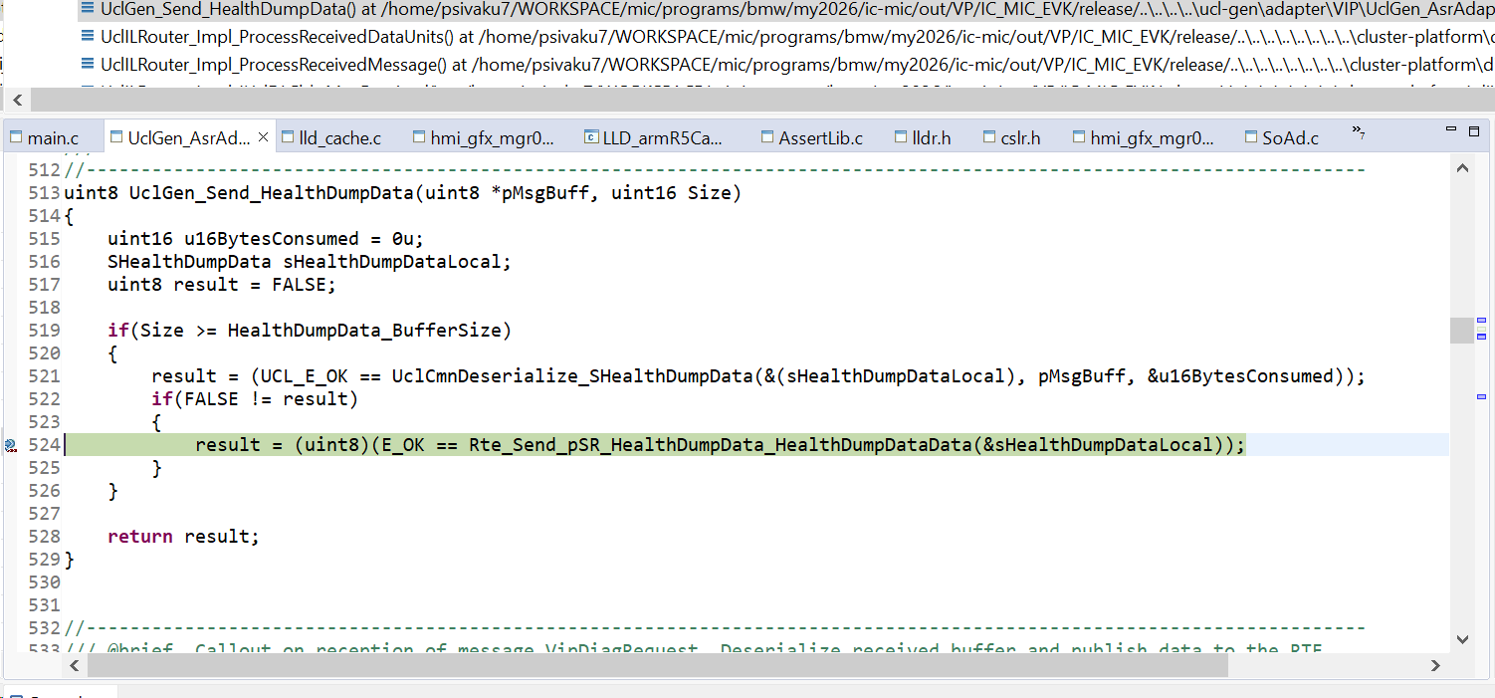
13 | ONCHANGE_MSG_FROM_VP_TO_GP_AT_CONFIGURED_PERIODICITY | 1. Create the required CAN DataBase. 2. Create UCL Message Deployment with following configuration i). Message Scheduling type "OnChange" ii).Periodicity = 50 ii). Tx Port "VIP_Ipcl" iv).Rx_Port "GIP_Ipcl" using UCL client tool. 3. Update the "UclGen_VmfAdapterIds.h" with appropriate Group & Event Id for this message. | 1. Get the CANoe / CANalyzer loaded with appropriate CAN DB and start. 2. Connect the VMF Analyzer to the target to monitor the messages from UCL. 3. Get the VIP & GIP up and running the latest UCL. 4. Send the CAN Signal associated with this UCL message from CANoe / CANalyzer. 5. Verify the VMF Analyzer for the message with approprirate Group ID & Event ID . | 1.A new VMF message should be received at configured period. Any signal changes within the configured period will be sent only on next message schedule time. 2. If there is no signal change between the successive attempts no message will be received. | pass | manual |  | psivaku7 | 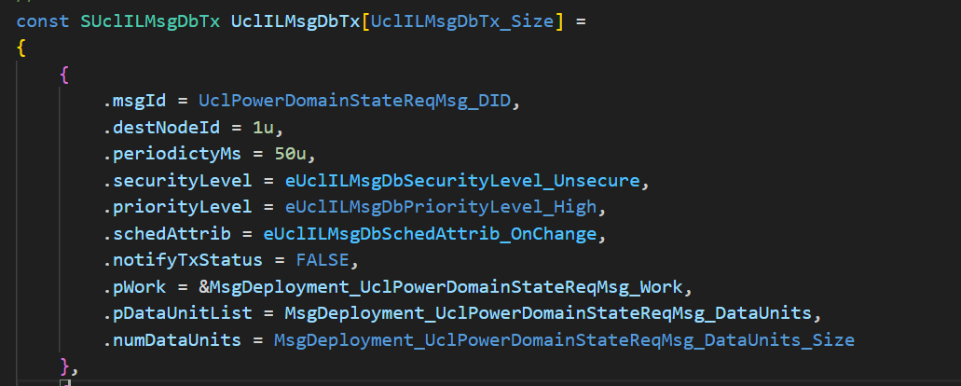 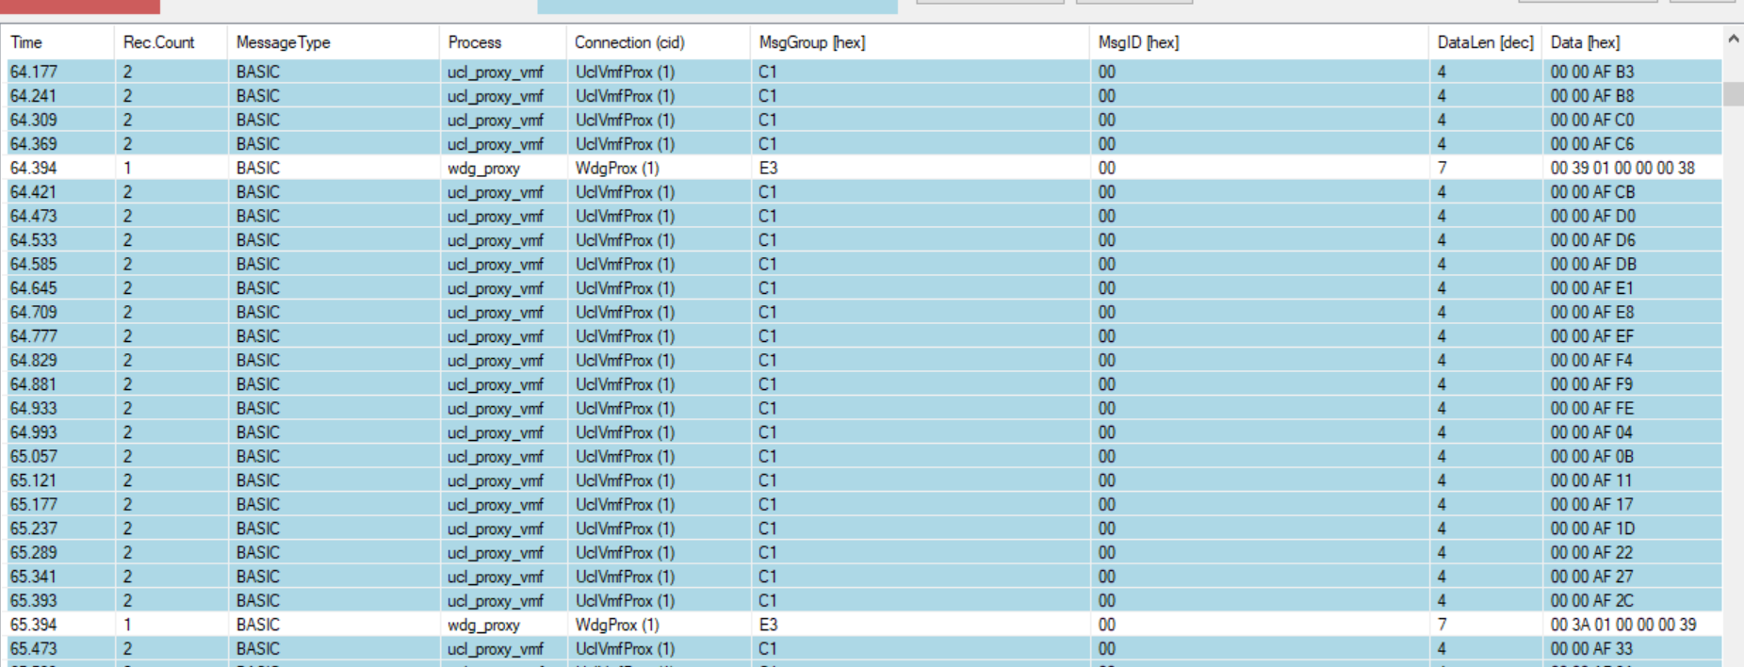
14 | ONCHANGE_MSG_FROM_GP_TO_VP_AT_CONFIGURED_PERIODICITY | 1.Create UCL Message Deployment with following configuration i). Message Scheduling type "OnChange" ii).Periodicity > 20 ii). Tx Port "GIP_Ipcl" iv).Rx_Port "VIP_Ipcl" using UCL client tool. 3. Update the "UclGen_VmfAdapterIds.h" with appropriate Group & Event Id for this message. | 1. Connect the VMF Analyzer to the target. 2. Get the VIP & GIP up and running the latest UCL. 3. Start the VMF basic message sender and send the required VMF message after updating the VMF Message name, Group ID , Event ID and Data in the message sender window. 5. Each VMF Message is associated with a DU of a UCL Message. Verify the message received in the VIP Task associated with this DU in the Receive Database of UCL in VIP. | 1.A new message should be received at configured period if the signal value changed between successive attempts. 2. If there are multiple message sends within configured periodicity only the last write value will be sent in the next message schedule time. 3. Rx queue shall be enabled to ensure the receiption of all the message writes within the configured period. | Pass | manual |  | psivaku7 | 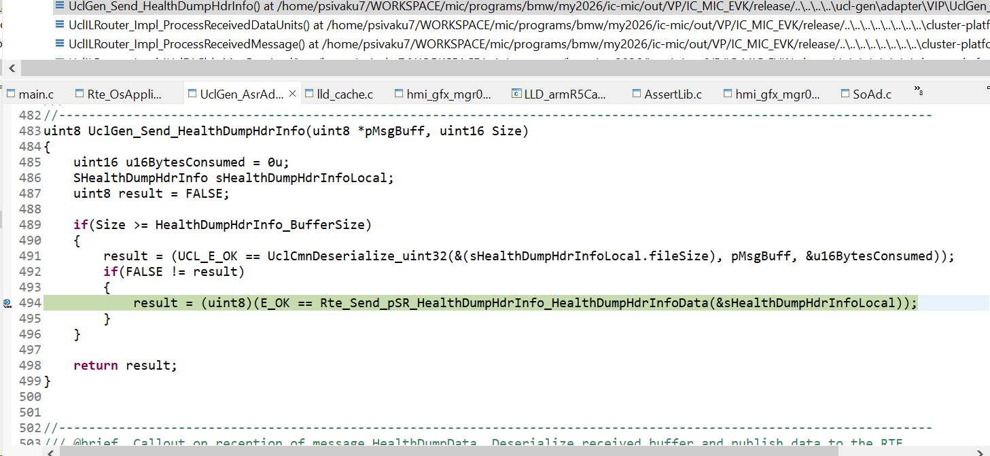
15 | UCL_HEART_BEAT_TEST | 1.Set "heartBeatTimerPeriodicityMs" = 250 ms in UclInstCfg in both VIP & GIP. 2. Stop sending all messages from CANoe and VMF basic message sender and other VMF Clients. 3. Make sure the periodicity of all "Periodic" type messages in UCL Tx database of both VIp & GIP is > 250. (This is done to ensure that heart beat messages are exchanged between VIP & GIP whenever there's no message transactions between end-end applications). | 1. Get the VIP & GIP up and running the latest UCL. 2.Watch the variables UclDLInst_0.stats.txHbMsgs & UclDLInst_0.stats.rxHbMsgs in VIP. | The Tx & Rx heart beat messages count should increase at configured periodicity. | Pass | manual |  | psivaku7 | 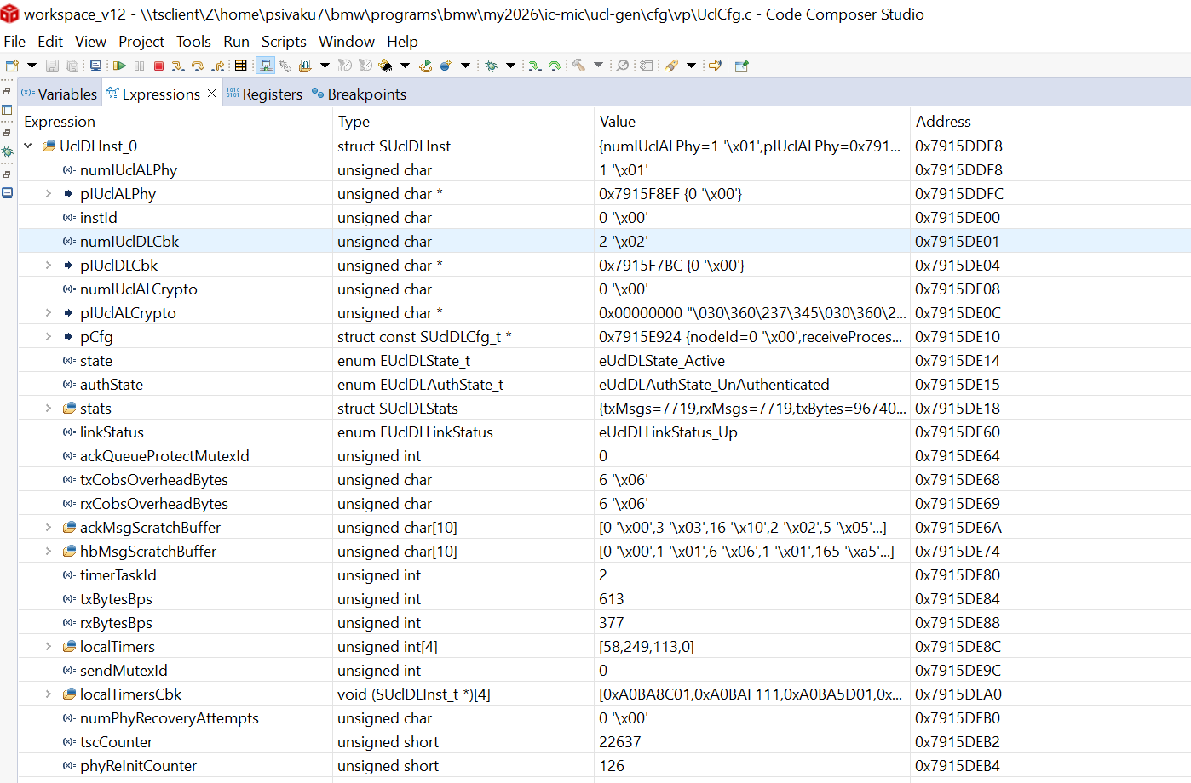
16 | UCL_LINK_UP_DOWN_NOTIFICATION_VIP | 1. Set "linkDownTimerPeriodicityMs" =1000 ms in UclInstCfg in VIP. | 1. Get the VIP & GIP up and running the latest UCL. 2.Watch the variable UclDLInst_0.linkStatus in VIP. 3. The value of "UclDLInst_0.linkStatus" should read "eUclDLLinkStatus_Up" if GIP is up and running. 4. Set the break point at "UclGen_Adapter_LinkStatusChanged" in VIP. 5. Kill the running "ucl_proxy_vmf" process in GIP. 6.Watch the variable UclDLInst_0.linkStatus in VIP when the breakpoint is hit. 7. The value of "UclDLInst_0.linkStatus" should read "eUclDLLinkStatus_Down" after 1000ms of killing "ucl_proxy_vmf". 8. Now run the VIP and re-launch the "ucl_proxy_vmf" process in GIP. 9.Watch the variable UclDLInst_0.linkStatus in VIP when the breakpoint is hit. 10. Now, The value of "UclDLInst_0.linkStatus" should read "eUclDLLinkStatus_Up". | The UclDLInst_0.linkStatus should be updated appropriately | pass | manual |  | psivaku7
17 | UCL_LINK_UP_DOWN_NOTIFICATION_GIP | 1. Set "linkDownTimerPeriodicityMs" =1000 ms in UclInstCfg in GIP. 2. Update the Group ID and Event ID for Gx_Ucl_Link_Status_Rx and Ex_Ucl_Link_Status_Rx in UclGen_VmfAdaptersIds.h | 1. Connect the VMF Analyzer to the target. 2. Get the VIP & GIP up and running the latest UCL. 3. Now stop the VIP using debugger. 4. Check the Message received in the VMF Analyzer with the configured Group Id & Event Id with payload value 0x33 (for Link_Down) 5. Run the VIP through the debugger. 6. Check the Message received in the VMF Analyzer with the configured Group Id & Event Id with payload value 0x32 (for Link_Up). | VMF Message for UCL Link Down & Link Up should be received | pass | manual |  | psivaku7
18 | UCL_TX_NOTIFICATION_VIP | 1. Create the required CAN DataBase. 2.Create UCL Message Deployment for VIP with following configuration i). Message Scheduling type "Periodic" ii).Periodicity = 50 ii). Tx Port "VIP_Ipcl" iv).Rx_Port "GIP_Ipcl" v). Check Tx Status Notify using UCL client tool. 3. Update the "UclGen_VmfAdapterIds.h" with appropriate Group ID & Event ID for this message. | 1. Get the CANoe / CANalyzer loaded with appropriate CAN DB and start. 2. Connect the VMF Analyzer to the target to monitor the messages from UCL. 3. Set the break point at "UclGen_Adapter_MessageTransmitStatus " 4. Get the VIP & GIP up and running the latest UCL. 5. UCL in VIP will send this message for every 50 ms 6.Verify the VMF Analyzer for the message with approprirate Group ID & Event ID . 7. Verify the "MsgId" & "Status" when the break point is hit. | The "Status" in "UclGen_Adapter_MessageTransmitStatus" shall read 27 - UCL_E_MSG_ACK / 28 - UCL_E_MSG_NACK / 29- UCL_E_MSG_ACK_TMO | Pass | manual |  | psivaku7 | 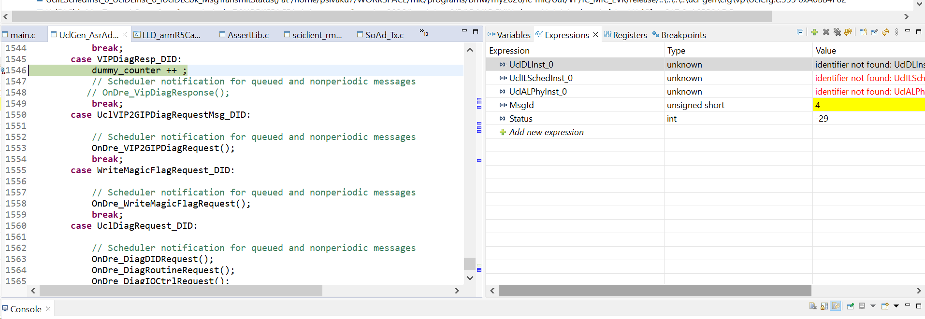
19 | UCL_TX_NOTIFICATION_GIP | 1. Create the required CAN DataBase. 2.Create UCL Message Deployment for GIP with following configuration i). Message Scheduling type "Periodic" ii).Periodicity >20 ii). Tx Port "GIP_Ipcl" iv).Rx_Port "VIP_Ipcl" v). Check Tx Status Notify using UCL client tool. 3. Update the Group & Event Id of the respective message in Gx_XXXX_Ack_Rx & Ex_XXXX_Ack_Rx in "UclGen_VmfAdapterIds.h". | 1. Connect the VMF Analyzer to the target. 2. Get the VIP & GIP up and running the latest UCL. 3. Start the VMF basic message sender and Send the required VMF message after updating the VMF Message name, Group ID , Event ID and Data in the message sender window. 4. Each VMF Message is associated with a DU of a UCL Message. Verify the message received in the VIP Task associated with this DU in the Receive Database of UCL in VIP. 5. Verify the VMF Analyzer for the transmit status message with approprirate Group ID & Event ID . | The payload field of the received message shall read 27 - UCL_E_MSG_ACK / 28 - UCL_E_MSG_NACK / 29- UCL_E_MSG_ACK_TMO | Pass | manual |  | psivaku7 | 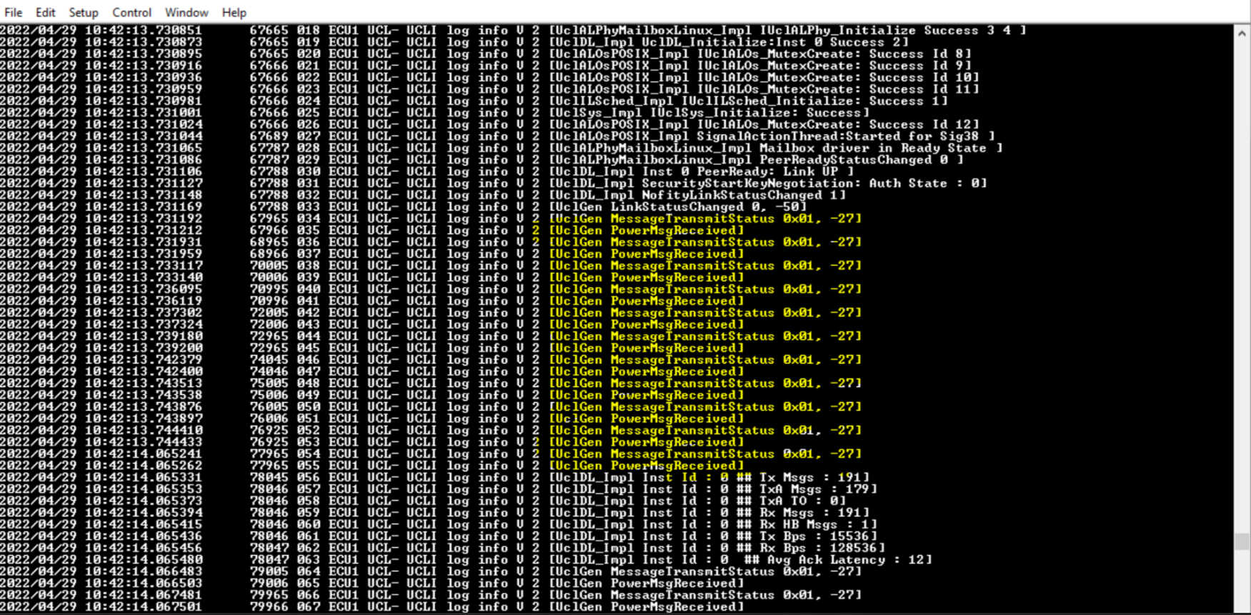 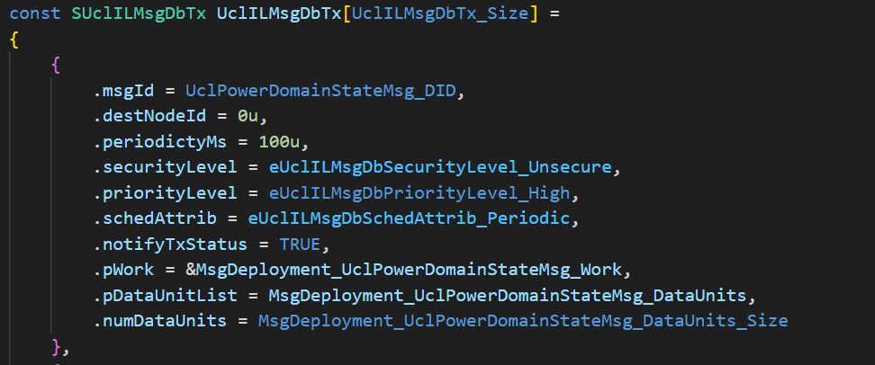
20 | UCL_RX_MISSING_NOTIFICATION_VIP | 1. Create the required CAN DataBase. 2.Create UCL Message Deployment for GIP with following configuration i). Message Scheduling type "Periodic", ii).Periodicity = 50 , ii). Tx Port "GIP_Ipcl", iv).Rx_Port "VIP_Ipcl", v). Check Rx Missing Notify, vi). Timeout > Periodicity using UCL client tool. | 1. Get the CANoe / CANalyzer loaded with appropriate CAN DB and start. 2. Get the VIP & GIP up and running the latest UCL. 3. Set the break point at "UclGen_Adapter_ReceiveMissingStatus " 4. Start the VMF basic message sender and send the appropriate message at configured periodicity from GIP. 5. As long as the messages are received in the VIP at configured periodicity the break point should not be hit. 6. Stop sending the message from GIP. 7. Break point should hit. 8. Verify the "MsgId" and "Status" in "UclGen_Adapter_ReceiveMissingStatus". | The "Status" in "UclGen_Adapter_ReceiveMissingStatuss" shall read 26 - UCL_E_MSG_MISSING | Not Tested |  | Not possible to test | psivaku7
21 | UCL_RX_MISSING_NOTIFICATION_GIP | 1. Create the required CAN DataBase. 2. Create UCL Message Deployment for VIP with following configuration i). Message Scheduling type "Periodic", ii).Periodicity >20, ii). Tx Port "VIP_Ipcl", iv).Rx_Port "GIP_Ipcl", v). Check Rx Missing Notify, vi). Timeout = (Periodicity + 50) using UCL client tool. 3. Update the Group & Event Id of the respective message in Gx_XXXX_Rx & Ex_XXXX_Rx and Group Id & Event Id of message missing status in Gx_XXXX_MsgMissing_Rx & Ex_XXXX_MsgMissing_Rx in "UclGen_VmfAdapterIds.h". | 1. Get the CANoe / CANalyzer loaded with appropriate CAN DB and start. 2. Connect the VMF Analyzer to the target. 3. Get the VIP & GIP up and running the latest UCL. 4. Keep sending the appropriate message at configured periodiciy from CANoe / CaNalyzer. 5. Verify the VMF Analyzer for the messages with group Id and Event Id configured in Gx_XXXX_Rx & Ex_XXXX_Rx . 6.Stop sending the messages from CANoe. 7. Verify the VMF Analyzer for the messages with Group Id and Event Id configured in Gx_XXXX_MsgMissing_Rx & Ex_XXXX_MsgMissing_Rx. | The payload of the VMF message with GroupId & Event Id configured in Gx_XXXX_MsgMissing_Rx & Ex_XXXX_MsgMissing_Rx should read 26 - UCL_E_MSG_MISSING | Not Tested |  | Not possible to test | psivaku7
22 | ONWRITE_MSG_FROM_VP_TO_GP_WITH_RX_Q | 1. Create the required CAN DataBase. 2. Create UCL Message Deployement with following configuration i). Message Scheduling type "OnWrite" , ii).Periodicity = 0 , ii). Tx Port "VIP_Ipcl", iv).Rx_Port "GIP_Ipcl", v).Rx Queue = 10(This the required queue size. Choose the size considering the Message Deployment size and memory availability of the target). using UCL client tool. 3. Update the "UclGen_VmfAdapterIds.h" with appropriate Group & Event Id for this message. | 1. Get the CANoe / CANalyzer loaded with appropriate CAN DB and start. 2. Connect the VMF Analyzer to the target to monitor the messages from UCL. 3. Get the VIP & GIP up and running the latest UCL. 4. Send the CAN Signal associated with this UCL message from CANoe / CANalyzer. 5. Verify the VMF Analyzer for the message with approprirate Group ID & Event ID . | 1.A new VMF message should be received for every attempt to send the CAN signal from VIP irrespective of the signal value. 2. Verify the received payload in VMF Analyzer for all the the signal changes transmited by VIP. | pass | manual |  | psivaku7 | 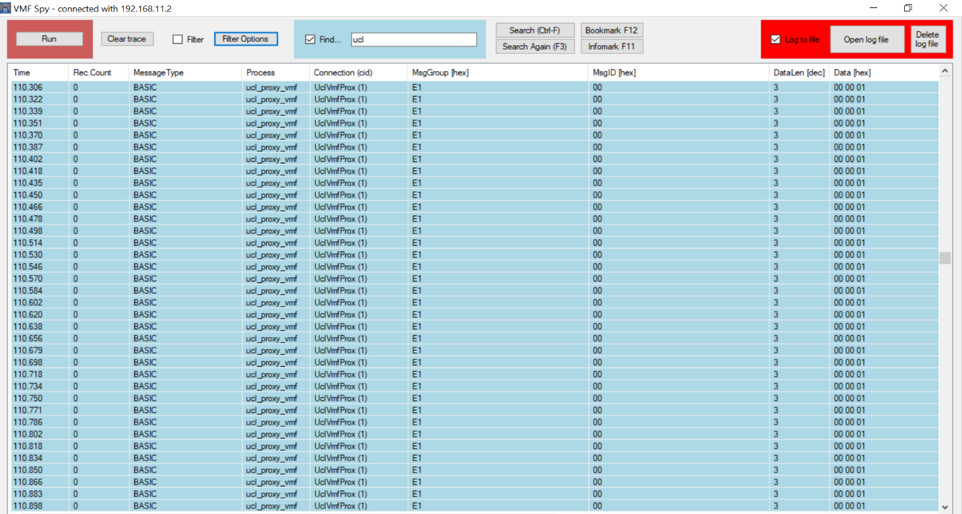 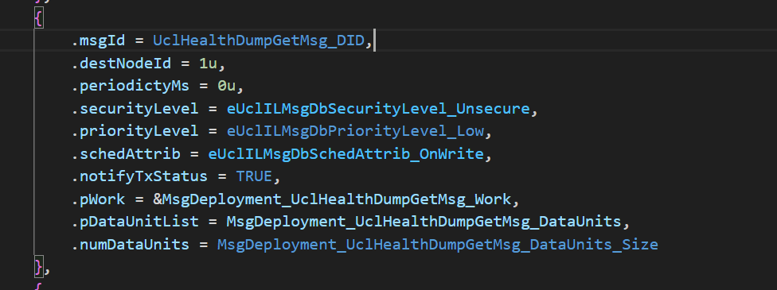
23 | ONWRITE_MSG_FROM_GP_TO_VP_WITH_RX_Q | 1. Create UCL Message Deployement with following configuration i). Message Scheduling type "OnWrite" , ii).Periodicity = 0 , ii). Tx Port "GIP_Ipcl", iv).Rx_Port "VIP_Ipcl", v).Rx Queue = 10(This the required queue size. Choose the size considering the Message Deployment size and memory availability of the target). using UCL client tool. 3. Update the "UclGen_VmfAdapterIds.h" with appropriate Group & Event Id for this message. | 1. Get the VIP & GIP up and running the latest UCL. 2. Start the VMF basic message sender and send the required VMF message after updating the VMF Message name, Group ID , Event ID and Data in the message sender window. 3. Each VMF Message is associated with a DU of a UCL Message. Verify the message received in the VIP Task associated with the receiption of this DU in VIP. | 1.A new message should be received for every attempt to send the VMF message from GIP irrespective of the signal value. 2. Verify the received payload in VIP for all the VMF messages transmited by GIP. | Pass | manual |  | psivaku7 | 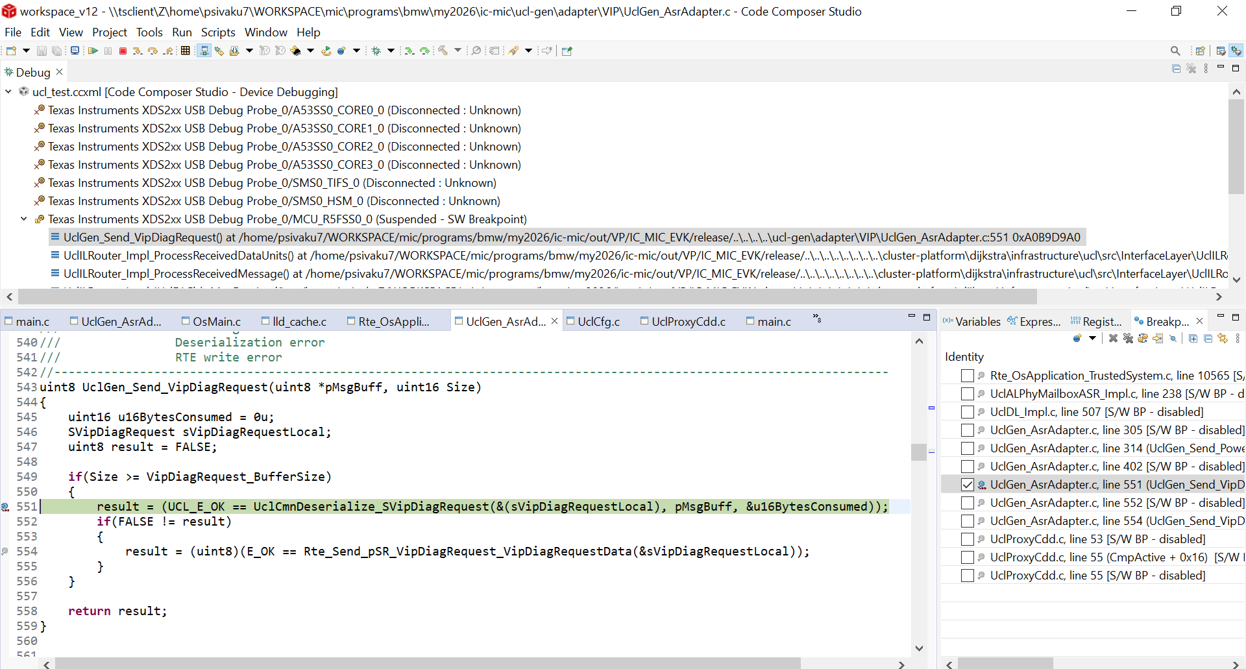
24 | UCL_ERROR_NOTIFICATION_VIP | 1. Set "linkDownTimerPeriodicityMs" =1000 ms in UclInstCfg inVIP. 2. Set "maxPhyRecoveryAttempts" to 10 (any value < 255) in UclInstCfg in both VIP. 3. Set "timerTaskPeriodicityMs" >= 4 in UclInstCfg in both VIP. | 1. Get the VIP & GIP up and running the latest UCL. 2. Set the break point at "UclGen_Adapter_ErrorNotification" in VIP. 3. Kill the running "ucl_proxy_vmf" process in GIP. 4. Dont to launch the "ucl_proxy_vmf" process until the break point is hit. 5. Run the VIP using Debugger. 6. After the ErrorNotification, UCL will go to Shut down mode. UCL should be Re-Initialized for the UCL communication to resume. | 1. Verify that the break point is hit after 10 recovery attempts ~ (linkDownTimerPeriodicityMs + (maxPhyRecoveryAttempt * timerTaskPeriodicityMs) = 1040 ms). 2. Monitor the following variable in watch window UclILSchedInst_0->isInitialized = 0, UclDLInst_0->state = eUclDLState_Shutdown, UclALPhyInst_0->peerReadyState = eUclALPhyPeerReadyStatus_NotReady | pass | manual |  | psivaku7
25 | UCL_ERROR_NOTIFICATION_GIP | 1. Set "linkDownTimerPeriodicityMs" =1000 ms in UclInstCfg in GIP. 2. Set "maxPhyRecoveryAttempts"to any value < 255 in UclInstCfg in both GIP. 3. Set "timerTaskPeriodicityMs" >= 4 in UclInstCfg in both GIP. 4. Create a group id and event id for Gx_Ucl_Error_Notify_Rx and Ex_Ucl_Error_Notify_Rx in UclGen_VmfAdaptersIds.h | 1. Connect the VMF Analyzer to the target. 2. Get the VIP & GIP up and running the latest UCL. 3. Now stop the VIP using debugger. 4. Check the Message received in the VMF Analyzer with the configured Group Id & Event Id with payload value 7 (for Fatal Error) 5. Run the VIP through the debugger. 6. The VMF Message corresponding to UCL Error Notification should be stopped | The payload field of the received message with Group ID & Event ID configured in "Gx_Ucl_Error_Notify_Rx" and "Ex_Ucl_Error_Notify_Rx" shall read 7 - FatalError / 8 - Security Violation. Time Synchronized Counter mismatch / 9 - Security Violation. CMAC mismatch / 10 - Security Violation. Key negotiation failed. | tested | manual |  | psivaku7 | 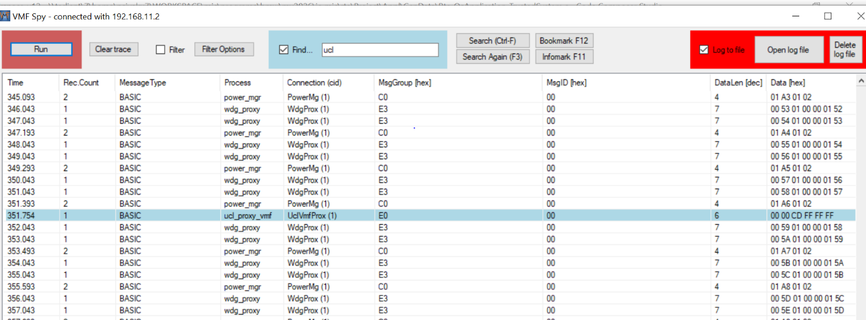 2's complement of F9 is -7
26 | RE-ESTABLISH_COMMUNICATION_IF_LINK_IS_RESUMED_BEFORE_MAX_PHY_RETRIES | 1. Set "linkDownTimerPeriodicityMs" =1000 ms in UclInstCfg in VIP. 2. Set "maxPhyRecoveryAttempts"to any value < 255 in UclInstCfg in both GIP. 3. Set "phyRetryTimeIntervalMs" = 200 in UclInstCfg in both VIP &GIP. 4. Create a group id and event id for Gx_Ucl_Link_Status_Rx Ex_Ucl_Link_Status_Rx Gx_Ucl_Error_Notify_Rx and Ex_Ucl_Error_Notify_Rx in UclGen_VmfAdaptersIds.h | 1. Connect the VMF Analyzer to the target. 2. Get the VIP & GIP up and running the latest UCL. 3. Now stop the VIP using debugger. 4. Check the Message received in the VMF Analyzer with the configured Group Id & Event Id with payload value -51 (for Link_Down) . 5. Run the VIP through the debugger. 6. Check the Message received in the VMF Analyzer with the configured Group Id & Event Id with payload value -50 (for Link_Up). 7. Check the UCL Data Messages are received after Link Up. | Communication should be resumed after successive Link Down / Up | pass | manual |  | psivaku7 | 2's complement of CD is -51, and CE is -50
27 | Long Run Testing | Update the test clients inVIP & GIP and ensure Test clients pushes UCL Messages in Tx Database in both VIP & GIP. | Enable the UCL Statistics print and make sure UclTest clients pushes test UCL messages to UCL in both VIP & GIP. | 1.The coomunication should be stable in both VIP & GIP. 2.The Tx & Rx Msgs in UCL statistics should keep increasing 3.Ack Latency should be less than 20 ms. 4. There should be any Tx Ack Timeouts (TxA TO). | pass | manual |  | psivaku7
28 | ONCHANGE_MSG_FROM_VP_TO_GP_WITH_RX_QUEUE | 1. Create the required CAN DataBase. 2. Create UCL Transmit Message Database with following configuration i). Message Scheduling type "OnChange" ii).Periodicity = 10 ii). Tx Port "VIP_Ipcl" iv).Rx_Port "GIP_Ipcl" v). Rx Queue = 10. using UCL client tool. 3. Update the "UclGen_VmfAdapterIds.h" with appropriate Group & Event Id for this message. 4. Ensure the rate at which the signals transmitted from CAN scripts doents cause RTE queue overflow. 5.Rx Queue size shall be chosen to match the En-Queue & De-Queue rate so that no Queue overflow happens. | 1. Get the CANoe / CANalyzer loaded with appropriate CAN DB and start simulation. 2. Connect the VMF Analyzer to the target to monitor the messages from UCL. 3. Get the VIP & GIP up and running the latest UCL. 4. Send the CAN Signal associated with this UCL message from CANoe / CANalyzer. 5. Verify the VMF Analyzer for the message with approprirate Group ID & Event ID . | 1.All the signal changes transmitted by CAN script should be received in the VMF Analyser. 2. No two consecutive VMF messages should have the same payload values. | Not Tested |  | No Client Tool | psivaku7
29 | ONCHANGE_MSG_FROM_GP_TO_VP_WITH_RX_QUEUE | 1. Create the required CAN DataBase. 2. Create UCL Transmit Message Database with following configuration i). Message Scheduling type "OnChange" ii).Periodicity = 10 ii). Tx Port "GIP_Ipcl" iv).Rx_Port "VIP_Ipcl" v). Rx Queue = 10. using UCL client tool. 3. Update the "UclGen_VmfAdapterIds.h" with appropriate Group & Event Id for this message. 4. Ensure the rate at which the VMF messages transmitted by VMF clients doesnt cause RTE queue overflow. 5.Rx Queue size shall be chosen to match the En-Queue & De-Queue rate so that no Queue overflow happens. | 1. Get the CANoe / CANalyzer loaded with appropriate CAN DB and start simulation. 2. Connect the VMF Analyzer to the target to monitor the messages from UCL. 3. Get the VIP & GIP up and running the latest UCL. 4. Send the VMF Message associated with this UCL message from VMF Client. 5. Verify the received messages in VIP to ensure messages are received in correct order & payload values. | 1.All the VMF messages transmitted by VMF client should be received in VIP. 2. No two consecutive VMF messages have the same payload values should be received in VIP. | Pass | manual |  | psivaku7 | 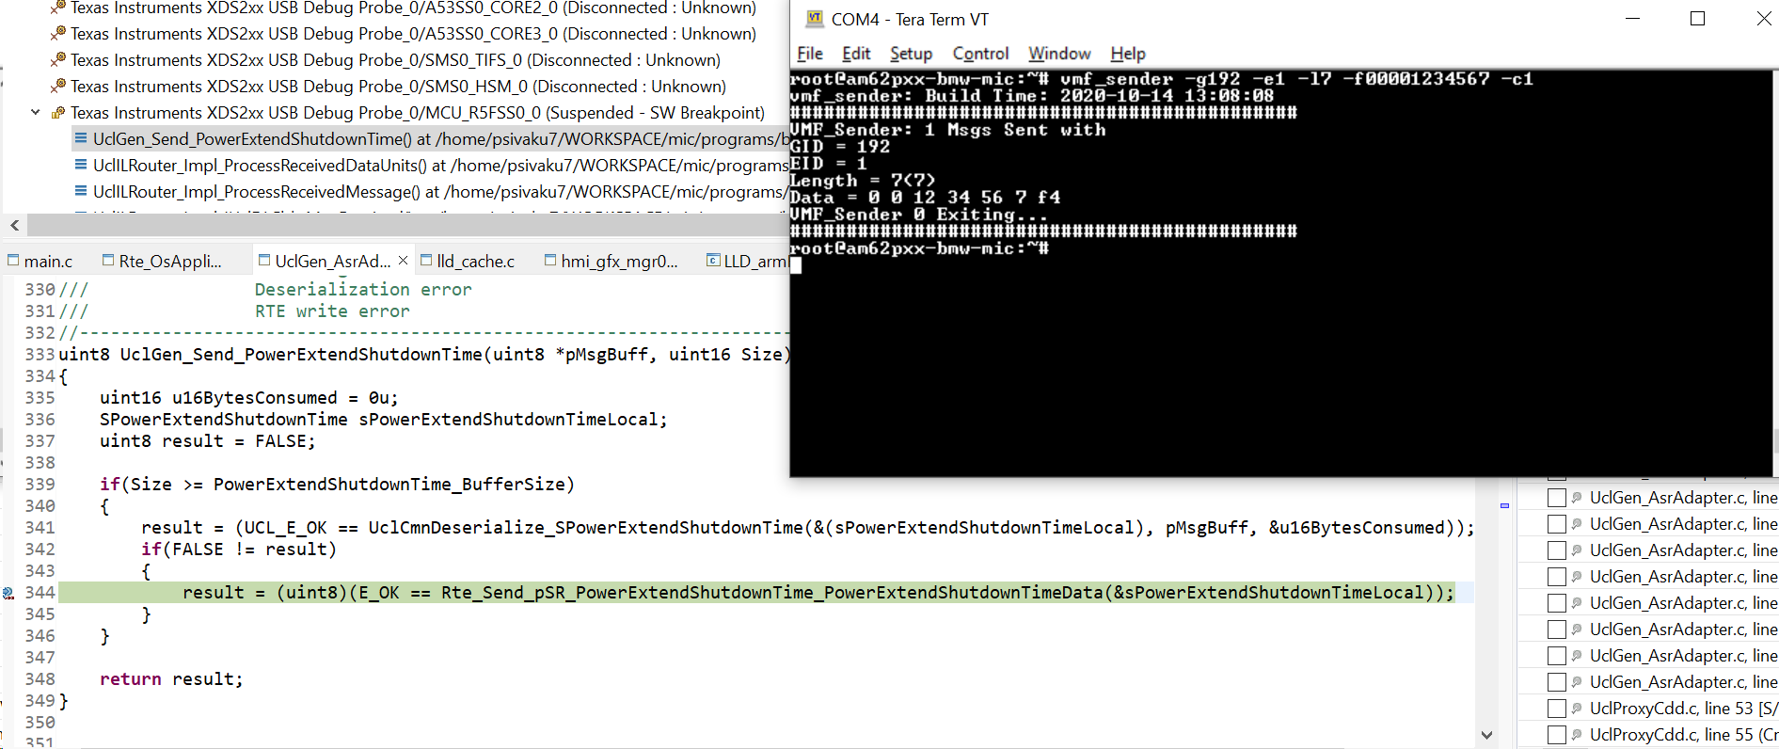 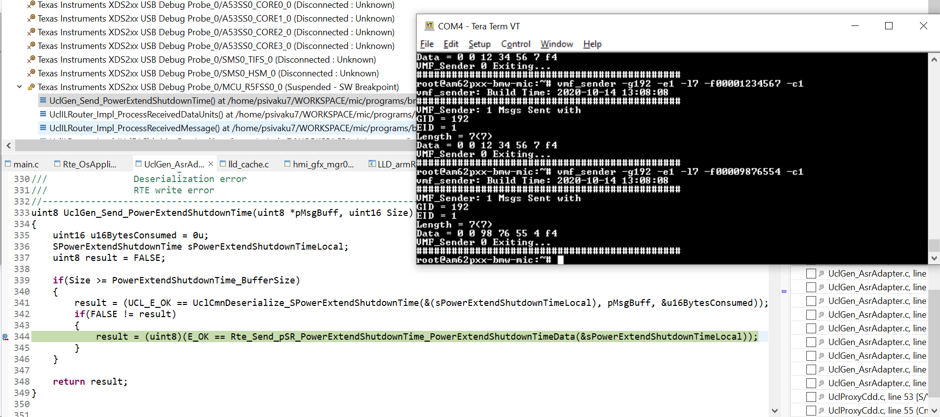 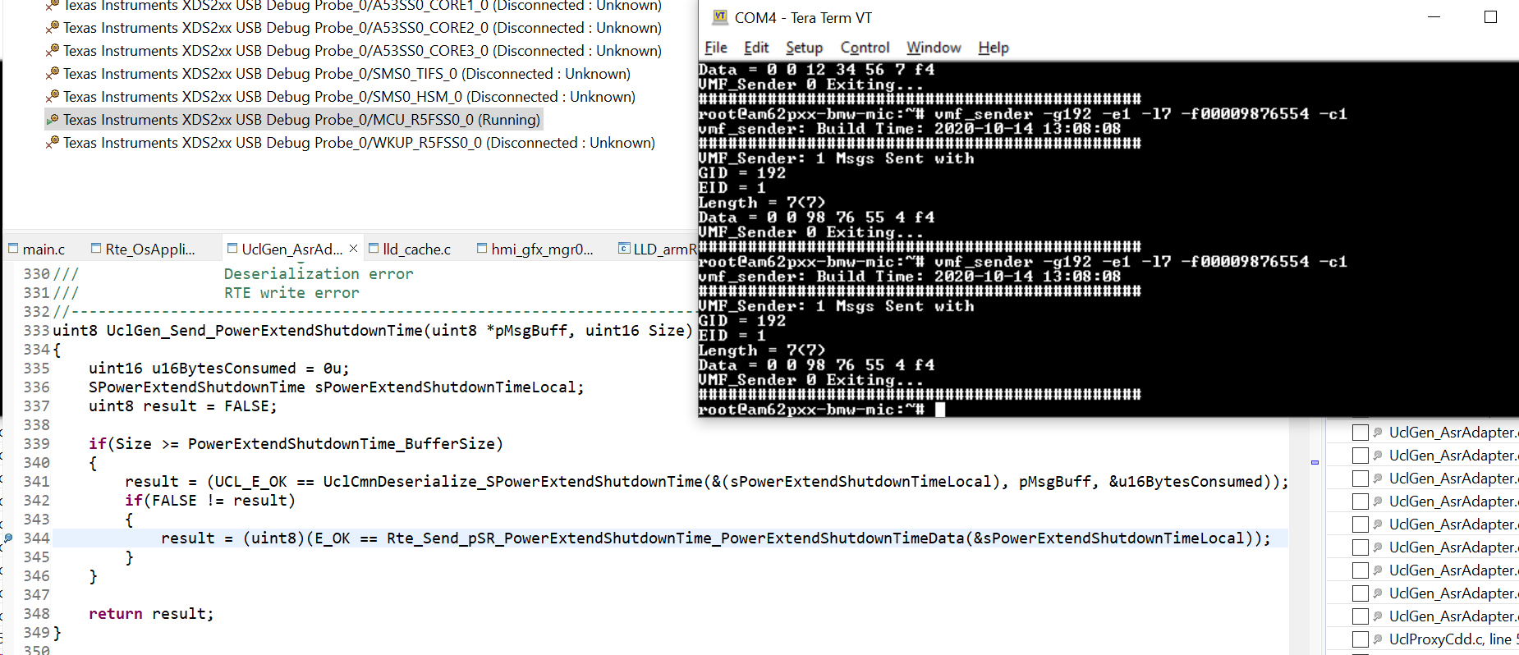
31 | UCL root less execution | 1. Launch VMF in root less mode with the command "on -u 200:2000 /usr/bin/vmf". | 1. Launch ucl_proxy_vmf with the command line argument -U "on ucl_proxy_vmf -U 202:2002,2000" (User Id of UCL is 202, Group Id of UCL is 2002 and VMF Group Id is 2000) | 1. Execute the command "pidin user" and ensure if VMF & UCL runs with the expected user and group ids. 61459 usr/bin/vmf 200 2000 200 2000 200 2000 69652 /bin/ucl_proxy_vmf 202 2002 202 2002 202 2002 2000 2. Monitor UCL Startup log and ensure there's no error in UCL Initialization and communication started successfully. IUclSys_Initialize: Success IUclALOs_MutexCreate: Success Id 11 MU Ready State PeerReadyStatusChanged 0 Inst 0 PeerReady: Link UP SecurityStartKeyNegotiation: Auth State : 0 NofityLinkStatusChanged 1 LinkStatusChanged 0, -50 MUs locked. Transfer started MUs In Lock, 2 - 2 Inst Id : 0 ## Tx Msgs : 12 Inst Id : 0 ## TxA Msgs : 0 Inst Id : 0 ## TxA TO : 0 Inst Id : 0 ## Rx Msgs : 12 Inst Id : 0 ## Rx HB Msgs : 1 Inst Id : 0 ## Tx Bps : 1240 Inst Id : 0 ## Rx Bps : 664 Inst Id : 0 ## Avg Ack Latency : 13 | Not tested |  | NA | irajendr

SPI Abstraction
 | Tested on | FORD PDC
 | SW | Message Catalog v20

Test case no. | Test Description | Pre-test condition: | Test Operation | Outputs/Verifications | Pass / Fail | Mode of | Comments | Test Engineer cds id
 |  |  |  |  |  | Testing
1 | PERIODIC_MSG_FROM_VP_TO_GP | 1. Create the required CAN DataBase. 2. Create UCL Message Deployment with following configuration i). Message Scheduling type "Periodic" ii).Periodicity >20 ii). Tx Port "VIP_Ipcl" iv).Rx_Port "GIP_Ipcl" using UCL client tool. 3. Update the "UclGen_VmfAdapterIds.h" with appropriate Group & Event Id for this message. | 1. Get the CANoe / CANalyzer loaded with appropriate CAN DB and start. 2. Connect the VMF Analyzer to the target to monitor the messages from UCL. 3. Get the VIP & GIP up and running the latest UCL. 4. Verify the VMF Analyzer for the message with approprirate Group ID & Event ID . | 1.The message should be received at configured periodicity and payload. 2. If there are multiple signal changes within the configured periodicity only the signal value at the message schedule time will be sent. 3. Rx queue shall be enabled to ensure the receiption of all the signal changes within the configured period. | Pass | manual |  | MGANGAR1
2 | PERIODIC_MSG_FROM_GP_TO_VP | 1.Create UCL Message Deployment with following configuration i). Message Scheduling type "Periodic" ii).Periodicity >20 ii). Tx Port "GIP_Ipcl" iv).Rx_Port "VIP_Ipcl" using UCL client tool. 3. Update the "UclGen_VmfAdapterIds.h" with appropriate Group & Event Id for this message. | 1. Connect the VMF Analyzer to the target. 2. Get the VIP & GIP up and running the latest UCL. 3. Start the VMF basic message sender and Send the required VMF message after updating the VMF Message name, Group ID , Event ID and Data in the message sender window. 4. Each VMF Message is associated with a DU of a UCL Message. Verify the message received in the VIP Task associated with this DU in the Receive Database of UCL in VIP. | 1.The message should be received at configured periodicity and payload. 2. If there are multiple signal changes within the configured periodicity only the signal value at the message schedule time will be sent. 3. Rx queue shall be enabled to ensure the receiption of all the signal changes within the configured period. | Pass | manual | Stub code needed | MGANGAR1
3 | PERIODIC_MSG_WITH_MULTIPLE_DUS | 1. Create the required CAN DataBase. 2.Create UCL Message Deployment with following configuration i). Message Scheduling type "Periodic" , ii).Periodicity >20, ii). Tx Port "VIP_Ipcl", iv).Rx_Port "GIP_Ipcl", v). Create message deployement with multiple messages using UCL client tool. 3. Update the "UclGen_VmfAdapterIds.h" with appropriate Group & Event Id for all messages in the message deployement. | 1. Get the CANoe / CANalyzer loaded with appropriate CAN DB and start. 2. Connect the VMF Analyzer to the target to monitor the messages from UCL. 3. Get the VIP & GIP up and running the latest UCL. 4.Each message in the UCL Message Deployment corresponds to a VMF Message. 5.Verify the VMF Analyzer for all the messages in UCL Message Deployment with appropriate Group ID & Event ID . | 1.The messages should be received at configured periodicity and payload. 2. If there are multiple signal changes within the configured periodicity only the signal value at the message schedule time will be sent. 3. Rx queue shall be enabled to ensure the receiption of all the signal changes within the configured period. | Not Tested |  | No message | MGANGAR1
4 | PERIODIC_MSG_PRIORITY_CHECK | 1. Create the required CAN DataBase. 2.Create two UCL Message Deployments with following configurations Message Deployment 1 & 2: i). Message Scheduling type "Periodic" , ii).Periodicity >20, ii). Tx Port "VIP_Ipcl", iv).Rx_Port "GIP_Ipcl", Message Deployment 1: i). Priority = Critical Message Deployment 2: i). Priority = low using UCL client tool. 3. Update the "UclGen_VmfAdapterIds.h" with appropriate Group & Event Id for all messages in the message deployement. | 1. Get the CANoe / CANalyzer loaded with appropriate CAN DB and start. 2. Connect the VMF Analyzer to the target to monitor the messages from UCL. 3. Get the VIP & GIP up and running the latest UCL. 4. Verify the VMF Analyzer for the message with approprirate Group ID & Event ID . | 1.The messages deployement with critical priority type should be received before the deployement with low priority type. | Not Tested |  | No message | MGANGAR1
5 | ONWRITE_MSG_FROM_VP_TO_GP_ZERO_PERIODICITY | 1. Create the required CAN DataBase. 2. Create UCL Message Deployement with following configuration i). Message Scheduling type "OnWrite" ii).Periodicity = 0 ii). Tx Port "VIP_Ipcl" iv).Rx_Port "GIP_Ipcl" using UCL client tool. 3. Update the "UclGen_VmfAdapterIds.h" with appropriate Group & Event Id for this message. | 1. Get the CANoe / CANalyzer loaded with appropriate CAN DB and start. 2. Connect the VMF Analyzer to the target to monitor the messages from UCL. 3. Get the VIP & GIP up and running the latest UCL. 4. Send the CAN Signal associated with this UCL message from CANoe / CANalyzer. 5. Make sure the time interval between successive signal trigger is > 20ms(Rx Queue is not enabled) to ensure message reliability. 6. Verify the VMF Analyzer for the message with approprirate Group ID & Event ID . | 1.A new VMF message should be received for every attempt to send the CAN signal from VIP irrespective of the signal value. | Not Tested | manual | No message | MGANGAR1
6 | ONWRITE_MSG_FROM_GP_TO_VP_ZERO_PERIODICITY | 1.Create UCL UCL Message Deployement with following configuration i). Message Scheduling type "OnWrite" ii).Periodicity = 0 ii). Tx Port "GIP_Ipcl" iv).Rx_Port "VIP_Ipcl" using UCL client tool. 3. Update the "UclGen_VmfAdapterIds.h" with appropriate Group & Event Id for this message. | 1. Connect the VMF Analyzer to the target. 2. Get the VIP & GIP up and running the latest UCL. 3. Set a break point in the callback associated with the respective DUs in UclILMsgDbRx of VIP. 4. Start the VMF basic message sender and send the required VMF message after updating the VMF Message name, Group ID , Event ID and Data in the message sender window. 5. The breakpoint should be hit if teh mesage is received successfully in VIP. 6. Make sure the time interval between successive message send is > 20ms(if Rx Queue is not enabled) to ensure message reliability 7. Each VMF Message is associated with a DU of a UCL Message. The Message received in VIP shall also be verified by placing break point in the VIP Task associated with this port in RTE. | 1.A new message should be received in VIP for every attempt to send the VMF message from GIP irrespective of the signal value. | Pass | manual |  | MGANGAR1 | 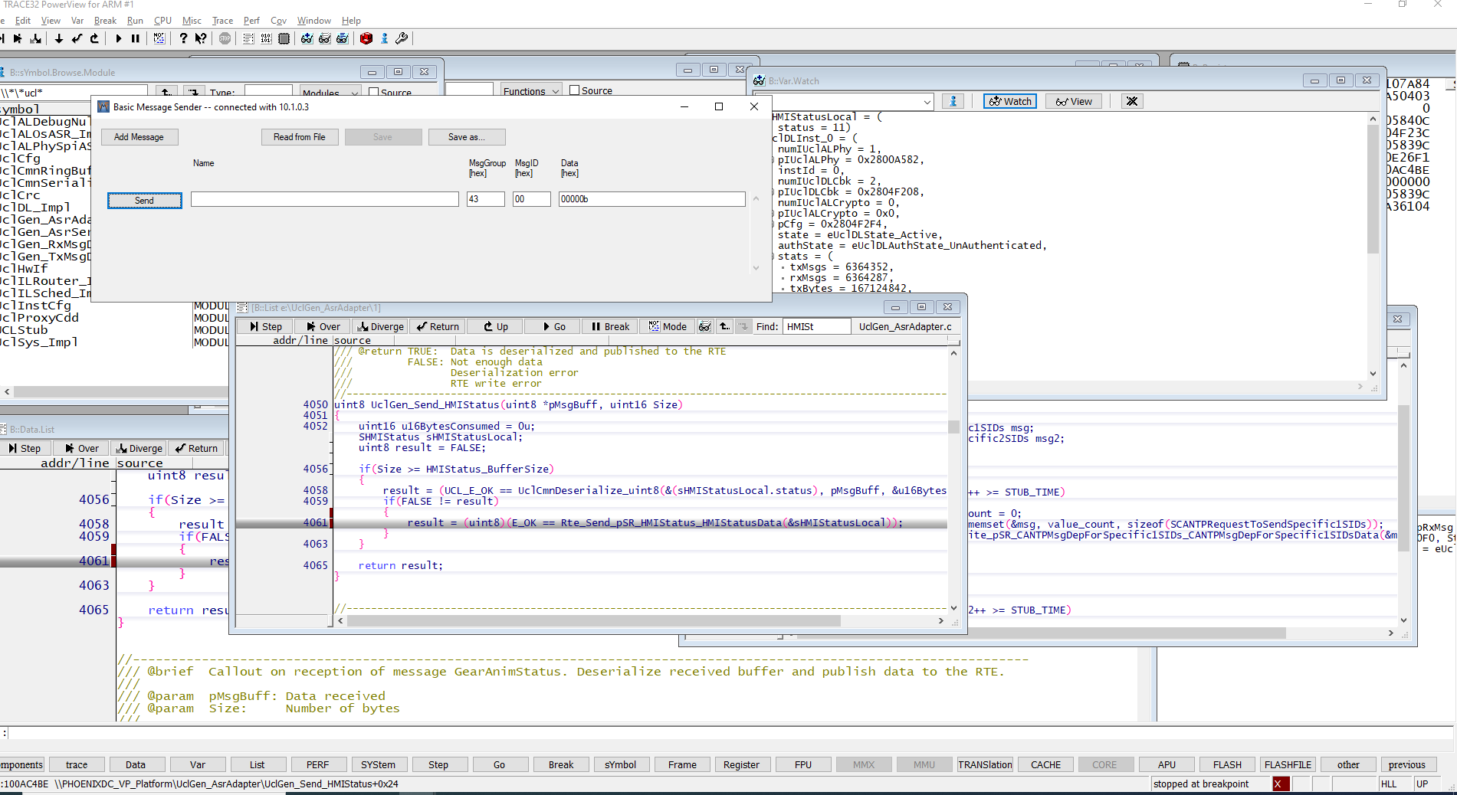
7 | ONWRITE_MSG_WITH_MULTIPLE_DUS | 1. Create the required CAN DataBase. 2.Create UCL Message Deployment with following configuration i). Message Scheduling type "OnWrite" , ii).Periodicity = 0, ii). Tx Port "GIP_Ipcl", iv).Rx_Port "VIP_Ipcl", v). Create message deployment with multiple DUs using UCL client tool. | 1. Connect the VMF Analyzer to the target. 2. Get the VIP & GIP up and running the latest UCL. 3. Set a break point in the callback associated with the respective DUs in UclILMsgDbRx of VIP. 4. Start the VMF basic message sender and send the required VMF message after updating the VMF Message name, Group ID , Event ID and Data in the message sender window. 5. The breakpoint should be hit if teh mesage is received successfully in VIP. 6. Make sure the time interval between successive message send is > 20ms(if Rx Queue is not enabled) to ensure message reliability 7. Each VMF Message is associated with a DU of a UCL Message. The Message received in VIP shall also be verified by placing break point in the VIP Task associated with this port in RTE. | 1.A new message should be received in VIP for every attempt to send the VMF message from GIP irrespective of the signal value. | Pass | manual |  | MGANGAR1
8 | ONWRITE_MSG_FROM_VP_TO_GP_AT_CONFIGURED_PERIODICITY | 1. Create the required CAN DataBase. 2. Create UCL Transmit Message Database with following configuration i). Message Scheduling type "OnWrite" ii).Periodicity > 20 ii). Tx Port "VIP_Ipcl" iv).Rx_Port "GIP_Ipcl" using UCL client tool. 3. Update the "UclGen_VmfAdapterIds.h" with appropriate Group & Event Id for this message. | 1. Get the CANoe / CANalyzer loaded with appropriate CAN DB and start. 2. Connect the VMF Analyzer to the target to monitor the messages from UCL. 3. Get the VIP & GIP up and running the latest UCL. 4. Send the CAN Signal associated with this UCL message from CANoe / CANalyzer. 5. Verify the VMF Analyzer for the message with approprirate Group ID & Event ID . | 1.A new VMF message should be received at configured period. Any signal changes within the configured period will be sent only on next message schedule time. | Not Tested | manual | Stub code needed | MGANGAR1
9 | ONWRITE_MSG_FROM_GP_TO_VP_AT_CONFIGURED_PERIODICITY | 1.Create UCL Transmit Message Database with following configuration i). Message Scheduling type "OnWrite" ii).Periodicity > 20 ii). Tx Port "GIP_Ipcl" iv).Rx_Port "VIP_Ipcl" using UCL client tool. 3. Update the "UclGen_VmfAdapterIds.h" with appropriate Group & Event Id for this message. | 1. Connect the VMF Analyzer to the target. 2. Get the VIP & GIP up and running the latest UCL. 3. Start the VMF basic message sender and send the required VMF message after updating the VMF Message name, Group ID , Event ID and Data in the message sender window. 5. Each VMF Message is associated with a DU of a UCL Message. Verify the message received in the VIP Task associated with this DU in the Receive Database of UCL in VIP. | 1.A new message should be received at configured period. 2. If there are multiple message sends within configured periodicity only the last write value will be sent in the next message schedule time. 3. Rx queue shall be enabled to ensure the receiption of all the message writes within the configured period. | Not Tested | manual | Application required | MGANGAR1
10 | ONCHANGE_MSG_FROM_VP_TO_GP_ZERO_PERIODICITY | 1. Create the required CAN DataBase. 2. Create UCL Transmit Message Database with following configuration i). Message Scheduling type "OnChange" ii).Periodicity = 0 ii). Tx Port "VIP_Ipcl" iv).Rx_Port "GIP_Ipcl" using UCL client tool. 3. Update the "UclGen_VmfAdapterIds.h" with appropriate Group & Event Id for this message. | 1. Get the CANoe / CANalyzer loaded with appropriate CAN DB and start. 2. Connect the VMF Analyzer to the target to monitor the messages from UCL. 3. Get the VIP & GIP up and running the latest UCL. 4. Send the CAN Signal associated with this UCL message from CANoe / CANalyzer. 5. Make sure the time interval between successive signal trigger is > 20ms(Rx Queue is not enabled) to ensure message reliability. 6. Verify the VMF Analyzer for the message with approprirate Group ID & Event ID . | 1.A new VMF message should be received only if the signal value changes between successive attempts. | Not Tested | manual | No message | MGANGAR1
11 | ONCHANGE_MSG_FROM_GP_TO_VP_ZERO_PERIODICITY | 1.Create UCL Message Deployment with following configuration i). Message Scheduling type "OnChange" ii).Periodicity = 0 ii). Tx Port "GIP_Ipcl" iv).Rx_Port "VIP_Ipcl" using UCL client tool. 3. Update the "UclGen_VmfAdapterIds.h" with appropriate Group & Event Id for this message. | 1. Connect the VMF Analyzer to the target. 2. Get the VIP & GIP up and running the latest UCL. 3. Start the VMF basic message sender and send the required VMF message after updating the VMF Message name, Group ID , Event ID and Data in the message sender window. 4. Make sure the time interval between successive message send is > 20ms(Rx Queue is not enabled) to ensure message reliability 5. Each VMF Message is associated with a DU of a UCL Message. Verify the message received in the VIP Task associated with this DU in the Receive Database of UCL in VIP. | 1.A new message should be received only if the payload value changes between successive message send. | Not Tested | manual | No message | MGANGAR
12 | ONCHANGE_MSG_WITH_MULTIPLE_DUS | 1. Create the required CAN DataBase. 2.Create UCL Message Deployment with following configuration i). Message Scheduling type "OnChange" , ii).Periodicity = 0, ii). Tx Port "GIP_Ipcl", iv).Rx_Port "VIP_Ipcl", v). Create message deployment with multiple DUs using UCL client tool. | 1. Connect the VMF Analyzer to the target. 2. Get the VIP & GIP up and running the latest UCL. 3. Set a break point in the callback associated with the respective DUs in UclILMsgDbRx of VIP. 4. Start the VMF basic message sender and send the required VMF message after updating the VMF Message name, Group ID , Event ID and Data in the message sender window. 5. The breakpoint should be hit if teh mesage is received successfully in VIP. 6. Make sure the time interval between successive message send is > 20ms(if Rx Queue is not enabled) to ensure message reliability 7. Each VMF Message is associated with a DU of a UCL Message. The Message received in VIP shall also be verified by placing break point in the VIP Task associated with this port in RTE. | 1.A new message should be received only if the payload value changes between successive message send. | Pass | manual |  | MGANGAR | 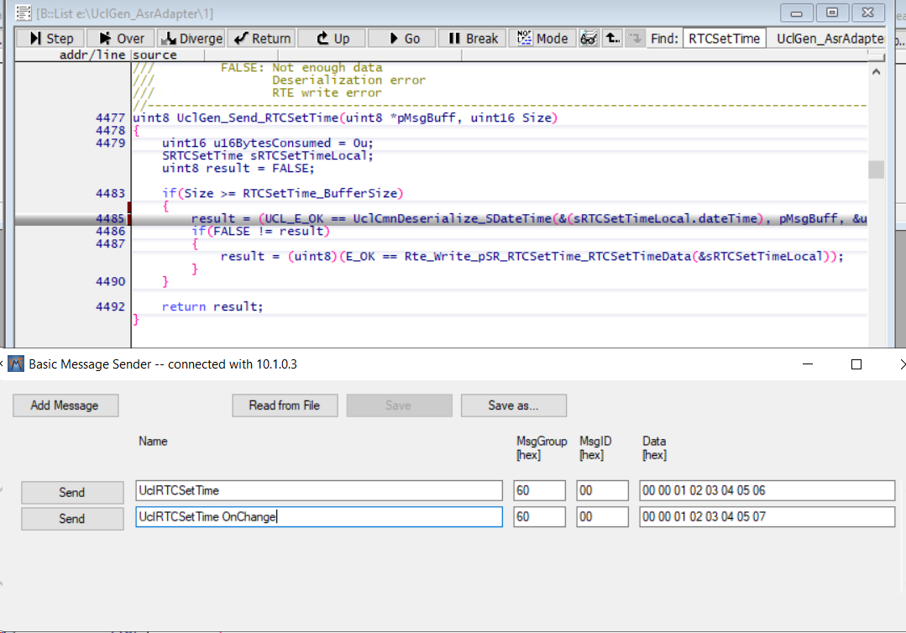
13 | ONCHANGE_MSG_FROM_VP_TO_GP_AT_CONFIGURED_PERIODICITY | 1. Create the required CAN DataBase. 2. Create UCL Message Deployment with following configuration i). Message Scheduling type "OnChange" ii).Periodicity = 50 ii). Tx Port "VIP_Ipcl" iv).Rx_Port "GIP_Ipcl" using UCL client tool. 3. Update the "UclGen_VmfAdapterIds.h" with appropriate Group & Event Id for this message. | 1. Get the CANoe / CANalyzer loaded with appropriate CAN DB and start. 2. Connect the VMF Analyzer to the target to monitor the messages from UCL. 3. Get the VIP & GIP up and running the latest UCL. 4. Send the CAN Signal associated with this UCL message from CANoe / CANalyzer. 5. Verify the VMF Analyzer for the message with approprirate Group ID & Event ID . | 1.A new VMF message should be received at configured period. Any signal changes within the configured period will be sent only on next message schedule time. 2. If there is no signal change between the successive attempts no message will be received. | PASS |  | Stub code needed | MGANGAR | 
14 | ONCHANGE_MSG_FROM_GP_TO_VP_AT_CONFIGURED_PERIODICITY | 1.Create UCL Message Deployment with following configuration i). Message Scheduling type "OnChange" ii).Periodicity > 20 ii). Tx Port "GIP_Ipcl" iv).Rx_Port "VIP_Ipcl" using UCL client tool. 3. Update the "UclGen_VmfAdapterIds.h" with appropriate Group & Event Id for this message. | 1. Connect the VMF Analyzer to the target. 2. Get the VIP & GIP up and running the latest UCL. 3. Start the VMF basic message sender and send the required VMF message after updating the VMF Message name, Group ID , Event ID and Data in the message sender window. 5. Each VMF Message is associated with a DU of a UCL Message. Verify the message received in the VIP Task associated with this DU in the Receive Database of UCL in VIP. | 1.A new message should be received at configured period if the signal value changed between successive attempts. 2. If there are multiple message sends within configured periodicity only the last write value will be sent in the next message schedule time. 3. Rx queue shall be enabled to ensure the receiption of all the message writes within the configured period. | Not Tested |  | No message | MGANGAR
15 | UCL_HEART_BEAT_TEST | 1.Set "heartBeatTimerPeriodicityMs" = 250 ms in UclInstCfg in both VIP & GIP. 2. Stop sending all messages from CANoe and VMF basic message sender and other VMF Clients. 3. Make sure the periodicity of all "Periodic" type messages in UCL Tx database of both VIp & GIP is > 250. (This is done to ensure that heart beat messages are exchanged between VIP & GIP whenever there's no message transactions between end-end applications). | 1. Get the VIP & GIP up and running the latest UCL. 2.Watch the variables UclDLInst_0.stats.txHbMsgs & UclDLInst_0.stats.rxHbMsgs in VIP. | The Tx & Rx heart beat messages count should increase at configured periodicity. | Pass | manual |  | MGANGAR1 | 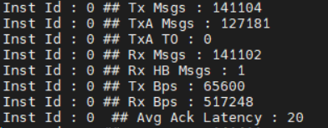
16 | UCL_LINK_UP_DOWN_NOTIFICATION_VIP | 1. Set "linkDownTimerPeriodicityMs" =1000 ms in UclInstCfg in VIP. | 1. Get the VIP & GIP up and running the latest UCL. 2.Watch the variable UclDLInst_0.linkStatus in VIP. 3. The value of "UclDLInst_0.linkStatus" should read "eUclDLLinkStatus_Up" if GIP is up and running. 4. Set the break point at "UclGen_Adapter_LinkStatusChanged" in VIP. 5. Kill the running "ucl_proxy_vmf" process in GIP. 6.Watch the variable UclDLInst_0.linkStatus in VIP when the breakpoint is hit. 7. The value of "UclDLInst_0.linkStatus" should read "eUclDLLinkStatus_Down" after 1000ms of killing "ucl_proxy_vmf". 8. Now run the VIP and re-launch the "ucl_proxy_vmf" process in GIP. 9.Watch the variable UclDLInst_0.linkStatus in VIP when the breakpoint is hit. 10. Now, The value of "UclDLInst_0.linkStatus" should read "eUclDLLinkStatus_Up". | The UclDLInst_0.linkStatus should be updated appropriately | PASS | manual |  | MGANGAR1 | 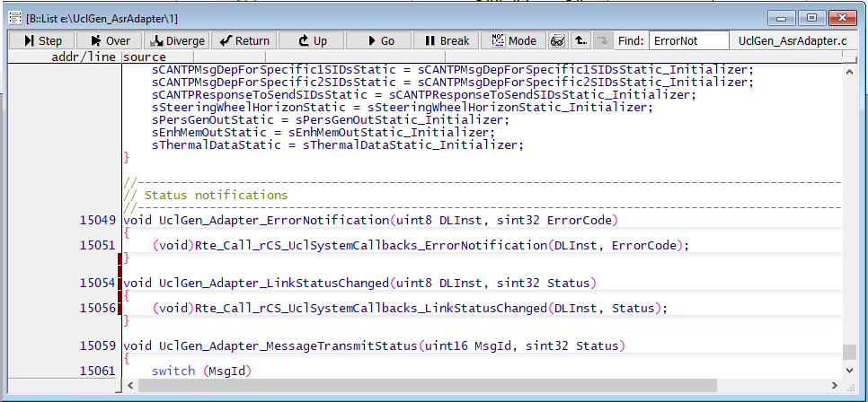
17 | UCL_LINK_UP_DOWN_NOTIFICATION_GIP | 1. Set "linkDownTimerPeriodicityMs" =1000 ms in UclInstCfg in GIP. 2. Update the Group ID and Event ID for Gx_Ucl_Link_Status_Rx and Ex_Ucl_Link_Status_Rx in UclGen_VmfAdaptersIds.h | 1. Connect the VMF Analyzer to the target. 2. Get the VIP & GIP up and running the latest UCL. 3. Now stop the VIP using debugger. 4. Check the Message received in the VMF Analyzer with the configured Group Id & Event Id with payload value 0x33 (for Link_Down) 5. Run the VIP through the debugger. 6. Check the Message received in the VMF Analyzer with the configured Group Id & Event Id with payload value 0x32 (for Link_Up). | VMF Message for UCL Link Down & Link Up should be received | Pass | manual |  | MGANGAR1
18 | UCL_TX_NOTIFICATION_VIP | 1. Create the required CAN DataBase. 2.Create UCL Message Deployment for VIP with following configuration i). Message Scheduling type "Periodic" ii).Periodicity = 50 ii). Tx Port "VIP_Ipcl" iv).Rx_Port "GIP_Ipcl" v). Check Tx Status Notify using UCL client tool. 3. Update the "UclGen_VmfAdapterIds.h" with appropriate Group ID & Event ID for this message. | 1. Get the CANoe / CANalyzer loaded with appropriate CAN DB and start. 2. Connect the VMF Analyzer to the target to monitor the messages from UCL. 3. Set the break point at "UclGen_Adapter_MessageTransmitStatus " 4. Get the VIP & GIP up and running the latest UCL. 5. UCL in VIP will send this message for every 50 ms 6.Verify the VMF Analyzer for the message with approprirate Group ID & Event ID . 7. Verify the "MsgId" & "Status" when the break point is hit. | The "Status" in "UclGen_Adapter_MessageTransmitStatus" shall read 27 - UCL_E_MSG_ACK / 28 - UCL_E_MSG_NACK / 29- UCL_E_MSG_ACK_TMO | Not Tested |  | No message | MGANGAR1
19 | UCL_TX_NOTIFICATION_GIP | 1. Create the required CAN DataBase. 2.Create UCL Message Deployment for GIP with following configuration i). Message Scheduling type "Periodic" ii).Periodicity >20 ii). Tx Port "GIP_Ipcl" iv).Rx_Port "VIP_Ipcl" v). Check Tx Status Notify using UCL client tool. 3. Update the Group & Event Id of the respective message in Gx_XXXX_Ack_Rx & Ex_XXXX_Ack_Rx in "UclGen_VmfAdapterIds.h". | 1. Connect the VMF Analyzer to the target. 2. Get the VIP & GIP up and running the latest UCL. 3. Start the VMF basic message sender and Send the required VMF message after updating the VMF Message name, Group ID , Event ID and Data in the message sender window. 4. Each VMF Message is associated with a DU of a UCL Message. Verify the message received in the VIP Task associated with this DU in the Receive Database of UCL in VIP. 5. Verify the VMF Analyzer for the transmit status message with approprirate Group ID & Event ID . | The payload field of the received message shall read 27 - UCL_E_MSG_ACK / 28 - UCL_E_MSG_NACK / 29- UCL_E_MSG_ACK_TMO | Not Tested |  | No message | MGANGAR1
20 | UCL_RX_MISSING_NOTIFICATION_VIP | 1. Create the required CAN DataBase. 2.Create UCL Message Deployment for GIP with following configuration i). Message Scheduling type "Periodic", ii).Periodicity = 50 , ii). Tx Port "GIP_Ipcl", iv).Rx_Port "VIP_Ipcl", v). Check Rx Missing Notify, vi). Timeout > Periodicity using UCL client tool. | 1. Get the CANoe / CANalyzer loaded with appropriate CAN DB and start. 2. Get the VIP & GIP up and running the latest UCL. 3. Set the break point at "UclGen_Adapter_ReceiveMissingStatus " 4. Start the VMF basic message sender and send the appropriate message at configured periodicity from GIP. 5. As long as the messages are received in the VIP at configured periodicity the break point should not be hit. 6. Stop sending the message from GIP. 7. Break point should hit. 8. Verify the "MsgId" and "Status" in "UclGen_Adapter_ReceiveMissingStatus". | The "Status" in "UclGen_Adapter_ReceiveMissingStatuss" shall read 26 - UCL_E_MSG_MISSING | Not Tested |  | No message | MGANGAR1
21 | UCL_RX_MISSING_NOTIFICATION_GIP | 1. Create the required CAN DataBase. 2. Create UCL Message Deployment for VIP with following configuration i). Message Scheduling type "Periodic", ii).Periodicity >20, ii). Tx Port "VIP_Ipcl", iv).Rx_Port "GIP_Ipcl", v). Check Rx Missing Notify, vi). Timeout = (Periodicity + 50) using UCL client tool. 3. Update the Group & Event Id of the respective message in Gx_XXXX_Rx & Ex_XXXX_Rx and Group Id & Event Id of message missing status in Gx_XXXX_MsgMissing_Rx & Ex_XXXX_MsgMissing_Rx in "UclGen_VmfAdapterIds.h". | 1. Get the CANoe / CANalyzer loaded with appropriate CAN DB and start. 2. Connect the VMF Analyzer to the target. 3. Get the VIP & GIP up and running the latest UCL. 4. Keep sending the appropriate message at configured periodiciy from CANoe / CaNalyzer. 5. Verify the VMF Analyzer for the messages with group Id and Event Id configured in Gx_XXXX_Rx & Ex_XXXX_Rx . 6.Stop sending the messages from CANoe. 7. Verify the VMF Analyzer for the messages with Group Id and Event Id configured in Gx_XXXX_MsgMissing_Rx & Ex_XXXX_MsgMissing_Rx. | The payload of the VMF message with GroupId & Event Id configured in Gx_XXXX_MsgMissing_Rx & Ex_XXXX_MsgMissing_Rx should read 26 - UCL_E_MSG_MISSING | Not Tested |  | No message | MGANGAR1
22 | ONWRITE_MSG_FROM_VP_TO_GP_WITH_RX_Q | 1. Create the required CAN DataBase. 2. Create UCL Message Deployement with following configuration i). Message Scheduling type "OnWrite" , ii).Periodicity = 0 , ii). Tx Port "VIP_Ipcl", iv).Rx_Port "GIP_Ipcl", v).Rx Queue = 10(This the required queue size. Choose the size considering the Message Deployment size and memory availability of the target). using UCL client tool. 3. Update the "UclGen_VmfAdapterIds.h" with appropriate Group & Event Id for this message. | 1. Get the CANoe / CANalyzer loaded with appropriate CAN DB and start. 2. Connect the VMF Analyzer to the target to monitor the messages from UCL. 3. Get the VIP & GIP up and running the latest UCL. 4. Send the CAN Signal associated with this UCL message from CANoe / CANalyzer. 5. Verify the VMF Analyzer for the message with approprirate Group ID & Event ID . | 1.A new VMF message should be received for every attempt to send the CAN signal from VIP irrespective of the signal value. 2. Verify the received payload in VMF Analyzer for all the the signal changes transmited by VIP. | Pass | manual | Stub code needed | MGANGAR1 | 
23 | ONWRITE_MSG_FROM_GP_TO_VP_WITH_RX_Q | 1. Create UCL Message Deployement with following configuration i). Message Scheduling type "OnWrite" , ii).Periodicity = 0 , ii). Tx Port "GIP_Ipcl", iv).Rx_Port "VIP_Ipcl", v).Rx Queue = 10(This the required queue size. Choose the size considering the Message Deployment size and memory availability of the target). using UCL client tool. 3. Update the "UclGen_VmfAdapterIds.h" with appropriate Group & Event Id for this message. | 1. Get the VIP & GIP up and running the latest UCL. 2. Start the VMF basic message sender and send the required VMF message after updating the VMF Message name, Group ID , Event ID and Data in the message sender window. 3. Each VMF Message is associated with a DU of a UCL Message. Verify the message received in the VIP Task associated with the receiption of this DU in VIP. | 1.A new message should be received for every attempt to send the VMF message from GIP irrespective of the signal value. 2. Verify the received payload in VIP for all the VMF messages transmited by GIP. | Pass | manual |  | MGANGAR1
24 | UCL_ERROR_NOTIFICATION_VIP | 1. Set "linkDownTimerPeriodicityMs" =1000 ms in UclInstCfg inVIP. 2. Set "maxPhyRecoveryAttempts" to 10 (any value < 255) in UclInstCfg in both VIP. 3. Set "timerTaskPeriodicityMs" >= 4 in UclInstCfg in both VIP. | 1. Get the VIP & GIP up and running the latest UCL. 2. Set the break point at "UclGen_Adapter_ErrorNotification" in VIP. 3. Kill the running "ucl_proxy_vmf" process in GIP. 4. Dont to launch the "ucl_proxy_vmf" process until the break point is hit. 5. Run the VIP using Debugger. 6. After the ErrorNotification, UCL will go to Shut down mode. UCL should be Re-Initialized for the UCL communication to resume. | 1. Verify that the break point is hit after 10 recovery attempts ~ (linkDownTimerPeriodicityMs + (maxPhyRecoveryAttempt * timerTaskPeriodicityMs) = 1040 ms). 2. Monitor the following variable in watch window UclILSchedInst_0->isInitialized = 0, UclDLInst_0->state = eUclDLState_Shutdown, UclALPhyInst_0->peerReadyState = eUclALPhyPeerReadyStatus_NotReady | Tested | manual | Tested in Debugger | MGANGAR1
25 | UCL_ERROR_NOTIFICATION_GIP | 1. Set "linkDownTimerPeriodicityMs" =1000 ms in UclInstCfg in GIP. 2. Set "maxPhyRecoveryAttempts"to any value < 255 in UclInstCfg in both GIP. 3. Set "timerTaskPeriodicityMs" >= 4 in UclInstCfg in both GIP. 4. Create a group id and event id for Gx_Ucl_Error_Notify_Rx and Ex_Ucl_Error_Notify_Rx in UclGen_VmfAdaptersIds.h | 1. Connect the VMF Analyzer to the target. 2. Get the VIP & GIP up and running the latest UCL. 3. Now stop the VIP using debugger. 4. Check the Message received in the VMF Analyzer with the configured Group Id & Event Id with payload value 7 (for Fatal Error) 5. Run the VIP through the debugger. 6. The VMF Message corresponding to UCL Error Notification should be stopped | The payload field of the received message with Group ID & Event ID configured in "Gx_Ucl_Error_Notify_Rx" and "Ex_Ucl_Error_Notify_Rx" shall read 7 - FatalError / 8 - Security Violation. Time Synchronized Counter mismatch / 9 - Security Violation. CMAC mismatch / 10 - Security Violation. Key negotiation failed. | Not Tested | manual | NA | MGANGAR1
26 | RE-ESTABLISH_COMMUNICATION_IF_LINK_IS_RESUMED_BEFORE_MAX_PHY_RETRIES | 1. Set "linkDownTimerPeriodicityMs" =1000 ms in UclInstCfg in VIP. 2. Set "maxPhyRecoveryAttempts"to any value < 255 in UclInstCfg in both GIP. 3. Set "phyRetryTimeIntervalMs" = 200 in UclInstCfg in both VIP &GIP. 4. Create a group id and event id for Gx_Ucl_Link_Status_Rx Ex_Ucl_Link_Status_Rx Gx_Ucl_Error_Notify_Rx and Ex_Ucl_Error_Notify_Rx in UclGen_VmfAdaptersIds.h | 1. Connect the VMF Analyzer to the target. 2. Get the VIP & GIP up and running the latest UCL. 3. Now stop the VIP using debugger. 4. Check the Message received in the VMF Analyzer with the configured Group Id & Event Id with payload value -51 (for Link_Down) . 5. Run the VIP through the debugger. 6. Check the Message received in the VMF Analyzer with the configured Group Id & Event Id with payload value -50 (for Link_Up). 7. Check the UCL Data Messages are received after Link Up. | Communication should be resumed after successive Link Down / Up | Pass | manual |  | MGANGAR1
27 | Long Run Testing | Update the test clients inVIP & GIP and ensure Test clients pushes UCL Messages in Tx Database in both VIP & GIP. | Enable the UCL Statistics print and make sure UclTest clients pushes test UCL messages to UCL in both VIP & GIP. | 1.The coomunication should be stable in both VIP & GIP. 2.The Tx & Rx Msgs in UCL statistics should keep increasing 3.Ack Latency should be less than 20 ms. 4. There should be any Tx Ack Timeouts (TxA TO). | Pass | manual |  | MGANGAR1 | 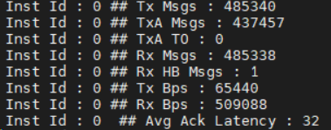 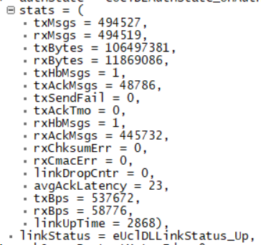
28 | ONCHANGE_MSG_FROM_VP_TO_GP_WITH_RX_QUEUE | 1. Create the required CAN DataBase. 2. Create UCL Transmit Message Database with following configuration i). Message Scheduling type "OnChange" ii).Periodicity = 10 ii). Tx Port "VIP_Ipcl" iv).Rx_Port "GIP_Ipcl" v). Rx Queue = 10. using UCL client tool. 3. Update the "UclGen_VmfAdapterIds.h" with appropriate Group & Event Id for this message. 4. Ensure the rate at which the signals transmitted from CAN scripts doents cause RTE queue overflow. 5.Rx Queue size shall be chosen to match the En-Queue & De-Queue rate so that no Queue overflow happens. | 1. Get the CANoe / CANalyzer loaded with appropriate CAN DB and start simulation. 2. Connect the VMF Analyzer to the target to monitor the messages from UCL. 3. Get the VIP & GIP up and running the latest UCL. 4. Send the CAN Signal associated with this UCL message from CANoe / CANalyzer. 5. Verify the VMF Analyzer for the message with approprirate Group ID & Event ID . | 1.All the signal changes transmitted by CAN script should be received in the VMF Analyser. 2. No two consecutive VMF messages should have the same payload values. | Not Tested |  | Stub code needed | MGANGAR1
29 | ONCHANGE_MSG_FROM_GP_TO_VP_WITH_RX_QUEUE | 1. Create the required CAN DataBase. 2. Create UCL Transmit Message Database with following configuration i). Message Scheduling type "OnChange" ii).Periodicity = 10 ii). Tx Port "GIP_Ipcl" iv).Rx_Port "VIP_Ipcl" v). Rx Queue = 10. using UCL client tool. 3. Update the "UclGen_VmfAdapterIds.h" with appropriate Group & Event Id for this message. 4. Ensure the rate at which the VMF messages transmitted by VMF clients doesnt cause RTE queue overflow. 5.Rx Queue size shall be chosen to match the En-Queue & De-Queue rate so that no Queue overflow happens. | 1. Get the CANoe / CANalyzer loaded with appropriate CAN DB and start simulation. 2. Connect the VMF Analyzer to the target to monitor the messages from UCL. 3. Get the VIP & GIP up and running the latest UCL. 4. Send the VMF Message associated with this UCL message from VMF Client. 5. Verify the received messages in VIP to ensure messages are received in correct order & payload values. | 1.All the VMF messages transmitted by VMF client should be received in VIP. 2. No two consecutive VMF messages have the same payload values should be received in VIP. | Not Tested |  | Stub code needed | MGANGAR1
31 | UCL root less execution | 1. Launch VMF in root less mode with the command "on -u 200:2000 /usr/bin/vmf". | 1. Launch ucl_proxy_vmf with the command line argument -U "on ucl_proxy_vmf -U 202:2002,2000" (User Id of UCL is 202, Group Id of UCL is 2002 and VMF Group Id is 2000) | 1. Execute the command "pidin user" and ensure if VMF & UCL runs with the expected user and group ids. 61459 usr/bin/vmf 200 2000 200 2000 200 2000 69652 /bin/ucl_proxy_vmf 202 2002 202 2002 202 2002 2000 2. Monitor UCL Startup log and ensure there's no error in UCL Initialization and communication started successfully. IUclSys_Initialize: Success IUclALOs_MutexCreate: Success Id 11 MU Ready State PeerReadyStatusChanged 0 Inst 0 PeerReady: Link UP SecurityStartKeyNegotiation: Auth State : 0 NofityLinkStatusChanged 1 LinkStatusChanged 0, -50 MUs locked. Transfer started MUs In Lock, 2 - 2 Inst Id : 0 ## Tx Msgs : 12 Inst Id : 0 ## TxA Msgs : 0 Inst Id : 0 ## TxA TO : 0 Inst Id : 0 ## Rx Msgs : 12 Inst Id : 0 ## Rx HB Msgs : 1 Inst Id : 0 ## Tx Bps : 1240 Inst Id : 0 ## Rx Bps : 664 Inst Id : 0 ## Avg Ack Latency : 13 | Not tested |  | NA | MGANGAR1

UART Abstraction
 | Tested on | HD Agent99
 | SW1206 | Message Catalog v2.0.34

Test case no. | Test Description | Pre-test condition: | Test Operation | Outputs/Verifications | Pass / Fail | Mode of | Comments | Test Engineer cds id
 |  |  |  |  |  | Testing
1 | PERIODIC_MSG_FROM_VP_TO_GP | 1. Create the required CAN DataBase. 2. Create UCL Message Deployment with following configuration i). Message Scheduling type "Periodic" ii).Periodicity >20 ii). Tx Port "VIP_Ipcl" iv).Rx_Port "GIP_Ipcl" using UCL client tool. 3. Update the "UclGen_VmfAdapterIds.h" with appropriate Group & Event Id for this message. | 1. Get the CANoe / CANalyzer loaded with appropriate CAN DB and start. 2. Connect the VMF Analyzer to the target to monitor the messages from UCL. 3. Get the VIP & GIP up and running the latest UCL. 4. Verify the VMF Analyzer for the message with approprirate Group ID & Event ID . | 1.The message should be received at configured periodicity and payload. 2. If there are multiple signal changes within the configured periodicity only the signal value at the message schedule time will be sent. 3. Rx queue shall be enabled to ensure the receiption of all the signal changes within the configured period. | Pass | manual |  | SSHANKA8 | 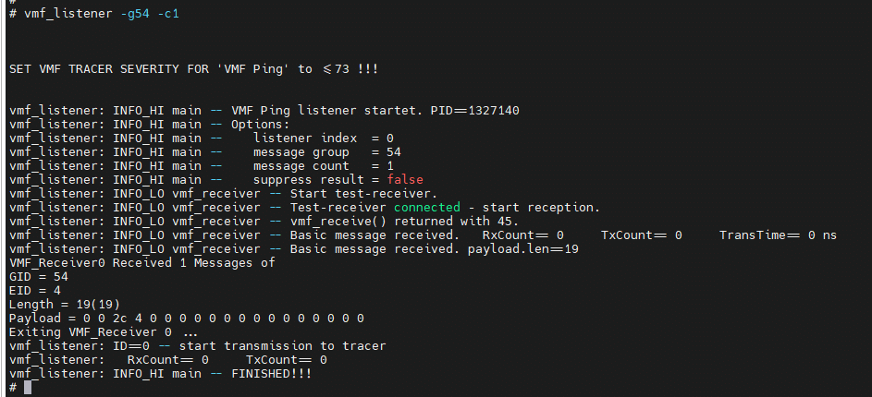
2 | PERIODIC_MSG_FROM_GP_TO_VP | 1.Create UCL Message Deployment with following configuration i). Message Scheduling type "Periodic" ii).Periodicity >20 ii). Tx Port "GIP_Ipcl" iv).Rx_Port "VIP_Ipcl" using UCL client tool. 3. Update the "UclGen_VmfAdapterIds.h" with appropriate Group & Event Id for this message. | 1. Connect the VMF Analyzer to the target. 2. Get the VIP & GIP up and running the latest UCL. 3. Start the VMF basic message sender and Send the required VMF message after updating the VMF Message name, Group ID , Event ID and Data in the message sender window. 4. Each VMF Message is associated with a DU of a UCL Message. Verify the message received in the VIP Task associated with this DU in the Receive Database of UCL in VIP. | 1.The message should be received at configured periodicity and payload. 2. If there are multiple signal changes within the configured periodicity only the signal value at the message schedule time will be sent. 3. Rx queue shall be enabled to ensure the receiption of all the signal changes within the configured period. | Pass | manual |  | SSHANKA8 | 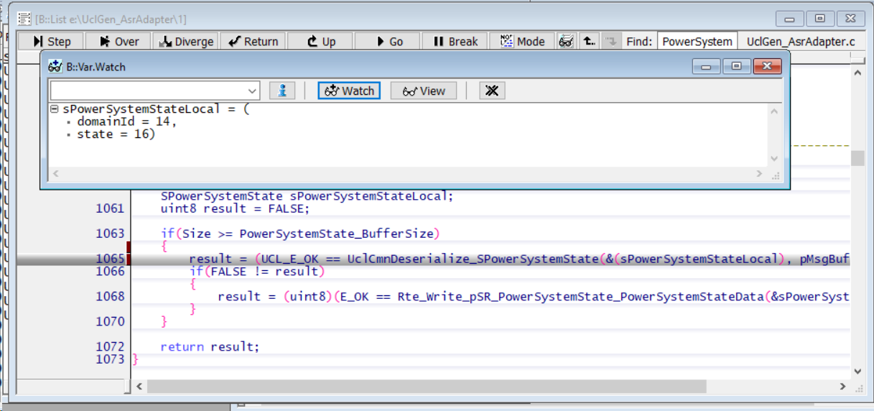
3 | PERIODIC_MSG_WITH_MULTIPLE_DUS | 1. Create the required CAN DataBase. 2.Create UCL Message Deployment with following configuration i). Message Scheduling type "Periodic" , ii).Periodicity >20, ii). Tx Port "VIP_Ipcl", iv).Rx_Port "GIP_Ipcl", v). Create message deployement with multiple messages using UCL client tool. 3. Update the "UclGen_VmfAdapterIds.h" with appropriate Group & Event Id for all messages in the message deployement. | 1. Get the CANoe / CANalyzer loaded with appropriate CAN DB and start. 2. Connect the VMF Analyzer to the target to monitor the messages from UCL. 3. Get the VIP & GIP up and running the latest UCL. 4.Each message in the UCL Message Deployment corresponds to a VMF Message. 5.Verify the VMF Analyzer for all the messages in UCL Message Deployment with appropriate Group ID & Event ID . | 1.The messages should be received at configured periodicity and payload. 2. If there are multiple signal changes within the configured periodicity only the signal value at the message schedule time will be sent. 3. Rx queue shall be enabled to ensure the receiption of all the signal changes within the configured period. | Not Tested |  | No message | SSHANKA8
4 | PERIODIC_MSG_PRIORITY_CHECK | 1. Create the required CAN DataBase. 2.Create two UCL Message Deployments with following configurations Message Deployment 1 & 2: i). Message Scheduling type "Periodic" , ii).Periodicity >20, ii). Tx Port "VIP_Ipcl", iv).Rx_Port "GIP_Ipcl", Message Deployment 1: i). Priority = Critical Message Deployment 2: i). Priority = low using UCL client tool. 3. Update the "UclGen_VmfAdapterIds.h" with appropriate Group & Event Id for all messages in the message deployement. | 1. Get the CANoe / CANalyzer loaded with appropriate CAN DB and start. 2. Connect the VMF Analyzer to the target to monitor the messages from UCL. 3. Get the VIP & GIP up and running the latest UCL. 4. Verify the VMF Analyzer for the message with approprirate Group ID & Event ID . | 1.The messages deployement with critical priority type should be received before the deployement with low priority type. | Not Tested |  | No Tools | SSHANKA8
5 | ONWRITE_MSG_FROM_VP_TO_GP_ZERO_PERIODICITY | 1. Create the required CAN DataBase. 2. Create UCL Message Deployement with following configuration i). Message Scheduling type "OnWrite" ii).Periodicity = 0 ii). Tx Port "VIP_Ipcl" iv).Rx_Port "GIP_Ipcl" using UCL client tool. 3. Update the "UclGen_VmfAdapterIds.h" with appropriate Group & Event Id for this message. | 1. Get the CANoe / CANalyzer loaded with appropriate CAN DB and start. 2. Connect the VMF Analyzer to the target to monitor the messages from UCL. 3. Get the VIP & GIP up and running the latest UCL. 4. Send the CAN Signal associated with this UCL message from CANoe / CANalyzer. 5. Make sure the time interval between successive signal trigger is > 20ms(Rx Queue is not enabled) to ensure message reliability. 6. Verify the VMF Analyzer for the message with approprirate Group ID & Event ID . | 1.A new VMF message should be received for every attempt to send the CAN signal from VIP irrespective of the signal value. | Not Tested | manual | Stub code needed | SSHANKA8
6 | ONWRITE_MSG_FROM_GP_TO_VP_ZERO_PERIODICITY | 1.Create UCL UCL Message Deployement with following configuration i). Message Scheduling type "OnWrite" ii).Periodicity = 0 ii). Tx Port "GIP_Ipcl" iv).Rx_Port "VIP_Ipcl" using UCL client tool. 3. Update the "UclGen_VmfAdapterIds.h" with appropriate Group & Event Id for this message. | 1. Connect the VMF Analyzer to the target. 2. Get the VIP & GIP up and running the latest UCL. 3. Set a break point in the callback associated with the respective DUs in UclILMsgDbRx of VIP. 4. Start the VMF basic message sender and send the required VMF message after updating the VMF Message name, Group ID , Event ID and Data in the message sender window. 5. The breakpoint should be hit if teh mesage is received successfully in VIP. 6. Make sure the time interval between successive message send is > 20ms(if Rx Queue is not enabled) to ensure message reliability 7. Each VMF Message is associated with a DU of a UCL Message. The Message received in VIP shall also be verified by placing break point in the VIP Task associated with this port in RTE. | 1.A new message should be received in VIP for every attempt to send the VMF message from GIP irrespective of the signal value. | Pass | manual |  | SSHANKA8 | 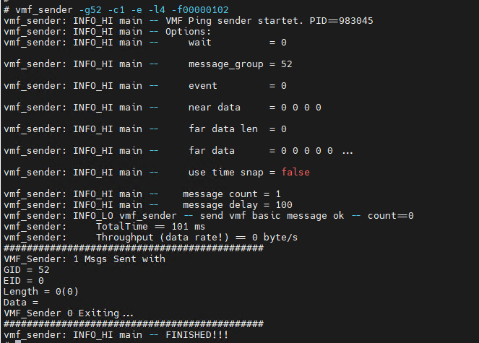
7 | ONWRITE_MSG_WITH_MULTIPLE_DUS | 1. Create the required CAN DataBase. 2.Create UCL Message Deployment with following configuration i). Message Scheduling type "OnWrite" , ii).Periodicity = 0, ii). Tx Port "GIP_Ipcl", iv).Rx_Port "VIP_Ipcl", v). Create message deployment with multiple DUs using UCL client tool. | 1. Connect the VMF Analyzer to the target. 2. Get the VIP & GIP up and running the latest UCL. 3. Set a break point in the callback associated with the respective DUs in UclILMsgDbRx of VIP. 4. Start the VMF basic message sender and send the required VMF message after updating the VMF Message name, Group ID , Event ID and Data in the message sender window. 5. The breakpoint should be hit if teh mesage is received successfully in VIP. 6. Make sure the time interval between successive message send is > 20ms(if Rx Queue is not enabled) to ensure message reliability 7. Each VMF Message is associated with a DU of a UCL Message. The Message received in VIP shall also be verified by placing break point in the VIP Task associated with this port in RTE. | 1.A new message should be received in VIP for every attempt to send the VMF message from GIP irrespective of the signal value. | Pass | manual |  | SSHANKA8
8 | ONWRITE_MSG_FROM_VP_TO_GP_AT_CONFIGURED_PERIODICITY | 1. Create the required CAN DataBase. 2. Create UCL Transmit Message Database with following configuration i). Message Scheduling type "OnWrite" ii).Periodicity > 20 ii). Tx Port "VIP_Ipcl" iv).Rx_Port "GIP_Ipcl" using UCL client tool. 3. Update the "UclGen_VmfAdapterIds.h" with appropriate Group & Event Id for this message. | 1. Get the CANoe / CANalyzer loaded with appropriate CAN DB and start. 2. Connect the VMF Analyzer to the target to monitor the messages from UCL. 3. Get the VIP & GIP up and running the latest UCL. 4. Send the CAN Signal associated with this UCL message from CANoe / CANalyzer. 5. Verify the VMF Analyzer for the message with approprirate Group ID & Event ID . | 1.A new VMF message should be received at configured period. Any signal changes within the configured period will be sent only on next message schedule time. | Pass | manual |  | SSHANKA8 | 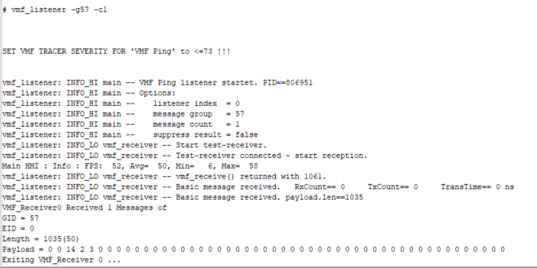
9 | ONWRITE_MSG_FROM_GP_TO_VP_AT_CONFIGURED_PERIODICITY | 1.Create UCL Transmit Message Database with following configuration i). Message Scheduling type "OnWrite" ii).Periodicity > 20 ii). Tx Port "GIP_Ipcl" iv).Rx_Port "VIP_Ipcl" using UCL client tool. 3. Update the "UclGen_VmfAdapterIds.h" with appropriate Group & Event Id for this message. | 1. Connect the VMF Analyzer to the target. 2. Get the VIP & GIP up and running the latest UCL. 3. Start the VMF basic message sender and send the required VMF message after updating the VMF Message name, Group ID , Event ID and Data in the message sender window. 5. Each VMF Message is associated with a DU of a UCL Message. Verify the message received in the VIP Task associated with this DU in the Receive Database of UCL in VIP. | 1.A new message should be received at configured period. 2. If there are multiple message sends within configured periodicity only the last write value will be sent in the next message schedule time. 3. Rx queue shall be enabled to ensure the receiption of all the message writes within the configured period. | Not Tested | manual |  | SSHANKA8
10 | ONCHANGE_MSG_FROM_VP_TO_GP_ZERO_PERIODICITY | 1. Create the required CAN DataBase. 2. Create UCL Transmit Message Database with following configuration i). Message Scheduling type "OnChange" ii).Periodicity = 0 ii). Tx Port "VIP_Ipcl" iv).Rx_Port "GIP_Ipcl" using UCL client tool. 3. Update the "UclGen_VmfAdapterIds.h" with appropriate Group & Event Id for this message. | 1. Get the CANoe / CANalyzer loaded with appropriate CAN DB and start. 2. Connect the VMF Analyzer to the target to monitor the messages from UCL. 3. Get the VIP & GIP up and running the latest UCL. 4. Send the CAN Signal associated with this UCL message from CANoe / CANalyzer. 5. Make sure the time interval between successive signal trigger is > 20ms(Rx Queue is not enabled) to ensure message reliability. 6. Verify the VMF Analyzer for the message with approprirate Group ID & Event ID . | 1.A new VMF message should be received only if the signal value changes between successive attempts. | Pass | manual |  | SSHANKA8 | 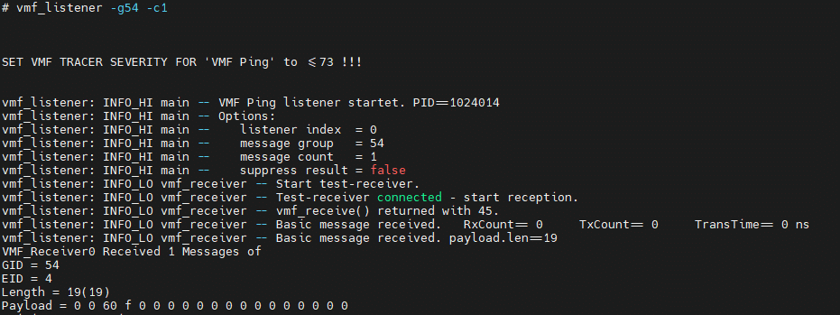
11 | ONCHANGE_MSG_FROM_GP_TO_VP_ZERO_PERIODICITY | 1.Create UCL Message Deployment with following configuration i). Message Scheduling type "OnChange" ii).Periodicity = 0 ii). Tx Port "GIP_Ipcl" iv).Rx_Port "VIP_Ipcl" using UCL client tool. 3. Update the "UclGen_VmfAdapterIds.h" with appropriate Group & Event Id for this message. | 1. Connect the VMF Analyzer to the target. 2. Get the VIP & GIP up and running the latest UCL. 3. Start the VMF basic message sender and send the required VMF message after updating the VMF Message name, Group ID , Event ID and Data in the message sender window. 4. Make sure the time interval between successive message send is > 20ms(Rx Queue is not enabled) to ensure message reliability 5. Each VMF Message is associated with a DU of a UCL Message. Verify the message received in the VIP Task associated with this DU in the Receive Database of UCL in VIP. | 1.A new message should be received only if the payload value changes between successive message send. | Not Tested | manual | No message | SSHANKA8
12 | ONCHANGE_MSG_WITH_MULTIPLE_DUS | 1. Create the required CAN DataBase. 2.Create UCL Message Deployment with following configuration i). Message Scheduling type "OnChange" , ii).Periodicity = 0, ii). Tx Port "GIP_Ipcl", iv).Rx_Port "VIP_Ipcl", v). Create message deployment with multiple DUs using UCL client tool. | 1. Connect the VMF Analyzer to the target. 2. Get the VIP & GIP up and running the latest UCL. 3. Set a break point in the callback associated with the respective DUs in UclILMsgDbRx of VIP. 4. Start the VMF basic message sender and send the required VMF message after updating the VMF Message name, Group ID , Event ID and Data in the message sender window. 5. The breakpoint should be hit if teh mesage is received successfully in VIP. 6. Make sure the time interval between successive message send is > 20ms(if Rx Queue is not enabled) to ensure message reliability 7. Each VMF Message is associated with a DU of a UCL Message. The Message received in VIP shall also be verified by placing break point in the VIP Task associated with this port in RTE. | 1.A new message should be received only if the payload value changes between successive message send. | Not Tested | manual | No message | SSHANKA8
13 | ONCHANGE_MSG_FROM_VP_TO_GP_AT_CONFIGURED_PERIODICITY | 1. Create the required CAN DataBase. 2. Create UCL Message Deployment with following configuration i). Message Scheduling type "OnChange" ii).Periodicity = 50 ii). Tx Port "VIP_Ipcl" iv).Rx_Port "GIP_Ipcl" using UCL client tool. 3. Update the "UclGen_VmfAdapterIds.h" with appropriate Group & Event Id for this message. | 1. Get the CANoe / CANalyzer loaded with appropriate CAN DB and start. 2. Connect the VMF Analyzer to the target to monitor the messages from UCL. 3. Get the VIP & GIP up and running the latest UCL. 4. Send the CAN Signal associated with this UCL message from CANoe / CANalyzer. 5. Verify the VMF Analyzer for the message with approprirate Group ID & Event ID . | 1.A new VMF message should be received at configured period. Any signal changes within the configured period will be sent only on next message schedule time. 2. If there is no signal change between the successive attempts no message will be received. | Pass |  | Manual | SSHANKA8
14 | ONCHANGE_MSG_FROM_GP_TO_VP_AT_CONFIGURED_PERIODICITY | 1.Create UCL Message Deployment with following configuration i). Message Scheduling type "OnChange" ii).Periodicity > 20 ii). Tx Port "GIP_Ipcl" iv).Rx_Port "VIP_Ipcl" using UCL client tool. 3. Update the "UclGen_VmfAdapterIds.h" with appropriate Group & Event Id for this message. | 1. Connect the VMF Analyzer to the target. 2. Get the VIP & GIP up and running the latest UCL. 3. Start the VMF basic message sender and send the required VMF message after updating the VMF Message name, Group ID , Event ID and Data in the message sender window. 5. Each VMF Message is associated with a DU of a UCL Message. Verify the message received in the VIP Task associated with this DU in the Receive Database of UCL in VIP. | 1.A new message should be received at configured period if the signal value changed between successive attempts. 2. If there are multiple message sends within configured periodicity only the last write value will be sent in the next message schedule time. 3. Rx queue shall be enabled to ensure the receiption of all the message writes within the configured period. | Not Tested |  | No message | SSHANKA8
15 | UCL_HEART_BEAT_TEST | 1.Set "heartBeatTimerPeriodicityMs" = 250 ms in UclInstCfg in both VIP & GIP. 2. Stop sending all messages from CANoe and VMF basic message sender and other VMF Clients. 3. Make sure the periodicity of all "Periodic" type messages in UCL Tx database of both VIp & GIP is > 250. (This is done to ensure that heart beat messages are exchanged between VIP & GIP whenever there's no message transactions between end-end applications). | 1. Get the VIP & GIP up and running the latest UCL. 2.Watch the variables UclDLInst_0.stats.txHbMsgs & UclDLInst_0.stats.rxHbMsgs in VIP. | The Tx & Rx heart beat messages count should increase at configured periodicity. | Pass | manual |  | SSHANKA8 | 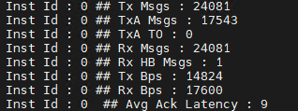 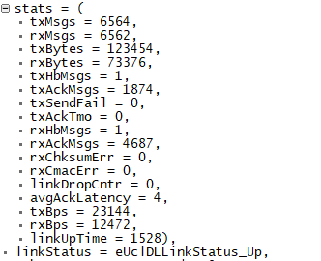
16 | UCL_LINK_UP_DOWN_NOTIFICATION_VIP | 1. Set "linkDownTimerPeriodicityMs" =1000 ms in UclInstCfg in VIP. | 1. Get the VIP & GIP up and running the latest UCL. 2.Watch the variable UclDLInst_0.linkStatus in VIP. 3. The value of "UclDLInst_0.linkStatus" should read "eUclDLLinkStatus_Up" if GIP is up and running. 4. Set the break point at "UclGen_Adapter_LinkStatusChanged" in VIP. 5. Kill the running "ucl_proxy_vmf" process in GIP. 6.Watch the variable UclDLInst_0.linkStatus in VIP when the breakpoint is hit. 7. The value of "UclDLInst_0.linkStatus" should read "eUclDLLinkStatus_Down" after 1000ms of killing "ucl_proxy_vmf". 8. Now run the VIP and re-launch the "ucl_proxy_vmf" process in GIP. 9.Watch the variable UclDLInst_0.linkStatus in VIP when the breakpoint is hit. 10. Now, The value of "UclDLInst_0.linkStatus" should read "eUclDLLinkStatus_Up". | The UclDLInst_0.linkStatus should be updated appropriately | Tested | manual |  | SSHANKA8
17 | UCL_LINK_UP_DOWN_NOTIFICATION_GIP | 1. Set "linkDownTimerPeriodicityMs" =1000 ms in UclInstCfg in GIP. 2. Update the Group ID and Event ID for Gx_Ucl_Link_Status_Rx and Ex_Ucl_Link_Status_Rx in UclGen_VmfAdaptersIds.h | 1. Connect the VMF Analyzer to the target. 2. Get the VIP & GIP up and running the latest UCL. 3. Now stop the VIP using debugger. 4. Check the Message received in the VMF Analyzer with the configured Group Id & Event Id with payload value 0x33 (for Link_Down) 5. Run the VIP through the debugger. 6. Check the Message received in the VMF Analyzer with the configured Group Id & Event Id with payload value 0x32 (for Link_Up). | VMF Message for UCL Link Down & Link Up should be received | Not Tested |  |  | SSHANKA8
18 | UCL_TX_NOTIFICATION_VIP | 1. Create the required CAN DataBase. 2.Create UCL Message Deployment for VIP with following configuration i). Message Scheduling type "Periodic" ii).Periodicity = 50 ii). Tx Port "VIP_Ipcl" iv).Rx_Port "GIP_Ipcl" v). Check Tx Status Notify using UCL client tool. 3. Update the "UclGen_VmfAdapterIds.h" with appropriate Group ID & Event ID for this message. | 1. Get the CANoe / CANalyzer loaded with appropriate CAN DB and start. 2. Connect the VMF Analyzer to the target to monitor the messages from UCL. 3. Set the break point at "UclGen_Adapter_MessageTransmitStatus " 4. Get the VIP & GIP up and running the latest UCL. 5. UCL in VIP will send this message for every 50 ms 6.Verify the VMF Analyzer for the message with approprirate Group ID & Event ID . 7. Verify the "MsgId" & "Status" when the break point is hit. | The "Status" in "UclGen_Adapter_MessageTransmitStatus" shall read 27 - UCL_E_MSG_ACK / 28 - UCL_E_MSG_NACK / 29- UCL_E_MSG_ACK_TMO | Not Tested |  | No message | SSHANKA8
19 | UCL_TX_NOTIFICATION_GIP | 1. Create the required CAN DataBase. 2.Create UCL Message Deployment for GIP with following configuration i). Message Scheduling type "Periodic" ii).Periodicity >20 ii). Tx Port "GIP_Ipcl" iv).Rx_Port "VIP_Ipcl" v). Check Tx Status Notify using UCL client tool. 3. Update the Group & Event Id of the respective message in Gx_XXXX_Ack_Rx & Ex_XXXX_Ack_Rx in "UclGen_VmfAdapterIds.h". | 1. Connect the VMF Analyzer to the target. 2. Get the VIP & GIP up and running the latest UCL. 3. Start the VMF basic message sender and Send the required VMF message after updating the VMF Message name, Group ID , Event ID and Data in the message sender window. 4. Each VMF Message is associated with a DU of a UCL Message. Verify the message received in the VIP Task associated with this DU in the Receive Database of UCL in VIP. 5. Verify the VMF Analyzer for the transmit status message with approprirate Group ID & Event ID . | The payload field of the received message shall read 27 - UCL_E_MSG_ACK / 28 - UCL_E_MSG_NACK / 29- UCL_E_MSG_ACK_TMO | Not Tested |  | No message | SSHANKA8
20 | UCL_RX_MISSING_NOTIFICATION_VIP | 1. Create the required CAN DataBase. 2.Create UCL Message Deployment for GIP with following configuration i). Message Scheduling type "Periodic", ii).Periodicity = 50 , ii). Tx Port "GIP_Ipcl", iv).Rx_Port "VIP_Ipcl", v). Check Rx Missing Notify, vi). Timeout > Periodicity using UCL client tool. | 1. Get the CANoe / CANalyzer loaded with appropriate CAN DB and start. 2. Get the VIP & GIP up and running the latest UCL. 3. Set the break point at "UclGen_Adapter_ReceiveMissingStatus " 4. Start the VMF basic message sender and send the appropriate message at configured periodicity from GIP. 5. As long as the messages are received in the VIP at configured periodicity the break point should not be hit. 6. Stop sending the message from GIP. 7. Break point should hit. 8. Verify the "MsgId" and "Status" in "UclGen_Adapter_ReceiveMissingStatus". | The "Status" in "UclGen_Adapter_ReceiveMissingStatuss" shall read 26 - UCL_E_MSG_MISSING | Not Tested |  | No message | SSHANKA8
21 | UCL_RX_MISSING_NOTIFICATION_GIP | 1. Create the required CAN DataBase. 2. Create UCL Message Deployment for VIP with following configuration i). Message Scheduling type "Periodic", ii).Periodicity >20, ii). Tx Port "VIP_Ipcl", iv).Rx_Port "GIP_Ipcl", v). Check Rx Missing Notify, vi). Timeout = (Periodicity + 50) using UCL client tool. 3. Update the Group & Event Id of the respective message in Gx_XXXX_Rx & Ex_XXXX_Rx and Group Id & Event Id of message missing status in Gx_XXXX_MsgMissing_Rx & Ex_XXXX_MsgMissing_Rx in "UclGen_VmfAdapterIds.h". | 1. Get the CANoe / CANalyzer loaded with appropriate CAN DB and start. 2. Connect the VMF Analyzer to the target. 3. Get the VIP & GIP up and running the latest UCL. 4. Keep sending the appropriate message at configured periodiciy from CANoe / CaNalyzer. 5. Verify the VMF Analyzer for the messages with group Id and Event Id configured in Gx_XXXX_Rx & Ex_XXXX_Rx . 6.Stop sending the messages from CANoe. 7. Verify the VMF Analyzer for the messages with Group Id and Event Id configured in Gx_XXXX_MsgMissing_Rx & Ex_XXXX_MsgMissing_Rx. | The payload of the VMF message with GroupId & Event Id configured in Gx_XXXX_MsgMissing_Rx & Ex_XXXX_MsgMissing_Rx should read 26 - UCL_E_MSG_MISSING | Not Tested |  | No message | SSHANKA8
22 | ONWRITE_MSG_FROM_VP_TO_GP_WITH_RX_Q | 1. Create the required CAN DataBase. 2. Create UCL Message Deployement with following configuration i). Message Scheduling type "OnWrite" , ii).Periodicity = 0 , ii). Tx Port "VIP_Ipcl", iv).Rx_Port "GIP_Ipcl", v).Rx Queue = 10(This the required queue size. Choose the size considering the Message Deployment size and memory availability of the target). using UCL client tool. 3. Update the "UclGen_VmfAdapterIds.h" with appropriate Group & Event Id for this message. | 1. Get the CANoe / CANalyzer loaded with appropriate CAN DB and start. 2. Connect the VMF Analyzer to the target to monitor the messages from UCL. 3. Get the VIP & GIP up and running the latest UCL. 4. Send the CAN Signal associated with this UCL message from CANoe / CANalyzer. 5. Verify the VMF Analyzer for the message with approprirate Group ID & Event ID . | 1.A new VMF message should be received for every attempt to send the CAN signal from VIP irrespective of the signal value. 2. Verify the received payload in VMF Analyzer for all the the signal changes transmited by VIP. | Not Tested |  | Stub code needed | SSHANKA8
23 | ONWRITE_MSG_FROM_GP_TO_VP_WITH_RX_Q | 1. Create UCL Message Deployement with following configuration i). Message Scheduling type "OnWrite" , ii).Periodicity = 0 , ii). Tx Port "GIP_Ipcl", iv).Rx_Port "VIP_Ipcl", v).Rx Queue = 10(This the required queue size. Choose the size considering the Message Deployment size and memory availability of the target). using UCL client tool. 3. Update the "UclGen_VmfAdapterIds.h" with appropriate Group & Event Id for this message. | 1. Get the VIP & GIP up and running the latest UCL. 2. Start the VMF basic message sender and send the required VMF message after updating the VMF Message name, Group ID , Event ID and Data in the message sender window. 3. Each VMF Message is associated with a DU of a UCL Message. Verify the message received in the VIP Task associated with the receiption of this DU in VIP. | 1.A new message should be received for every attempt to send the VMF message from GIP irrespective of the signal value. 2. Verify the received payload in VIP for all the VMF messages transmited by GIP. | Pass | manual |  | SSHANKA8
24 | UCL_ERROR_NOTIFICATION_VIP | 1. Set "linkDownTimerPeriodicityMs" =1000 ms in UclInstCfg inVIP. 2. Set "maxPhyRecoveryAttempts" to 10 (any value < 255) in UclInstCfg in both VIP. 3. Set "timerTaskPeriodicityMs" >= 4 in UclInstCfg in both VIP. | 1. Get the VIP & GIP up and running the latest UCL. 2. Set the break point at "UclGen_Adapter_ErrorNotification" in VIP. 3. Kill the running "ucl_proxy_vmf" process in GIP. 4. Dont to launch the "ucl_proxy_vmf" process until the break point is hit. 5. Run the VIP using Debugger. 6. After the ErrorNotification, UCL will go to Shut down mode. UCL should be Re-Initialized for the UCL communication to resume. | 1. Verify that the break point is hit after 10 recovery attempts ~ (linkDownTimerPeriodicityMs + (maxPhyRecoveryAttempt * timerTaskPeriodicityMs) = 1040 ms). 2. Monitor the following variable in watch window UclILSchedInst_0->isInitialized = 0, UclDLInst_0->state = eUclDLState_Shutdown, UclALPhyInst_0->peerReadyState = eUclALPhyPeerReadyStatus_NotReady | Pass | manual |  | SSHANKA8
25 | UCL_ERROR_NOTIFICATION_GIP | 1. Set "linkDownTimerPeriodicityMs" =1000 ms in UclInstCfg in GIP. 2. Set "maxPhyRecoveryAttempts"to any value < 255 in UclInstCfg in both GIP. 3. Set "timerTaskPeriodicityMs" >= 4 in UclInstCfg in both GIP. 4. Create a group id and event id for Gx_Ucl_Error_Notify_Rx and Ex_Ucl_Error_Notify_Rx in UclGen_VmfAdaptersIds.h | 1. Connect the VMF Analyzer to the target. 2. Get the VIP & GIP up and running the latest UCL. 3. Now stop the VIP using debugger. 4. Check the Message received in the VMF Analyzer with the configured Group Id & Event Id with payload value 7 (for Fatal Error) 5. Run the VIP through the debugger. 6. The VMF Message corresponding to UCL Error Notification should be stopped | The payload field of the received message with Group ID & Event ID configured in "Gx_Ucl_Error_Notify_Rx" and "Ex_Ucl_Error_Notify_Rx" shall read 7 - FatalError / 8 - Security Violation. Time Synchronized Counter mismatch / 9 - Security Violation. CMAC mismatch / 10 - Security Violation. Key negotiation failed. | Not Tested | manual | No Tools | SSHANKA8
26 | RE-ESTABLISH_COMMUNICATION_IF_LINK_IS_RESUMED_BEFORE_MAX_PHY_RETRIES | 1. Set "linkDownTimerPeriodicityMs" =1000 ms in UclInstCfg in VIP. 2. Set "maxPhyRecoveryAttempts"to any value < 255 in UclInstCfg in both GIP. 3. Set "phyRetryTimeIntervalMs" = 200 in UclInstCfg in both VIP &GIP. 4. Create a group id and event id for Gx_Ucl_Link_Status_Rx Ex_Ucl_Link_Status_Rx Gx_Ucl_Error_Notify_Rx and Ex_Ucl_Error_Notify_Rx in UclGen_VmfAdaptersIds.h | 1. Connect the VMF Analyzer to the target. 2. Get the VIP & GIP up and running the latest UCL. 3. Now stop the VIP using debugger. 4. Check the Message received in the VMF Analyzer with the configured Group Id & Event Id with payload value -51 (for Link_Down) . 5. Run the VIP through the debugger. 6. Check the Message received in the VMF Analyzer with the configured Group Id & Event Id with payload value -50 (for Link_Up). 7. Check the UCL Data Messages are received after Link Up. | Communication should be resumed after successive Link Down / Up | Not Tested | manual |  | SSHANKA8
27 | Long Run Testing | Update the test clients inVIP & GIP and ensure Test clients pushes UCL Messages in Tx Database in both VIP & GIP. | Enable the UCL Statistics print and make sure UclTest clients pushes test UCL messages to UCL in both VIP & GIP. | 1.The coomunication should be stable in both VIP & GIP. 2.The Tx & Rx Msgs in UCL statistics should keep increasing 3.Ack Latency should be less than 20 ms. 4. There should be any Tx Ack Timeouts (TxA TO). | Pass | manual |  | SSHANKA8 | 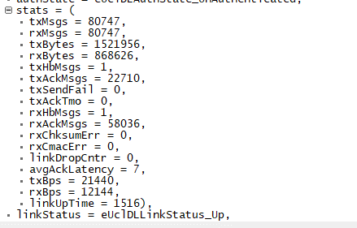 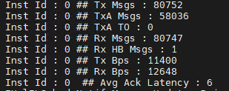
28 | ONCHANGE_MSG_FROM_VP_TO_GP_WITH_RX_QUEUE | 1. Create the required CAN DataBase. 2. Create UCL Transmit Message Database with following configuration i). Message Scheduling type "OnChange" ii).Periodicity = 10 ii). Tx Port "VIP_Ipcl" iv).Rx_Port "GIP_Ipcl" v). Rx Queue = 10. using UCL client tool. 3. Update the "UclGen_VmfAdapterIds.h" with appropriate Group & Event Id for this message. 4. Ensure the rate at which the signals transmitted from CAN scripts doents cause RTE queue overflow. 5.Rx Queue size shall be chosen to match the En-Queue & De-Queue rate so that no Queue overflow happens. | 1. Get the CANoe / CANalyzer loaded with appropriate CAN DB and start simulation. 2. Connect the VMF Analyzer to the target to monitor the messages from UCL. 3. Get the VIP & GIP up and running the latest UCL. 4. Send the CAN Signal associated with this UCL message from CANoe / CANalyzer. 5. Verify the VMF Analyzer for the message with approprirate Group ID & Event ID . | 1.All the signal changes transmitted by CAN script should be received in the VMF Analyser. 2. No two consecutive VMF messages should have the same payload values. | Not Tested |  | No message | SSHANKA8
29 | ONCHANGE_MSG_FROM_GP_TO_VP_WITH_RX_QUEUE | 1. Create the required CAN DataBase. 2. Create UCL Transmit Message Database with following configuration i). Message Scheduling type "OnChange" ii).Periodicity = 10 ii). Tx Port "GIP_Ipcl" iv).Rx_Port "VIP_Ipcl" v). Rx Queue = 10. using UCL client tool. 3. Update the "UclGen_VmfAdapterIds.h" with appropriate Group & Event Id for this message. 4. Ensure the rate at which the VMF messages transmitted by VMF clients doesnt cause RTE queue overflow. 5.Rx Queue size shall be chosen to match the En-Queue & De-Queue rate so that no Queue overflow happens. | 1. Get the CANoe / CANalyzer loaded with appropriate CAN DB and start simulation. 2. Connect the VMF Analyzer to the target to monitor the messages from UCL. 3. Get the VIP & GIP up and running the latest UCL. 4. Send the VMF Message associated with this UCL message from VMF Client. 5. Verify the received messages in VIP to ensure messages are received in correct order & payload values. | 1.All the VMF messages transmitted by VMF client should be received in VIP. 2. No two consecutive VMF messages have the same payload values should be received in VIP. | Pass | manual | No message | SSHANKA8 | 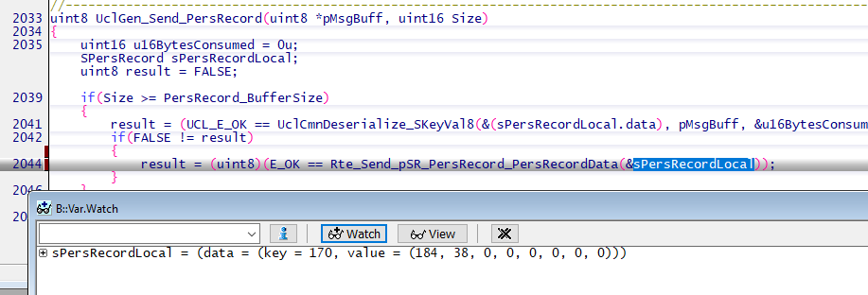
31 | UCL root less execution | 1. Launch VMF in root less mode with the command "on -u 200:2000 /usr/bin/vmf". | 1. Launch ucl_proxy_vmf with the command line argument -U "on ucl_proxy_vmf -U 202:2002,2000" (User Id of UCL is 202, Group Id of UCL is 2002 and VMF Group Id is 2000) | 1. Execute the command "pidin user" and ensure if VMF & UCL runs with the expected user and group ids. 61459 usr/bin/vmf 200 2000 200 2000 200 2000 69652 /bin/ucl_proxy_vmf 202 2002 202 2002 202 2002 2000 2. Monitor UCL Startup log and ensure there's no error in UCL Initialization and communication started successfully. IUclSys_Initialize: Success IUclALOs_MutexCreate: Success Id 11 MU Ready State PeerReadyStatusChanged 0 Inst 0 PeerReady: Link UP SecurityStartKeyNegotiation: Auth State : 0 NofityLinkStatusChanged 1 LinkStatusChanged 0, -50 MUs locked. Transfer started MUs In Lock, 2 - 2 Inst Id : 0 ## Tx Msgs : 12 Inst Id : 0 ## TxA Msgs : 0 Inst Id : 0 ## TxA TO : 0 Inst Id : 0 ## Rx Msgs : 12 Inst Id : 0 ## Rx HB Msgs : 1 Inst Id : 0 ## Tx Bps : 1240 Inst Id : 0 ## Rx Bps : 664 Inst Id : 0 ## Avg Ack Latency : 13 | Not tested |  | NA | SSHANKA8

