Cover


Traceability
S.No | Requirement | Reference Document | Version | CDSID
1 | Logger Library Software Requirement Specification | 542644- Logger Library Software Requirement Specification-20200808_213521430 | Initial Version

Revision History
S.No | Date | Descritpion | Version | CDSID
1 | 14-Jul-20 | Initial revision | 1.0 | draj5

SLOG2
 | Git Project Area | https://git.bsp-os.visteon.com/platform | Pass | 0
 | Git Stream | dijkstra | Fail | 0
 | Module | logger | Pending | 0
 |  |  |  | 0

Sl.No | Test Case | Requirement ID | Test Description | Pre-Test Condition | Procedure | Expected Result | Pass / Fail | Comments

C Functional Test Application
1 | 1 | 542863 | Logging debug messages to the Slogger2 daemon with log level DLT_LOG_VERBOSE | 1. Open telnet sessions. 2. dk_logger.so library shall be available in target 3. Copy the dk_logger_slog2_c binary shal be in target | Run the command in terminal 1. cd system/usr/bin/dk_logger_FT/ 2. ./dk_logger_slog2_c 6 3. slog2info | grep "dk_logger_slog2_c" | Result on the console: 1. main: Error message 2. main: Warning message 3. main: Info message 4. main: Debug message 5. main: Error message Hello World 6. main: Warning message Welcome INDIA 7. main: Info message 500 and 700 8. main: Debug message 100 and 200 9.main: Signed 8bit: 123 10.main: Unsigned 8bit: 255 11.main: Signed 16bit: 1234 12.main: Unsigned 16bit: 65535 13.main: Signed 32bit: 12345 14.main: Unsigned 32bit: 4294967295 15.main: Signed 64bit: 123456 16.main: Signed 64bit: -123456 17.main: Unsigned 64bit: 18446744073709551615 18.main: char: array str variable 19.main: char pointer: pointer str variable 20.main: Float: 123.456001 21 main: Float Pointer: 3.140000 22 main: Float Pointer: 19313c097 Float: 123.456001
2 | 2 | 542863 | Logging debug messages to the Slogger2 daemon with log level DLT_LOG_DEBUG | 1. Open telnet sessions. 2. dk_logger.so library shall be available in target 3. Copy the dk_logger_slog2_c binary shal be in target | Run the command in terminal 1. cd system/usr/bin/dk_logger_FT/ 2. ./dk_logger_slog2_c 5 3. slog2info | grep "dk_logger_slog2_c" | Result on the console: 1. main: Error message 2. main: Warning message 3. main: Info message 4. main: Debug message 5. main: Error message Hello World 6. main: Warning message Welcome INDIA 7. main: Info message 500 and 700 8. main: Debug message 100 and 200 9.main: Signed 8bit: 123 10.main: Unsigned 8bit: 255 11.main: Signed 16bit: 1234 12.main: Unsigned 16bit: 65535 13.main: Signed 32bit: 12345 14.main: Unsigned 32bit: 4294967295 15.main: Signed 64bit: 123456 16.main: Signed 64bit: -123456 17.main: Unsigned 64bit: 18446744073709551615 18.main: char: array str variable 19.main: char pointer: pointer str variable 20.main: Float: 123.456001 21 main: Float Pointer: 3.140000 22 main: Float Pointer: 123.456001
3 | 3 | 542863 | Logging debug messages to the Slogger2 daemon with log level DLT_LOG_INFO | 1. Open telnet sessions. 2. dk_logger.so library shall be available in target 3. Copy the dk_logger_slog2_c binary shal be in target | Run the command in terminal 1. cd system/usr/bin/dk_logger_FT/ 2. ./dk_logger_slog2_c 4 3. slog2info | grep "dk_logger_slog2_c" | Result on the console: 1. main: Error message 2. main: Warning message 3. main: Info message 4. main: Error message Hello World 5. main: Warning message Welcome INDIA 6. main: Info message 500 and 700 7.main: Signed 8bit: 123 8.main: Unsigned 8bit: 255 9.main: Signed 16bit: 1234 10.main: Unsigned 16bit: 65535 11.main: Signed 32bit: 12345 12.main: Unsigned 32bit: 4294967295 13.main: Signed 64bit: 123456 14.main: Signed 64bit: -123456 15.main: Unsigned 64bit: 18446744073709551615 16.main: char: array str variable 17.main: char pointer: pointer str variable 18.main: Float Pointer: 19313c097 Float: 123.456001
4 | 4 | 542863 | Logging debug messages to the Slogger2 daemon with log level DLT_LOG_WARN | 1. Open telnet sessions. 2. dk_logger.so library shall be available in target 3. Copy the dk_logger_slog2_c binary shal be in target | Run the command in terminal 1. cd system/usr/bin/dk_logger_FT/ 2. ./dk_logger_slog2_c 3 3. slog2info | grep "dk_logger_slog2_c" | result on the console: 1. main: Error message 2. main: Warning message 3. main: Error message Hello World 4.main: Warning message Welcome INDIA
5 | 5 | 542863 |  | 1. Open telnet sessions. 2. dk_logger.so library shall be available in target 3. Copy the dk_logger_slog2_c binary shal be in target | Run the command in terminal 1. cd system/usr/bin/dk_logger_FT/ 2. ./dk_logger_slog2_c 2 3. slog2info | grep "dk_logger_slog2_c" | Result on the console: 1. main: Error message 2. main: Error message Hello World
CXX Functional Test Application
6 | 1 | 542863 | Logging debug messages to the Slogger2 daemon with log level DLT_LOG_VERBOSE | 1. Open telnet sessions. 2. dk_logger.so library shall be available in target 3. Copy the dk_logger_slog2_cpp binary shal be in target | Run the command in terminal 1. cd system/usr/bin/dk_logger_FT/ 2. ./dk_logger_slog2_cpp 6 2. slog2info | grep "dk_logger_slog2_cpp3 | "Result on the console: 1. main: Error message 2. main: Warning message 3. main: Info message 4. main: Debug message 5. main: Verbose message 6. main: Error messageHelloWorld 7. main: Warning messageWelcomeTo INDIA 8. main: Info message100 and700 9. main: Debug message100 and200 10. main: Verbose messageWELCOME To Banagalore 11.main: Signed 8bit: 123 12.main: Unsigned 8bit: 255 13.main: Signed 16bit: 1234 14.main: Unsigned 16bit: 65535 15.main: Signed 32bit: 12345 16.main: Unsigned 32bit: 4294967295 17.main: Signed 64bit: 123456 18.main: Signed 64bit: -123456 19.main: Unsigned 64bit: 18446744073709551615 20.main: char: 0x3a872d0980 21.main: char pointer: pointer str variable 22.main: String: /system/etc/system/config/wave/overspeed.wav, 6 23.main: Bool: 1 24.main: Float: 123.456" 25.main: Vector: 0 1 2 3 4 26.main: Float Pointer: 3.140000 27.main: Float Pointer: 19313c097 Float: 123.456001
7 | 2 | 542863 | Logging debug messages to the Slogger2 daemon with log level DLT_LOG_DEBUG | 1. Open telnet sessions. 2. dk_logger.so library shall be available in target 3. Copy the dk_logger_slog2_cpp binary shal be in target | Run the command in terminal 1. cd system/usr/bin/dk_logger_FT/ 2. ./dk_logger_slog2_cpp 5 3. slog2info | grep "dk_logger_slog2_cpp" | "Result on the console: 1. main: Error message 2. main: Warning message 3. main: Info message 4. main: Debug message 5. main: Verbose message 6. main: Error messageHelloWorld 7. main: Warning messageWelcomeTo INDIA 8. main: Info message100 and700 9. main: Debug message100 and200 10. main: Verbose messageWELCOME To Banagalore 11.main: Signed 8bit: 123 12.main: Unsigned 8bit: 255 13.main: Signed 16bit: 1234 14.main: Unsigned 16bit: 65535 15.main: Signed 32bit: 12345 16.main: Unsigned 32bit: 4294967295 17.main: Signed 64bit: 123456 18.main: Signed 64bit: -123456 19.main: Unsigned 64bit: 18446744073709551615 20.main: char: 0x3a872d0980 21.main: char pointer: pointer str variable 22.main: String: /system/etc/system/config/wave/overspeed.wav, 6 23.main: Bool: 1 24.main: Float: 123.456" 25.main: Vector: 0 1 2 3 4 26.main: Float Pointer: 3.140000 27.main: Float Pointer: 123.456001 |  |  | 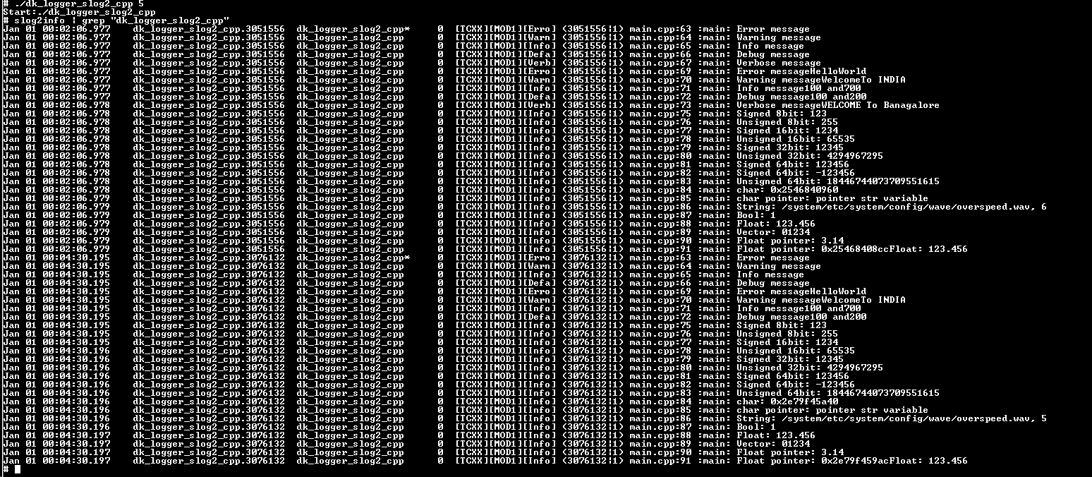
8 | 3 | 542863 | Logging debug messages to the Slogger2 daemon with log level DLT_LOG_INFO | 1. Open telnet sessions. 2. dk_logger.so library shall be available in target 3. Copy the dk_logger_slog2_cpp binary shal be in target | Run the command in terminal 1. cd system/usr/bin/dk_logger_FT/ 2. ./dk_logger_slog2_cpp 4 3. slog2info | grep "dk_logger_slog2_cpp" | Result on the console: 1. main: Error message 2. main: Warning message 3. main: Info message 4. main: Error message HelloWorld 5. main: Warning messageWelcomeTo INDIA 6. main: Info message100 and700 7. main: Signed 8bit: 123 8. main: Unsigned 8bit: 255 9.main: Signed 16bit: 1234 10.main: Unsigned 16bit: 65535 11.main: Signed 32bit: 12345 12.main: Unsigned 32bit: 4294967295 13.main: Signed 64bit: 123456 14.main: Signed 64bit: -123456 15.main: Unsigned 64bit: 18446744073709551615 16.main: char: 0x3a872d0980 17.main: char pointer: pointer str variable 18.main: String: /system/etc/system/config/wave/overspeed.wav, 4 19.main: Bool: 1 20.main: Float Pointer: 19313c097 Float: 123.456001 |  |  | 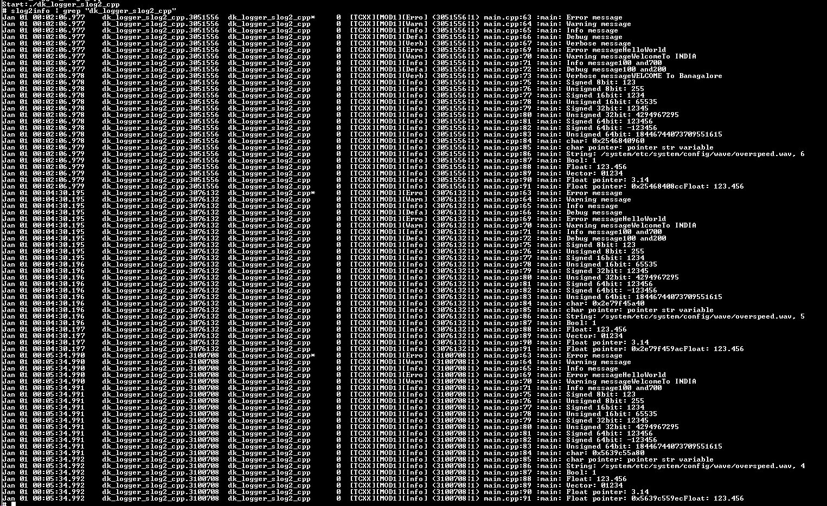
9 | 4 | 542863 | Logging debug messages to the Slogger2 daemon with log level DLT_LOG_WARN | 1. Open telnet sessions. 2. dk_logger.so library shall be available in target 3. Copy the dk_logger_slog2_cpp binary shal be in target | Run the command in terminal 1. cd system/usr/bin/dk_logger_FT/ 2. ./dk_logger_slog2_cpp 3 3. slog2info | grep "dk_logger_slog2_cpp" | Result on the console: 1. main: Error message 2. main: Warning message 3. main: Error message HelloWorld 4. main: Warning message WelcomeTo INDIA
10 | 5 | 542863 | Logging debug messages to the Slogger2 daemon with log level DLT_LOG_ERROR | 1. Open telnet sessions. 2. dk_logger.so library shall be available in target 3. Copy the dk_logger_slog2_cpp binary shal be in target | Run the command in terminal 1. cd system/usr/bin/dk_logger_FT/ 2. ./dk_logger_slog2_cpp 2 3. slog2info | grep "dk_logger_slog2_cpp" | Result on the console: 1. main: Error message 2. main: Error messageHelloWorld

MULTIPLE THREAD
 | Git Project Area | https://git.bsp-os.visteon.com/platform | Pass | 0
 | Git Stream | dijkstra | Fail | 0
 | Module | logger | Pending | 0
 |  |  | Total | 0

Sl.No | Test Case | Requirement ID | Test Description | Pre-Test Condition | Procedure | Expected Result | Pass / Fail | Comments

C Functional Test Application
1 | 1 |  | Registration and deregistration of one or more context per application with in multiple threads | 1. Open telnet sessions. 2. dk_logger.so library shall be available in target 3. Copy the dk_logger_thread_c binary shal be in target | Run the command in terminal 1. cd system/usr/bin/dk_logger_FT/ 2. ./dk_logger_thread_c | "Result on the console: 1. (< pid >|2) main.c:37 :myThreadFun: Error message_thred_2 2. (< pid >|3) main.c:53 :myThreadFun_2: Error message_thred_3 3. (< pid >|2) main.c:38 :myThreadFun: Warning message_thred_2 4. (< pid >|3) main.c:54 :myThreadFun_2: Warning message_thred_3 5. (< pid >|2) main.c:39 :myThreadFun: Info message_thred_2 6. (< pid >|3) main.c:55 :myThreadFun_2: Info message_thred_3 7. (< pid >|2) main.c:40 :myThreadFun: Debug message_thred_2 8. (< pid >|3) main.c:56 :myThreadFun_2: Debug message_thred_3 9. (< pid >|2) main.c:41 :myThreadFun: Verbose message_thred_2 10.(< pid >|1) main.c:18 :main: Error message_thred_1 11.(< pid >|1) main.c:19 :main: Warning message_thred_1 12.(< pid >|1) main.c:20 :main: Info message_thred_1 13.(< pid >|1) main.c:21 :main: Debug message_thred_1 14.(< pid >|1) main.c:22 :main: Verbose message_thred_1
CXX Functional Test Application
2 | 1 |  | Registration and deregistration of one or more context per application with in multiple threads | 1. Open telnet sessions. 2. dk_logger.so library shall be available in target 3. Copy the dk_logger_thread_cpp binary shal be in target | Run the command in terminal 1. cd system/usr/bin/dk_logger_FT/ 2. ./dk_logger_thread_cpp | "Result on the console: 1. (< pid >|2) main.cpp:23 :thread2: Error message_thred_2 2. (< pid >|3) main.cpp:10 :thread3: Error message_thred_3 3. (< pid >|2) main.cpp:24 :thread2: Warning message_thred_2 4. (< pid >|3) main.cpp:11 :thread3: Warning message_thred_3 5. (< pid >|2) main.cpp:25 :thread2: Info message_thred_2 6. (< pid >|3) main.cpp:12 :thread3: Info message_thred_3 7. (< pid >|2) main.cpp:26 :thread2: Debug message_thred_2 8. (< pid >|3) main.cpp:13 :thread3: Debug message_thred_3 9. (< pid >|2) main.cpp:27 :thread2: Verbose message_thred_2 10.(< pid >|1) main.cpp:42 :main: Error message_thred_1 11.(< pid >|1) main.cpp:43 :main: Warning message_thred_1 12.(< pid >|1) main.cpp:44 :main: Info message_thred_1 13.(< pid >|1) main.cpp:45 :main: Debug message_thred_1 14.(< pid >|1) main.cpp:46 :main: Verbose message_thred_1 |  | 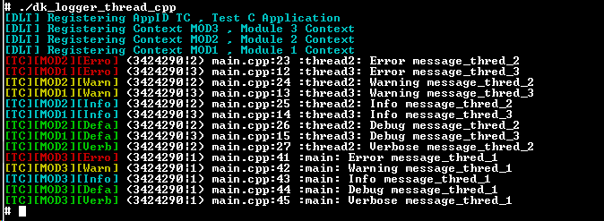

DLT
 | Git Project Area | https://git.bsp-os.visteon.com/platform | Pass | 0
 | Git Stream | dijkstra | Fail | 0
 | Module | logger | Pending | 0
 |  |  |  | 0

Sl.No | Test Case | Requirement ID | Test Description | Pre-Test Condition | Procedure | Expected Result | Pass / Fail | Comments

C Functional Test Application
1 | 1 | 543502 | Logging debug messages to the DLT daemon with log level DLT_LOG_VERBOSE | 1. Open telnet sessions. 2. dk_logger.so library shall be available in target 3. Copy the dk_logger_dlt_c binary shal be in target 4. dlt-daemon -c /etc/dlt.conf shall be running | Run the command in terminal 1. cd system/usr/bin/dk_logger_FT/ 2. ./dk_logger_dlt_c 6 3. Connect DLT viewer to target 4. Add filter Apid with "TC" | Result on the DLT viewer: 1. main : Error message 2. main : Warning message 3. main : Info message 4. main : Debug message 5. main : Verbose message 6. main : Error message Hello World 7. main : Warning message Welcome To INDIA 8. main : Info message 100 and 700 9. main : Debug message 100 and 200 10.main : Verbose message WELCOME To Banagalore 11 main: Float Pointer: 3.140000 12 main: Float Pointer: 73e235b3c Float:123.45601 |  | 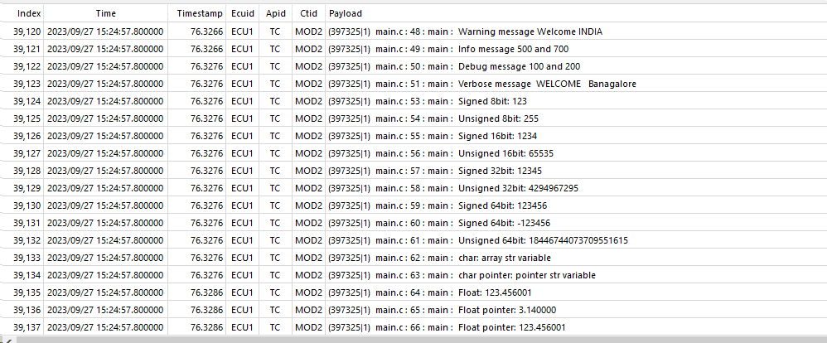 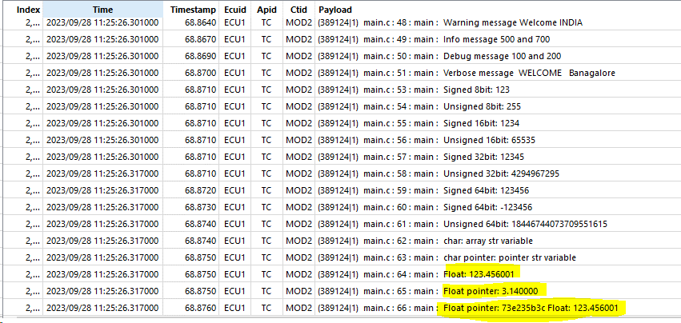
2 | 2 | 543502 | Logging debug messages to the DLT daemon with log level DLT_LOG_DEBUG | 1. Open telnet sessions. 2. dk_logger.so library shall be available in target 3. Copy the dk_logger_dlt_c binary shal be in target 4. dlt-daemon -c /etc/dlt.conf shall be running | Run the command in terminal 1. cd system/usr/bin/dk_logger_FT/ 2. ./dk_logger_dlt_c 5 3. Connect DLT viewer to target 4. Add filter Apid with "TC" | Result on the DLT viewer: 1. main : Error message 2. main : Warning message 3. main : Info message 4. main : Debug message 5. main : Error message Hello World 6. main : Warning message Welcome To INDIA 7. main : Info message 100 and 700 8. main : Debug message 100 and 200 9 main: Float Pointer: 3.140000 10 main: Float Pointer: 73e235b3c Float:123.45601
3 | 3 | 543502 | Logging debug messages to the DLT daemon with log level DLT_LOG_INFO | 1. Open telnet sessions. 2. dk_logger.so library shall be available in target 3. Copy the dk_logger_dlt_c binary shal be in target 4. dlt-daemon -c /etc/dlt.conf shall be running | Run the command in terminal 1. cd system/usr/bin/dk_logger_FT/ 2. ./dk_logger_dlt_c 4 3. Connect DLT viewer to target 4. Add filter Apid with "TC" | Result on the DLT viewer: 1. main : Error message 2. main : Warning message 3. main : Info message 4. main : Error message Hello World 5. main : Warning message Welcome To INDIA 6. main : Info message 100 and 700 |  |  | 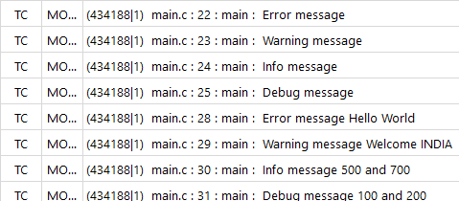
4 | 4 | 543502 | Logging debug messages to the DLT daemon with log levell DLT_LOG_WARN | 1. Open telnet sessions. 2. dk_logger.so library shall be available in target 3. Copy the dk_logger_dlt_c binary shal be in target 4. dlt-daemon -c /etc/dlt.conf shall be running | Run the command in terminal 1. cd system/usr/bin/dk_logger_FT/ 2. ./dk_logger_dlt_c 3 3. Connect DLT viewer to target 4. Add filter Apid with "TC" | Result on the DLT viewer: 1. main : Error message 2. main : Warning message 3. main : Error message Hello World 4. main : Warning message Welcome To INDIA
5 | 5 | 543502 | Logging debug messages to the DLT daemon with log level DLT_LOG_ERROR | 1. Open telnet sessions. 2. dk_logger.so library shall be available in target 3. Copy the dk_logger_dlt_c binary shal be in target 4. dlt-daemon -c /etc/dlt.conf shall be running | Run the command in terminal 1. cd system/usr/bin/dk_logger_FT/ 2. ./dk_logger_dlt_c 2 3. Connect DLT viewer to target 4. Add filter Apid with "TC" | Result on the DLT viewer: 1. main : Error message 2. main : Error message Hello World
CXX Functional Test Application
6 | 1 | 543502 | Logging debug messages to the DLT daemon with log level DLT_LOG_VERBOSE | 1. Open telnet sessions. 2. dk_logger.so library shall be available in target 3. Copy the dk_logger_dlt_cpp binary shal be in target 4. dlt-daemon -c /etc/dlt.conf shall be running | Run the command in terminal 1. cd system/usr/bin/dk_logger_FT/ 2. ./dk_logger_dlt_cpp 6 3. Connect DLT viewer to target 4. Add filter Apid with "TC" | Result on the DLT viewer: 1. main : Error message 2. main : Warning message 3. main : Info message 4. main : Debug message 5. main : Verbose message 6. main : Error message Hello World 7. main : Warning message Welcome To INDIA 8. main : Info message 100 and 700 9. main : Debug message 100 and 200 10.main : Verbose message WELCOME To Banagalore 11.main: Vector: 0 1 2 3 4 12.main: Float Pointer: 3.140000 13.main: Float Pointer: 73e235b3c Float:123.45601
7 | 2 | 543502 | Logging debug messages to the DLT daemon with log level DLT_LOG_DEBUG | 1. Open telnet sessions. 2. dk_logger.so library shall be available in target 3. Copy the dk_logger_dlt_cpp binary shal be in target 4. dlt-daemon -c /etc/dlt.conf shall be running | Run the command in terminal 1. cd system/usr/bin/dk_logger_FT/ 2. ./dk_logger_dlt_cpp 5 3. Connect DLT viewer to target 4. Add filter Apid with "TC" | Result on the DLT viewer: 1. main : Error message 2. main : Warning message 3. main : Info message 4. main : Debug message 5. main : Error message Hello World 6. main : Warning message Welcome To INDIA 7. main : Info message 100 and 700 8. main : Debug message 100 and 200 9.main: Vector: 0 1 2 3 4 10.main: Float Pointer: 3.140000 11.main: Float Pointer: 73e235b3c Float:123.45601
8 | 3 | 543502 | Logging debug messages to the DLT daemon with log level DLT_LOG_INFO | 1. Open telnet sessions. 2. dk_logger.so library shall be available in target 3. Copy the dk_logger_dlt_cpp binary shal be in target 4. dlt-daemon -c /etc/dlt.conf shall be running | Run the command in terminal 1. cd system/usr/bin/dk_logger_FT/ 2. ./dk_logger_dlt_cpp 4 3. Connect DLT viewer to target 4. Add filter Apid with "TC" | Result on the DLT viewer: 1. main : Error message 2. main : Warning message 3. main : Info message 4. main : Error message Hello World 5. main : Warning message Welcome To INDIA 6. main : Info message 100 and 700
9 | 4 | 543502 | Logging debug messages to the DLT daemon with log levell DLT_LOG_WARN | 1. Open telnet sessions. 2. dk_logger.so library shall be available in target 3. Copy the dk_logger_dlt_cpp binary shal be in target 4. dlt-daemon -c /etc/dlt.conf shall be running | Run the command in terminal 1. cd system/usr/bin/dk_logger_FT/ 2. ./dk_logger_dlt_cpp 3 3. Connect DLT viewer to target 4. Add filter Apid with "TC" | Result on the DLT viewer: 1. main : Error message 2. main : Warning message 3. main : Error message Hello World 4. main : Warning message Welcome To INDIA
10 | 5 | 543502 | Logging debug messages to the DLT daemon with log level DLT_LOG_ERROR | 1. Open telnet sessions. 2. dk_logger.so library shall be available in target 3. Copy the dk_logger_dlt_cpp binary shal be in target 4. dlt-daemon -c /etc/dlt.conf shall be running | Run the command in terminal 1. cd system/usr/bin/dk_logger_FT/ 2. ./dk_logger_dlt_cpp 2 3. Connect DLT viewer to target 4. Add filter Apid with "TC" | Result on the DLT viewer: 1. main : Error message 2. main : Error message Hello World

 |  |  | f

