Cover


Traceability
S.No | Requirement | Reference Document | Version | CDSID
1 | Resource Monitor SRS | 818055- Resource Monitor Software Requirements Specification-20200910_044332414.pdf | Initial version | dmuruge2

Revision History
S.No | Date | Descritpion | Version | CDSID
1 | 30-Jun-20 | Initial revision | 1.0 | dmuruge2
2 | 24-Sep-20 | Updated process name and steps. | 1.1 | mmanamku
3 | 25-Sep-20 | minor formatting fixes | 1.1.1 | asundar6

RES_MON FTP
General Pre-Test Condition1: 1. Ensure openssl utility is located in targets file system path"system/usr/bin/". 2. Ensure tar utility is located in targets file system path"system/bin/". 3. Ensure that target file system has persistent read-writeable file system path "/data/core_dumps" for the dumper utility to create core dump. 4. Ensure that target file system has persistent read-writeable file system path "/data/dlt_logs" for the dlt-qnx-system to place the system logs. 5. Ensure that offline log storage configuration file "dlt_logstorage.conf" is copied to the target file system path"/data/dlt_logs". General Pre-Test Condition2: 5. Ensure dumper utility is launched & running. 6. Ensure mq is launched before vmf server. 7. Ensure dlt-daemon is launched before dlt-qnx-system. 8. Ensure slogger2 is launched before dlt-qnx-system. 9. Ensure mq, vmf, dlt-qnx-system and dumper are launched before res_mon. Note: 1. Check the wdg_proxy configuration. If any process is restarted by that wdg_proxy, then killing those applications will automatically restart it with preset configuration. So, inorder to stop the application completely, it needs to be killed repeatedly till the restart limit. (Eg: slogger2 has a limit of 20 restarts, so inorder to test 2nd test case, kill slogger2 20 times) |  |  | Command to Launch resmon: res_mon -d 2 -uep Options Description : -d => interval in secs at which utilization metrics are gathered (default: 1 sec). -u => package upload facility enabled (default: disabled). -e => The packaged core dump and log files are encrypted(default: disabled). -p => DDR I/O utilization metrics are gathered (default: disabled). Dependent Processes: slogger2 dumper -d /data/core_dumps mq vmf dlt-daemon -c /etc/dlt.conf dlt-qnx-system res_mon | List of VMF Messages associated with res_mon: Rx Msgs: #define DK_MSG_HEALTH_DUMP_GET_HDR (0xE100) #define DK_MSG_HEALTH_DUMP_GET_DATA (0xE101) Tx Msgs: #define DK_MSG_HEALTH_DUMP_HDR_INFO (0xE200) #define DK_MSG_HEALTH_DUMP_DATA (0xE201) DK Component ID of res_mon: #define RES_MON_COMP_ID (10U) List of DLT Service IDs associated with res_mon: #define UPLOAD_PLAIN_LOG_DUMP_SERVICE_ID (0x1001) #define UPLOAD_ENCRYPT_LOG_DUMP_SERVICE_ID (0x1002)
Test case no.A1:H2F3A1:I2A1:I2A1:J2F3A1:I2A1:M2A1:L2A1:K2 | Requirement ID | Test Description | Pre-Test Condition | Test Operation | Expected Result | Pass / Fail | Mode of Testing | Test Group / Test CaseID | Comments | Test Results | Test Engineer ID

1 | 831414 | Verify if slogger2 registration is successful | Ensure General Pre-Test conditions 1 & 2 are met | 1. Launch res_mon if not running already. 2. Launch “slog2info -b res_mon”. | The system logs belonging to res_mon should be printed out in the console | Pass | manual |  | Add slmdepend vmf in res mon process in gp build slm primary.xml and add debug enabled macro in gp.cmake | 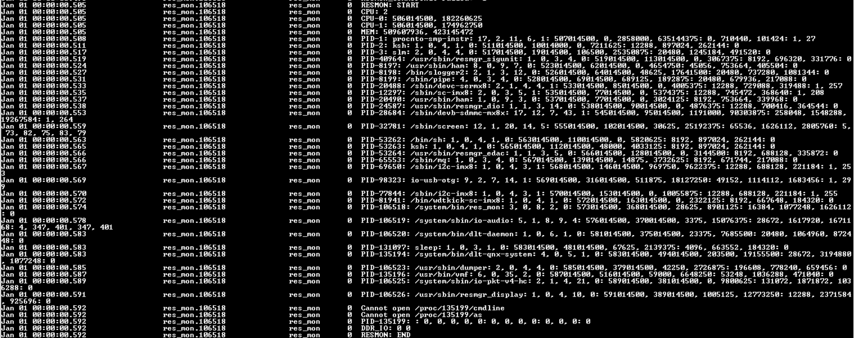 | cgoud
2 |  | Verify if slogger2 registration failed | Ensure General Pre-Test conditions 1 & 2 are met | 1. Kill the slogger2 service & res_mon if already launched & running. 2. Launch res_mon when slogger2 is not running. | 1. Below error log should be printed in the console "slog2_api: cannot connect to slogger2 server...errno=No such file or directory". 2. “slog2info -b res_mon” should not print any system logs with the latest timestamp. | Pass | manual |  | Remove slogger2 from the slm primary xml file so it wont run |  | cgoud
3 | 833939 | Verify if VMF connect & register is successful | 1. Ensure General Pre-Test conditions 1 & 2 are met. 2. Ensure that VMF Analyzer in the host PC could connect to VMF server in the target. | 1. Kill the res_mon if launched already. 2. Start the VMF Analyzer spy in the host PC. 3. Launch the "res_mon" with appropriate arguments | 1. VMF Spy window in the host PC should display a "CONNECT" & "REG_MSG_GROUP" message from the process "res_mon". 2. The data field of the "REG_MSG_GROUP" message shall display the registered msg group as 225 (0xE1). | Pass | manual |  |  |  | cgoud
4 |  | Verify if VMF connect & register failed | 1. Ensure General Pre-Test conditions 1 are met except that vmf & res_mon are not launched by default on target start-up. | 1. Ensure slogger is up & running. 2. Launch res_mon when vmf is not running. 3. Execute the below command "slog2info -b res_mon | grep ResMon_CommIfInit" | Verify if following line is displayed in the console. ResMon_CommIfInit Failed: -1 | Fail | manual
5 | 833942 | Verify if res_mon could successfully register with DLT service | Ensure General Pre-Test conditions 1 &2 are met. | 1. Ensure dlt-daemon is up & running with appropriate configuration file. 2. Ensure dlt-qnx-system is up & running. 3. Ensure res_mon is launched with -u option. | 1. DLT Viewer launched in the Host PC should be able to connect successfully to the target ECU. 2. DLT Viewer should display the system log messages emitted by res_mon | Pass | manual |  |  | 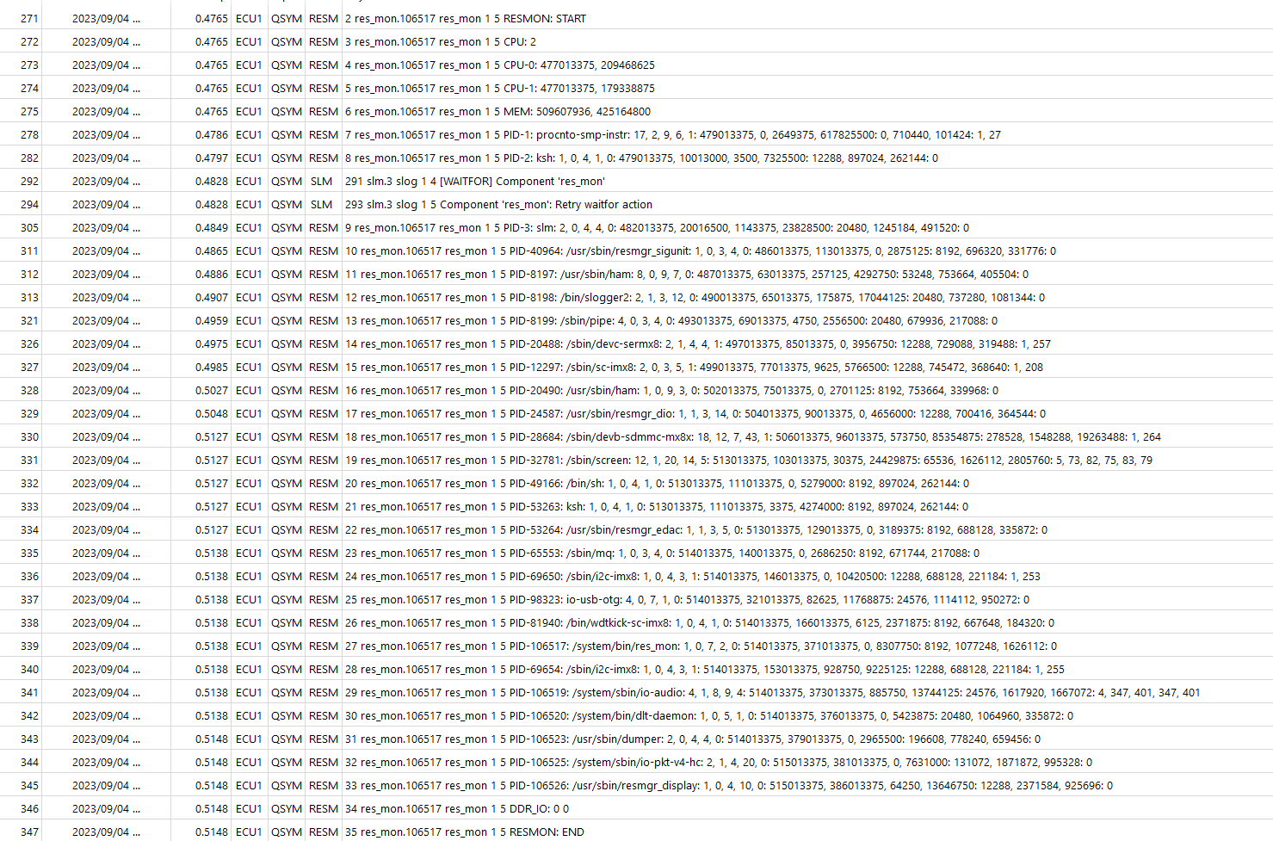 | cgoud
6 |  | Verify if res_mon registration with DLT service failed | Ensure General Pre-Test conditions 1 & 2 are met except that dlt-daemon & dlt-qnx-system are not launched by default on target start-up. | 1. Kill the dlt-daemon if already running. 2. Kill the dlt-qnx-system if already running. 3. Launch res_mon with -u option. | DLT Viewer launched in host PC should not be able to connect successfully with target ECU. | Pass | manual |  |  | No logs in dlt viewer | cgoud
7 | 833943 | Verify if res_mon could successfully enable DDR IO monitoring. | Ensure General Pre-Test conditions 1 &2 are met. | 1. Ensure res_mon is launched with -p option. 2. Execute the below command "slog2info -b res_mon” | The console output should include the below line displaying DDRs read & write speed. DDR_IO: <read_speed> <write_speed> | Pass | manual |  |  |  | cgoud
8 | 831418 | Verify if utilisation metrics are logged at configured verbosity | Ensure General Pre-Test conditions 1 &2 are met. | 1. Execute the below command "slog2info -b res_mon” | The system logs belonging to res_mon of logging severity >= SLOG2_INFO should be printed out in the console one shall see atleast the below prints: RESMON: START RESMON: END | Pass | manual |  |  |  | cgoud
9 | 833947 | Verify if CPU utilisation metrics of all the CPU cores are displayed at configured periodicity | Ensure General Pre-Test conditions 1 &2 are met. | 1. Execute the below command "slog2info -b res_mon” 2. The test shall be repeated for various periodicities by launching res_mon with various values following -d option. | The console output should include the below line displaying CPU index & monotonic time stamp & idle thread time in the below format for every 1 sec(default). CPU-<cpu index>: <monotonic timestamp>, <idle thread time in ns>" Example: CPU-0: 17959611606184, 17251921081587 | Pass | manual |  |  |  | cgoud
10 | 833965 | Verify if Available & Used values of physical memory are displayed at every configured periodicity | Ensure General Pre-Test conditions 1 &2 are met. | 1. Execute the below command "slog2info -b res_mon” 2. The test shall be repeated for various periodicities by launching res_mon with various values following -d option. | The console output should include the below line displaying Physical memory's available & Used bytes in the below format for every 1 sec(default). "MEM: <total phy mem>, <used phy mem>" Example: MEM: 1073215488, 928374784 | Pass | manual |  |  |  | cgoud
11 | 833967 | Verify if process metrics are displayed at every configured periodicity | Ensure General Pre-Test conditions 1 &2 are met. | 1. Execute the below command "slog2info -b res_mon” 2. The test shall be repeated for various periodicities by launching res_mon with various values following -d option. | The console output should include the below line displaying process metrics of each process running in the target in the below format for every 1 sec(default). "PID-<process ID>: <process name>: <thread count>, <timers count>, <file desc count>, <chan count>, <irq count>: <monotonic time stamp>, <start time in ns>, <sys running time in ns>, <user running time in ns>: <stack seg size>, <text seg size>, <data seg size>" : <comma separated list of irq vector indices>" Example: PID-856108: res_mon: 4, 0, 12, 2, 0: 27658301521576, 1593442029652521237, 16942779741, 23339318725: 65536, 1257472, 10792960: 0 | Pass | manual |  |  |  | cgoud
12 | 833971 834653 | Verify if VMF message "DK_MSG_HEALTH_DUMP_GET_HDR" triggers dlt logs & core dump packaging | Ensure General Pre-Test conditions 1 &2 are met. | 1. Launch the VMF Analyzer’s VMF Basic Message sender in the host. 2. Send a 3-byte message with group Id 0xE1 & MsgID 0x00 & 3byte Data 00 00 00 | 1. A new package should be created under /tmp/ with name "package-<monotonic sec>-<monotonic nsec>.tar.gz". 2. VMF Spy Window should display a new VMF Message with Group ID 0xE2 & Msg Id 0x00 and a 6byte payload carrying component ID, Msg Cnt & Package File size. | Pass | manual |  | 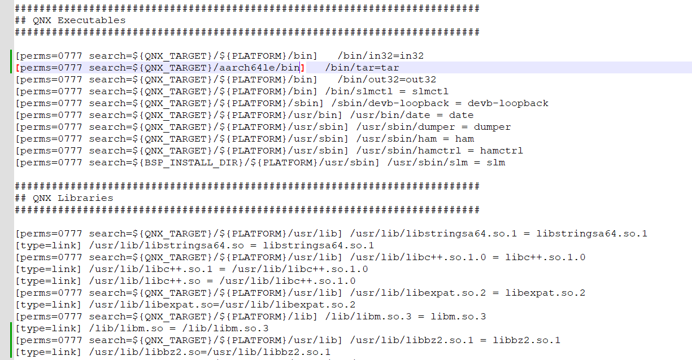 add tar path and library in imgbuild qnc core.build file |  | cgoud
13 | 833971 834653 | Verify if VMF message "DK_MSG_HEALTH_DUMP_GET_HDR" triggers encrypted packaging of dlt logs & core dump file. | 1. Ensure General Pre-Test conditions 1 &2 are met. 2. Ensure that res_mon is launched with -u (upload) and -e (encrypt) option. | 1. Launch the VMF Analyzer’s VMF Basic Message sender in the host. 2. Send a 3-byte message with group Id 0xE1 & MsgID 0x00 & 3byte Data 00 00 01 | 1. A new package should be created under /tmp/ with name "package-<monotonic sec>-<monotonic nsec>.dat". 2. VMF Spy Window should display a new VMF Message with Group ID 0xE2 & Msg Id 0x00 and a 6byte payload carrying component ID, Msg Cnt & Package File size. | Pass | manual |  |  Add openssl path in imgbuild qnx core.buld file |  | cgoud
14 | 833980 | Verify if VMF message "DK_MSG_HEALTH_DUMP_GET_DATA" triggers the chunked transfer of the packaged data. | Ensure General Pre-Test conditions 1 &2 are met. | 1. Launch the VMF Analyzer’s VMF Basic Message sender in the host. 2. Send a 3-byte message with group Id 0xE1 & MsgID 0x01 | 1. VMF Spy Window should display a new VMF Message with Group ID 0xE2 & Msg Id 0x01 and a32-byte payload. | Pass | manual |  | add tar path and library in imgbuild qnc core.build file |  | cgoud
15 | 833982 | Verify if DDR IO Utilization metrics are displayed at every configured periodicity | Ensure General Pre-Test conditions 1 &2 are met. | 1. Execute the below command "slog2info -b res_mon” 2. The test shall be repeated for various periodicities by launching res_mon with various values following -d option. | Th console output should include the below line displaying the DDR IO utilisation metrics in the below format for every 1 sec(default). "DDR_IO: <read speed> <write speed>" | Pass | manual |  |  |  | cgoud
16 | 834680 | Verify if remote DLT viewer could connect to target & display the DLT logs from target ECU. | 1. Ensure General Pre-Test conditions 1 &2 are met. 2. Ensure that host PC could ping target successfully. | 1. Launch the DLT viewer in host PC. 2. Enter the target ECUs IP & port no in which DLT daemon in target listens for the incoming connections from remote DLT clients (default: 3490) | 1. DLT Viewer should connect to target ECU successfully. 2. The DLT Viewer should display the live DLT logs from the target ECU . | Pass | manual |  |  | 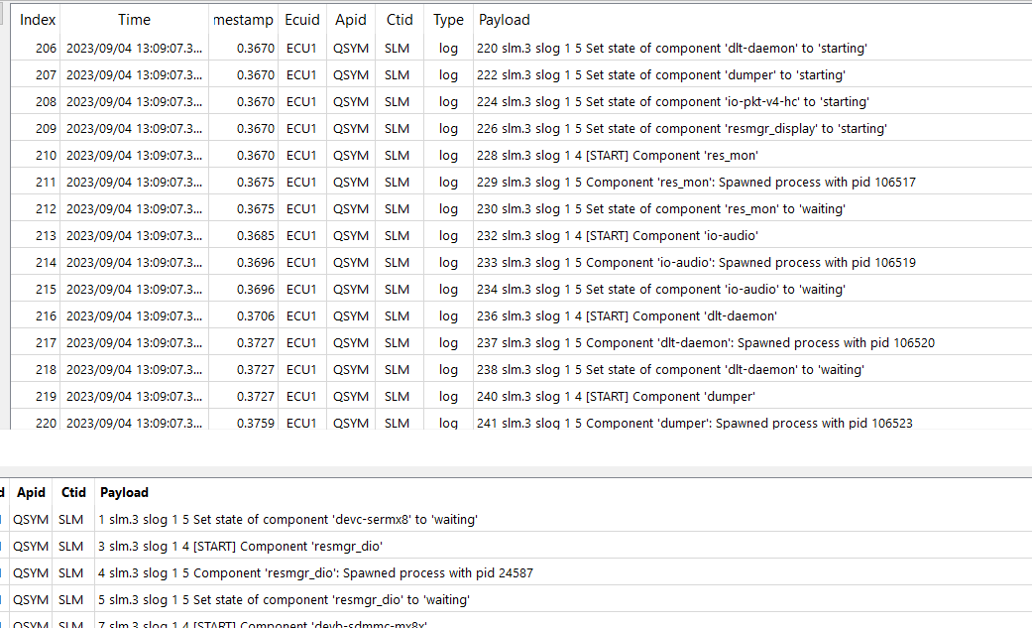 | cgoud
17 |  | Verify if DLT Service ID(UPLOAD_PLAIN_LOG_DUMP_SERVICE_ID) injected by remote DLT client could trigger plain packaging of DLT logs & core dump files | 1. Ensure General Pre-Test conditions 1 &2 are met. 2. Ensure that host PC could ping target successfully. 3. Ensure that DTL Viewer is connected successfully to target ECU. 3. Ensure that res_mon is launched with -u option(upload) | 1. Inject a service request from DLT Viewer with Application ID: RESM Contect ID: RESC Service ID: 4097 (UPLOAD_PLAIN_LOG_DUMP_SERVICE_ID) | 1. A new package should be created under /tmp/ with name "package-<monotonic sec>-<monotonic nsec>.tar.gz". | Pass | manual |  |  | File not received at the Host PC | cgoud
18 |  | Verify if DLT Service ID (UPLOAD_ENCRYPT_LOG_DUMP_SERVICE_ID) injected by remote DLT client could trigger encrypted packaging of DLT logs & core dump files | 1. Ensure General Pre-Test conditions 1 &2 are met. 2. Ensure that host PC could ping target successfully. 3. Ensure that DTL Viewer is connected successfully to target ECU. 4. Ensure that res_mon is launched with -u (upload) and -e (encrypt) option. | 1. Inject a service request from DLT Viewer with Application ID: RESM Contect ID: RESC Service ID: 4098 (UPLOAD_ENCRYPT_LOG_DUMP_SERVICE_ID) | 1. A new package should be created under /tmp/ with name "package-<monotonic sec>-<monotonic nsec>.dat". | Pass | manual |  |  | File not received at the Host PC | cgoud

