Context_Switch
NOTE | All test cases have been verified using the common baseline and aligned with the ECUAPPM XML configuration in the common baseline
Sl No | Test Case | Expected Behaviour | Actual Behaviour | Stub Code | Evidance | Result | Verified by
1 | 1)subscribe group2 for context switching. 2)while running software make grp2 context switching status as FALSE by using stub code. | once after making grp2 context switching status as FALSE, immedielty grp2 should deactivate. | same as expected | 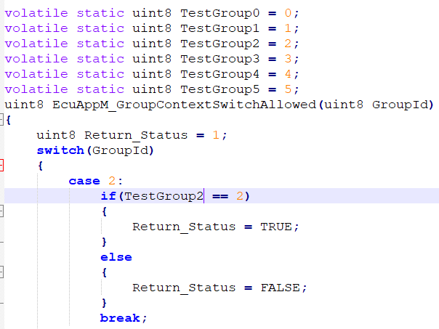 | 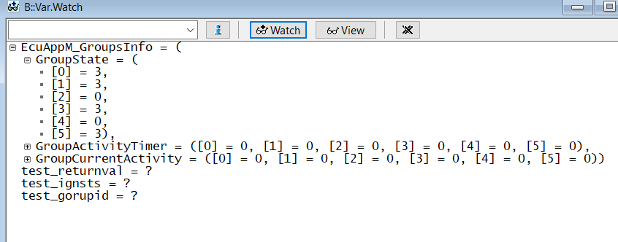 | PASS | akappa
2 | 1)subscribe group3 for context switching. 2)while running software make grp3 context switching status as FALSE by using stub code. | once after making grp3 context switching status as FALSE, immedielty grp3 should deactivate. | same as expected | 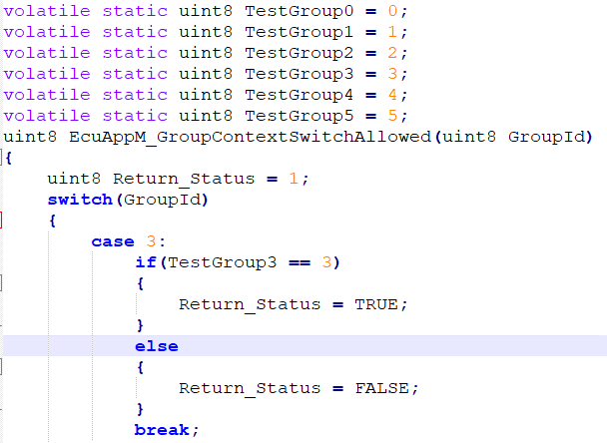 |  | PASS | akappa
3 | 1)subscribe group2 for context switching. 2)while running software make grp2 context switching status as TRUE by using stub code. | once after making grp2 context switching status as TRUE, immedielty grp2 should active. | same as expected |  |  | PASS | akappa
4 | 1)subscribe group3 for context switching. 2)while running software make grp3 context switching status as TRUE by using stub code. | once after making grp3 context switching status as TRUE, immedielty grp3 should active. | same as expected |  |  | PASS | akappa
5 | 1)subscribe group2 and 3 for context switching. 2)while running software make grp2 & 3 context switching status as TRUE by using stub code. 3)enable all sleep conditions as TRUE | with out any issue all groups should deactive properly and meter should go to sleep. | same as expected |  | 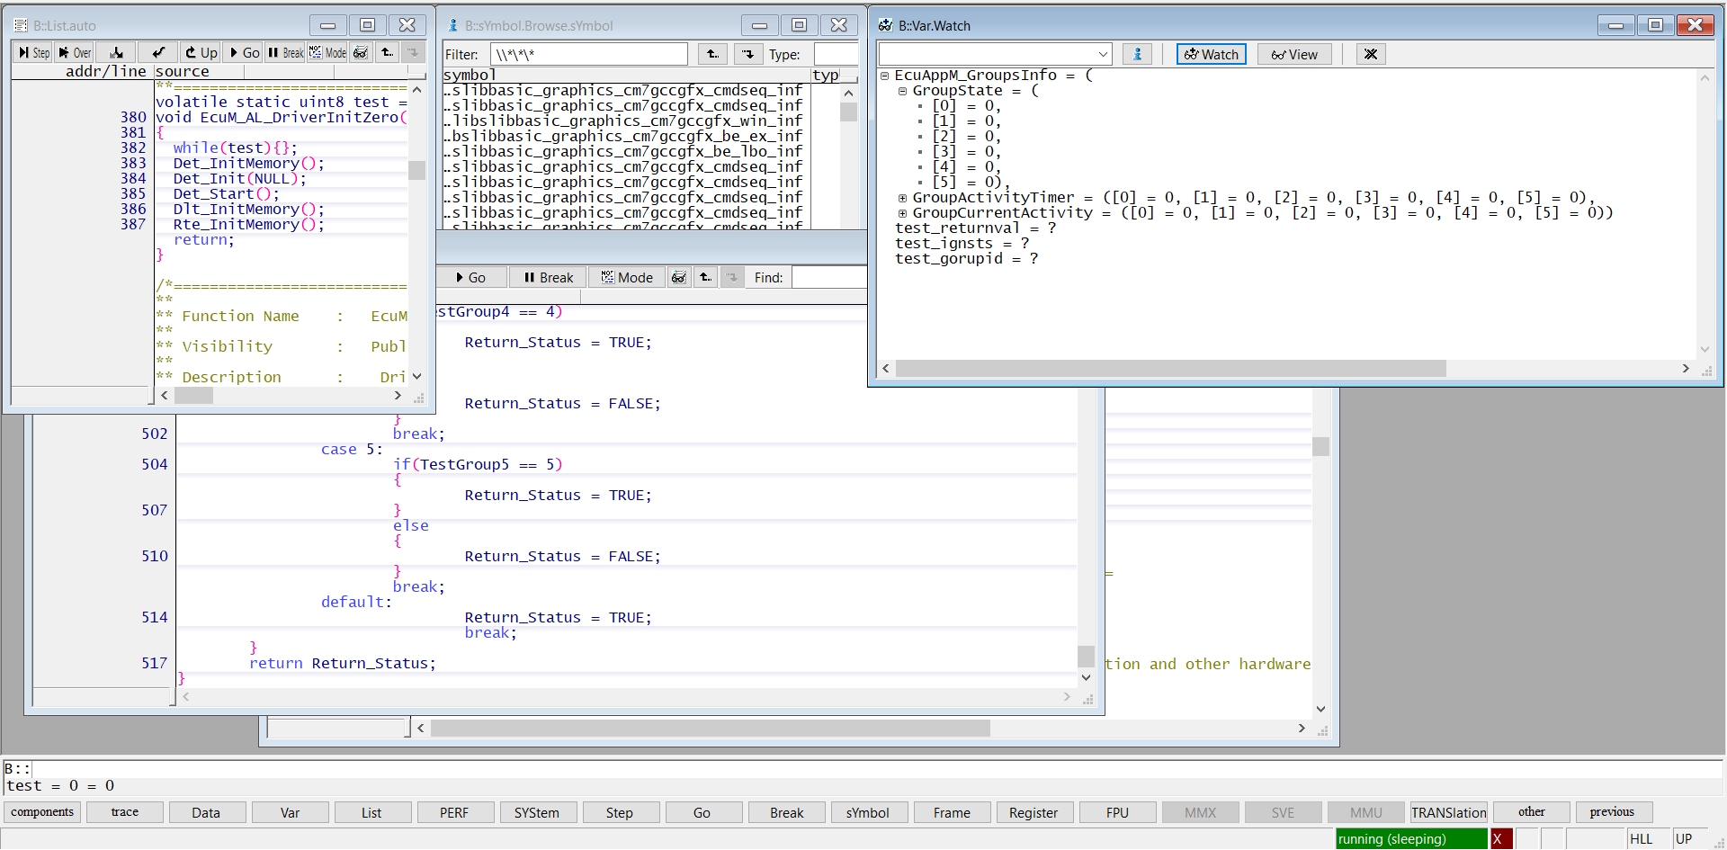 | PASS | akappa
6 | 1)subscribe group2 and 3 for context switching. 2)make grp2 & 3 context switching status as TRUE by default using stub code. 3)enable all wakeup conditions as TRUE | with out any issue all groups should activate properly and meter should wakeup. | same as expected |  | 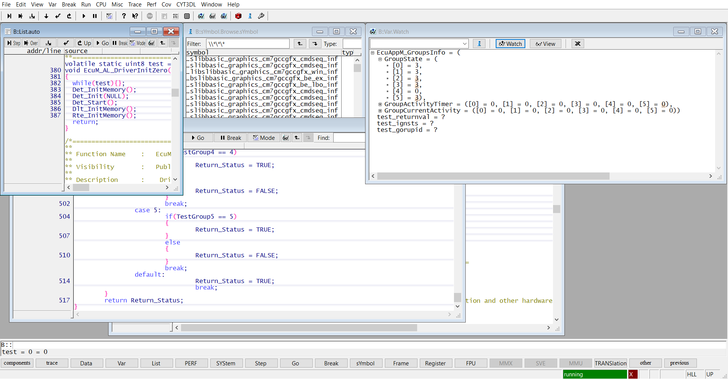 | PASS | akappa
7 | 1)subscribe group2 and 3 for context switching. 2)make grp2 & 3 context switching status as FALSE by default using stub code. 3)enable all wakeup conditions as TRUE | meter should wakeup with all groups activated except grp 2 &3 | same as expected |  | 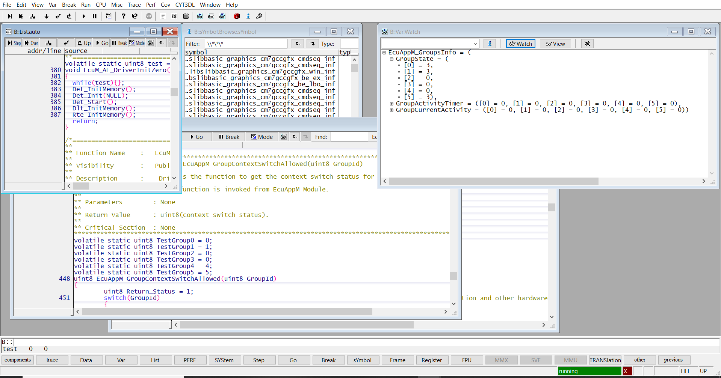 | PASS | akappa
8
9
10

Safety
NOTE+A1:H9A1:HA1:H11 | This testing is performed by configuring EcuAppM group 5 as a QM group and group 3 as an ASIL-A group in the common baseline
Sl No | Test Case | Expected Behaviour | Actual Behaviour | Stub Code | Evidance | Result | Verified by
1 | Write a value into the Safe RAM area with the Safe group component. | A reset should not occur while writing data into the Safe RAM area using the Safe group component. | same as expected | 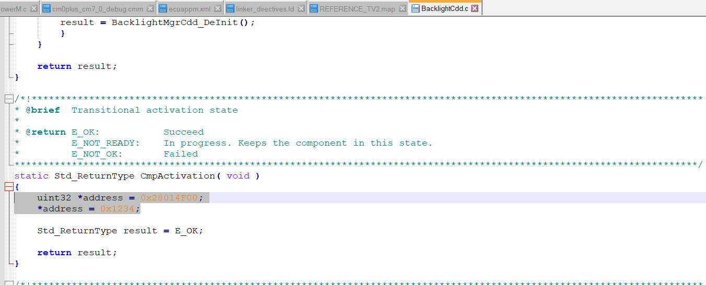 | 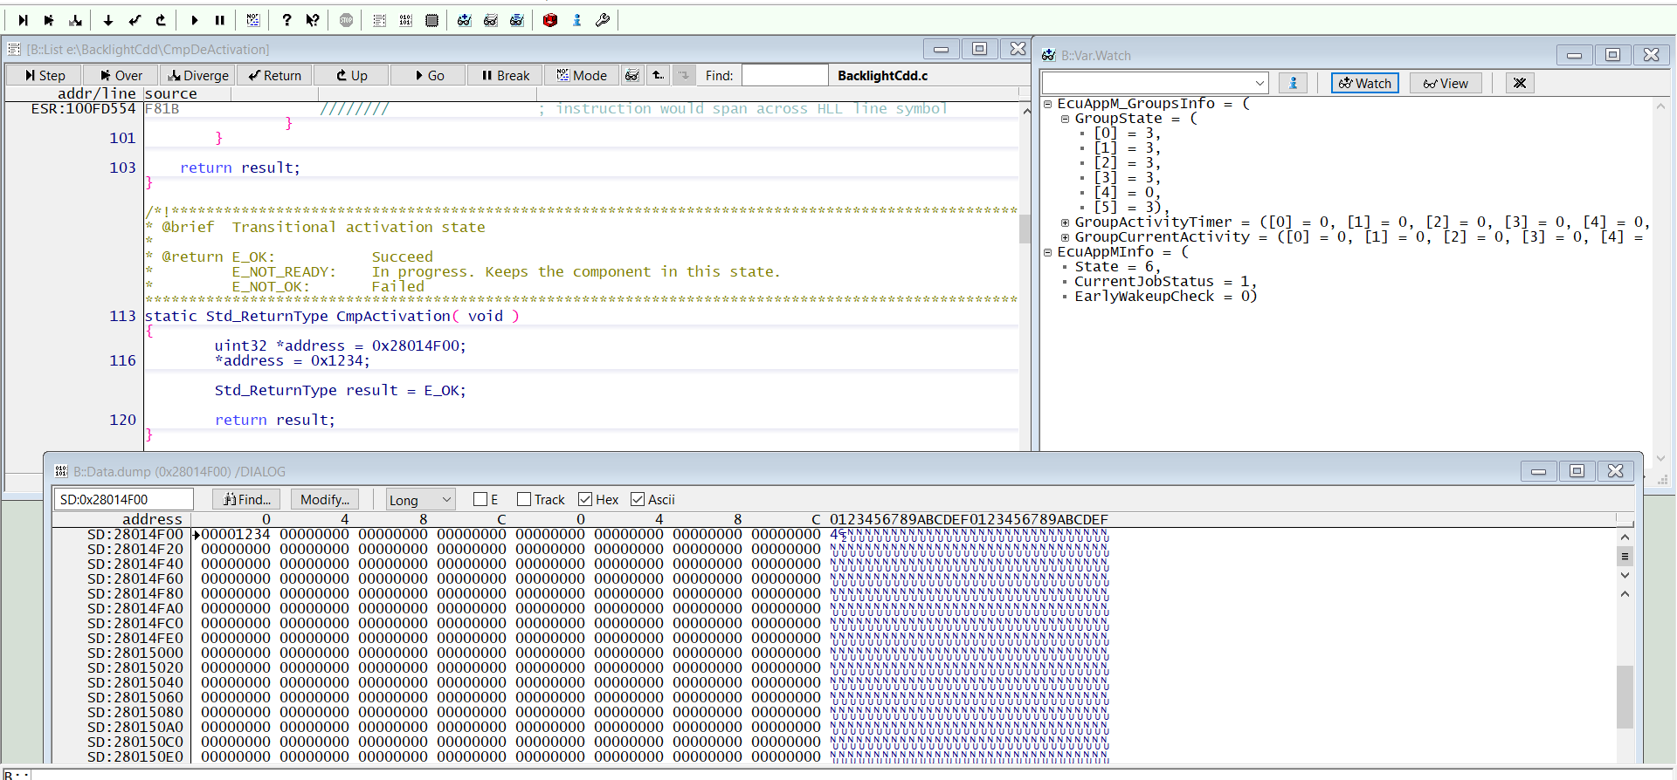 | PASS | akappa
2 | Write a value into the Safe RAM area with the QM group component. | A reset should occur while writing data into the Safe RAM area using the QM group component. | same as expected | 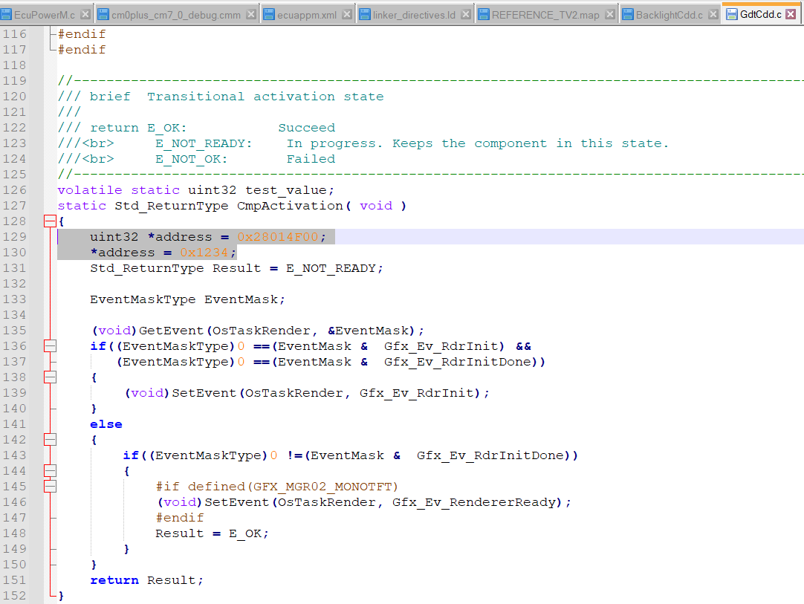 | 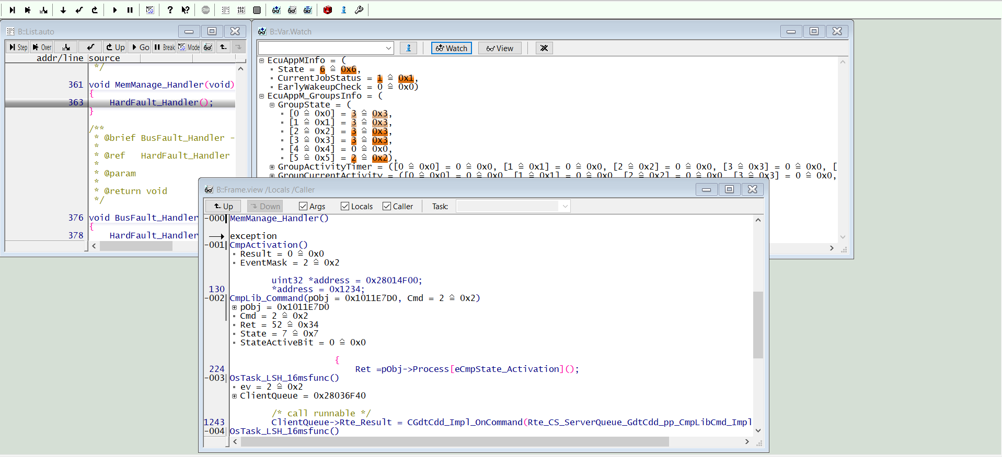 | PASS | akappa
3
4
5
6
7
8
9

