GrpsContextSwitchwithBattWakeup
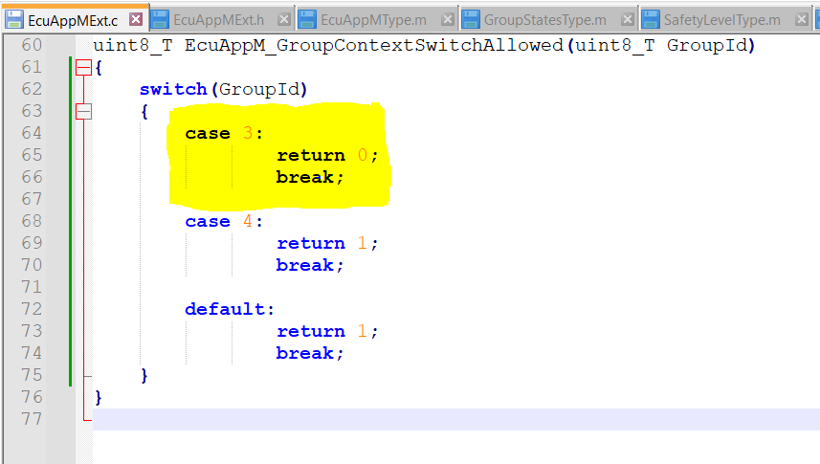
Time | WakeupEventOut | ApplicationSleepStateOut | EcuAppM_State(Expected Results) | EcuAppM_State(Actual Results) | Result
1 | 1 | 1 | 1 | 1 | PASS
2 | 1 | 1 | 1 | 1 | PASS
3 | 1 | 1 | 1 | 1 | PASS
4 | 1 | 1 | 1 | 1 | PASS
5 | 1 | 1 | 2 | 2 | PASS
6 | 1 | 1 | 2 | 2 | PASS | Grp3 Context swicthing enabled
7 | 1 | 1 | 3 | 3 | PASS
8 | 1 | 1 | 3 | 3 | PASS
9 | 1 | 1 | 4 | 4 | PASS
10 | 1 | 1 | 4 | 4 | PASS
11 | 1 | 1 | 4 | 4 | PASS
12 | 1 | 1 | 5 | 5 | PASS
13 | 1 | 1 | 5 | 5 | PASS
14 | 1 | 1 | 5 | 5 | PASS
15 | 1 | 1 | 5 | 5 | PASS
16 | 1 | 1 | 5 | 5 | PASS
17 | 1 | 1 | 5 | 5 | PASS
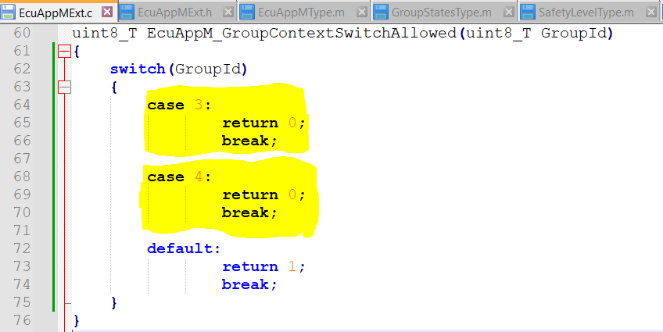
18 | 1 | 1 | 5 | 5 | PASS
19 | 1 | 1 | 5 | 5 | PASS
20 | 1 | 1 | 5 | 5 | PASS
21 | 1 | 1 | 5 | 5 | PASS
22 | 1 | 1 | 5 | 5 | PASS
23 | 1 | 1 | 5 | 5 | PASS
24 | 1 | 1 | 5 | 5 | PASS
25 | 1 | 1 | 5 | 5 | PASS | Grp3 & 4 Context swicthing enabled
26 | 0 | 0 | 6 | 6 | PASS
27 | 0 | 0 | 6 | 6 | PASS
28 | 0 | 0 | 6 | 6 | PASS
29 | 0 | 0 | 7 | 7 | PASS
30 | 0 | 0 | 7 | 7 | PASS
31 | 0 | 0 | 8 | 8 | PASS
32 | 0 | 0 | 8 | 8 | PASS
33 | 0 | 0 | 9 | 9 | PASS
34 | 0 | 0 | 9 | 9 | PASS
35 | 0 | 0 | 9 | 9 | PASS
36 | 0 | 0 | 9 | 9 | PASS
37 | 0 | 0 | 11 | 11 | PASS
38 | 0 | 0 | 11 | 11 | PASS
39 | 0 | 0 | 0 | 0 | PASS
40 | 0 | 0 | 0 | 0 | PASS
41 | 0 | 0 | 0 | 0 | PASS
42 | 0 | 0 | 0 | 0 | PASS
43 | 0 | 0 | 0 | 0 | PASS
44 | 0 | 0 | 0 | 0 | PASS
45 | 0 | 0 | 0 | 0 | PASS

