RTC_CDD
Software Version
Hardware Version

Test ID | SRD/ HSIS Version | Precondition | Signal Name | Test Point | Test Procedure /Sequence | Expected Behavior | Actual Behavior | Verification Method | Test Result | CDSID/ DATE | Evidence | Additional Info
RTCCDD_TEST_001 |  | 1. RTC Shall configured and enabled 2. Software Shall be flashed and power up the hardware | N/A | N/A | This test case is to test Set time implementation 1. Write a stub implementation using "RtcCdd_SetTime" and update the new time and date value in the user structure. 2. Pass the address of the User structure to the parameter of the function. 3. Write one more stub implementation to read back the set time using "RtcCdd_GetTime" and pass the user structure to read back the set time. 4. Ensure that the function are called in stub file first "RtcCdd_SetTime" and followed by "RtcCdd_GetTime" 4. Keep a break after the function execution of the Get time and add the user structure to watch variable. | 1. The time which is set through "RtcCdd_SetTime" shall be read back which some seconds updated in the user struture. | As Expected | Functional Testing | PASS | DRAJEND2/22-04-2025 | 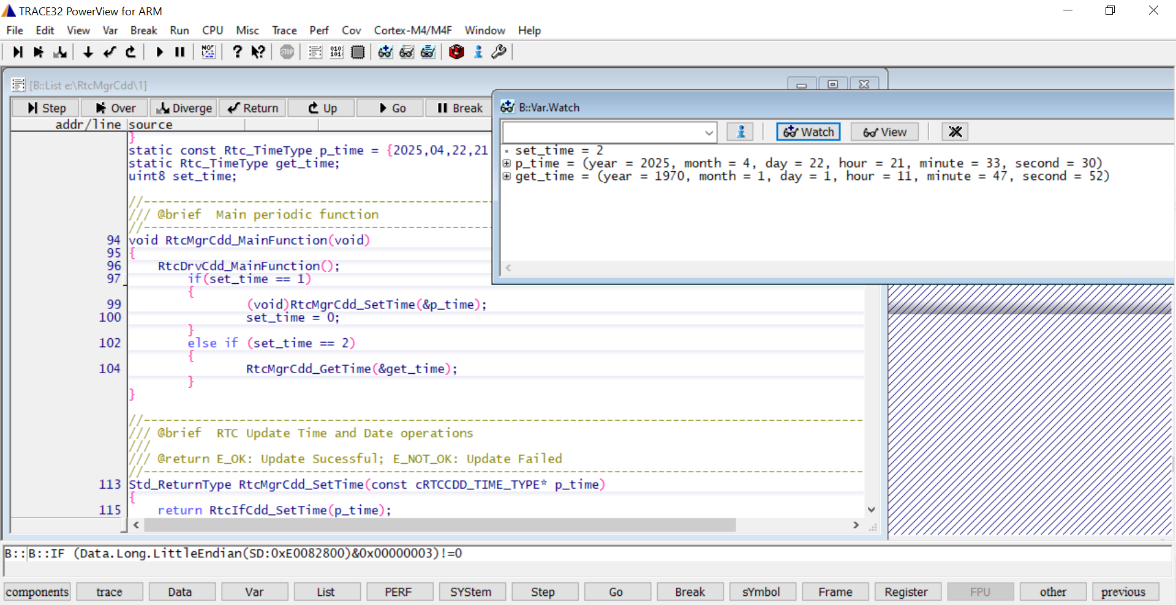
RTCCDD_TEST_002 |  | 1. RTC Shall configured and enabled 2. Software Shall be flashed and power up the hardware | N/A | N/A | 1. Write a stub implementation to get the current time using "RtcCdd_GetTime" and pass the address of the user structure to which current time gets updated. 2. Ensure that the functions "RtcCdd_GetTime" are called in the stub file. 4. Keep a break after the function execution of the Get time and add the user structure to watch variable. | The current time shall be updated in the user structure. | As Expected | Functional Testing | PASS | DRAJEND2/23-04-2025 | 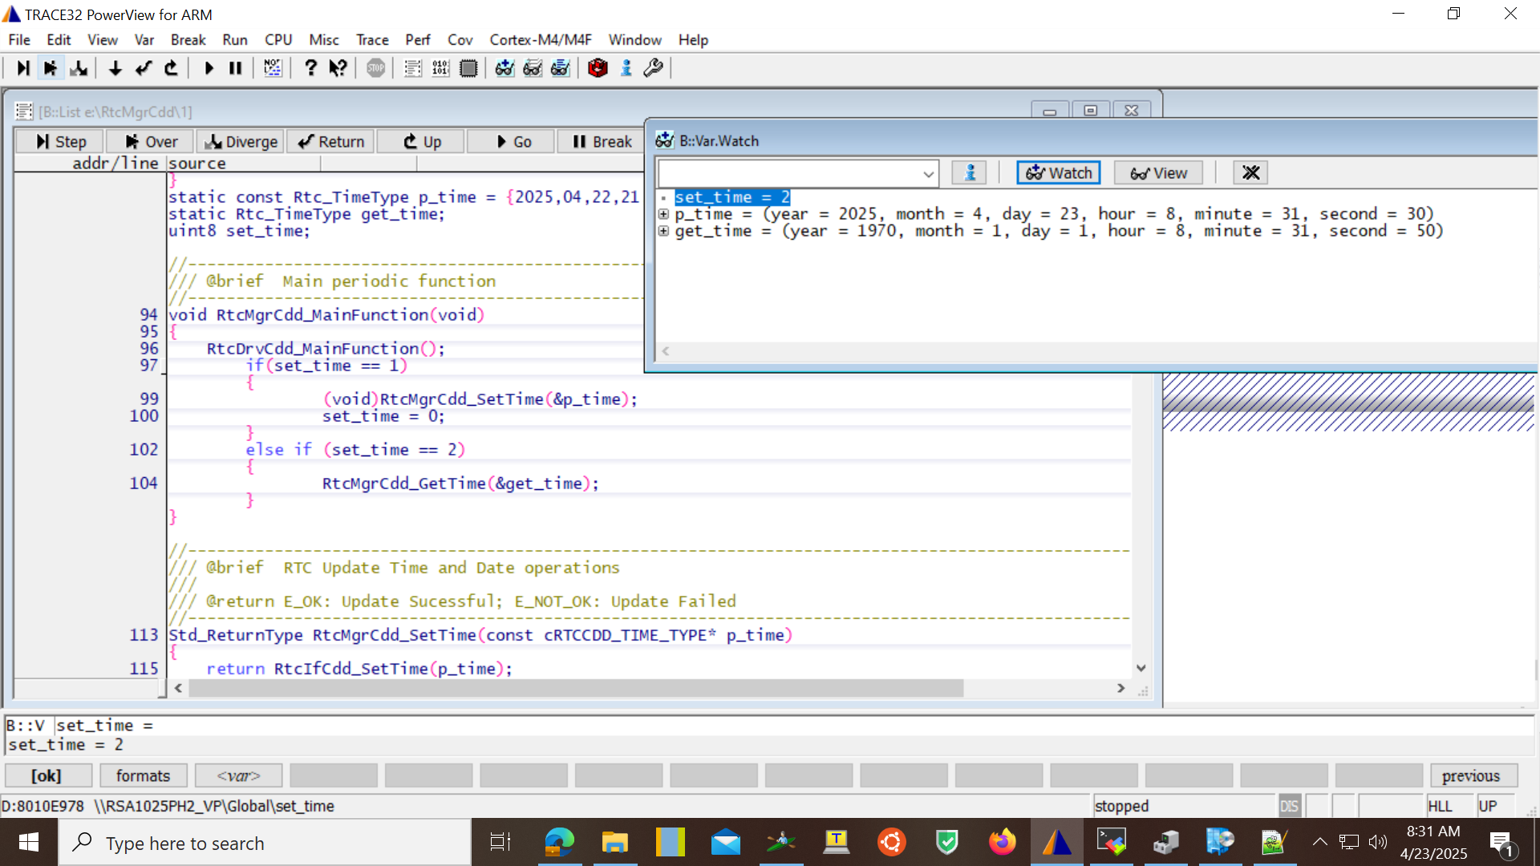
RTCCDD_TEST_003 |  | 1. RTC Shall configured and enabled 2. Software Shall be flashed and power up the hardware 3. Ensure the sleep is implemented in the software | N/A | N/A | This test case is to test whether the RTC value is retained after the sleep/wake cycle 1. Write a stub implementation using "RtcCdd_SetTime" and update the new time value in the user structure. 2. Pass the address of the User structure to the parameter of the function. 3. Write one more stub implementation to read back the set time using "RtcCdd_GetTime" and pass the user structure to read back the set time. 4. Ensure that all the functions are called in stub file first "RtcCdd_SetTime" and followed by "RtcCdd_GetTime". 4. Keep a break after the function execution of the Get time and add the user structure to watch variable. 5. Put the System into sleep state. 6. After few minutes wake up the system 7. Once the system is wake up, read back the time using "RtcCdd_GetTime". | The current time shall be read back even after the system wakes from the sleep. | As Expected | Functional Testing | PASS | DRAJEND2/23-04-2025 | 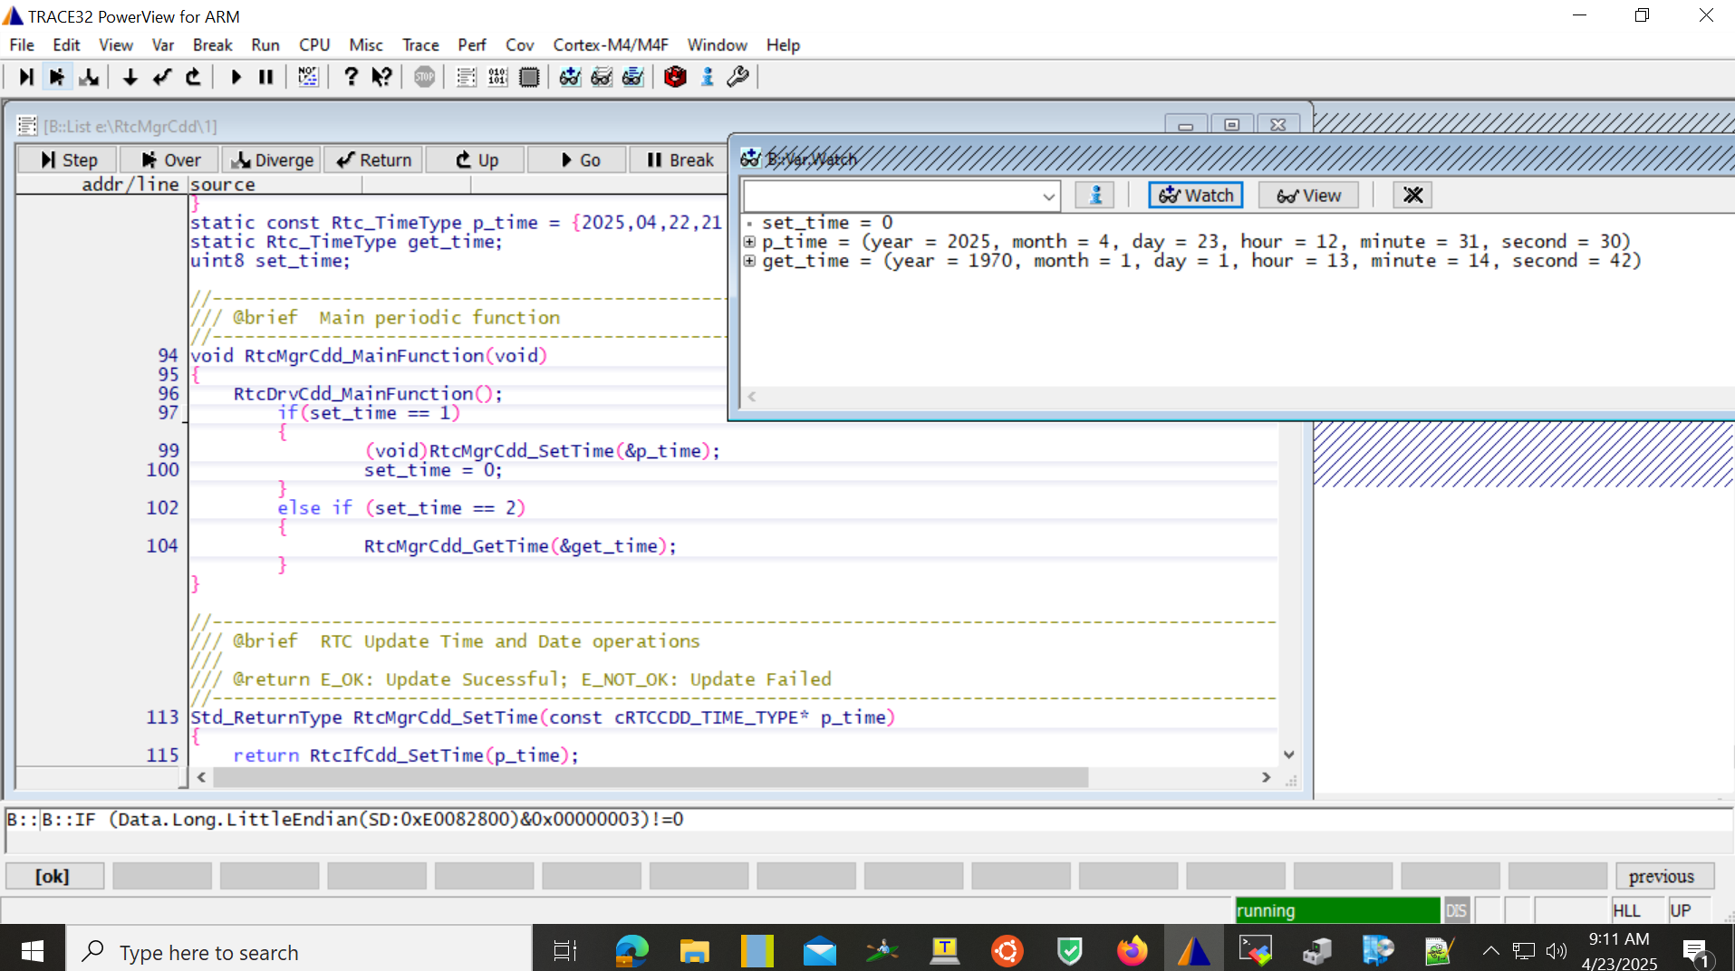
RTCCDD_TEST_004 |  | 1. RTC Shall configured and enabled 2. Software Shall be flashed and power up the hardware 3. Ensure the sleep is implemented in the software | NA | NA | This test cases is to test whether the RTC registers values are reloading to zero after reaching maximum values. 1. Write a stub implementation using "RtcCdd_SetTime" and update the new time value in the user structure. 2. Pass the address of the User structure to the parameter of the function. 3. Set the time values near to overflow values. 4. Write one more stub implementation to read back the set time and date using "RtcCdd_GetTime" and pass the user structures to read back the set time. 4. Ensure that all the functions are called in stub file first "RtcCdd_SetTime" and followed by "RtcCdd_GetTime". 5. Keep a break after the function execution of the Get time and add the user structure to watch variable. | The Current time value shall be reloaded to zero. | As Expected | Functional Testing | PASS | DRAJEND2/23-04-2025 | 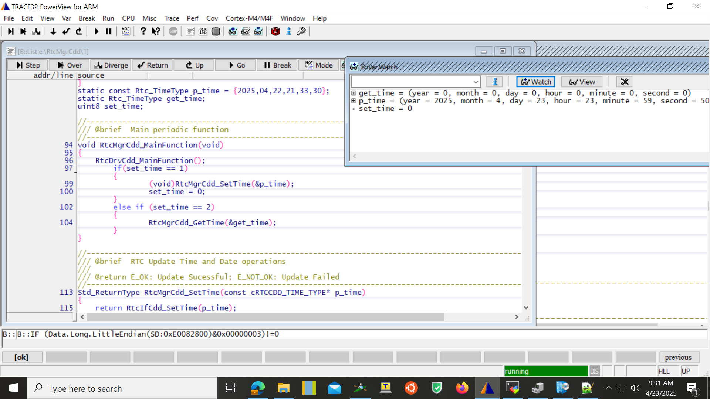
RTCCDD_TEST_005 |  | 1. RTC Shall configured and enabled 2. Software Shall be flashed and power up the hardware | N/A | N/A | This test case is to test Set time implementation 1. Write a stub implementation using "RtcCdd_SetTime" and update the new time and date value in the user structure. 2. Pass the address of the User structure to the parameter of the function. 3. Write one more stub implementation to read back the set time using "RtcCdd_GetTime" and pass the user structure to read back the set time. 4. Make the system run for 24hrs and come back to the testbench after 24hrs 5. Ensure that the function are called in stub file first "RtcCdd_SetTime" and followed by "RtcCdd_GetTime" 6. Keep a break after the function execution of the Get time and add the user structure to watch variable. | 1. The current PC time shall read back which some seconds updated in the user struture. | As Expected | Functional Testing | PASS | DRAJEND2/25-04-2025 | 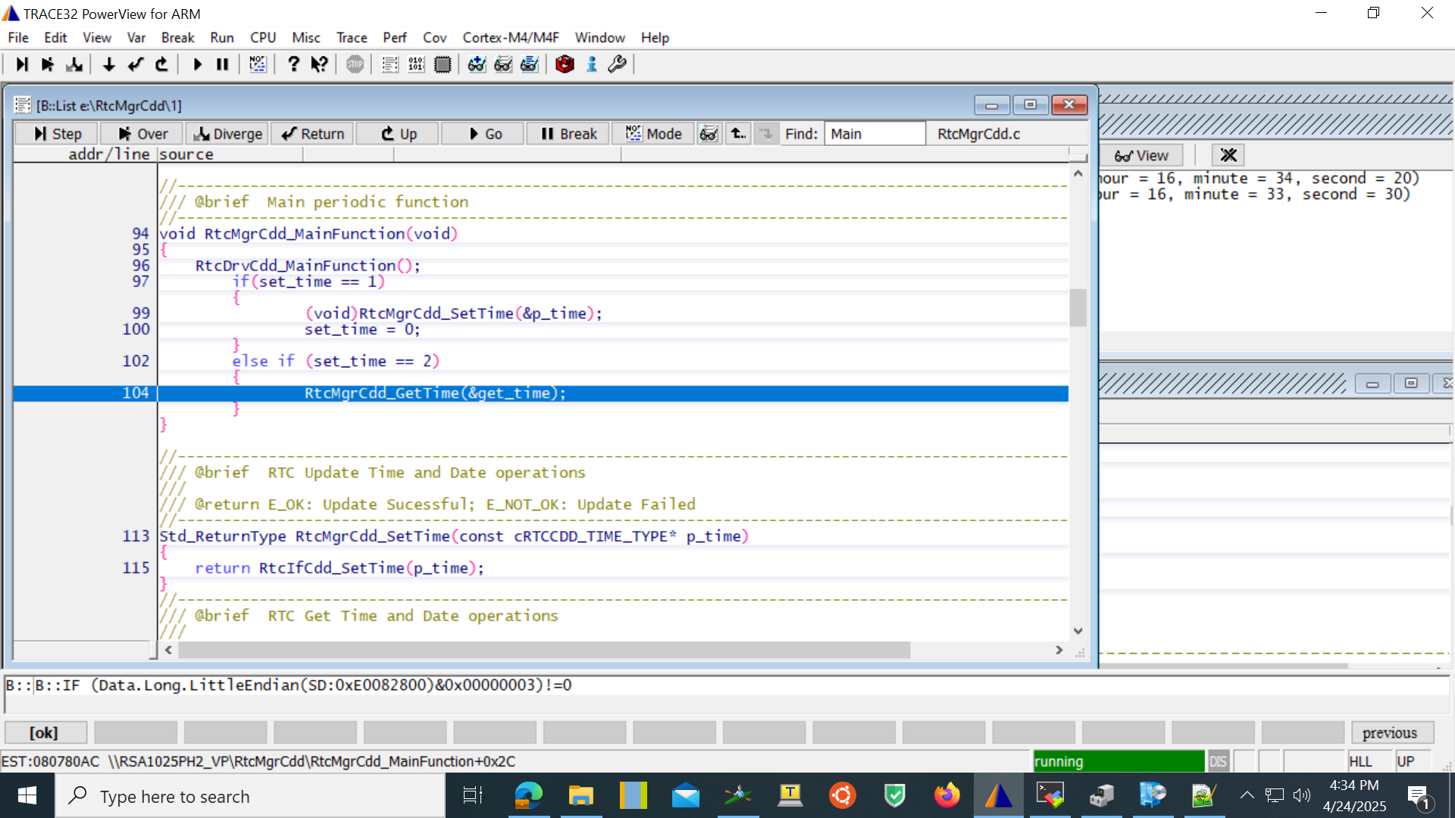
RTCCDD_TEST_006 |  | 1. RTC Shall configured and enabled 2. Software Shall be flashed and power up the hardware | N/A | N/A | This test case is to test Set time implementation 1. Write a stub implementation using "RtcCdd_SetTime" and update the new time and date value in the user structure. 2. Pass the address of the User structure to the parameter of the function. 3. Write one more stub implementation to read back the set time using "RtcCdd_GetTime" and pass the user structure to read back the set time. 4. Make the system sleep for 24hrs and come back to the testbench after 24hrs and wakeup the system. 5. Ensure that the function are called in stub file first "RtcCdd_SetTime" and followed by "RtcCdd_GetTime" 6. Keep a break after the function execution of the Get time and add the user structure to watch variable. | 1. The current PC time shall read back which some seconds updated in the user struture. | As Expected | Functional Testing | PASS | DRAJEND2/25-04-2025

