Testcases
Release Version | 1 |  | Metrics
 |  |  | Total cases | 10
 |  |  | Total cases passed | 10
 |  |  | Total cases failed | 0
Test ID | Test Procedure | Behavior |  | JIRA ID | REQ ID | Test Result | TESTED BY | DATE | Evidence | Remarks
 |  | Expected | Actual
IL-TC-1 | Check whether Ctrl and View Components' runnables are working | Both CmpActive should be called | Both CmpActive is called | W61632023-78414 MSIL32083-23937 | DICMBD-1331 DICMBD-1332 DICMBD-1340 DICMBD-1341 | PASS | AELANGO6 | 2025-06-26 | 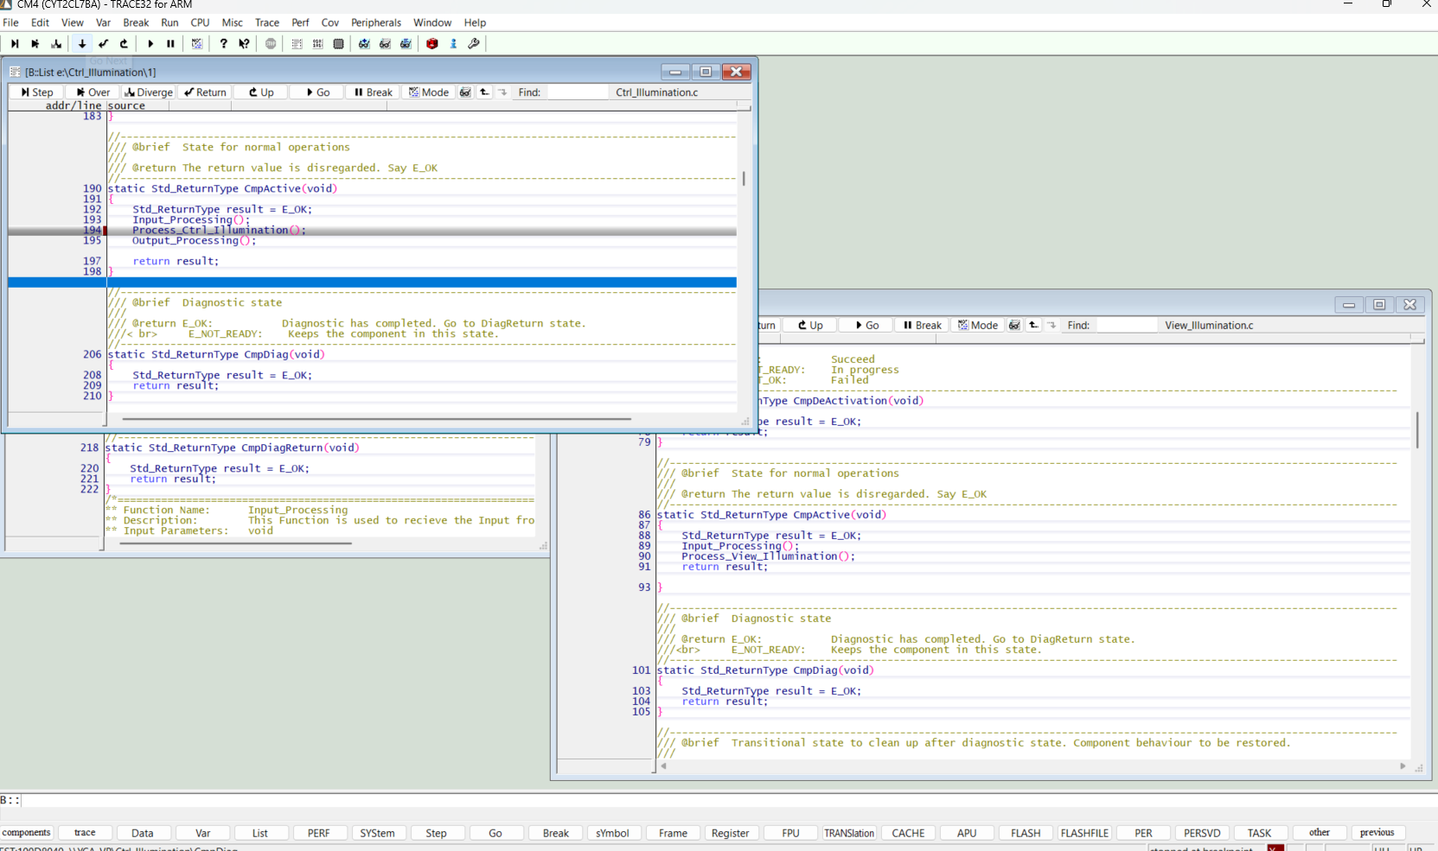 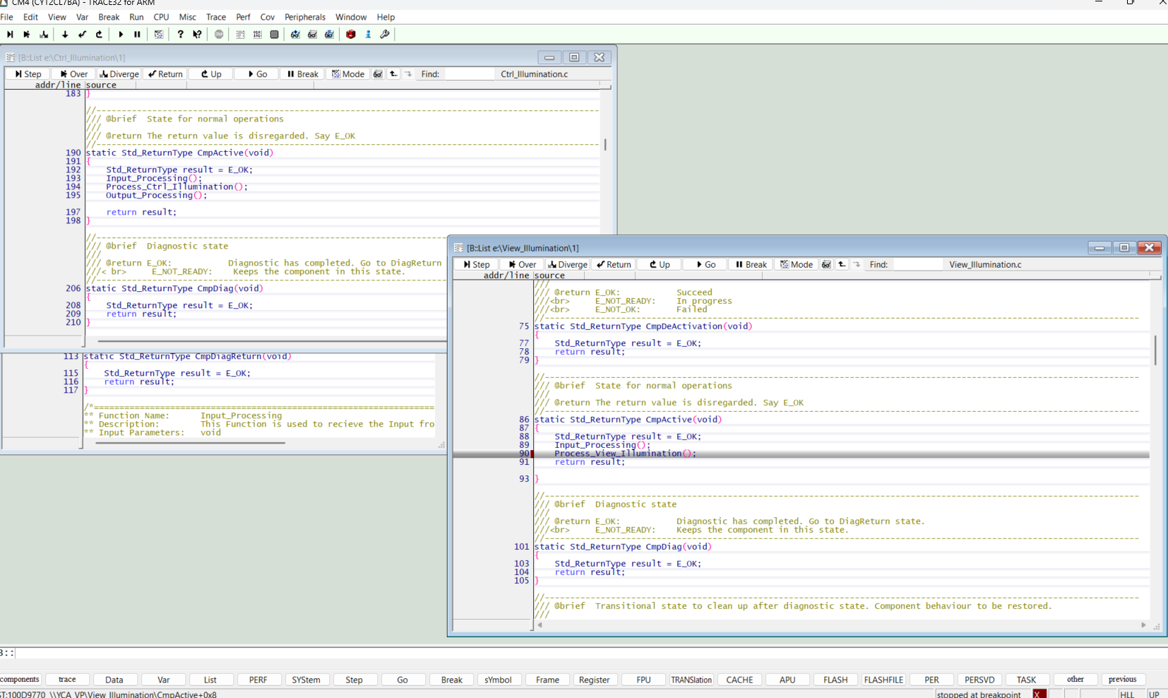
IL-TC-2 | Check whether all the data are received from Model to Ctrl Component and from Ctrl to View Component | Rte read and write verified fl_IllumMdlOp = fl_IllumCtrl_Ip fl_IllumCtrl_Op = fl_View_Ip | Rte read and write verified | W61632023-78414 MSIL32083-23937 | DICMBD-1331 DICMBD-1332 DICMBD-1340 DICMBD-1341 | PASS | AELANGO6 | 2025-06-26 | 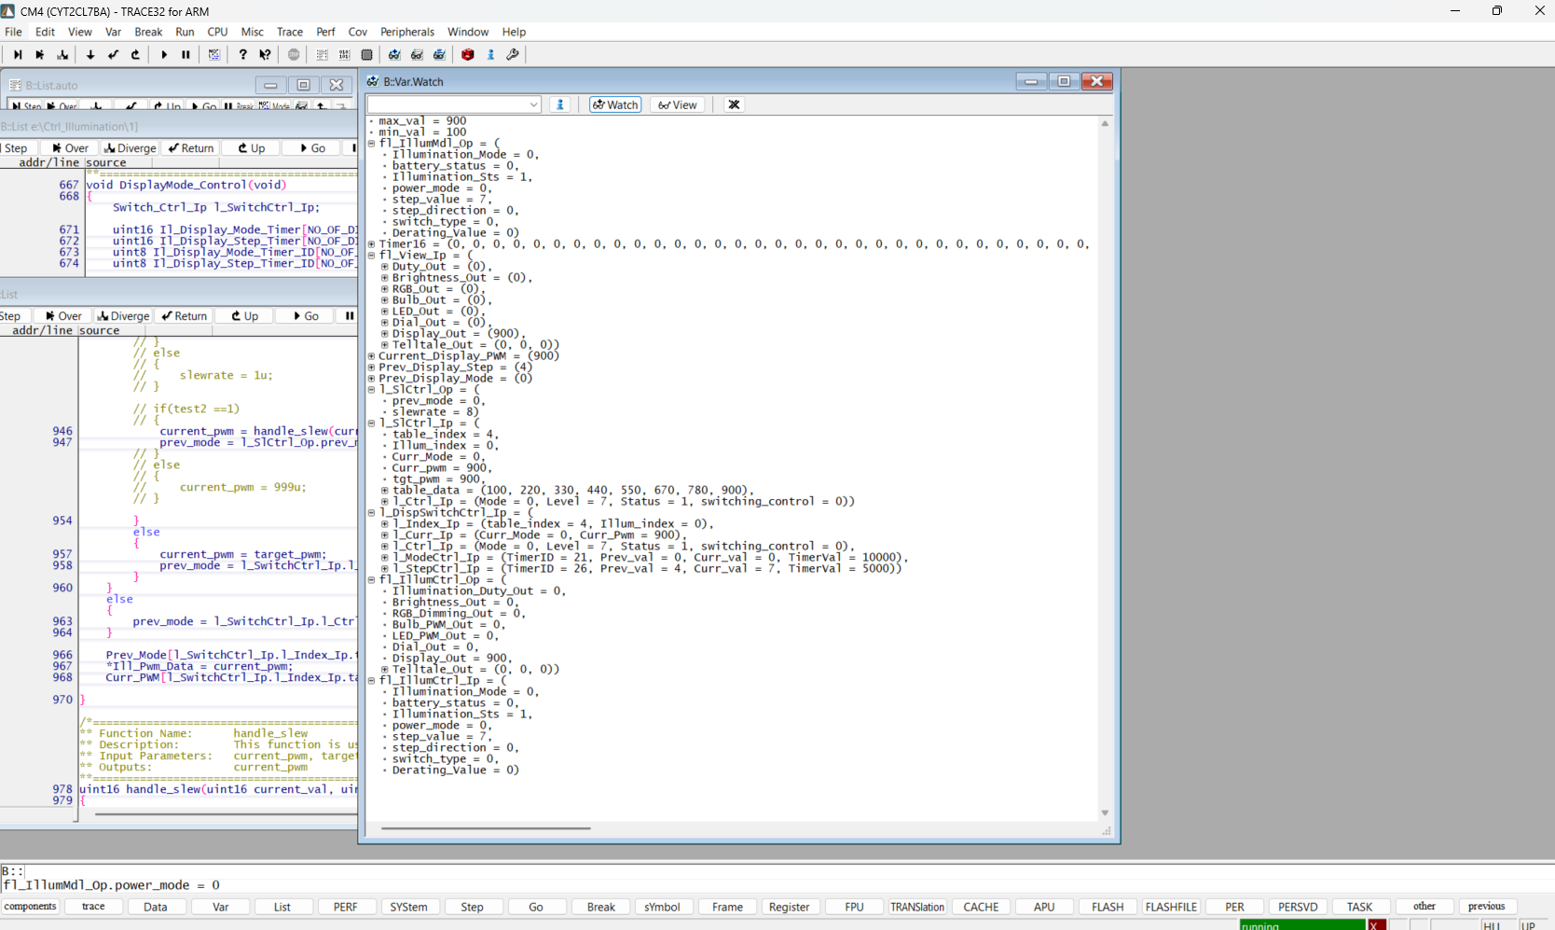
IL-TC-3 | Set Illumination status - Off from the model | Illumination feature will send PWM off i,e 0 | Illumination feature is sending PWM off i,e 0 | W61632023-78414 MSIL32083-23937 | DICMBD-1337 | PASS | AELANGO6 | 2025-06-26 | 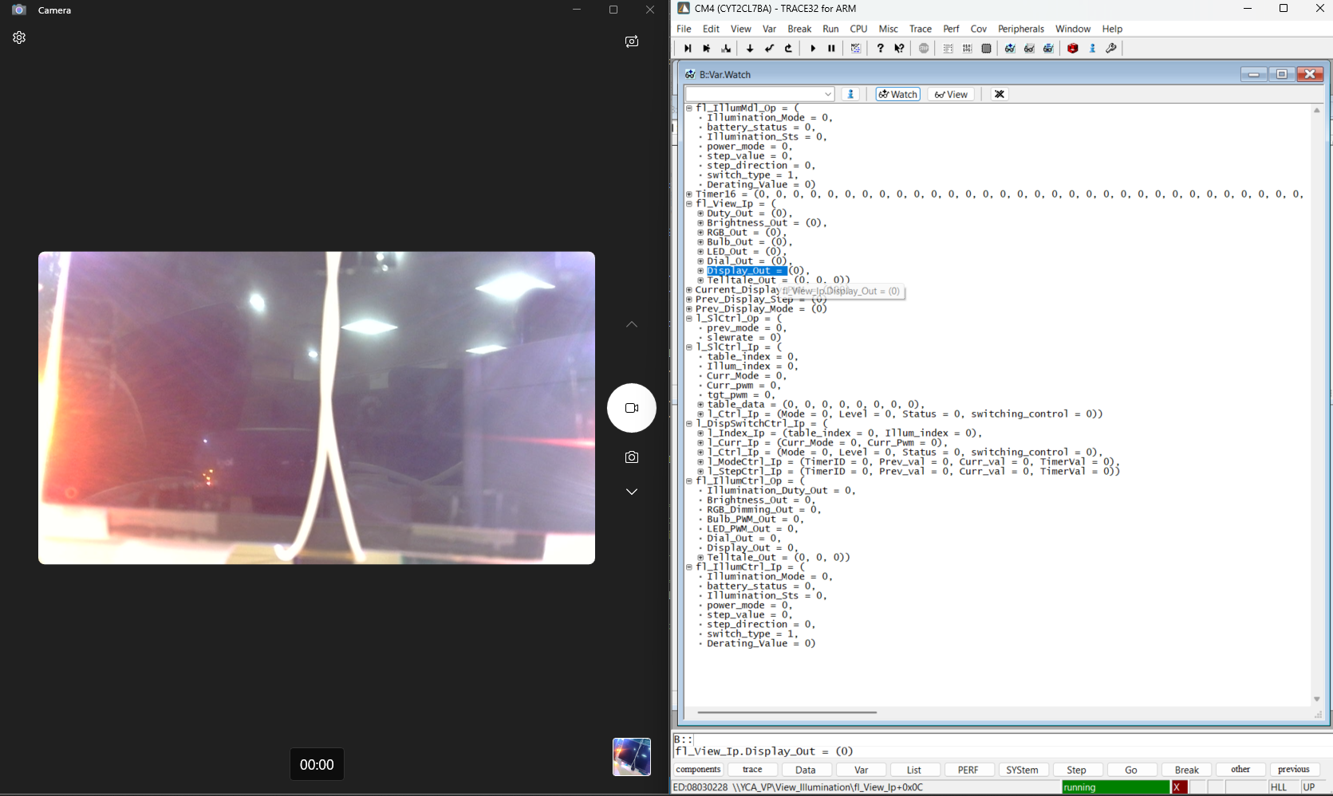
IL-TC-4 | Preconditions: Display Output table: {/*Display_1*/\ {100, 220, 330, 440, 550, 670, 780, 900}, /*ILLUMINATION_DAY_MODE*/\ {20, 110, 210, 300, 390, 480, 580, 670}, /*ILLUMINATION_EVENING_MODE*/\ {100, 220, 330, 440, 550, 670, 780, 900}, /*ILLUMINATION_NIGHT_MODE*/\ {20, 110, 210, 300, 390, 480, 580, 670}, /*ILLUMINATION_MIDNIGHT_MODE*/\ }\ Inital Condition: Mode=0, Step=0. Set Switch type as 1 from the Model - Timing control Set Illumination status - On from the model, | Initial PWM will be set based to 100 - i.e 10% | Initial PWM will be set based to 100 - i.e 10% | W61632023-78414 MSIL32083-23937 | DICMBD-1335 | PASS | AELANGO6 | 2025-06-26 | 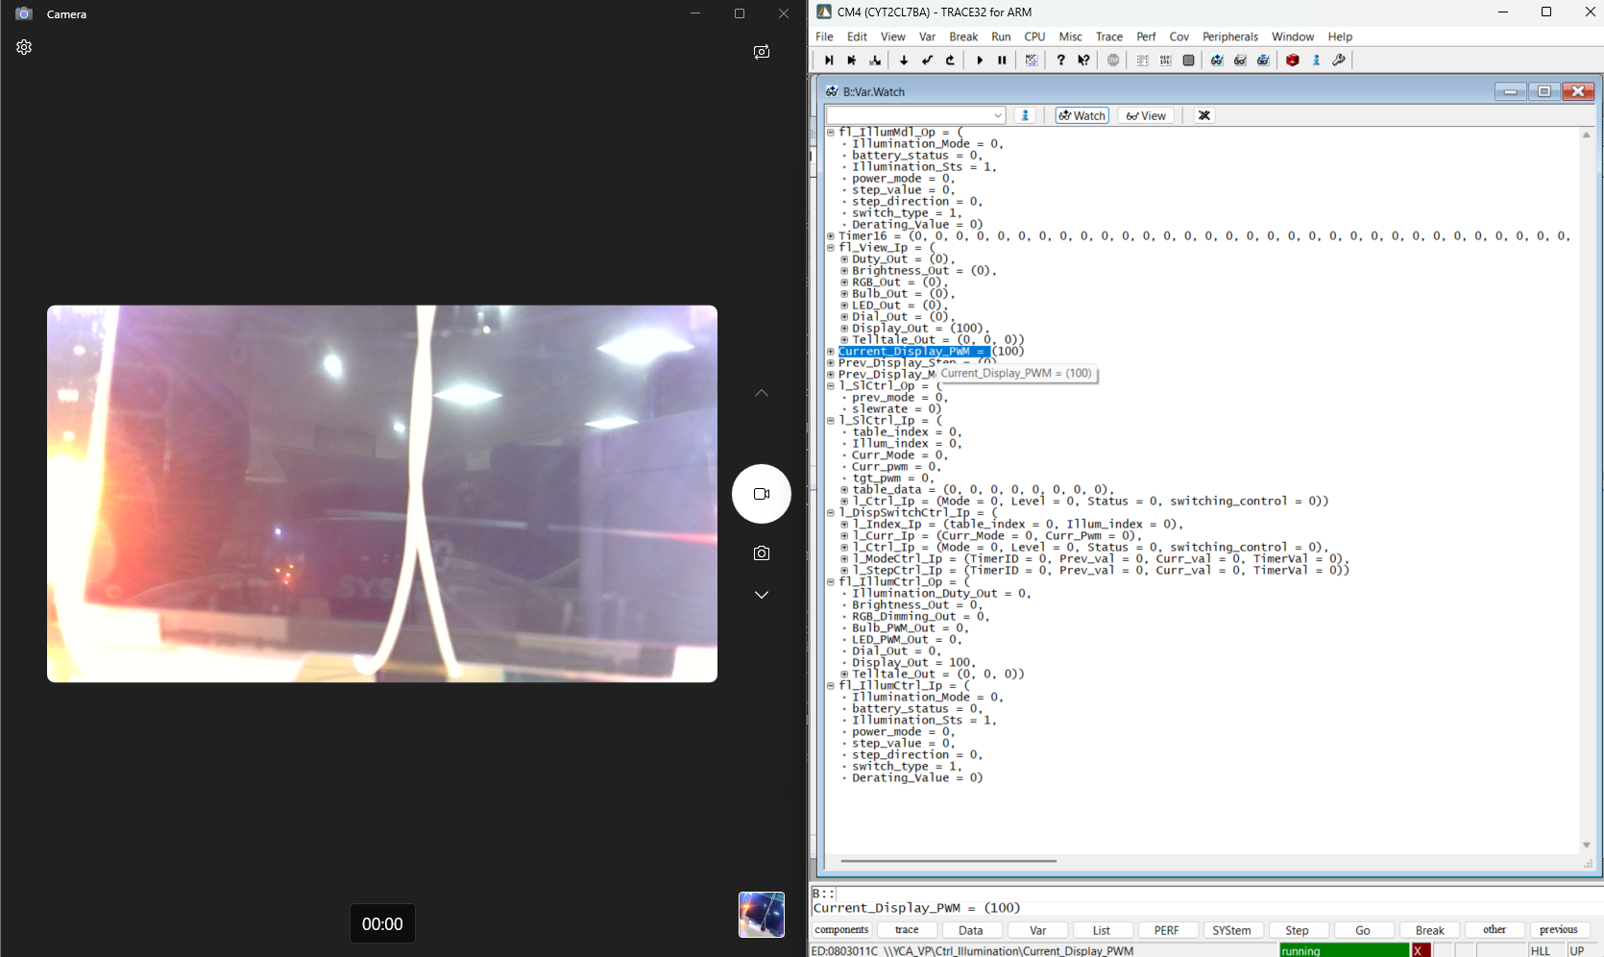
IL-TC-5 | Preconditions: Illumination sts = 1 Display Output table: {/*Display_1*/\ {100, 220, 330, 440, 550, 670, 780, 900}, /*ILLUMINATION_DAY_MODE*/\ {20, 110, 210, 300, 390, 480, 580, 670}, /*ILLUMINATION_EVENING_MODE*/\ {100, 220, 330, 440, 550, 670, 780, 900}, /*ILLUMINATION_NIGHT_MODE*/\ {20, 110, 210, 300, 390, 480, 580, 670}, /*ILLUMINATION_MIDNIGHT_MODE*/\ }\ Mode timers are configures as 10000msec (10sec) - we can change it in cfg Now switch to mode 1 | PWM will set to 20 (2%) in 10 sec | Initial PWM will be set based to 100 - i.e 10% | W61632023-78414 MSIL32083-23937 | DICMBD-1335 DICMBD-1345 DICMBD-1346 DICMBD-1347 | PASS | AELANGO6 | 2025-06-26 | 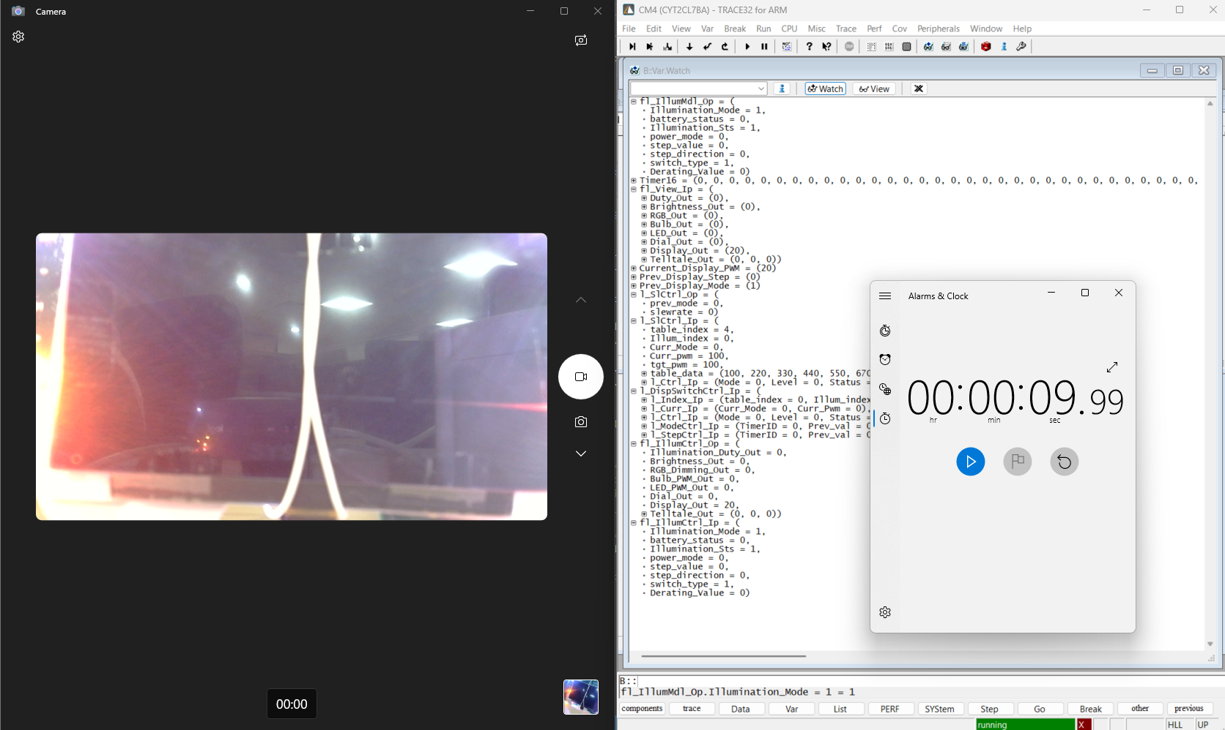
IL-TC-6 | Preconditions: Illumination sts = 1, Illumination Mode = 0 Display Output table: {/*Display_1*/\ {100, 220, 330, 440, 550, 670, 780, 900}, /*ILLUMINATION_DAY_MODE*/\ {20, 110, 210, 300, 390, 480, 580, 670}, /*ILLUMINATION_EVENING_MODE*/\ {100, 220, 330, 440, 550, 670, 780, 900}, /*ILLUMINATION_NIGHT_MODE*/\ {20, 110, 210, 300, 390, 480, 580, 670}, /*ILLUMINATION_MIDNIGHT_MODE*/\ }\ Step timers are configures as 5000msec (5sec) - we can change it in cfg Now switch to step7 | PWM will set to 900 (90%) in 5 sec | PWM will set to 900 (90%) in 5 sec | W61632023-78414 MSIL32083-23937 | DICMBD-1335 DICMBD-1345 DICMBD-1346 DICMBD-1347 | PASS | AELANGO6 | 2025-06-26 | 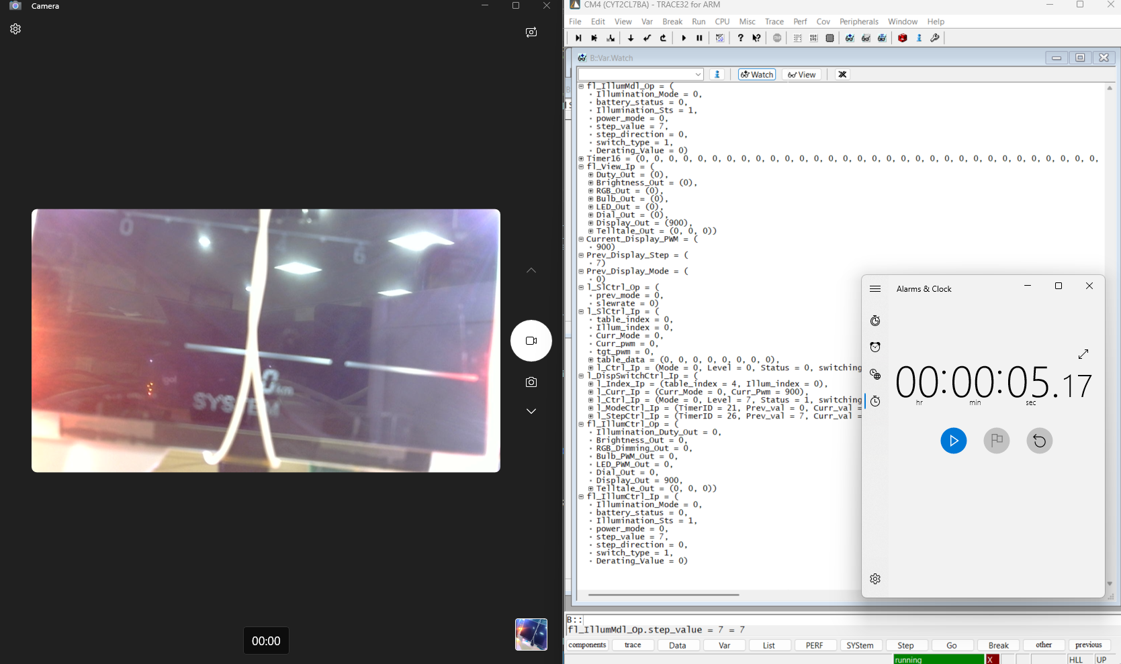
IL-TC-6 | Preconditions: Illumination sts = 1, Illumination Mode = 0, step = 7. Display Output table: {/*Display_1*/\ {100, 220, 330, 440, 550, 670, 780, 900}, /*ILLUMINATION_DAY_MODE*/\ {20, 110, 210, 300, 390, 480, 580, 670}, /*ILLUMINATION_EVENING_MODE*/\ {100, 220, 330, 440, 550, 670, 780, 900}, /*ILLUMINATION_NIGHT_MODE*/\ {20, 110, 210, 300, 390, 480, 580, 670}, /*ILLUMINATION_MIDNIGHT_MODE*/\ }\ Mode timers are configures as 10000msec (10sec) - we can change it in cfg Now switch to mode 2 | PWM will set to 670 (67%) in 10 sec | PWM will set to 670 (67%) in 10 sec | W61632023-78414 MSIL32083-23937 | DICMBD-1335 DICMBD-1345 DICMBD-1346 DICMBD-1347 | PASS | AELANGO6 | 2025-06-26 | 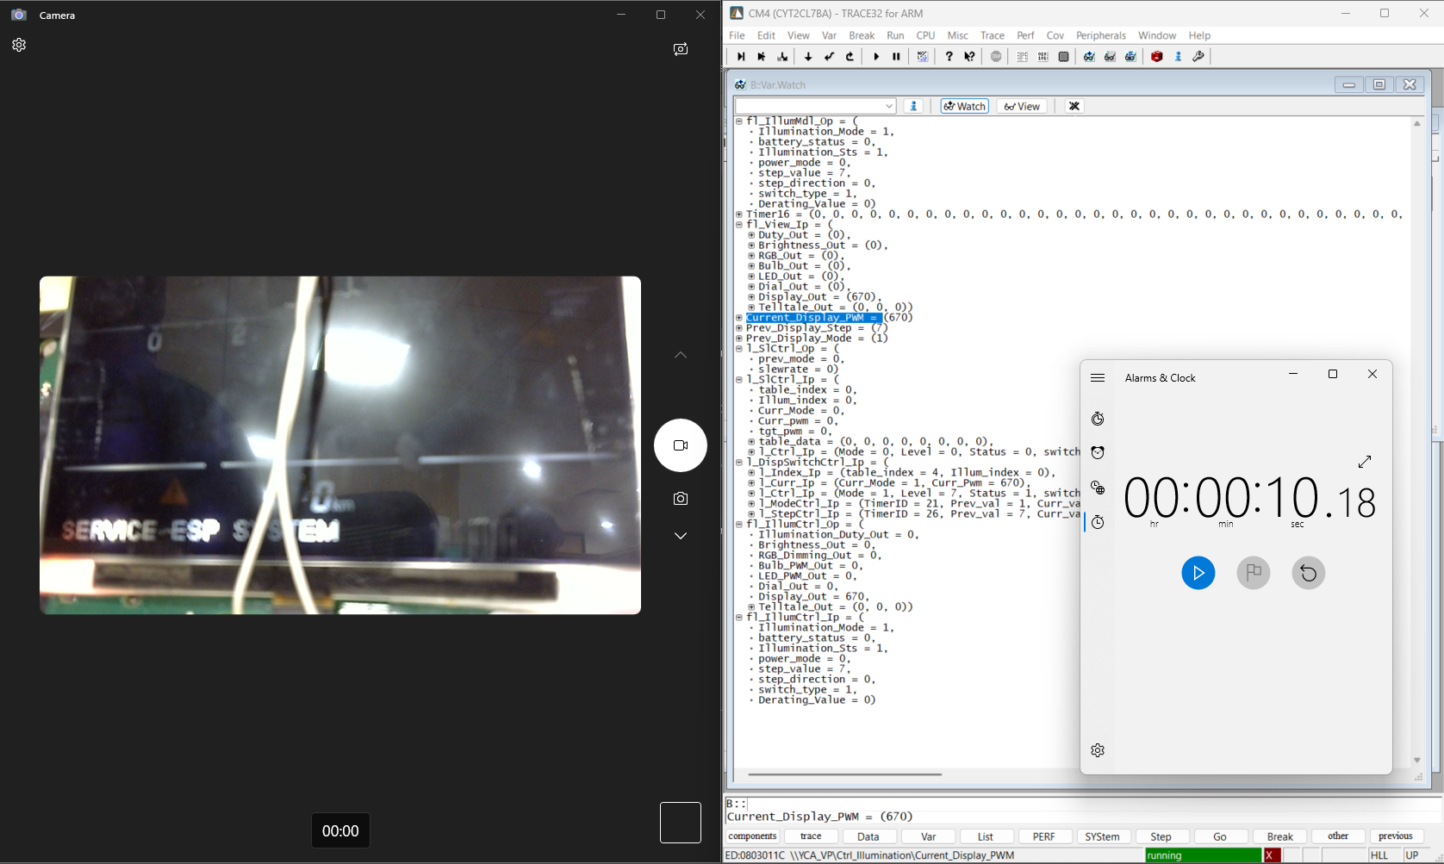
IL-TC-7 | Preconditions: Illumination sts = 1, Illumination Mode = 1, step 7 Display Output table: {/*Display_1*/\ {100, 220, 330, 440, 550, 670, 780, 900}, /*ILLUMINATION_DAY_MODE*/\ {20, 110, 210, 300, 390, 480, 580, 670}, /*ILLUMINATION_EVENING_MODE*/\ {100, 220, 330, 440, 550, 670, 780, 900}, /*ILLUMINATION_NIGHT_MODE*/\ {20, 110, 210, 300, 390, 480, 580, 670}, /*ILLUMINATION_MIDNIGHT_MODE*/\ }\ Step timers are configures as 5000msec (5sec) - we can change it in cfg Now switch to step4 | PWM will set to 390 (39%) in 5 sec | PWM will set to 390 (39%) in 5 sec | W61632023-78414 MSIL32083-23937 | DICMBD-1335 DICMBD-1345 DICMBD-1346 DICMBD-1347 | PASS | AELANGO6 | 2025-06-26 | 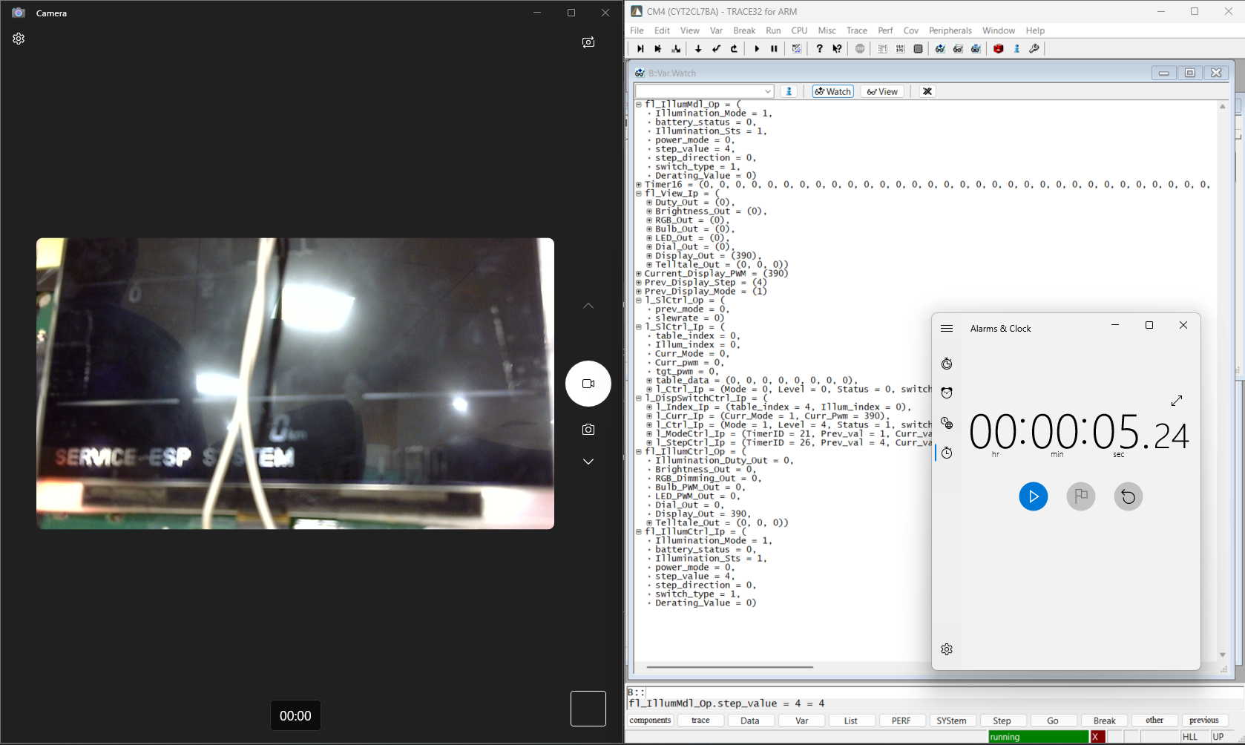
 | SLICING CONTROL - SLEW RATE MECHANISM
IL-TC-8 | Preconditions: Illumination sts = 1, Illumination Mode = 1, step 4. UPDATE COUNT - 100 (configurable based on program settings) Display Output table: {/*Display_1*/\ {100, 220, 330, 440, 550, 670, 780, 900}, /*ILLUMINATION_DAY_MODE*/\ {20, 110, 210, 300, 390, 480, 580, 670}, /*ILLUMINATION_EVENING_MODE*/\ {100, 220, 330, 440, 550, 670, 780, 900}, /*ILLUMINATION_NIGHT_MODE*/\ {20, 110, 210, 300, 390, 480, 580, 670}, /*ILLUMINATION_MIDNIGHT_MODE*/\ }\ set switch type as 0 - slewrate mechanism enabled Now set mode = 2. | PWM will set to 550 (55%) with slewrate = (550-390)/100 = 1. | PWM will set to 550 (55%) with slewrate = (550-390)/100 = 1. | W61632023-78414 MSIL32083-23937 | DICMBD-1336 DICMBD-1345 DICMBD-1346 DICMBD-1347 | PASS | AELANGO6 | 2025-06-26 | 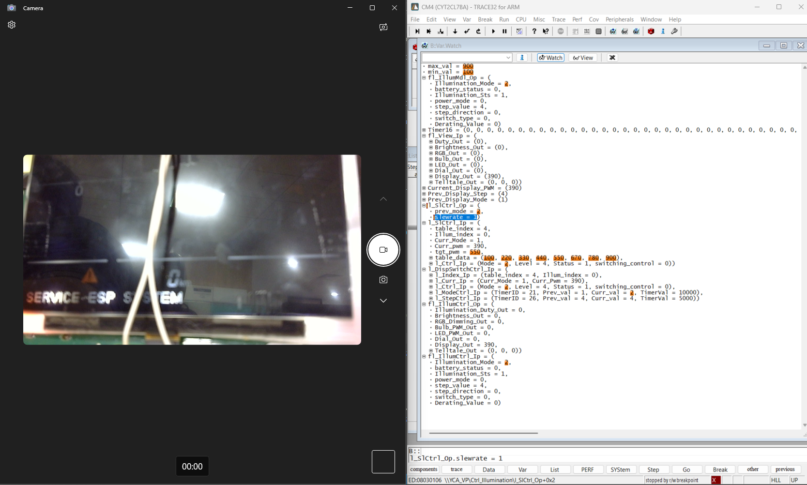 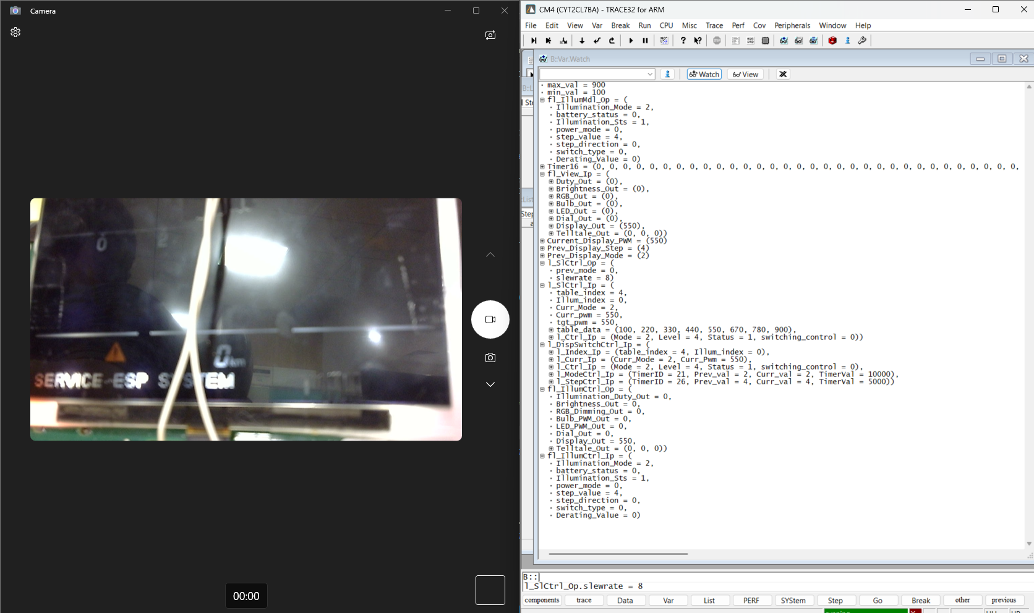
IL-TC-9 | Preconditions: Illumination sts = 1, Illumination Mode = 2, step 4. UPDATE COUNT - 100 (configurable based on program settings) Display Output table: {/*Display_1*/\ {100, 220, 330, 440, 550, 670, 780, 900}, /*ILLUMINATION_DAY_MODE*/\ {20, 110, 210, 300, 390, 480, 580, 670}, /*ILLUMINATION_EVENING_MODE*/\ {100, 220, 330, 440, 550, 670, 780, 900}, /*ILLUMINATION_NIGHT_MODE*/\ {20, 110, 210, 300, 390, 480, 580, 670}, /*ILLUMINATION_MIDNIGHT_MODE*/\ }\ set switch type as 0 - slewrate mechanism enabled Now set step = 7. | PWM will set to 900 (90%) with slewrate = (900 - 100)/100 = 8. (max value - min value)/100 | PWM will set to 900 (90%) with slewrate = (900 - 100)/100 = 8. (max value - min value)/100 | W61632023-78414 MSIL32083-23937 | DICMBD-1336 DICMBD-1345 DICMBD-1346 DICMBD-1347 | PASS | AELANGO6 | 2025-06-26 | 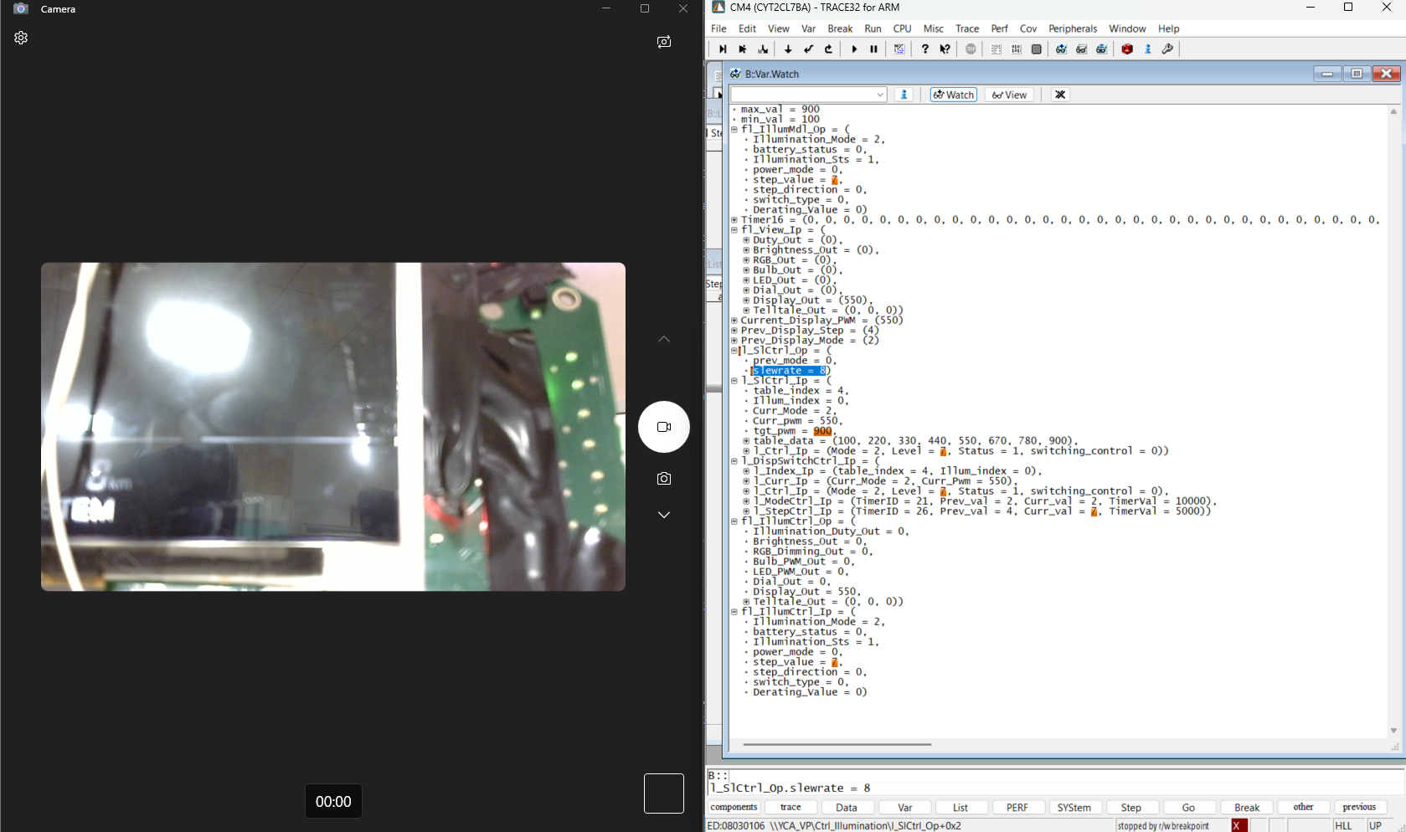 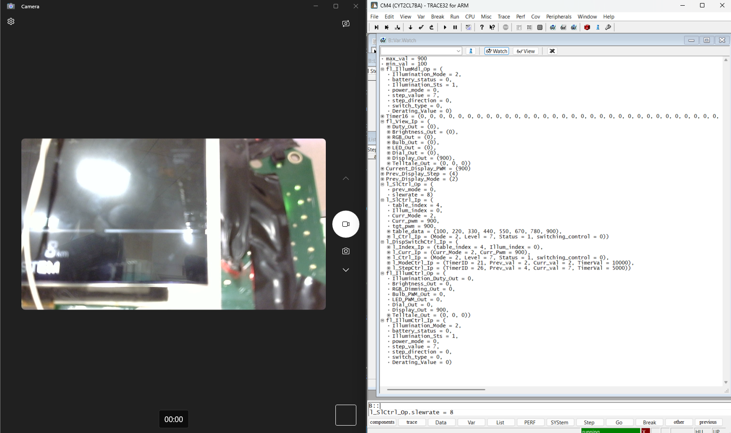
IL-TC-10 | Preconditions: Illumination sts = 1, Illumination Mode = 2, step 7. UPDATE COUNT - 100 (configurable based on program settings) Display Output table: {/*Display_1*/\ {100, 220, 330, 440, 550, 670, 780, 900}, /*ILLUMINATION_DAY_MODE*/\ {20, 110, 210, 300, 390, 480, 580, 670}, /*ILLUMINATION_EVENING_MODE*/\ {100, 220, 330, 440, 550, 670, 780, 900}, /*ILLUMINATION_NIGHT_MODE*/\ {20, 110, 210, 300, 390, 480, 580, 670}, /*ILLUMINATION_MIDNIGHT_MODE*/\ }\ set switch type as 0 - slewrate mechanism enabled Now set mode=0. | PWM will remain same as 900(90%) | PWM will remain same as 900(90%) | W61632023-78414 MSIL32083-23937 | DICMBD-1336 DICMBD-1345 DICMBD-1346 DICMBD-1347 | PASS | AELANGO6 | 2025-06-26 | 