Ctrl_Illumination
 |  | OEM name with or without variant suffix - as desired (which will be added as prefix to design Unit) | MSIL |  | Don't insert any column! Don't insert any row before row#5
 |  | Existing Input Rhapsody project name(*.rpyx) input to automation utility: | MSIL_telltales
 |  | Above *rpyx folder path input to automation utility: | H:/msil.yca.ic.telltales.design
 |  | root Package name in rhapsody | MSIL_telltales_pkg | Color code Legend: => | Gold color indicates user (developer) needs to fill after SRD review. | Blue color is an optional information - not used by automation tool. | Grey color indicates - provider/required interface details (many of them are predefined!). Information shall be filled by SWPL; New interfaces can be determined based on program architecture.
# | SWC name | system level interface name | Applicability (Yes/No) | Is this a require port or provider port (select "Yes" for Require port)? | Remarks if any | Software level interface name | TI Name (some cases are e.g.) | pp name | rp name | provider design unit name
1 | Ctrl_Illumination | Is CAN input (RX) applicable ? | No | rp | - | CComAbsMdl_RxCan_GetSignalValue | if_CS_ComAbsRx | pp_CS_RxCanMdl | rp_CS_RxCanMdl | ComAbs
2 | Ctrl_Illumination | Is CAN output (TX) applicable ? | No | pp | - | CComAbsMdl_TxCan_SetSignalValue | if_CS_ComAbsTx | pp_CS_TxCanMdl | rp_CS_TxCanMdl | ComAbs
3 | Ctrl_Illumination | Is LIN input (RX) applicable ? | No | rp | - | TBD | TBD | TBD | TBD | TBD
4 | Ctrl_Illumination | Is LIN Output (RX) applicable ? | No | rp | - | TBD | TBD | TBD | TBD | TBD
5 | Ctrl_Illumination | Is HW Digital input applicable ? | No | rp | <list down hw signal names> | GetAsyncRawInput GetInputGroup GetProcessedInput | TI_IOHWAB_GetDIn | ppIoHwAb_Din | rpIoHwAb_Din | BSW_IOHWAB
6 | Ctrl_Illumination | Is HW Analog input applicable ? | No | rp | <list down hw signal names> | GetAsyncRawAdc GetProcessedAdc GetSyncRawAdc | TI_IOHWAB_GetAdc | ppIoHwAb_ADC | rpIoHwAb_ADC | BSW_IOHWAB
7 | Ctrl_Illumination | Is HW PWM input applicable ? | Yes | rp | <list down hw signal names> Illumination Bulb PWM Out Illumination LED PWM Out Illumination Dial Out Illumination LCD Out Brightness Out | PwmSetDuty PwmSetDutyAndPeriod PwmSetIdeal | TI_IOHWAB_PWM | ppIoHwAb_PWM | rpIoHwAb_PWM | BSW_IOHWAB
8 | Ctrl_Illumination | Is COMM Error - bus-off interface required ? | No | rp | - | CCanDiagMdl_get_bus_off_sts | if_CS_CanDiagMdl_GetComErr | pp_CanDiagMdlGetErr | rp_CanDiagMdlGetErr | MSIL_SWC_MDL_CANDIAG
9 | Ctrl_Illumination | Is COMM Error - error passive interface required ? | No | rp | - | CCanDiagMdl_get_ErrorPassiveStatus | if_CS_CanDiagMdl_GetComErr | pp_CanDiagMdlGetErr | rp_CanDiagMdlGetErr | MSIL_SWC_MDL_CANDIAG
10 | Ctrl_Illumination | <<COMM Error - message missing status>> | No | rp | - | CComAbsMdl_RxCan_GetSignalValue | if_CS_ComAbsRx | pp_CS_RxCanMdl | rp_CS_RxCanMdl | ComAbs
11 | Ctrl_Illumination | Visteon SCEM configuration applicability | No | rp | <list down bit/byte info, how it is configured> | SCEMCtrl_Get_SCEM_configuration | if_CS_SCEM_cfg | pp_getSCEMCfg | rp_getSCEMCfg | MSIL_SWC_SCEMCTRL_DU
12 | Ctrl_Illumination | OEM DG configuration applicability | No | rp | <list down bit/byte info, how it is configured> | SCEMCtrl_Get_DG_configuration | if_CS_DG_cfg | pp_getDGCfg | rp_getDGCfg | MSIL_SWC_SCEMCTRL_DU
13 | Ctrl_Illumination | AUTO_SC configuration applicability | No | rp | <list down bit/byte info, how it is configured> | SCEMCtrl_Get_AUTO_SC_configuration | if_CS_AUTO_SC_cfg | pp_getAutoCfg | rp_getAutoCfg | MSIL_SWC_SCEMCTRL_DU
14 | Ctrl_Illumination | telltale Output interfaces - LED/LCD | No | rp | LED / LCD TT sts will be udpated to Ctr_Telltalel using SR-interface via RTE | CurrentTelltaleStatus | if_SR_UpdateTelltaleStatus | ppTelltaleStatus | ppTelltaleStatus | MSIL_SWC_CTRL_TELLTALE_DU
15 | Ctrl_Illumination | CmpLibCmd | Yes | pp | 10 ms periodicity | <<SWC_NAME>>_Impl_OnCommand | if_CS_ModeOnCommand | pp_CmpLibCmd | pp_CmpLibCmd | BSW_IF_PACKAGES | Confiure rp name same as pp name!!
16 | Ctrl_Illumination | <<Output interfaces - text alert if appicable>> | No | rp | Text alert interface will be coming later | TBD | TBD | TBD | TBD | TBD
17 | Ctrl_Illumination | <<Output interfaces - chimes if appicable>> | No | rp | Chimes interface will be coming later | TBD | TBD | TBD | TBD | TBD
18 | Ctrl_Illumination | Diagnostic DID or DTC or RID | No | rp | DID & DTC will be implemented in anoter SWC (Dcm_App / Dem_App) | TBD | TBD | TBD | TBD | TBD
 | Ctrl_Illumination | Routine control progress status | No | rp | Routine control is commonly handled in TT_CTRL component | TBD | TBD | TBD | TBD | TBD
19 | Ctrl_Illumination | NvM Read operation applicable | Yes | rp | NvM parameter name, type, MIN & MAX size This could be Open point from SYSTEMS to complete the Display SRD | MemAbstractMdl_Get_<parameter_name>> | if_CS_MemAbsGet | pp_CS_MemAbsGet | rp_CS_MemAbsGet | MSIL_IC_MemAbstract
20 | Ctrl_Illumination | NvM write operation applicable | No | rp | NvM parameter name, type, MIN & MAX size This could be Open point from SYSTEMS to complete the Display SRD | MemAbstractMdl_Set_<parameter_name>> | if_CS_MemAbsSet | pp_CS_MemAbsSet | rp_CS_MemAbsSet | MSIL_IC_MemAbstract
21 | Ctrl_Illumination | NvM job notification | No | rp | NvM read/write job status for <<parameter name>> This could be Open point from SYSTEMS to complete the Display SRD | JobStatus_<<NvM_parameter_name>> | if_SR_JobStatus | pp_SR_JobStatus | rp_SR_JobStatus | MSIL_IC_MemAbstract
22 | Ctrl_Illumination | Ignition status | Yes | rp | - | AppStMgrCtrl_get_cluster_operating_mode(pwr_mode_sts_type*) | if_CS_ClusterOpMode | pp_CS_AppStMgrGet | rp_CS_AppStMgrGet | MSIL_SWC_CTRL_APPSTMGR_DU
23 | Ctrl_Illumination | << any other input - to be updated as required for this feature>> | No | rp | - | TBD | TBD | TBD | TBD | TBD
24 | Ctrl_Illumination | Abnormal voltage LVSD/HVSD | Yes | rp | Getting status of LVSD/HVSD | TBD | TBD | TBD | TBD | TBD
25 | Ctrl_Illumination | TBD - Knob Operation | No | rp | Knob - Press and release This could be Open point from SYSTEMS to complete the Display SRD | TBD | TBD | TBD | TBD | TBD
25 | Ctrl_Illumination | Timer interface - start | Yes | rp |  | TmExt_Timer_Start(Htimer timerId) | TI_If_TmExt_Timer_Start | pp_CS_TmExt_Timer_Start | rp_CS_TmExt_Timer_Start | BSW_IF_PACKAGES
26 | Ctrl_Illumination | Timer interface - stop | Yes | rp |  | TmExt_Timer_Stop(Htimer timerId) | TI_If_TmExt_Timer_Stop | pp_CS_TmExt_Timer_Stop | rp_CS_TmExt_Timer_Stop | BSW_IF_PACKAGES
27 | Ctrl_Illumination | Timer interface - IsStart | Yes | rp |  | TmExt_Timer_IsStarted(Htimer timerId, boolean isStartedSts) | TI_If_TmExt_Timer_IsStarted | pp_CS_TmExt_Timer_IsStarted | rp_CS_TmExt_Timer_IsStarted | BSW_IF_PACKAGES
28 | Ctrl_Illumination | Timer interface - IsElapsed | Yes | rp |  | TmExt_Timer_IsElapsed(HTimer hTimer, UInt32 Timeout, boolean *Elapsedsts) | TI_If_TmExt_Timer_IsElapsed | pp_CS_TmExt_Timer_IsElapsed | rp_CS_TmExt_Timer_IsElapsed | BSW_IF_PACKAGES

 | Note:
 | Ctrl_Illumination | Should be invoked by Cmplib. Ctrl ilumination should have all the Rte reciever & provider ports same as Illumination_Mdl component.

 |  | Data Type | Source component | Destination Component

 |  | Structure: IllumCtrl_Ip typedef struct { uint8 Illumination_Mode; uint8 battery_status; uint8 Illumination_Sts; uint8 power_mode; uint8 step_value; uint8 step_direction; uint8 switch_type; uint16 Derating_Value; } IllumCtrl_Ip; This structure used to get the inputs from the Illumination_Mdl component to Ctrl_Illumination component | Illumination_Mdl | Ctrl_Illumination | Structure elements renamed Added rp port for MemAbsGet | 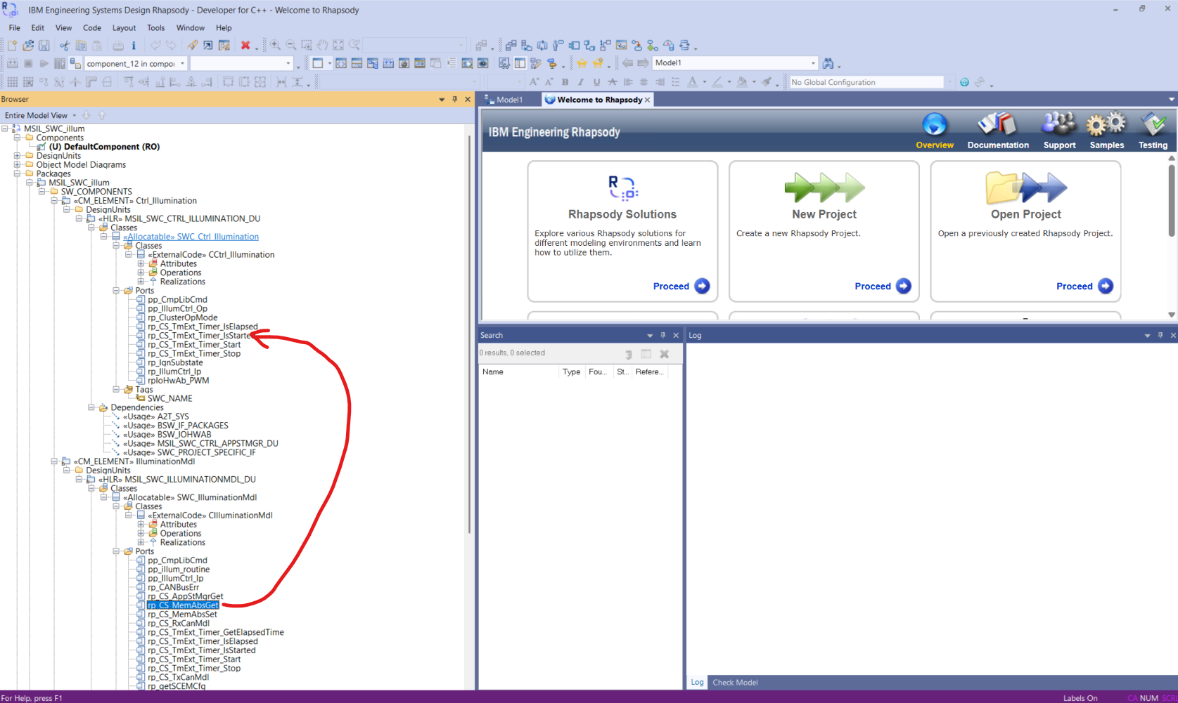 | needed this rp port in Ctrl_Illumination as same as in the IlluminationMdl
 |  | Structure: IllumCtrl_Op; typedef struct { uint16 Illumination_Duty_Out; uint16 Brightness_Out; uint16 RGB_Dimming_Out; uint16 Bulb_PWM_Out; uint16 LED_PWM_Out; uint16 Dial_Out; uint16 Display_Out; uint16 Telltale_Out[NO_OF_TELLTALES]; } IllumCtrl_Op; NO_OF_TELLTALES should be configured in RTE as 3. This structure used to provide the output from the Ctrl_Illumination component to View_Illumination component | Ctrl_Illumination | View_Illumination | Structure elements renamed and datatype is changed as uint16 Added rp port for MemAbsGet

HLD_review_MoM
Meeting Outcome
Date opened | Type of Entry | SWC-name / Topic | Questions Raised from | Attendees | Design decision / action point | Responsible | Due date | Status (open/closed) | Comments
19-Mar-25 | Information | Illumination | yraguram |  | What is the default illumination value Night PWM %? | kparkar1 |  | Closed | it wil be clarified with DISPLAY SRD Ill_ni6*
19-Mar-25 | Information | Illumination | yraguram |  | How about the persistence of the illumination brightness value on every ignition cycle? Do we need to use the last user choice brightness or how? Still, i could not find anywhere in the requirement about the user's choice persistence. waht will be the User's Default choice | kparkar1 |  | Open | it wil be clarified with DISPLAY SRD | it wil be clarified with DISPLAY SRD
19-Mar-25 | Information | Illumination | yraguram |  | Still i could not see the clear requirement about - how to increase and decrease the brightness by user ? | kparkar1 |  | Open | it wil be clarified with DISPLAY SRD
19-Mar-25 | Information | Illumination | yraguram |  | I'm able to understand the LCD, LED illumination? But what is DIAL Illumination? | kparkar1 |  | Open | it wil be clarified with DISPLAY SRD
19-Mar-25 | Information | Illumination | yraguram |  | How about factory reset? Is it Illumination brightness is applicable for factory reset? | kparkar1 |  | Open | it wil be clarified with DISPLAY SRD
19-Mar-25 | Information | Illumination | yraguram |  | What is the periodicity of the illumination component? is it FUSA component ? Based on the periodicity only, we could be seeing the delay time divisibility? | yraguram |  | Open | Need to check with Moorthy
19-Mar-25 | Information | Illumination | yraguram |  | Is it? Do we have any requirement in the ModeMgr component is setting the brightness 100% in Startup and Shutdown? which team members are handling the ModeMgr component and CDD component, Since i need to Sync up with them to get the status of the LCD wakeup_state before setting up the PWM? | Logesh |  | Open | Need to check with ECU_APP MGR
19-Mar-25 | Information | Illumination | yraguram |  | Do we have the diagnostics routine control for this illumination ? If so, could you please share me the DID ID and it's requirement? | kparkar1 |  | Open | As of now, Separate the Diagnostics SRD
19-Mar-25 | Information | Illumination | yraguram |  | As we confirmed from Systems, that Constant values are stored into the NVM, then what is the preferable NVM Phase, since this is very important that every wakeup ModeMgr could read the "NVM Ready status". Sometimes this could delay the wakeup time of the cluster. — This needs to be sync up with BSW team | janagi |  | Open
19-Mar-25 | Information | Illumination | yraguram |  | How about Thermal Derating in the illumination component? | kparkar1 |  | Open | As of now, Separate the Thermal SRD
19-Mar-25 | Information | Illumination | yraguram |  | 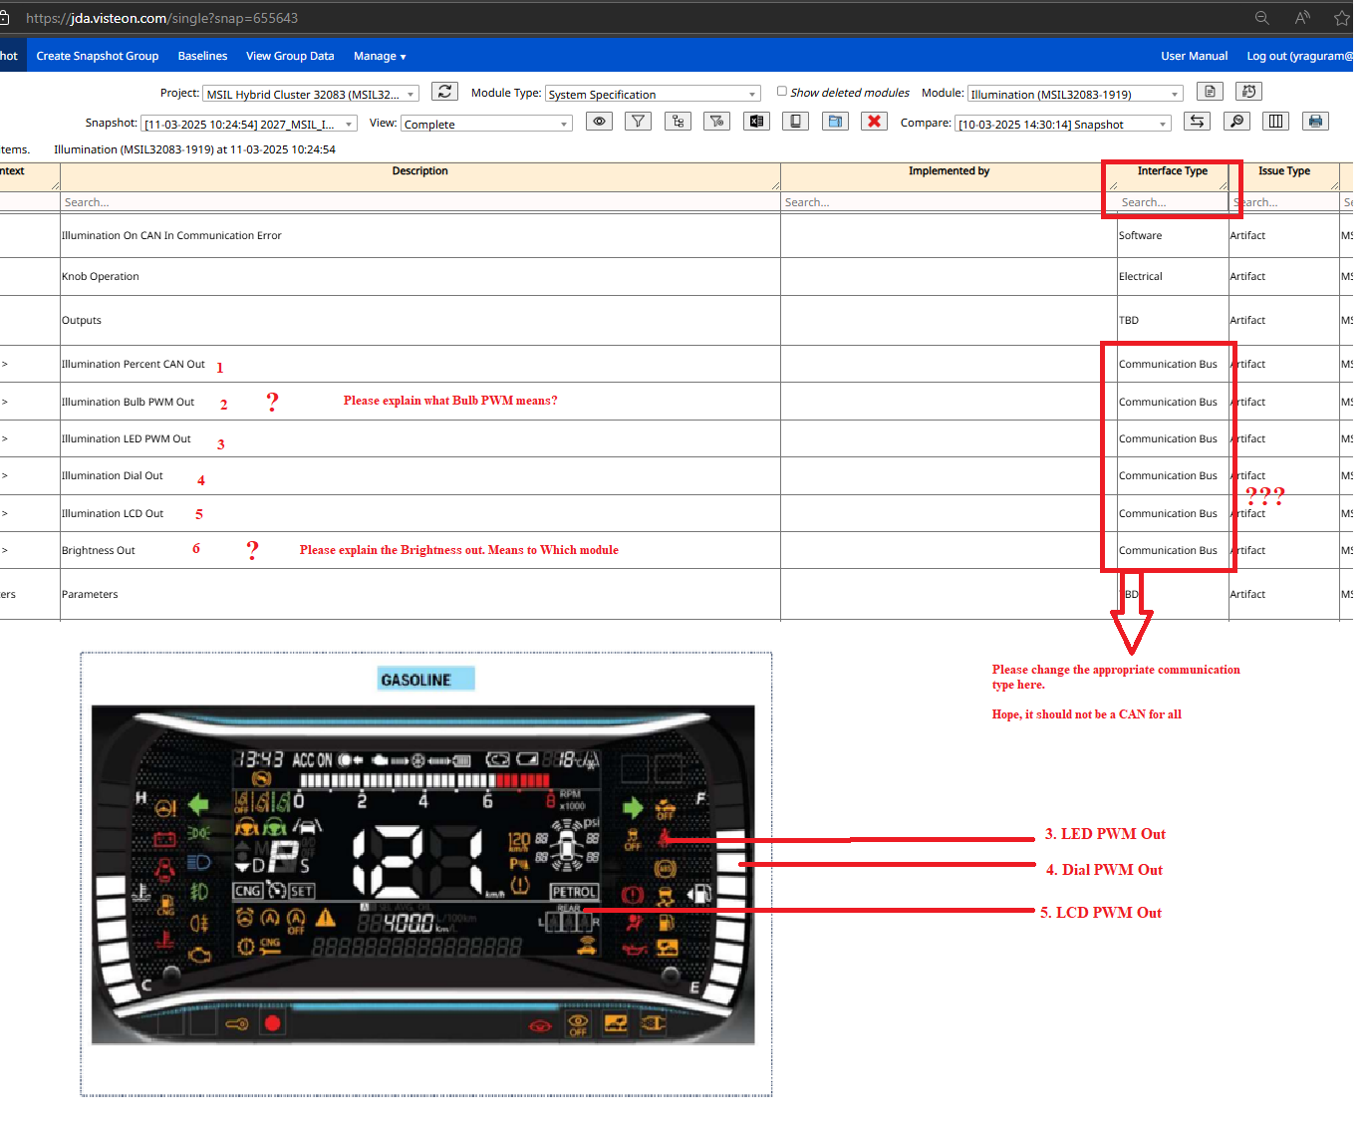 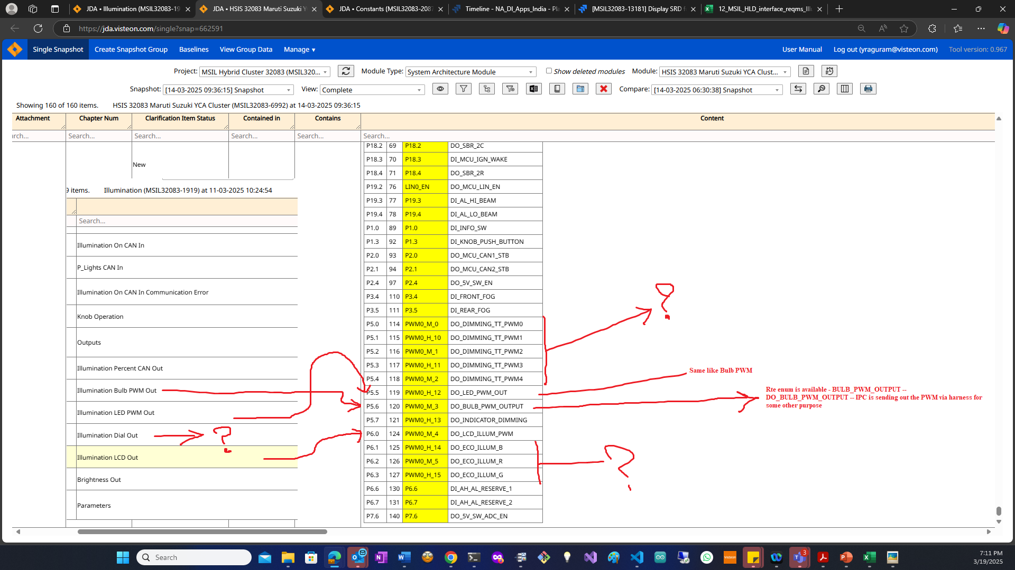 Brightness Out purpose? Illumination Bulb PWM Out? Hi Team, I'm again back to systems. - it's not a blocker - but need to know before starting the implementation. I got the schematics and HSIS document from Jayaraman, Bharanitharan (B.) To analyze the Output variables mapped to respective IoHwAb. There will be multiple 11 PWM Output Channels we have for the Maruthi, I'm able to map a few, others - I'm blank -interacted with bharani as well he is also not sure - he is also seeking Systems help here. - i have added this too in the Impediment, could you please solve this as well. Thanks. | hardware |  | Open | Discuss with Jayaraman, Bharanitharan (B.), Had a call with Bharani - he rooted me to contact the Janda BULB_PWM_OUTPUT -- DO_BULB_PWM_OUTPUT -- IPC is sending out the PWM via harness for someother purpose

19-Mar-25 | Information | Illumination | yraguram |  | 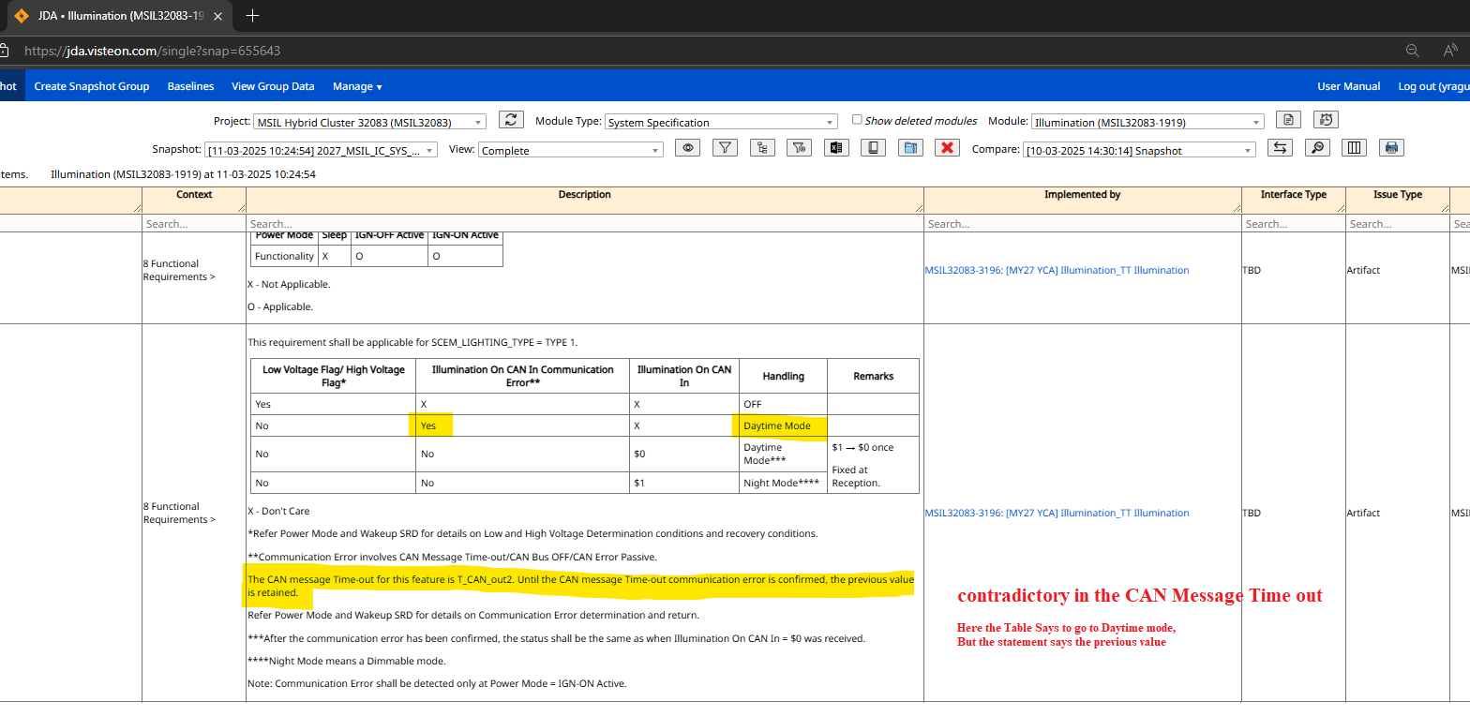 Contradictory in the CAN Message Time out - Table shows go to DAY Mode. But the Statement says the previous value should be retained. | hardware |  | Closed | Khalid Explained
19-Mar-25 | Information | Illumination | yraguram |  | What are the dimming conditions that should be satisfied ?? I mean what are the conditions? | kparkar1 |  | Closed | Dimming is not satsified -- DAY Dimming is satstisfied - NIGHT
19-Mar-25 | Information | Illumination | yraguram |  | This requirement shall be applicable for SCEM_DIMMER_TYPE = TYPE 2 Why the Ill_CAN2 Label is starting with the name of 2. are we unintentionally missing this Ill_CAN1? All-time illumination characteristics can be set independently for the Daytime and Nighttime ?? means? are we not dependent on CAN Message Identifier: 0x3D0, Illumination On $0 - Daytime Mode $1 - Night Mode BY Default what is the value should be out to Brightness Out at Nighttime ?? BY Default what is the Illumination Bulb PWM Out at Nighttime ?? BY Default what is the Illumination LED PWM Out at Nighttime ?? | kparkar1 |  | Closed | it wil be clarified with more on DISPLAY SRD
19-Mar-25 | Information | Illumination | yraguram |  | Please explain the below 2 delays MSIL32083-12456: Illumination Mode Behavior Unlocked MSIL32083-12457: Delay time for PWM output Unlocked Ill_PWM_on1 (For with PWM output) The delay between switching the PWM output from the Daytime to the Nighttime value (100%/Illumination cancel state). T_Ill_dl2 P_Lights CAN In = On ($1), Delay time until switching from Daytime brightness to Nighttime brightness is reflected by Illumination On CAN In = Off ($0) -> On ($1). | kparkar1 |  | Closed | Illumination percent CAN Out -- Khaild will check and come back Illumination Bulb PWM Out -- Ill_PWM_on1 Illumination LED PWM Out -- Ill_PWM_on1 Illumination Dial Out -- T_Ill_dl2 Illumination LCD Out -- T_Ill_dl2 Brightness Out -- T_Ill_dl2 -- Dial && LCD
10-Apr-25 | Information | Illumination | yraguram |  | is it we have the fade in and Fade out -- Smooth brightness -- Based on the mode -- is it applicaable | kparkar1 |  | Open
10-Apr-25 | Information | Illumination | yraguram |  | SCEM_LIGHTING_TYPE if is not this TYPE, then CAN Communication, Abnormal Voltage and Day/Night won't be applicable ? if it is applicable for all, then why that condition is added ? | kparkar1 |  | Open
10-Apr-25 | Information | Illumination | yraguram |  | SCEM_DIMMER_TYPE if is not this TYPE, what could be the actions ? | kparkar1 |  | Open
25-Apr-25 | Information | Information | yraguram |  | T_Ill_dl2 P_Lights CAN In = On ($1), Delay time until switching from Daytime brightness to Nighttime brightness is reflected by Illumination On CAN In = Off ($0) -> On ($1). Actually, here Both are inputs messages Plights and Illumination CAN In | kparkar1 |  | Open
27-Apr-25 | Information | Information | yraguram |  | What is the difference between these 2 timers Ill_PWM_on2 and Ill_PWM_ch | kparkar2 |  | Open
29-Apr-25 | Information | Information | yraguram |  | What could be the Initial default mode for the illumination DAY or NIght ? | kparkar3 |  | Open

