UNCOVERED CASES
Reference
Reference
SR.NO | FILE NAME | REFERNCE | FUNCTION NAME | LINE NO | JUSTIFICATION
1 | MDL_SAFETYADAPTER |  | Mdl_SafetyAdapter_RxCan_SignalClearJustRcvdStatus | 135 | Partially covered: Condition is always true because BytePosition is always less than 5u
2 |  |  | Mdl_SafetyAdapter_RxCan_SignalGetJustRcvdStatus | 155 | Partially covered: Condition is always true because BytePosition is always less than 5u
Reference
3 |  |  | Mdl_SafetyAdapter_RxCan_GetSignalValue | 206 | Partially covered: condtion is always true since sigstatus is function local variable and hence initial value is read always
Reference
4 |  |  |  | 208 | Partially covered: condition always remains true as SignalGetFunctIdx is always less than 39u
Reference
5 |  |  |  | 210 | Partially covered: condition remains false as RxSigMonitoringType has no invalid signal
Reference
6 |  |  |  | 227 | Partially covered: condition remains true as it skips the invalid storage.
Reference
7 |  |  |  | 255 | Partially covered: condition remains false as there is no invalid signal.
Reference
9 |  |  | Mdl_SafetyAdapter_RxCan_SignalMissingProcessingControl | 335 | Partially covered: Condition is always true because BytePosition is always less than 5u
Reference
10 |  |  | Mdl_SafetyAdapter_RxCan_SignalInvalidProcessingControl | 369 | Partially covered: condition remains false as there is no invalid signal.
Reference
11 |  |  | Mdl_SafetyAdapter_RxCan_SignalNRProcessingControl | 405 | Partially covered: Condition is always true because BytePosition is always less than 5u
Reference
12 |  |  | Mdl_SafetyAdapter_Mdl_SafetyAdapter_ReloadMissingTimer | 453 | Partially covered: Condition is always true because BytePosition is always less than 5u
Reference
13 |  |  | Mdl_SafetyAdapter_RxCanSignalInvalidProcessing | 558 | Partially covered: condition remains false as there is no invalid signal.
Reference
14 |  |  | Mdl_SafetyAdapter_RxCanIsSignalMissing | 604 | Partially covered: Condition is always true because BytePosition is always less than 5u
Reference
15 |  |  | Mdl_SafetyAdapter_RxCanIsSignalNR | 623 | Partially covered: Condition is always true because BytePosition is always less than 5u
Reference
16 |  |  | Mdl_SafetyAdapter_RxCanIsSignalInvalid | 646 | Partially covered: Condition is always true because BytePosition is always less than 1u
Reference
17 |  |  | Mdl_SafetyAdapter_RxCanGetSignalStatus | 678 | Partially covered: condition remains false as there is no invalid signal.

Screenshot


Mdl_SafetyAdapter_RxCan_SignalClearJustRcvdStatus

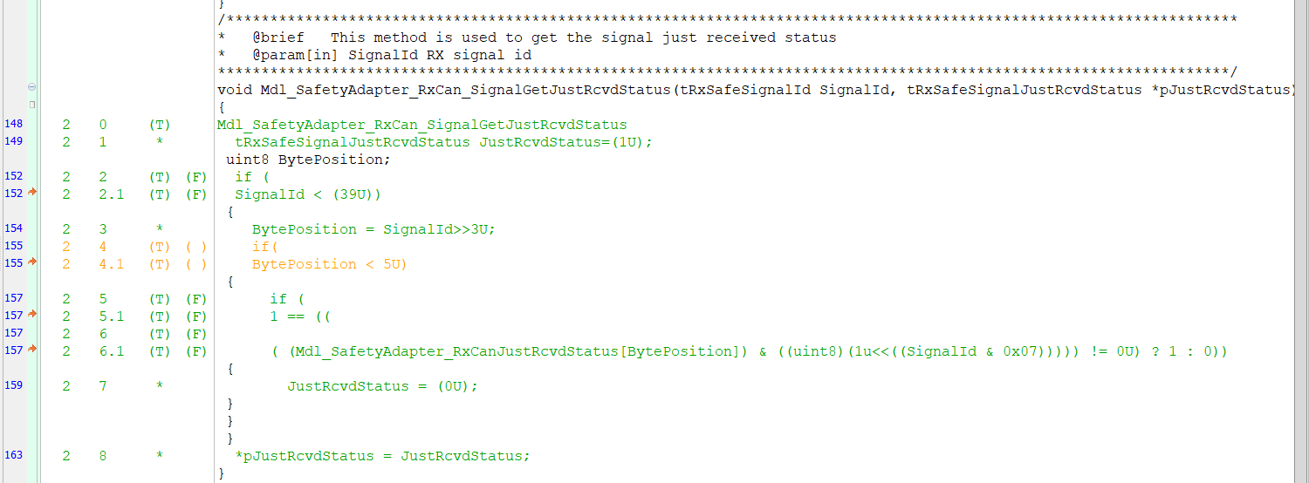

Mdl_SafetyAdapter_RxCan_SignalGetJustRcvdStatus

Mdl_SafetyAdapter_RxCan_GetSignalValue

Mdl_SafetyAdapter_RxCan_GetSignalValue



Mdl_SafetyAdapter_RxCan_GetSignalValue

Mdl_SafetyAdapter_RxCan_GetSignalValue

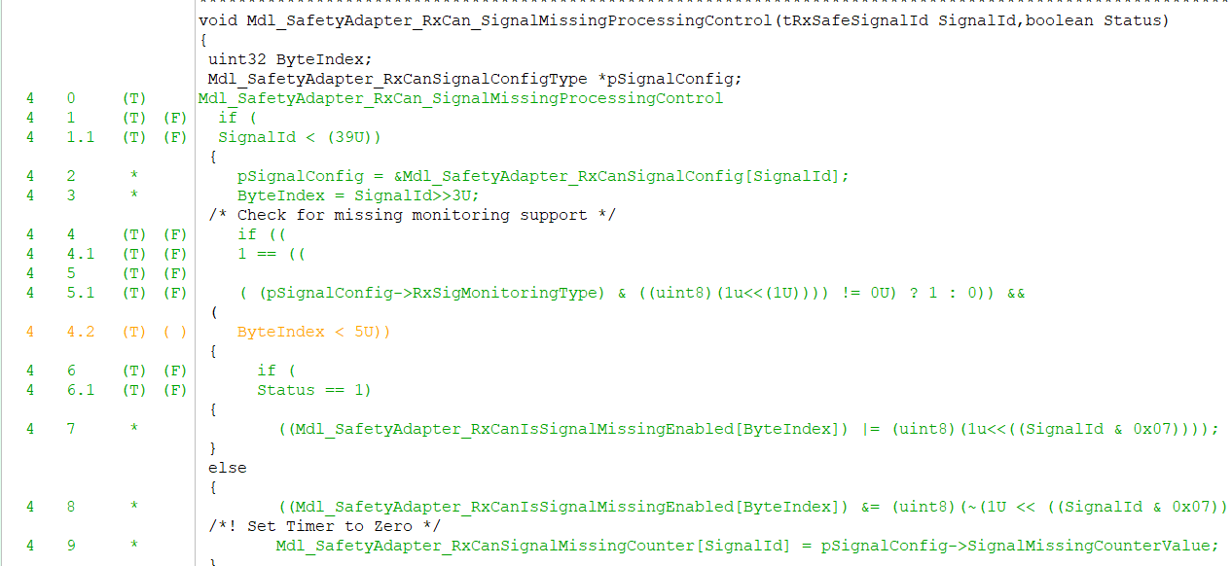

Mdl_SafetyAdapter_RxCan_SignalMissingProcessingControl

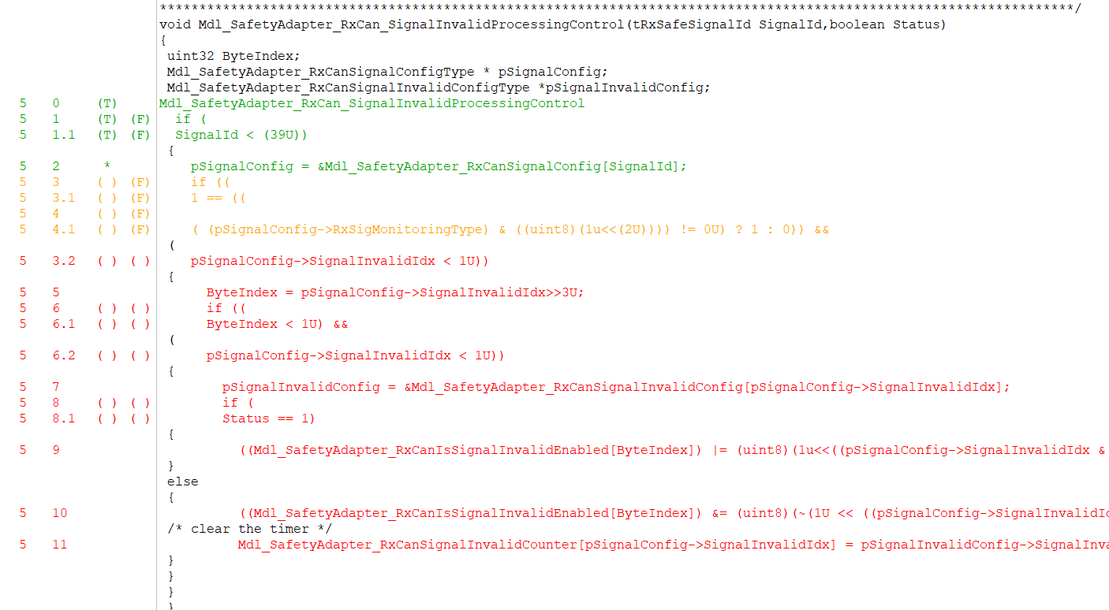

Mdl_SafetyAdapter_RxCan_SignalInvalidProcessingControl

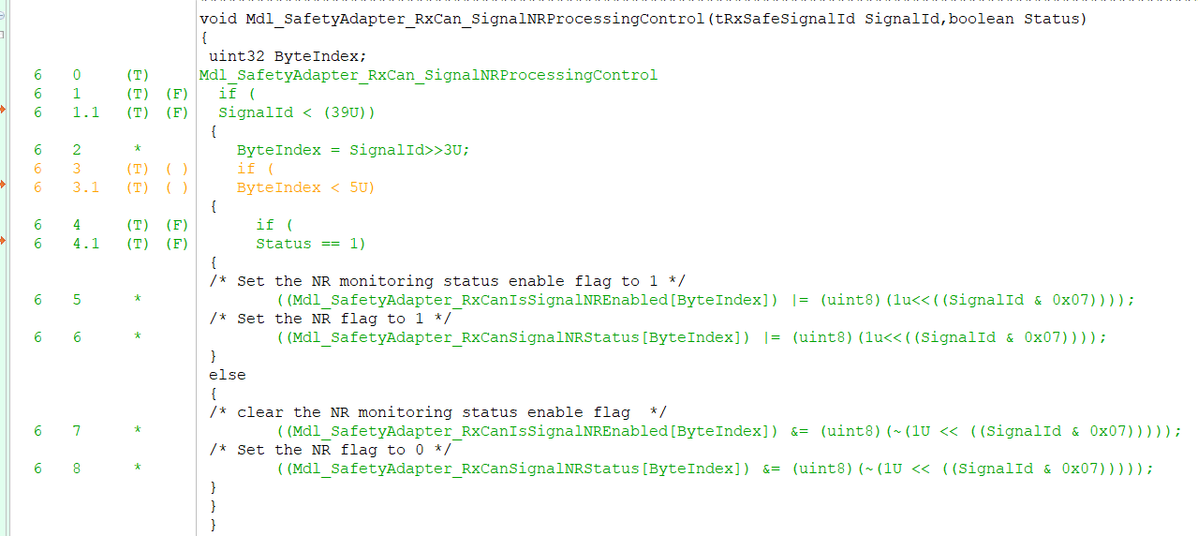

Mdl_SafetyAdapter_RxCan_SignalNRProcessingControl



Mdl_SafetyAdapter_Mdl_SafetyAdapter_ReloadMissingTimer

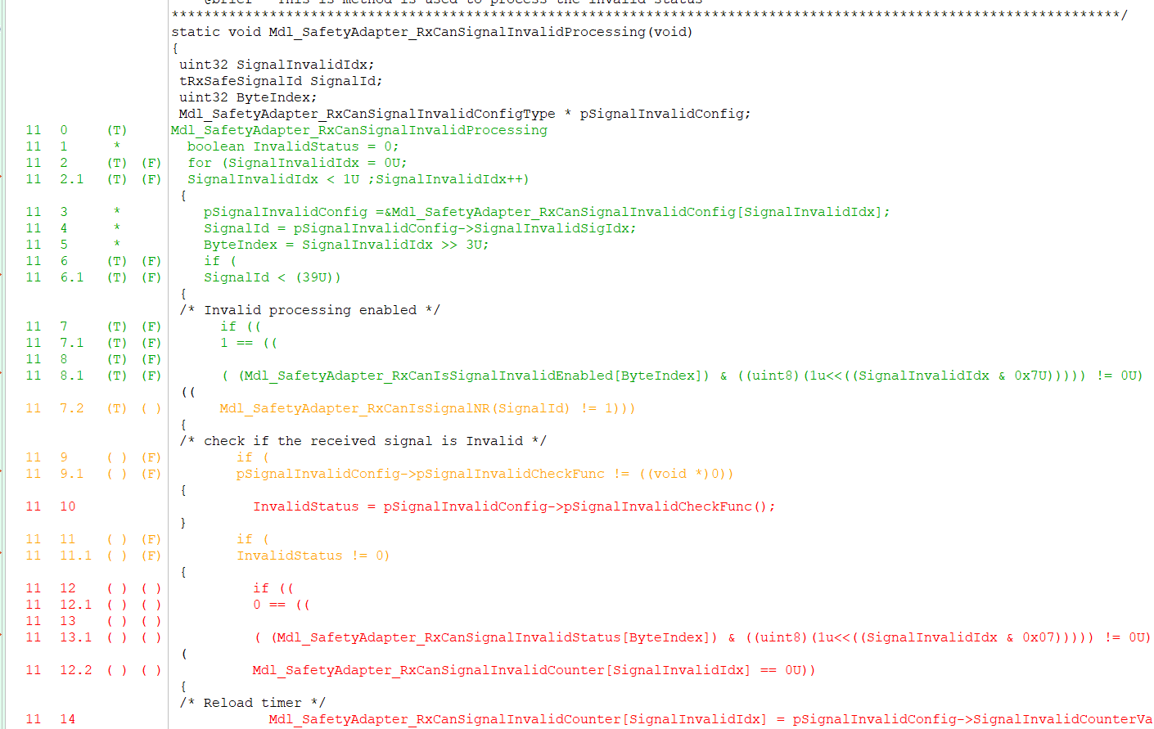

Mdl_SafetyAdapter_RxCanSignalInvalidProcessing

Mdl_SafetyAdapter_RxCanIsSignalMissing

Mdl_SafetyAdapter_RxCanIsSignalNR



Mdl_SafetyAdapter_RxCanIsSignalInvalid

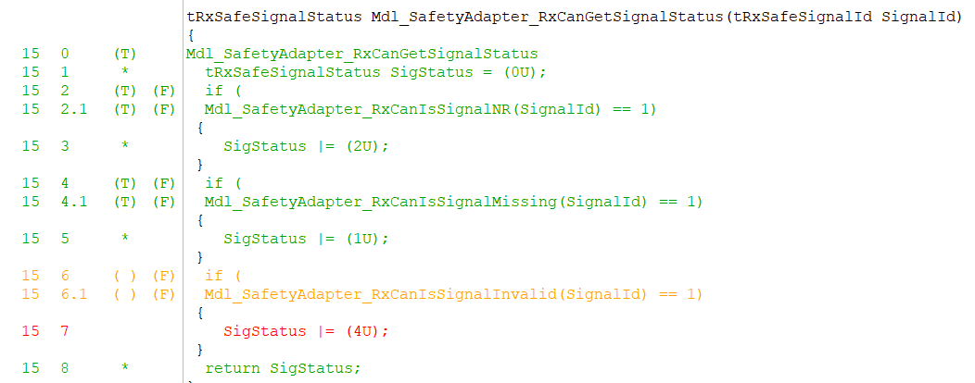

Mdl_SafetyAdapter_RxCanGetSignalStatus

