Home
CS 527 Group 7 Project Status

Click on Buttons for easy navigation

Action Items

Project Layout

Navigation Planning

NavigationPlanning
Navigation

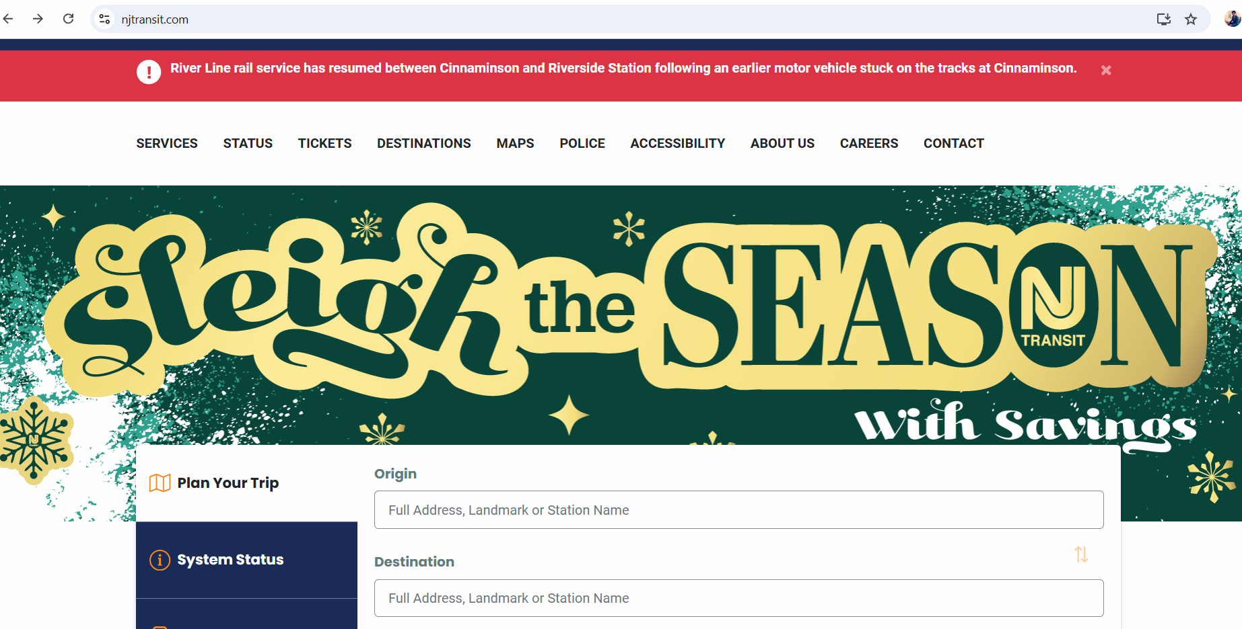
 | Nav bar

 | Home | Search | Reserve | My Booking | Login/Register

 | Create | Edit | Reports | Admin view | Admin

 | Register page functionality | Retrieve the records and each record has an edit button | Sales Report
 |  | Functionality from Register Page | Reservations Report
 |  |  | Revenue Listing

 |  |  |  |  | customer

