Grafico
Cliente: |  | FLEURY |  | OS: | 1598/24 |  | Data | 07/08/2024
Objetivo: |  | Garantir a qualidade contínua do sistema/produto, documentando o desempenho durante um período de tempo determinado.
Instruções: |  | Com base nas informações de limites mínimo e máximo exibidos do trecho "Critério", comparar com os dados obtidos pelos logs do controle do sistema.
1 Dados da Ressonância Magnética
Dados Rema |  | Fabricante: | GE |  | Modelo: | SIGNA CREATOR
1.1 Sala técnica Ressonância Magnética
Critérios |  | Temperatura mín.: | 15 | Umidade mín.: | 30 |  | Setpoint Temperatura: | 20
 |  | Temperatura máx.: | 24 | Umidade máx.: | 70 |  | Setpoint Umidade: | 50
GRÁFICO
 | 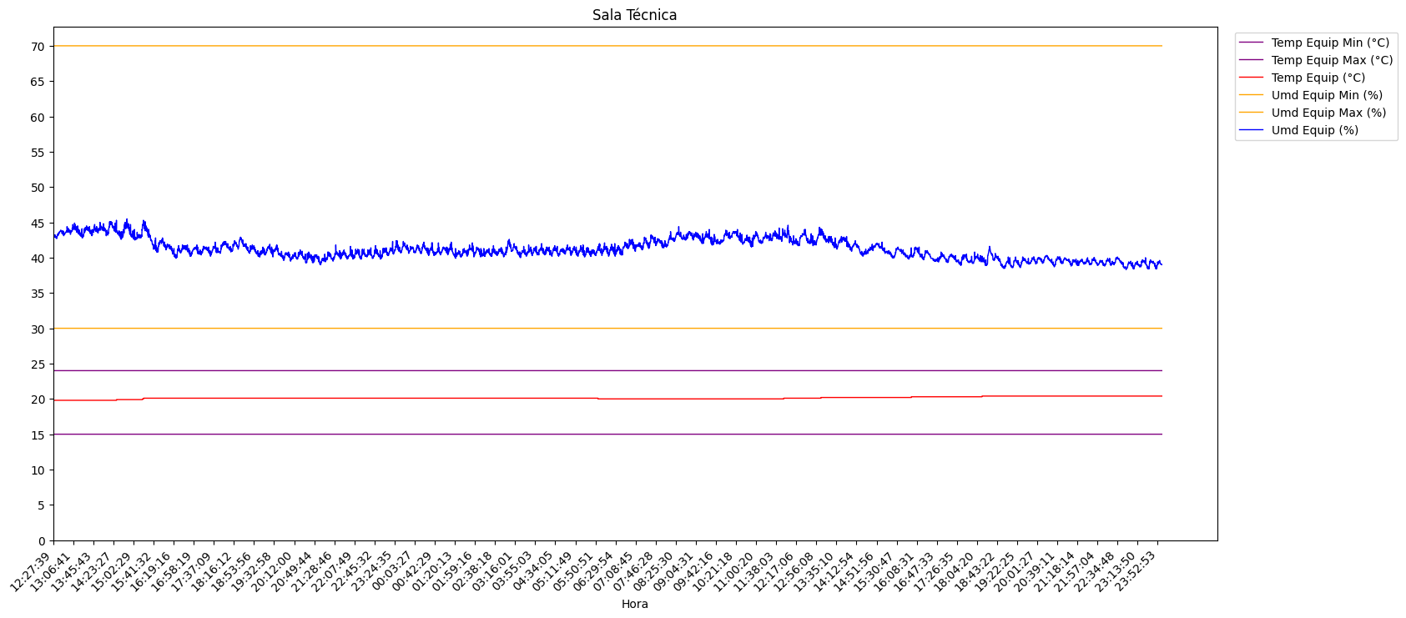

 | Observações:

1.2 Sala de exames Ressonância Magnética
Dados Rema |  | Fabricante: | GE |  | Modelo: | SIGNA CREATOR
Critérios |  | Temperatura mín.: | 15 | Umidade mín.: | 40 |  | Setpoint Temperatura: | 20
 |  | Temperatura máx.: | 21 | Umidade máx.: | 60 |  | Setpoint Umidade: | 50
GRÁFICO
 | 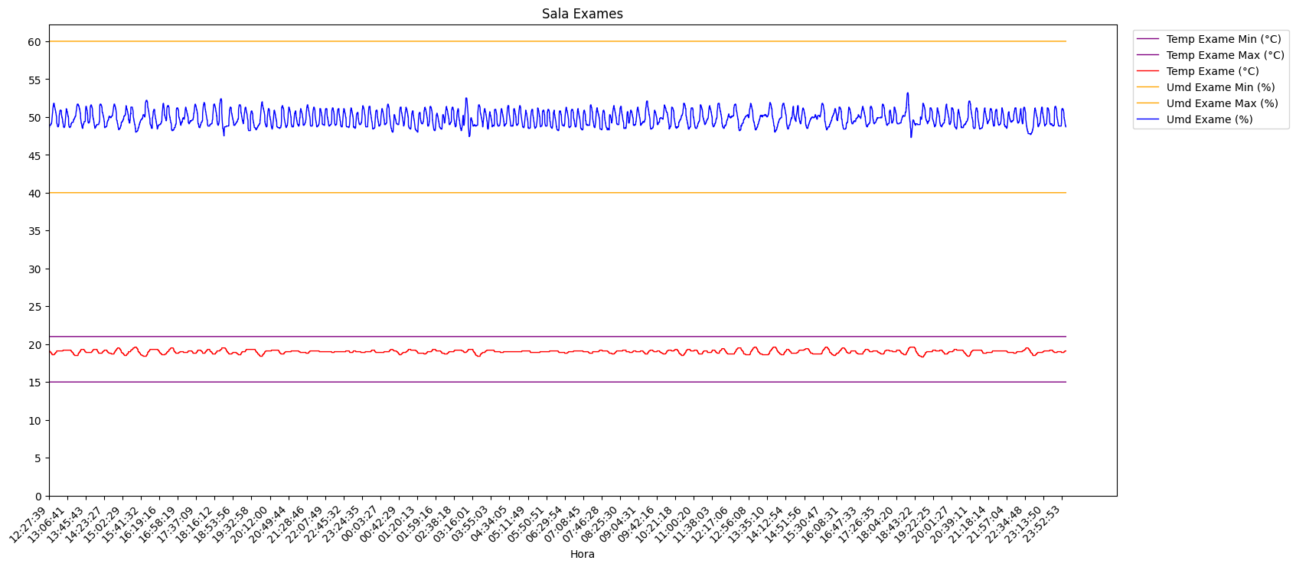

 | Observações:

1.3 Tubo de fluxo
Dados Rema |  | Fabricante: | GE |  | Modelo: | SIGNA CREATOR
Critérios |  | Temperatura mín.: | 5 | Vazão mín.: | 30 |  | Setpoint Vazão: | 8
 |  | Temperatura máx.: | 15 | Vazão máx.: | 70 |  | Setpoint Temp: | 65
GRÁFICO
 | 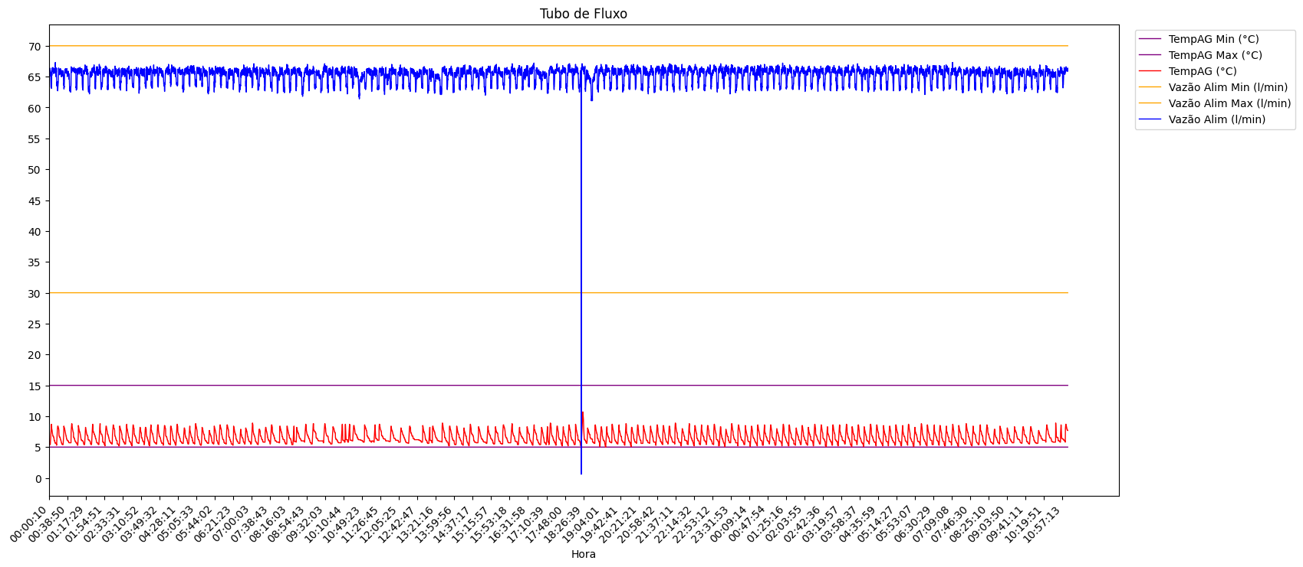

 | Observações:

Coordenador: |  | RODRIGO ISSAO TAKARA |  |  | Revisão 0 |  | Aprovado |  | RIT
 |  |  |  |  | Folha: 01 de 01 |  | Reprovado

