Sheet1
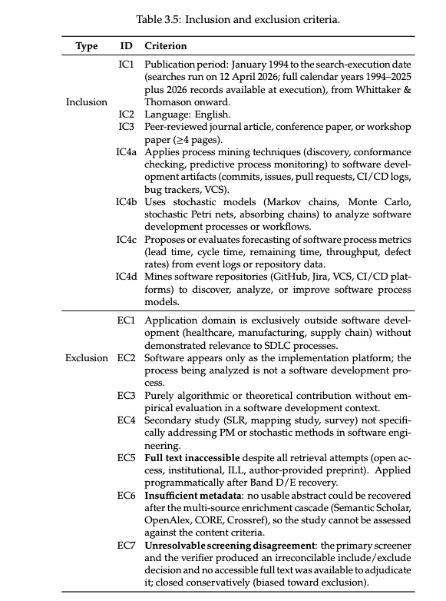

Inclusão (≥1 obrigatório):

IC1 — Process Mining em Software: aplica PM (descoberta, conformance, workflow mining, event log analysis, PPM) a artefatos de SW (commits, issues, PR, CI/CD).
IC2 — Modelagem Estocástica em Processos de SW: Markov, Monte Carlo, Petri nets estocásticas, matrizes de transição, aplicados a processos de desenvolvimento de SW.
IC3 — Forecasting de Métricas de Processo: prevê lead time, cycle time, remaining time, throughput ou taxa de defeitos usando dados/event logs.
IC4 — Mineração de Repositórios para Processo: minera GitHub/Jira/VCS para descobrir ou melhorar modelos de processo de desenvolvimento de software.

Exclusão (qualquer 1 já exclui, mesmo com IC atendido):
EC1 — Domínio fora de SW (saúde, manufatura, finanças etc.).
EC2 — "Software" é ferramenta, não é o processo estudado.
EC3 — Método puramente teórico, sem avaliação em processos de SW.
EC4 — Survey/SLR secundária fora do escopo (não trata PM/estocástico em SE).

Use maybe quando: abstract ausente mas título relevante; BPM genérico que pode ou não tratar de processos de SW; terminologia ambígua.

