Plan1
 |  | J1 |  |  |  | 11 | 12 | 13 |  |  |  | J2
 | G |  | G |  |  | 10 | 57 | 14 |  |  | Y |  | Y
 |  |  |  |  |  | 9 | 58 | 15
 | G |  | G |  |  | 8 | 59 | 16 |  |  | Y |  | Y
 |  |  |  |  |  | 7 | 60 | 17
 |  |  |  |  |  | 6 | 61 | 18
0 | 1 | 2 | 3 | 4 | 5 |  | 73 |  | 19 | 20 | 21 | 22 | 23 | 24
51 | 52 | 53 | 54 | 55 | 56 | 72 |  | 74 | 66 | 65 | 64 | 63 | 62 | 25
50 | 49 | 48 | 47 | 46 | 45 |  | 75 |  | 31 | 30 | 29 | 28 | 27 | 26
 |  |  |  |  |  | 44 | 71 | 32
 |  | J4 |  |  |  | 43 | 70 | 33 |  |  |  | J3
 | R |  | R |  |  | 42 | 69 | 34 |  |  | B |  | B
 |  |  |  |  |  | 41 | 68 | 35
 | R |  | R |  |  | 40 | 67 | 36 |  |  | B |  | B
 |  |  |  |  |  | 39 | 38 | 37
15x15
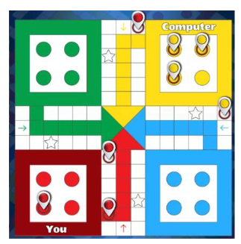
Posição Sequencial
Coordenada
G = 1 |  |  | 51 -> 52...56 (72) |  |  |  | 9,22,35,48
Y = 14 |  |  | 12 -> 57...61 (73)
B = 27 |  |  | 25 -> 62...66 (74)
R = 40 |  |  | 38 -> 67...71 (75)

base G |  | (1,1), (1,3), (3,1), (3,3)
base Y |  | (1,11), (1,13), (3,11), (3,13)
base B |  | (11,11), (11,13), (13,11), (13,13)
base R |  | (11,1), (11,3), (13,1), (13,3)

