Sheet1
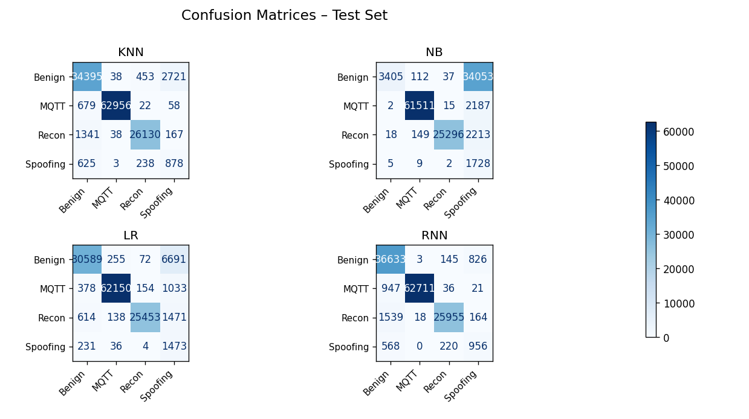
Algorithm | Accuray | F1_weighted | F1_macro | Prec_weighted | Prec_macro | Rec_weighted | Rec_macro | AUC_weighted | AUC_macro | Kappa | MCC | Categories
Decision Tree | 0.9825 | 0.9829 | 0.9114 | 0.9835 | 0.8973 | 0.9825 | 0.9286 | 0.9889 | 0.9616 | 0.9724 | 0.9724 | Benign: 0
Random-Forest | 0.9839 | 0.9839 | 0.9460 | 0.9839 | 0.9505 | 0.9839 | 0.9417 | 0.9992 | 0.9974 | 0.9746 | 0.9746 | MQTT: 1
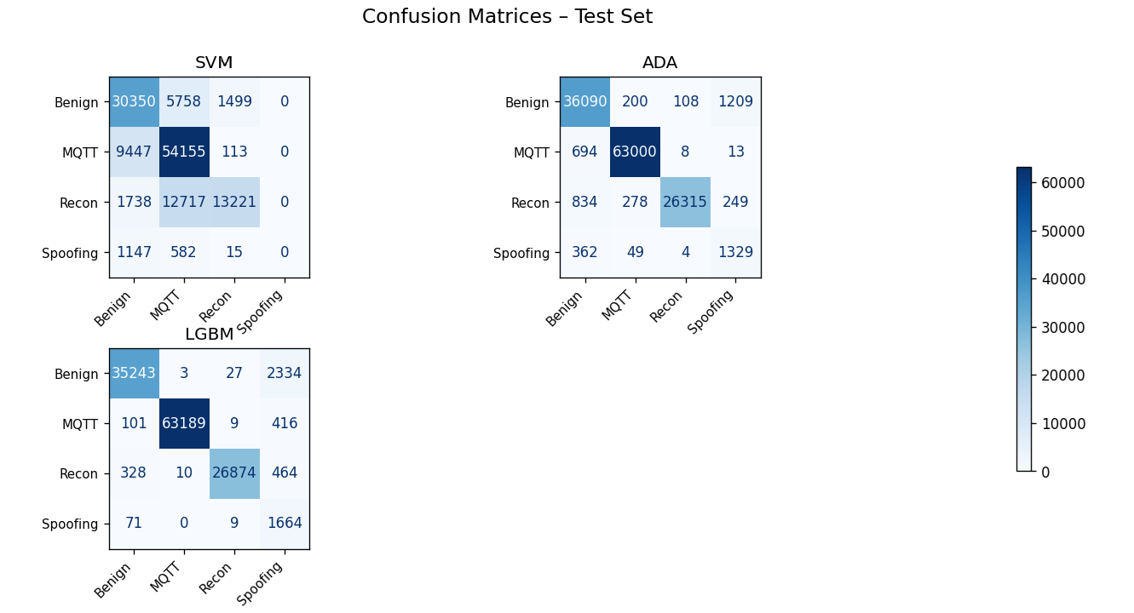
Gradient Boosting | 0.9775 | 0.9776 | 0.9171 | 0.9778 | 0.9109 | 0.9775 | 0.9238 | 0.9994 | 0.9982 | 0.9646 | 0.9646 | Recon: 2
XGBoost | 0.9774 | 0.9776 | 0.8975 | 0.9779 | 0.8904 | 0.9774 | 0.9051 | 0.9992 | 0.9968 | 0.9644 | 0.9644 | Spoofing: 3
CatBoost | 0.9875 | 0.9876 | 0.9367 | 0.9878 | 0.9319 | 0.9875 | 0.9419 | 0.9997 | 0.9988 | 0.9804 | 0.9804
K-Nearest Neighbor | 0.9512 | 0.9563 | 0.7972 | 0.9629 | 0.7826 | 0.9512 | 0.8376 | 0.9839 | 0.9577 | 0.9237 | 0.9240
Naive Bayes | 0.7032 | 0.7285 | 0.5457 | 0.9826 | 0.7573 | 0.7032 | 0.7402 | 0.9771 | 0.9668 | 0.5861 | 0.6573
Logistic Regression | 0.9153 | 0.9383 | 0.7642 | 0.9722 | 0.7710 | 0.9153 | 0.8830 | 0.9918 | 0.9850 | 0.8705 | 0.8754
Recurrent Neural Network | 0.9657 | 0.9663 | 0.8539 | 0.9676 | 0.8484 | 0.9657 | 0.8611 | 0.9976 | 0.9928 | 0.9460 | 0.9463
Support Vector Machines | 0.7475 | 0.7346 | 0.5422 | 0.7535 | 0.5853 | 0.7475 | 0.5337 | 0.8382 | 0.8584 | 0.5855 | 0.5945
AdaBoost | 0.9693 | 0.9709 | 0.8757 | 0.9737 | 0.8530 | 0.9693 | 0.9153 | 0.9934 | 0.9888 | 0.9518 | 0.9520
LightGBM | 0.9711 | 0.9768 | 0.8609 | 0.9867 | 0.8313 | 0.9711 | 0.9635 | 0.9995 | 0.9987 | 0.9550 | 0.9557

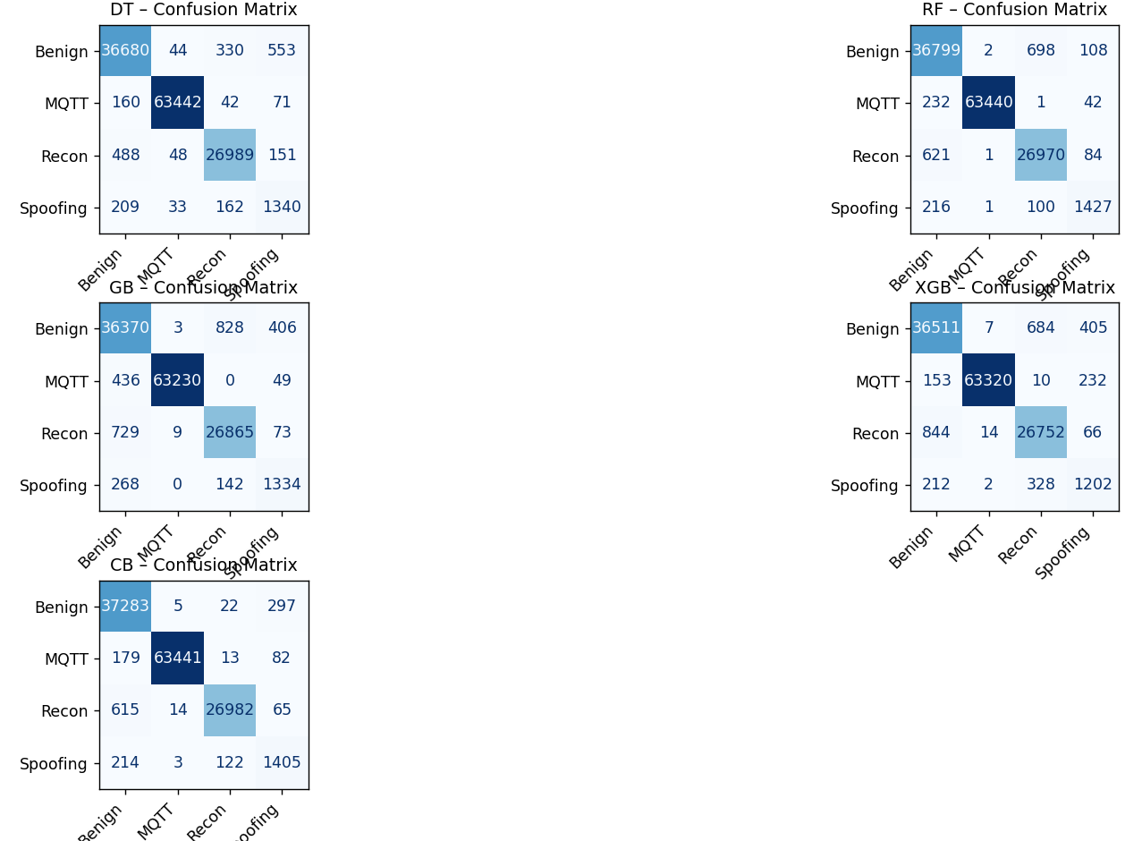
Dataset used: | IoMT 2024 |  |  |  |  | Prediction of a new case
 |  |  |  |  |  | Algorithm | Predicted | Confidence
https://www.unb.ca/cic/datasets/iomt-dataset-2024.html |  |  |  |  |  | Decision Tree | 2 / Recon | 1.0
 |  |  |  |  |  | Random-Forest | 2 / Recon | 1.0
 |  |  |  |  |  | Gradient Boosting | 2 / Recon | 0.985
 |  |  |  |  |  | XGBoost | 2 / Recon | 1.0
 |  |  |  |  |  | CatBoost | 2 / Recon | 0.999
 |  |  |  |  |  | K-Nearest Neighbor | 2 / Recon | 1.0
 |  |  |  |  |  | Naive Bayes | 2 / Recon | 1.0
 |  |  |  |  |  | Logistic Regression | 2 / Recon | 0.998
 |  |  |  |  |  | Recurrent Neural Network | 2 / Recon | 1.0
 |  |  |  |  |  | Support Vector Machines | 2 / Recon | 0.482
 |  |  |  |  |  | AdaBoost | 2 / Recon | 0.262
 |  |  |  |  |  | LightGBM | 2 / Recon | 0.999

