Dashboard
Sales Dashboard |  |  |  |  |  |  |  |  | Total Sale Per Item Chart

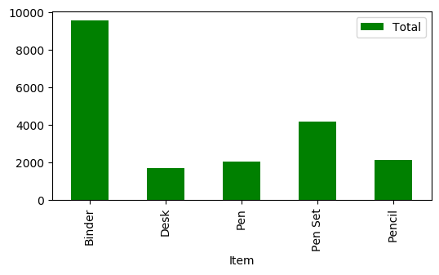
Total Sales per Rep |  |  | Total Items Sold |  |  | Sales by Month
 | Rep | Total |  | Item | Total |  | OrderDate | Total
 | Andrews | 438.37 |  | Binder | 9577.65 |  | 2020-01 | 1188.55
 | Gill | 1749.87 |  | Desk | 1700 |  | 2020-02 | 719.37
 | Howard | 536.75 |  | Pen | 2045.22 |  | 2020-03 | 167.44
 | Jardine | 2812.19 |  | Pen Set | 4169.87 |  | 2020-04 | 448.65
 | Jones | 2363.04 |  | Pencil | 2135.14 |  | 2020-05 | 512.78
 | Kivell | 3109.44 |  |  |  |  | 2020-06 | 988.5
 | Morgan | 1387.77 |  |  |  |  | 2020-07 | 1676.9
 | Parent | 3102.3 |  |  |  |  | 2020-08 | 174.65
 | Smith | 1641.43 |  |  |  |  | 2020-09 | 505.84
 | Sorvino | 1283.61 |  |  |  |  | 2020-10 | 827.08
 | Thompson | 1203.11 |  |  |  |  | 2020-11 | 778.89
 |  |  |  |  |  |  | 2020-12 | 1269.69
 |  |  |  |  |  |  | 2021-01 | 413.54
 |  |  |  |  |  |  | 2021-02 | 1324.96
 |  |  |  |  |  |  | 2021-03 | 389.43
 |  |  |  |  |  |  | 2021-04 | 610.38
 |  |  |  |  |  |  | 2021-05 | 787.57
 |  |  |  |  |  |  | 2021-06 | 625
 |  |  |  |  |  |  | 2021-07 | 996.33
 |  |  |  |  |  |  | 2021-08 | 1830.9
 |  |  |  |  |  |  | 2021-09 | 160.27
 |  |  |  |  |  |  | 2021-10 | 1157.49
 |  |  |  |  |  |  | 2021-11 | 54.89
 |  |  |  |  |  |  | 2021-12 | 2018.78

