Issues


TPM | Name | Category | NOP | Line | Status | Description | Created At | Images
air leakage | Rohit Kharat | Production | 123 | FDRDRH | Pending | Good | 2025-02-11T13:27:09.512Z
ti | t | Maintanance | 3 | REARFLOOR | Pending | 3 | 2025-02-11T14:07:19.070Z
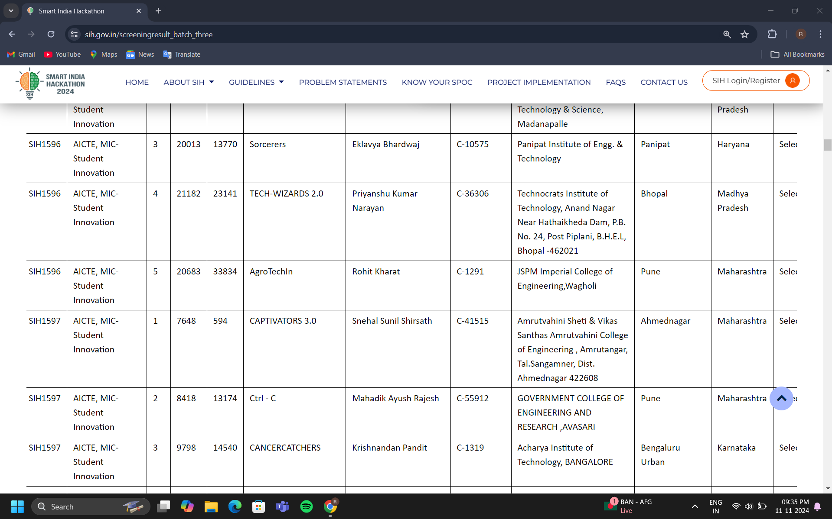
Water Leakage | Rohit Kharat | Maintanance | 3 | BODYSIDELH | Red Tag | Need to be done | 2025-02-11T15:03:07.393Z
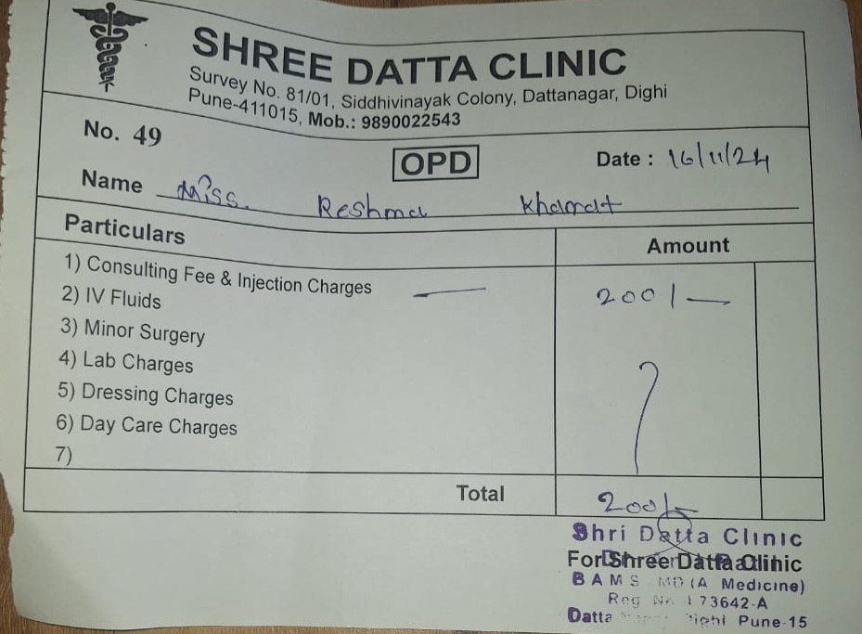
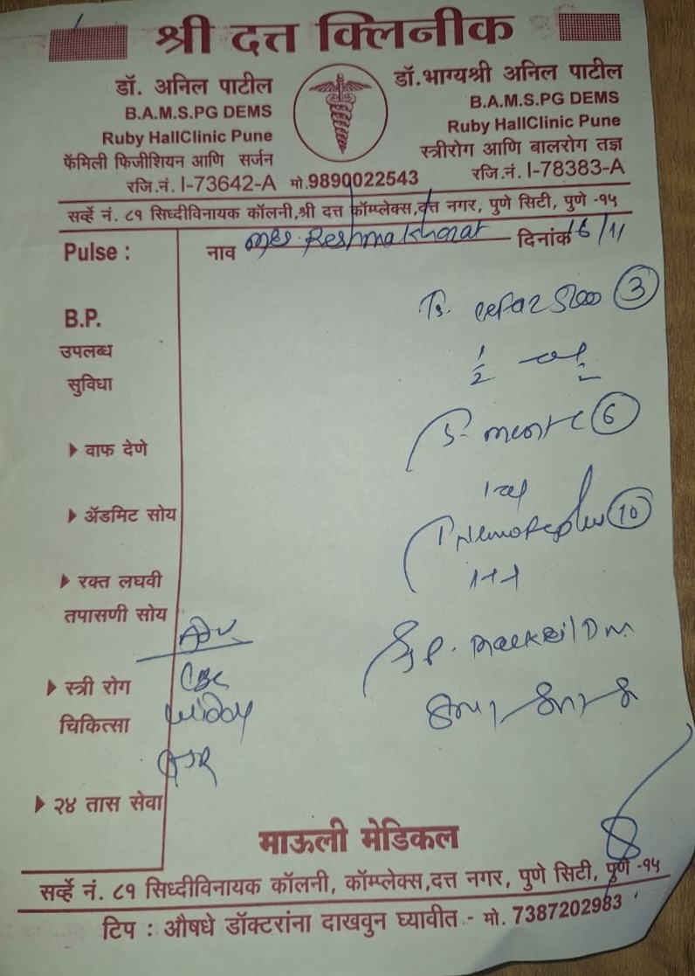
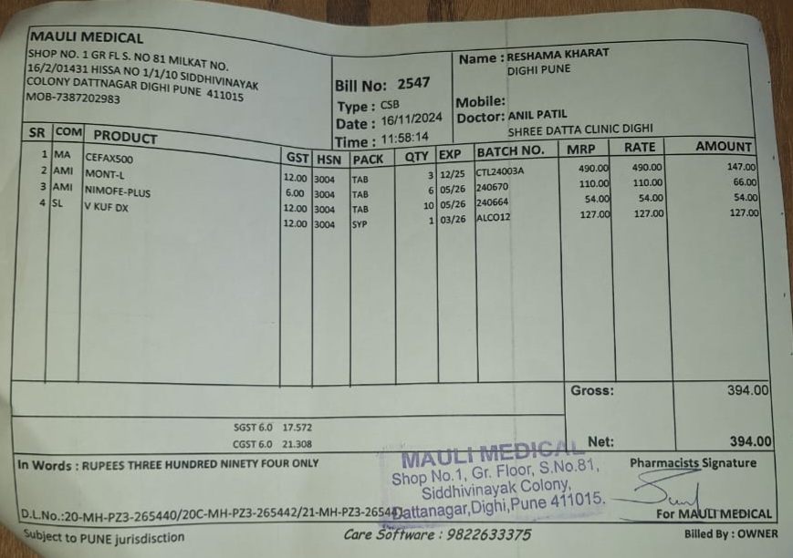
ROhit | ROhit | Maintanance | 2 | HOOD | Red Tag | 123rthj | 2025-02-17T13:46:22.412Z

