Optimal Policy 1
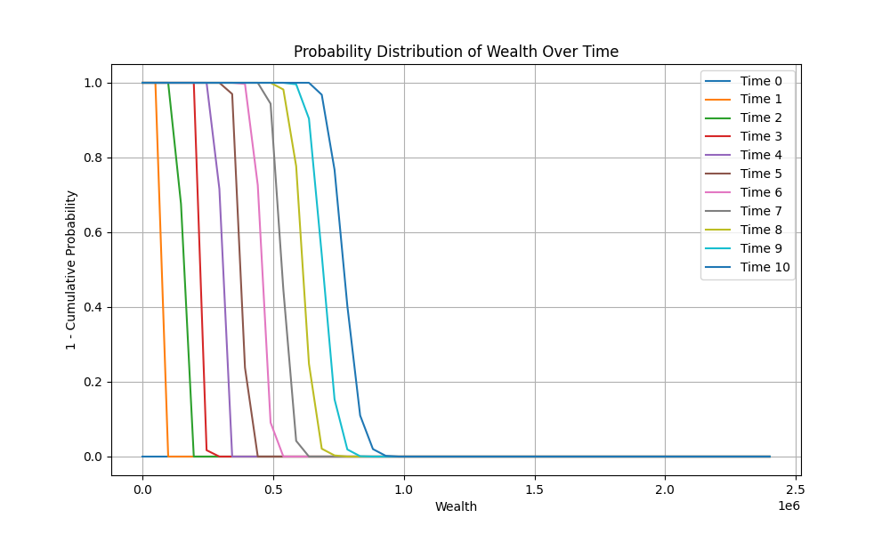
 | Time 0 | Time 1 | Time 2 | Time 3 | Time 4 | Time 5 | Time 6 | Time 7 | Time 8 | Time 9
0 | 0 | 0 | 0 | 0 | 0 | 0 | 0 | 0 | 0 | 0
120000 | 0 | 0 | 0 | 0 | 0 | 0 | 0 | 0 | 0 | 0
240000 | 0 | 0 | 0 | 0 | 0 | 0 | 0 | 0 | 0 | 0
360000 | 0 | 0 | 0 | 0 | 0 | 0 | 0 | 0 | 0 | 0
480000 | 0 | 0 | 0 | 0 | 0 | 0 | 0 | 0 | 0 | 0
600000 | 0 | 0 | 0 | 0 | 0.1 | 0 | 0 | 0 | 0.3 | 0
720000 | 0.5 | 0.4 | 0 | 0.2 | 0 | 0.3 | 0 | 0 | 1 | 0
840000 | 0.2 | 0.3 | 0 | 0 | 0 | 0 | 0 | 0.4 | 0.4 | 0
960000 | 0.4 | 0 | 0 | 0 | 0.6 | 0.3 | 0 | 1 | 0.2 | 0.4
1080000 | 0 | 0 | 0 | 0 | 0 | 0.5 | 0.4 | 0 | 0.4 | 0
1200000 | 1 | 0 | 0 | 0 | 0.6 | 0 | 0.1 | 0.5 | 0.1 | 0
1320000 | 0 | 0.7 | 0 | 0.4 | 0 | 0.6 | 0 | 0.2 | 0.3 | 0.4
1440000 | 0 | 0 | 0 | 0 | 0.1 | 0 | 0 | 0 | 0.6 | 0.3
1560000 | 0 | 0 | 0 | 0.2 | 0 | 0.1 | 0 | 0 | 0.7 | 0.4
1680000 | 0 | 0 | 0 | 0 | 0.2 | 0 | 0 | 0 | 0.5 | 0.2
1800000 | 0 | 0 | 0 | 0 | 0 | 0.4 | 0 | 0 | 0 | 0.3
1920000 | 0 | 0 | 0 | 0 | 0 | 0 | 0.2 | 0.1 | 0.3 | 0.3
2040000 | 0 | 0 | 0 | 0 | 0 | 0 | 0 | 0 | 0.1 | 0.1
2160000 | 0 | 0 | 0 | 0 | 0 | 0 | 0 | 0 | 0 | 0
2280000 | 0 | 0 | 0 | 0 | 0 | 0 | 0 | 0 | 0 | 0
2400000 | 0 | 0 | 0 | 0 | 0 | 0 | 0 | 0 | 0 | 0

Optimal Policy 2
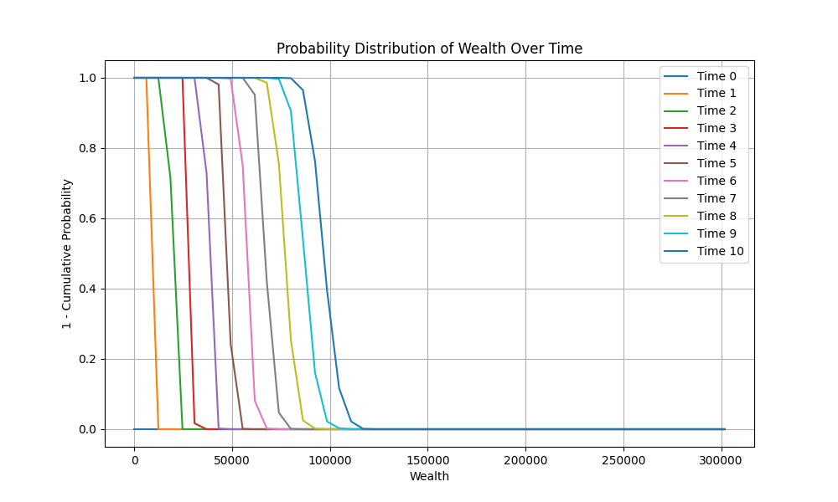
 | Time 0 | Time 1 | Time 2 | Time 3 | Time 4 | Time 5 | Time 6 | Time 7 | Time 8 | Time 9
0 | 0 | 0 | 0 | 0 | 0 | 0 | 0 | 0 | 0 | 0
15091.473539 | 0 | 0 | 0 | 0 | 0 | 0 | 0 | 0 | 0 | 0
30182.947078 | 0 | 0 | 0 | 0 | 0 | 0 | 0 | 0 | 0 | 0
45274.420616 | 0 | 0 | 0 | 0 | 0 | 0 | 0 | 0 | 0 | 0
60365.894155 | 0 | 0 | 0 | 0 | 0 | 0 | 0 | 0 | 0 | 0.5
75457.367694 | 0 | 0 | 0 | 0 | 0 | 0 | 0 | 0 | 0.2 | 0
90548.841233 | 0 | 0 | 0 | 0.5 | 0 | 0 | 0 | 0 | 0.3 | 0.7
105640.31477 | 0 | 0 | 0 | 0.4 | 0 | 0 | 0 | 0.5 | 0 | 0
120731.78831 | 0.7 | 0.5 | 0 | 0 | 0 | 0 | 0 | 0 | 0.1 | 0.5
135823.26185 | 0 | 0.7 | 0.5 | 0.4 | 0 | 0.2 | 0 | 0 | 0 | 0.7
150914.73539 | 0 | 0 | 0.2 | 0 | 0.1 | 0.5 | 0.5 | 0 | 0.1 | 0
166006.20893 | 0 | 0 | 0 | 0.3 | 0.7 | 0 | 0 | 0.1 | 0.5 | 0.4
181097.68247 | 0 | 0 | 0.1 | 0 | 0 | 0 | 0.8 | 0.1 | 0.6 | 0.8
196189.156 | 0 | 0 | 0 | 0.3 | 0 | 0 | 0.2 | 0 | 0.3 | 0.1
211280.62954 | 0 | 0 | 0 | 0 | 0.1 | 0 | 0 | 0.2 | 0.2 | 0.1
226372.10308 | 0 | 0 | 0 | 0 | 0 | 0.2 | 0 | 1 | 0.5 | 0.8
241463.57662 | 0 | 0 | 0 | 0 | 0 | 0 | 0.3 | 0.5 | 0.1 | 0.2
256555.05016 | 0 | 0 | 0 | 0 | 0 | 0 | 0 | 0 | 0.5 | 0
271646.5237 | 0 | 0 | 0 | 0 | 0 | 0 | 0 | 0 | 0.3 | 0
286737.99724 | 0 | 0 | 0 | 0 | 0 | 0 | 0 | 0 | 0 | 0.1
301829.47078 | 0 | 0 | 0 | 0 | 0 | 0 | 0 | 0 | 0 | 0

