Optimal Policy 1
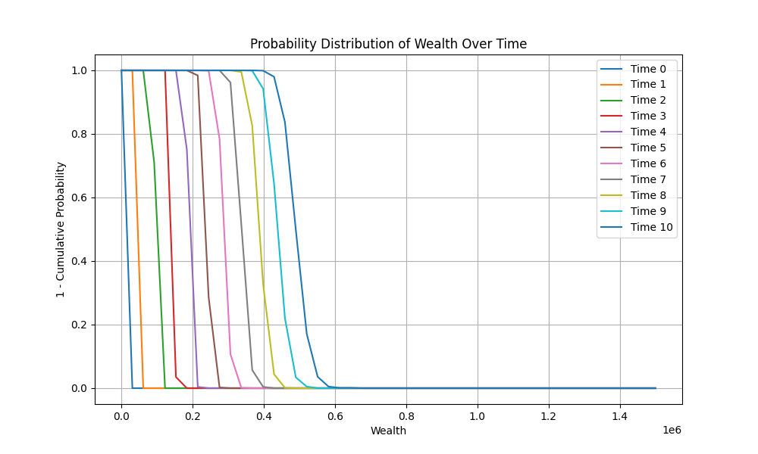
 | Time 0 | Time 1 | Time 2 | Time 3 | Time 4 | Time 5 | Time 6 | Time 7 | Time 8 | Time 9
0 | 0 | 0 | 0 | 0 | 0 | 0 | 0 | 0 | 0 | 0
75000 | 0 | 0 | 0 | 0 | 0 | 0 | 0 | 0 | 0 | 0
150000 | 0 | 0 | 0 | 0 | 0 | 0 | 0 | 0 | 0 | 0
225000 | 0 | 0 | 0 | 0 | 0 | 0 | 0 | 0 | 0 | 0
300000 | 0 | 0 | 0 | 0 | 0 | 0.1 | 0 | 0 | 0 | 0.8
375000 | 0.3 | 0 | 0.3 | 0 | 0 | 0 | 0 | 0.6 | 0.9 | 0
450000 | 0 | 0 | 0 | 0 | 0.8 | 0 | 0 | 1 | 0 | 0
525000 | 0 | 0 | 0.7 | 0.2 | 0 | 0.2 | 0 | 0 | 0 | 0
600000 | 0.2 | 0 | 0 | 0 | 0 | 0 | 0.6 | 0.4 | 0 | 0.4
675000 | 0.1 | 0 | 0.4 | 0 | 0 | 0.6 | 0.1 | 0.1 | 0 | 0.1
750000 | 0 | 0.5 | 0.2 | 0.1 | 0 | 0 | 0.3 | 0.1 | 0.1 | 0.6
825000 | 0 | 0 | 0.3 | 0.4 | 0.4 | 0 | 0 | 0.7 | 0.8 | 0
900000 | 0 | 0 | 0 | 0.4 | 0 | 0.6 | 0 | 0 | 0.1 | 0.2
975000 | 0 | 0 | 0 | 0 | 0.7 | 0.4 | 0.1 | 0.1 | 0 | 0
1050000 | 0 | 0 | 0 | 0 | 0 | 0 | 0.7 | 0.4 | 0.6 | 0.1
1125000 | 0 | 0 | 0 | 0 | 0 | 0.1 | 0 | 1 | 0.1 | 0
1200000 | 0 | 0 | 0 | 0 | 0 | 0 | 0 | 0 | 0.2 | 0.1
1275000 | 0 | 0 | 0 | 0 | 0 | 0 | 0 | 0 | 0.7 | 0
1350000 | 0 | 0 | 0 | 0 | 0 | 0 | 0 | 0 | 0.3 | 0
1425000 | 0 | 0 | 0 | 0 | 0 | 0 | 0 | 0 | 0 | 0.7
1500000 | 0 | 0 | 0 | 0 | 0 | 0 | 0 | 0 | 0 | 0.1

Optimal Policy 2
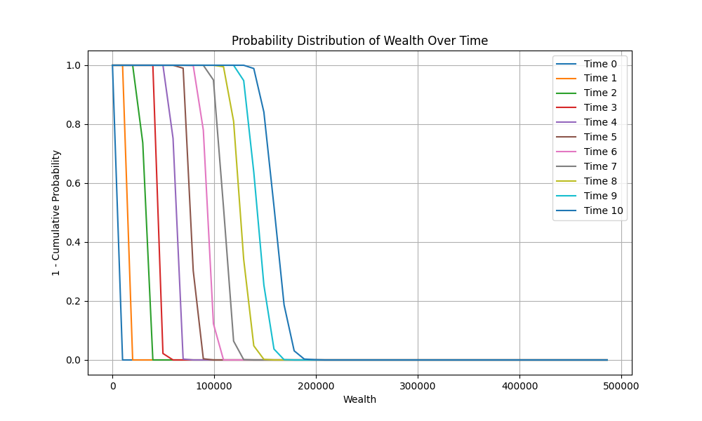
 | Time 0 | Time 1 | Time 2 | Time 3 | Time 4 | Time 5 | Time 6 | Time 7 | Time 8 | Time 9
0 | 0 | 0 | 0 | 0 | 0 | 0 | 0 | 0 | 0 | 0
24293.607848 | 0 | 0 | 0 | 0 | 0 | 0 | 0 | 0 | 0 | 0
48587.215695 | 0 | 0 | 0 | 0 | 0 | 0 | 0 | 0 | 0 | 0
72880.823543 | 0 | 0 | 0 | 0 | 0 | 0 | 0 | 0 | 0 | 0
97174.43139 | 0 | 0 | 0 | 0 | 0 | 0 | 0 | 0 | 0 | 0
121468.03924 | 0 | 0 | 0.1 | 0 | 0 | 0 | 0 | 0.6 | 0 | 0
145761.64709 | 0.1 | 0.4 | 0 | 0 | 1 | 0 | 0 | 0 | 0 | 0.7
170055.25493 | 0 | 0 | 0.5 | 0.2 | 0 | 0.7 | 0 | 0.1 | 0 | 0.6
194348.86278 | 0 | 0 | 0.4 | 1 | 0 | 0.7 | 0.3 | 0.6 | 0 | 1
218642.47063 | 0 | 0 | 0 | 0.4 | 0.4 | 0 | 0 | 0.4 | 0 | 0.5
242936.07848 | 0.7 | 0 | 0 | 0 | 0.5 | 0.3 | 0.3 | 0.6 | 0.8 | 0.2
267229.68632 | 0 | 0 | 0 | 0 | 0 | 0.5 | 0 | 0.8 | 0.9 | 0.1
291523.29417 | 0 | 0 | 0.1 | 0.2 | 0.3 | 0.9 | 0.8 | 0.4 | 0.5 | 0
315816.90202 | 0 | 0 | 0 | 0 | 0 | 0 | 0.1 | 0.7 | 0 | 0.8
340110.50987 | 0 | 0 | 0 | 0 | 0 | 0 | 0 | 0 | 0.1 | 0.2
364404.11771 | 0 | 0 | 0 | 0 | 0 | 0 | 0.5 | 0 | 0.1 | 0
388697.72556 | 0 | 0 | 0 | 0 | 0 | 0 | 0 | 0.2 | 0.1 | 0.5
412991.33341 | 0 | 0 | 0 | 0 | 0 | 0 | 0 | 0 | 0.5 | 0.3
437284.94126 | 0 | 0 | 0 | 0 | 0 | 0 | 0 | 0 | 0.4 | 0.2
461578.5491 | 0 | 0 | 0 | 0 | 0 | 0 | 0 | 0 | 0 | 0
485872.15695 | 0 | 0 | 0 | 0 | 0 | 0 | 0 | 0 | 0 | 0.1

