Optimal Policy 1
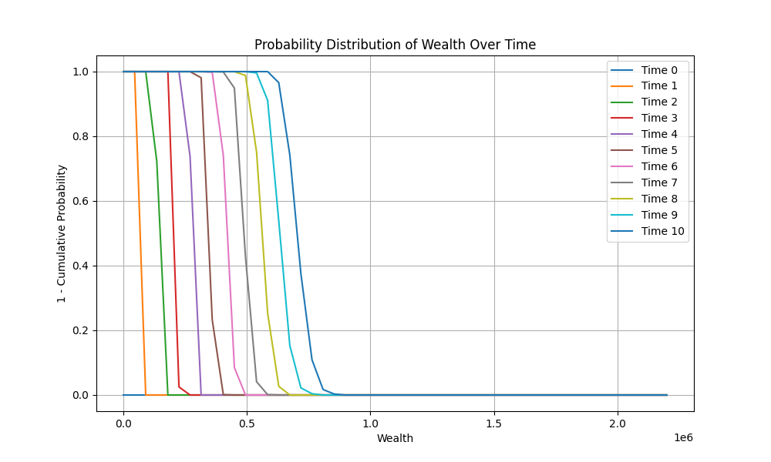
 | Time 0 | Time 1 | Time 2 | Time 3 | Time 4 | Time 5 | Time 6 | Time 7 | Time 8 | Time 9
0 | 0 | 0 | 0 | 0 | 0 | 0 | 0 | 0 | 0 | 0
110000 | 0 | 0 | 0 | 0 | 0 | 0 | 0 | 0 | 0 | 0
220000 | 0 | 0 | 0 | 0 | 0 | 0 | 0 | 0 | 0 | 0
330000 | 0 | 0 | 0 | 0 | 0 | 0 | 0 | 0 | 0 | 0
440000 | 0 | 0 | 1 | 0 | 0.8 | 0 | 0 | 0 | 0 | 0
550000 | 0 | 0 | 0 | 0 | 0 | 0 | 0 | 0 | 0 | 0
660000 | 0 | 0 | 0.4 | 0 | 0 | 0 | 0.6 | 0 | 0 | 0.2
770000 | 0.8 | 0 | 0 | 0 | 0 | 0 | 0 | 0 | 0 | 0.7
880000 | 0.8 | 0.1 | 0.4 | 0 | 0 | 0.7 | 0 | 0.5 | 0 | 1
990000 | 0 | 0.1 | 0 | 0.6 | 0 | 0.1 | 0.5 | 0 | 0.3 | 0.1
1100000 | 0.7 | 0 | 0.7 | 0.2 | 0.1 | 0 | 0.1 | 0.2 | 0 | 0.1
1210000 | 0 | 0.9 | 0 | 0 | 0 | 0.3 | 0 | 0.4 | 0.3 | 0.5
1320000 | 0 | 0 | 0.1 | 0.8 | 0 | 0.1 | 0.5 | 0 | 0.2 | 0.3
1430000 | 0 | 0 | 0 | 0 | 0.4 | 0 | 0 | 0.5 | 0 | 0.7
1540000 | 0 | 0 | 0 | 0 | 0 | 0.9 | 0 | 0.8 | 0.1 | 0.5
1650000 | 0 | 0 | 0 | 0 | 0 | 0.1 | 0 | 0 | 0.2 | 0
1760000 | 0 | 0 | 0 | 0 | 0 | 0 | 0.3 | 0.3 | 0 | 0.7
1870000 | 0 | 0 | 0 | 0 | 0 | 0 | 0.1 | 0 | 0 | 0.1
1980000 | 0 | 0 | 0 | 0 | 0 | 0 | 0 | 0 | 0.1 | 0
2090000 | 0 | 0 | 0 | 0 | 0 | 0 | 0 | 0 | 0.3 | 0.2
2200000 | 0 | 0 | 0 | 0 | 0 | 0 | 0 | 0 | 0 | 0

Optimal Policy 2
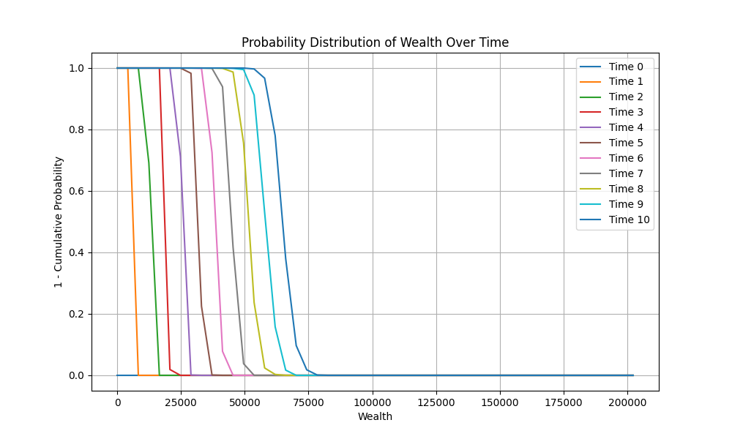
 | Time 0 | Time 1 | Time 2 | Time 3 | Time 4 | Time 5 | Time 6 | Time 7 | Time 8 | Time 9
0 | 0 | 0 | 0 | 0 | 0 | 0 | 0 | 0 | 0 | 0
10112.4 | 0 | 0 | 0 | 0 | 0 | 0 | 0 | 0 | 0 | 0
20224.8 | 0 | 0 | 0 | 0 | 0 | 0 | 0 | 0 | 0 | 0
30337.2 | 0.8 | 0 | 0 | 0 | 0 | 0 | 0 | 0 | 0 | 0.1
40449.6 | 0 | 0 | 0 | 0 | 0 | 0 | 0 | 0 | 0.6 | 0
50562 | 0 | 0 | 0 | 0 | 0 | 0.4 | 0.3 | 1 | 0.5 | 0
60674.4 | 0.8 | 0.6 | 0.5 | 0.4 | 0 | 0 | 1 | 0.4 | 0 | 0.4
70786.8 | 0.2 | 0.5 | 0 | 0.3 | 0.7 | 0.7 | 0 | 0 | 0 | 0
80899.2 | 0.2 | 0.3 | 0 | 0.1 | 0.1 | 0 | 0 | 0 | 0 | 0.3
91011.6 | 0 | 0.1 | 0 | 0 | 0.7 | 0.1 | 0 | 1 | 0 | 0.6
101124 | 0 | 0 | 0 | 0 | 0 | 0.2 | 0 | 0 | 0.8 | 0.2
111236.4 | 0 | 0 | 0 | 0 | 0 | 0 | 0.1 | 0 | 0 | 0.3
121348.8 | 0 | 0 | 0 | 0 | 0 | 0 | 0 | 0.3 | 0.4 | 0.8
131461.2 | 0 | 0 | 0 | 0 | 0.1 | 0 | 0.4 | 0 | 0.2 | 0
141573.6 | 0 | 0 | 0 | 0 | 0 | 0 | 0 | 0.5 | 0 | 0.5
151686 | 0 | 0 | 0 | 0 | 0 | 0 | 0 | 0.1 | 0 | 0.5
161798.4 | 0 | 0 | 0 | 0 | 0 | 0 | 0 | 0 | 0.4 | 0.1
171910.8 | 0 | 0 | 0 | 0 | 0 | 0 | 0 | 0 | 0.1 | 0.7
182023.2 | 0 | 0 | 0 | 0 | 0 | 0 | 0 | 0 | 0.5 | 0.3
192135.6 | 0 | 0 | 0 | 0 | 0 | 0 | 0 | 0 | 0 | 0.4
202248 | 0 | 0 | 0 | 0 | 0 | 0 | 0 | 0 | 0 | 0

