Optimal Policy 1
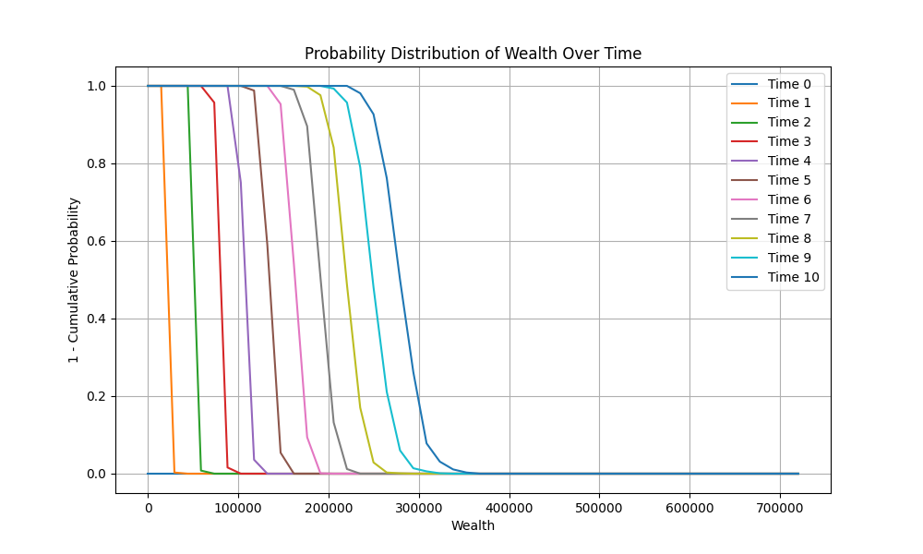
 | Time 0 | Time 1 | Time 2 | Time 3 | Time 4 | Time 5 | Time 6 | Time 7 | Time 8 | Time 9
0 | 0 | 0 | 0 | 0 | 0 | 0 | 0 | 0 | 0 | 0
36000 | 0 | 0 | 0 | 0 | 0 | 0 | 0 | 0 | 0 | 0
72000 | 0 | 0 | 0 | 0 | 0 | 0.6 | 0 | 0.4 | 0.1 | 0
108000 | 0 | 0 | 0 | 0.2 | 0 | 0 | 0.5 | 0 | 0.8 | 0
144000 | 0 | 0 | 0 | 1 | 0 | 0 | 0 | 0.7 | 0.1 | 0.1
180000 | 0.5 | 0.4 | 0 | 0 | 0 | 0.2 | 0.2 | 0.1 | 0.1 | 0
216000 | 0.2 | 0 | 0 | 0 | 0 | 0 | 0 | 0 | 0 | 0.9
252000 | 0 | 0.3 | 0.3 | 0.1 | 0 | 0 | 0 | 0 | 0.3 | 0.2
288000 | 0 | 0.3 | 0 | 0 | 0 | 0 | 0 | 0.4 | 0.8 | 0.3
324000 | 0 | 0 | 0.7 | 0 | 0 | 0.1 | 0 | 0 | 0.1 | 0.1
360000 | 0 | 0 | 0 | 0.3 | 0 | 0.1 | 0 | 0 | 0 | 0
396000 | 0 | 0 | 0 | 0 | 0.9 | 0 | 0 | 0.1 | 0 | 0.1
432000 | 0 | 0 | 0 | 0 | 0 | 0 | 0.3 | 0.1 | 0.6 | 0.2
468000 | 0 | 0 | 0 | 0 | 0 | 0 | 0.8 | 0 | 0.6 | 0
504000 | 0 | 0 | 0 | 0 | 0 | 0 | 0 | 0.6 | 0 | 0.1
540000 | 0 | 0 | 0 | 0 | 0 | 0 | 0 | 0.4 | 0.1 | 0.4
576000 | 0 | 0 | 0 | 0 | 0 | 0 | 0 | 0 | 0 | 0.1
612000 | 0 | 0 | 0 | 0 | 0 | 0 | 0 | 0 | 0 | 0.1
648000 | 0 | 0 | 0 | 0 | 0 | 0 | 0 | 0 | 0 | 0
684000 | 0 | 0 | 0 | 0 | 0 | 0 | 0 | 0 | 0 | 0
720000 | 0 | 0 | 0 | 0 | 0 | 0 | 0 | 0 | 0 | 0

Optimal Policy 2
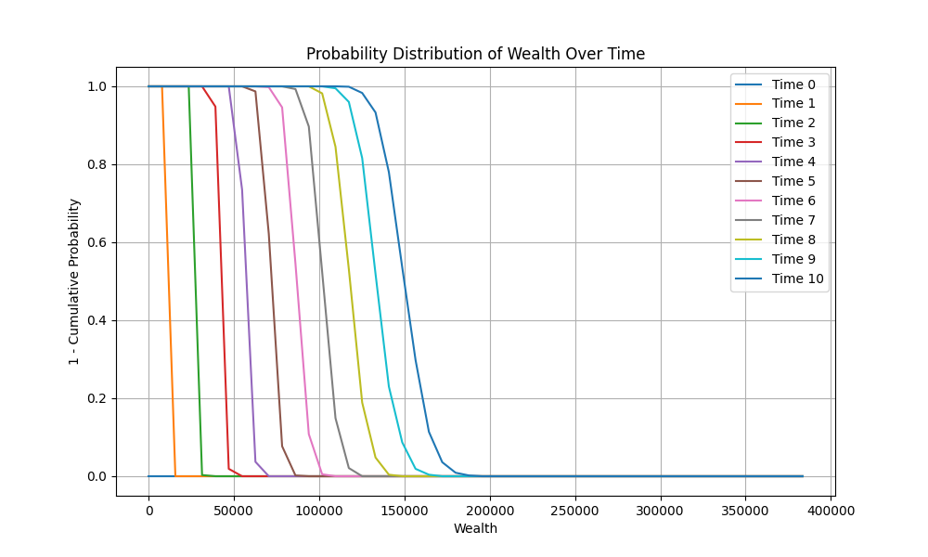
 | Time 0 | Time 1 | Time 2 | Time 3 | Time 4 | Time 5 | Time 6 | Time 7 | Time 8 | Time 9
0 | 0 | 0 | 0 | 0 | 0 | 0 | 0 | 0 | 0 | 0
19168.825114 | 0 | 0 | 0 | 0 | 0 | 0 | 0 | 0 | 0 | 0
38337.650229 | 0 | 0 | 0 | 0 | 0 | 0 | 0 | 0 | 1 | 1
57506.475343 | 0 | 0 | 0 | 0.5 | 0 | 0.6 | 0 | 0.4 | 0 | 0.5
76675.300457 | 1 | 0 | 0 | 0.1 | 0.2 | 0.7 | 0.7 | 0 | 0.3 | 0
95844.125571 | 0.2 | 0 | 0.7 | 0 | 0 | 0 | 0.2 | 0.1 | 0 | 1
115012.95069 | 0 | 1 | 0.2 | 0 | 0 | 0 | 0.2 | 0.1 | 0 | 0.2
134181.7758 | 0 | 0 | 0 | 0 | 0 | 0.4 | 0.5 | 0 | 0.8 | 0
153350.60091 | 0 | 0.1 | 0 | 0 | 0.1 | 0.8 | 0.3 | 0 | 0.2 | 0
172519.42603 | 0 | 0 | 0.4 | 0 | 0 | 0.3 | 0 | 0.4 | 0 | 0.2
191688.25114 | 0 | 0 | 0 | 0 | 0 | 0 | 0 | 0.1 | 0.4 | 0
210857.07626 | 0 | 0 | 0 | 0.3 | 0 | 0.3 | 0.3 | 0 | 0.5 | 0
230025.90137 | 0 | 0 | 0 | 0 | 0 | 0.3 | 0.1 | 0.3 | 0 | 0
249194.72649 | 0 | 0 | 0 | 0 | 0 | 0 | 0 | 0.1 | 0.1 | 0.2
268363.5516 | 0 | 0 | 0 | 0 | 0 | 0 | 0.3 | 0.2 | 0 | 0.1
287532.37671 | 0 | 0 | 0 | 0 | 0 | 0 | 0.2 | 0 | 0 | 0.7
306701.20183 | 0 | 0 | 0 | 0 | 0 | 0 | 0 | 0 | 0.1 | 0.3
325870.02694 | 0 | 0 | 0 | 0 | 0 | 0 | 0 | 0.2 | 0 | 0
345038.85206 | 0 | 0 | 0 | 0 | 0 | 0 | 0 | 0 | 0 | 0
364207.67717 | 0 | 0 | 0 | 0 | 0 | 0 | 0 | 0 | 0.1 | 0
383376.50229 | 0 | 0 | 0 | 0 | 0 | 0 | 0 | 0 | 0 | 0.1

