HOW-TO
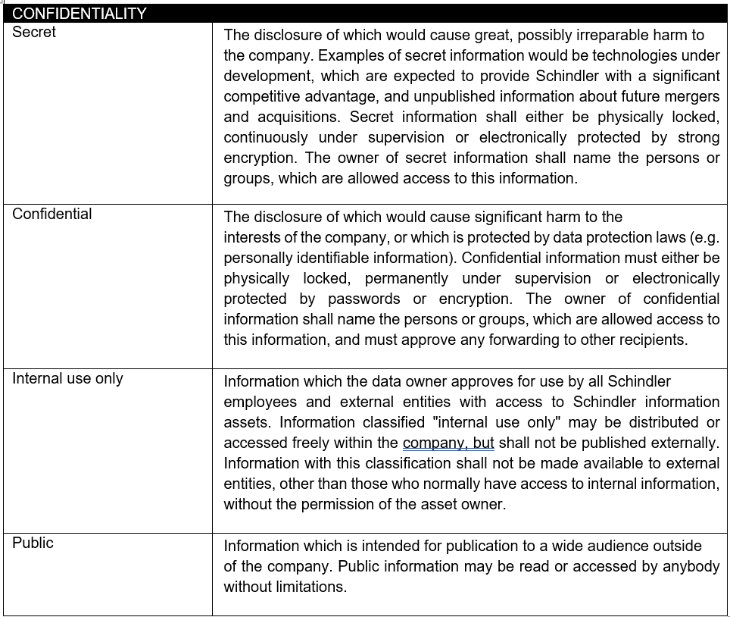
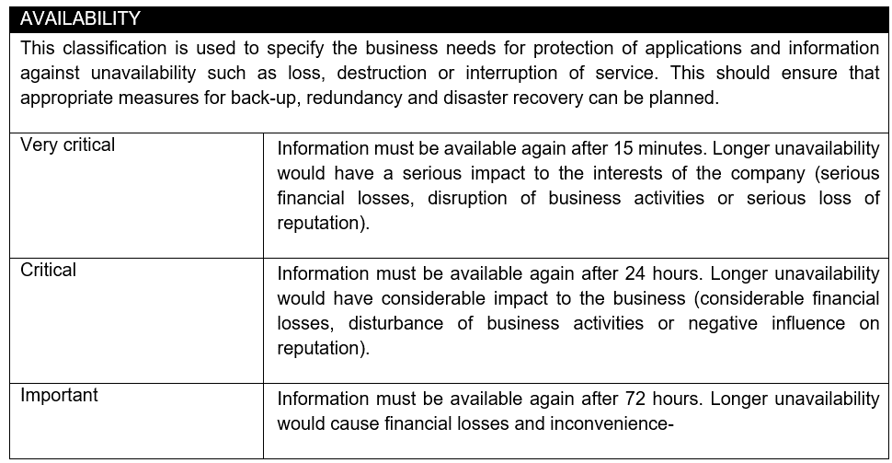
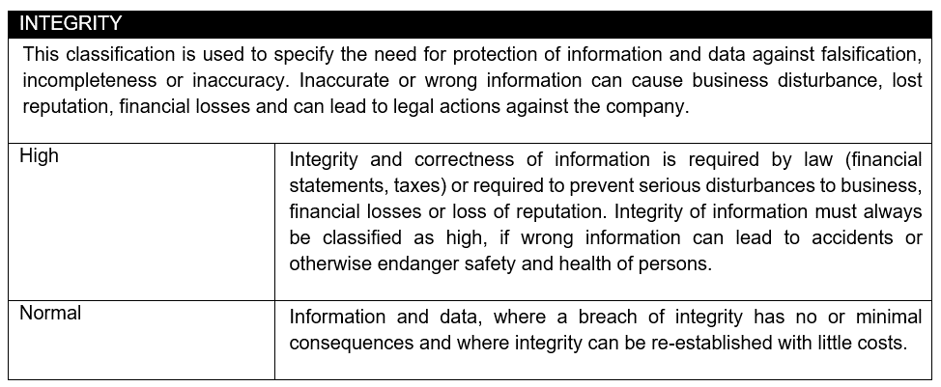
Before giiling in the survey - please read the guidelines provided below:

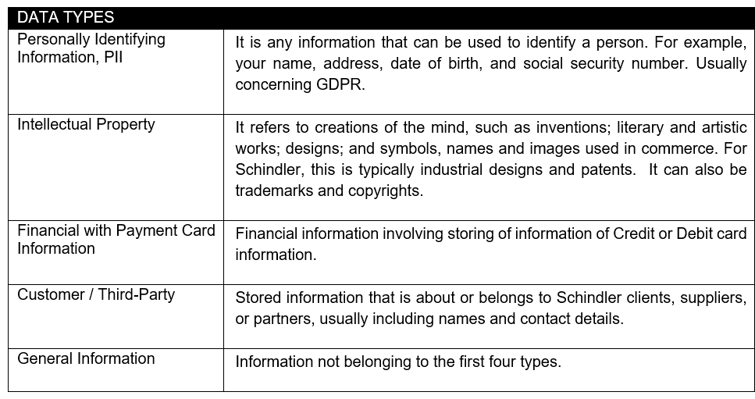
Answer as many questions as you can
Enter your answers to the answer column. For surveys with multiple applications copy/paste similar answers
If possible provide any relevant technical documentation
If you want to add extra info/leave comments and notes, please do this in the answer cells

