Dashboard
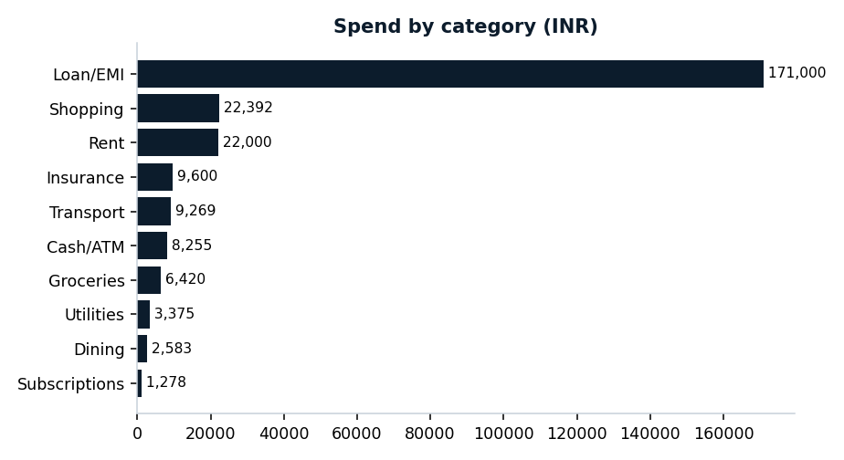
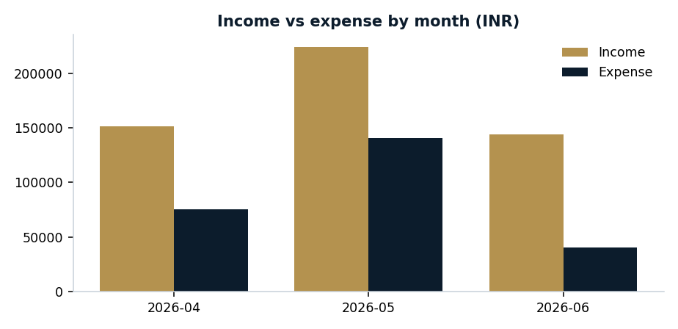
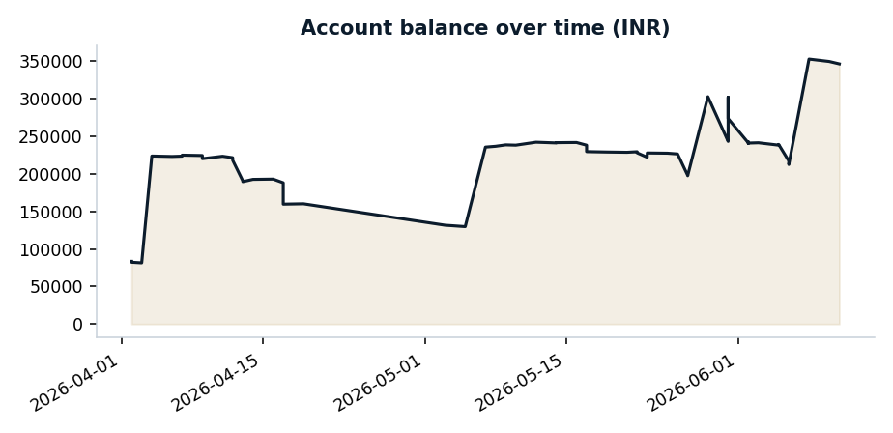
Bank Statement Analysis — Dashboard
Generated 2026-07-08 09:56 · SYNTHETIC DEMO DATA

