Data Charatcerization
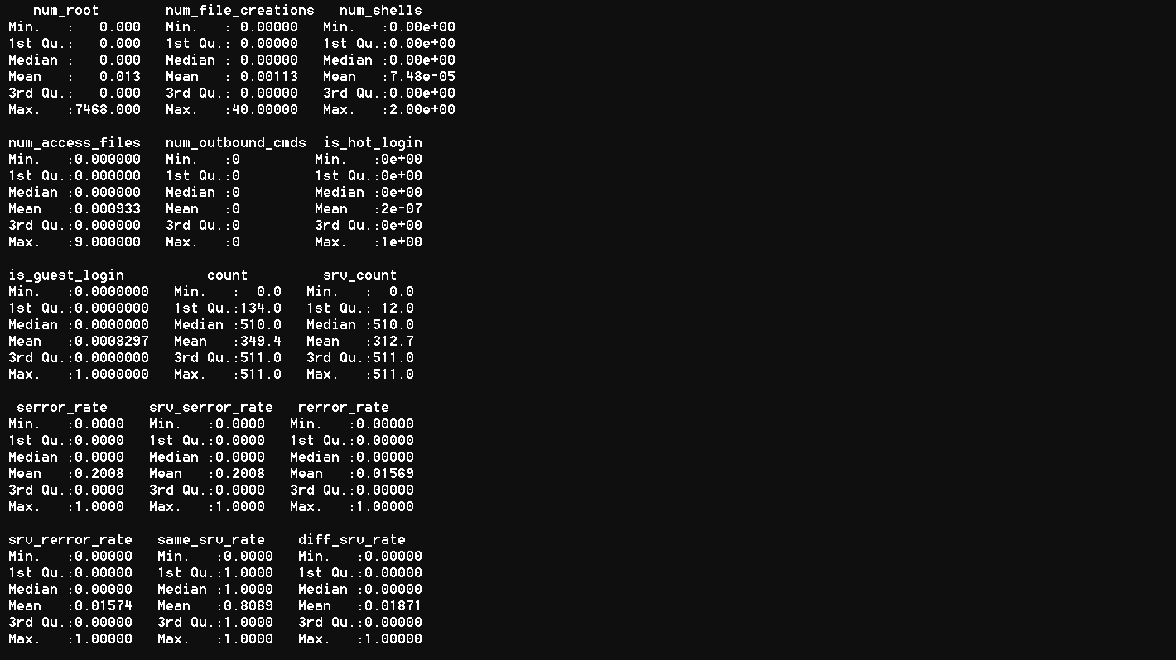
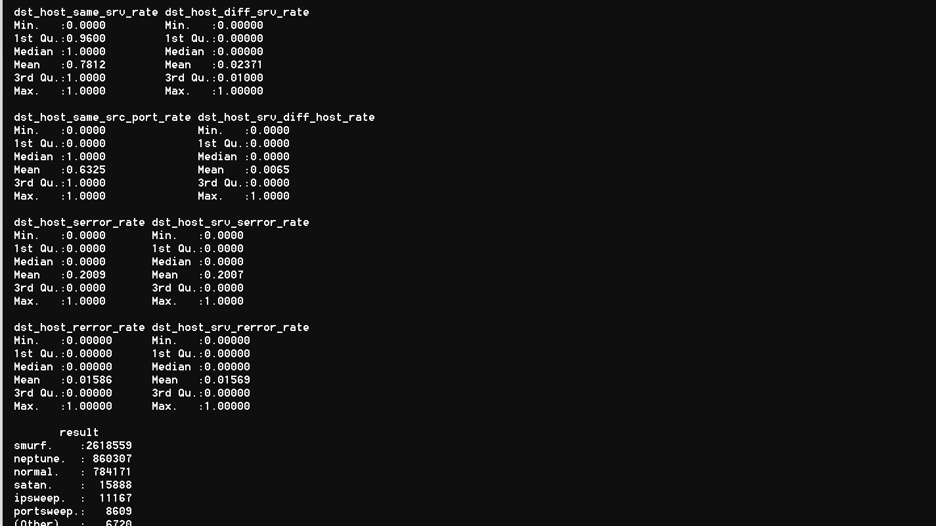
Please fill the following details
Describe the data as you understand in 2-3 lines:
Write the objective in 2-3 lines

Data Dimension
# of records | 4305421
# of attributes | 42
Type of class attribute
# of categorical attributes | 4
# of numeric attributes | 38
# of missing values | 0
% missing values
#of attributes with greater than 20% Missing Value
#of rows with greater than 20% Missing Values
#of Levels in Categorical Attribute <Attribute Name>
#of Levels in Taget Variable
#of Correlated Variables (> 70%)
#of near zero variance variables | ZERO
Is there any Class imbalance in target variable? | NO
Proportions of Target Class Levels
# of DATE Variables
# of Attributes that can be directly used for model building
# of Attributes that require Feature Engineering
Descriptive Statistics
Attribute name | Average | Median | Standard Deviation | Min value | Max value | # of missing values

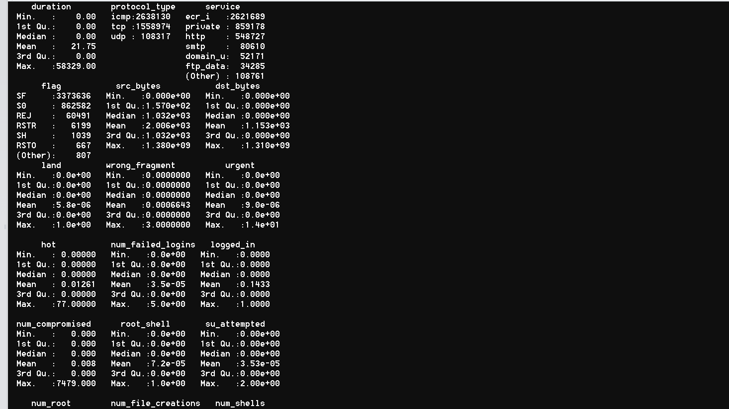

Attribute name | # of unique levels | # of missing values

Correlation matrix of numeric attributes

Data Preprocessing
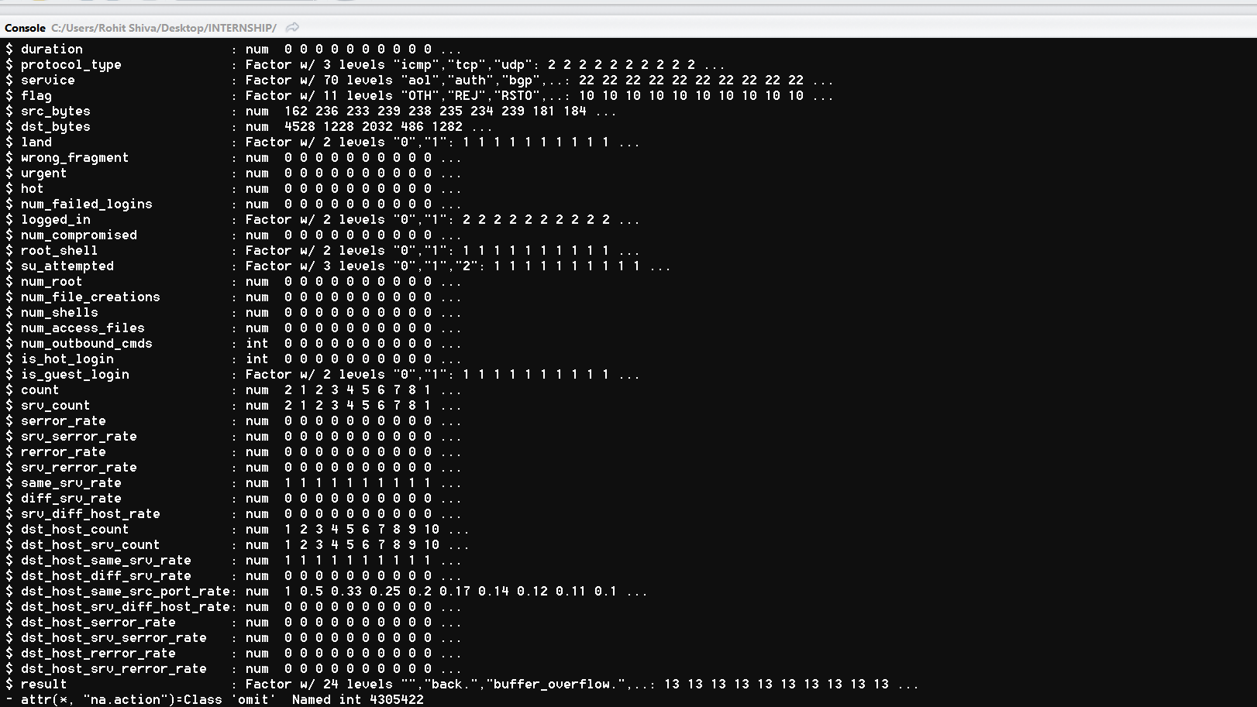
Iteration 1

Type Conversions
Attribute name | Original type | After conversion
 | numeric | factor
 | categorical | factor
 | character | factor |  |  | factor

Dealing with Missing values |  |  | Dealing with Missing values
Method | Error | Comments | Method | Error | Comments
Central Imputation | NO MISSING VALUES | this gives least error but introduces bias | Central Imputation |  | this gives least error but introduces bias
kNN imputation |  | this give least error but takes lot of time | kNN imputation |  | this give least error but takes lot of time
Any other algorithms |  |  | Any other algorithms

Feature Generation |  |  | Feature Generation
Derived attribute | Derivation method | Comments | Derived attribute | Derivation method | Comments
xnew = | x1-x2 | as per the data,... | xnew = | x1-x2 | as per the data,...
xnew = | x1 + x2 | as per the data,... | xnew = | x1 + x2 | as per the data,...

Data standardization |  |  | Data standardization
Attribute name | Method |  | Attribute name | Method

Numeric to Categorical | Binning |  | Feature Selection
Attribute name | Method |  | Method
 |  |  | PCA
 |  |  | SVD
 |  |  | Regularization - Lasso
 |  |  | Regularization - Ridge
Categorical to Numerical | Dummies
Attribute name | Method
 |  |  | Other Preprocessing Techniques
 |  |  | Attribute name | Method

Outlier Analysis and Handling
Attribute name | Method

