Sheet1
name | price | rating | discount | category | subcategory | brand | description | sale_price | stock | main_image | product_images
sdfsdf | 2323 | 4 | 34 | Electronics | Mobile Phones & Accessories | Motorola | Feature 1, Feature 2, Feature 3, High Quality Display | 5000 | 100 |  |  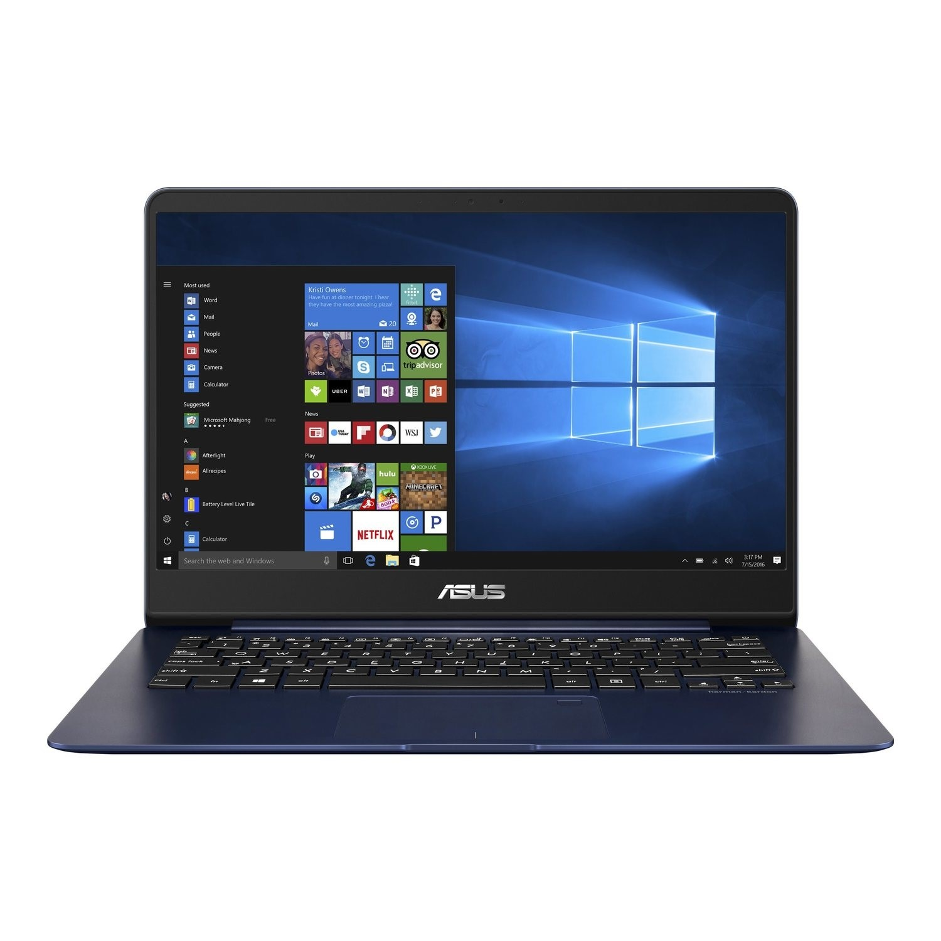
new product | 23 | 3 | 2 | Electronics | Mobile Phones & Accessories | Motorola | category1,cateogry2,categiry3 | 789 | 90 |  | 

