Sheet1
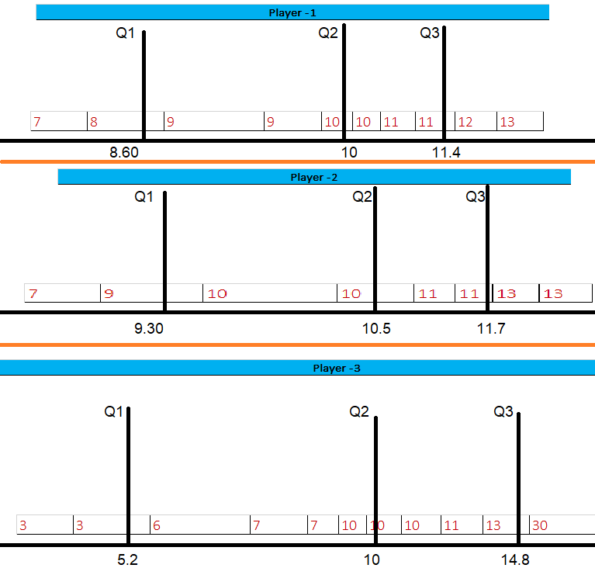
According to Standard Deviation Player-1 is more consistent than other 2 players. So as a basketball couch I will definitely select Player-1.

 | Standard Deviation
Player -1 | 1.73
Player -2 | 1.87
Player -3 | 7.01

Player -1
7 | 8 | 9 | 9 | 10 | 10 | 11 | 11 | 12 | 13

Mean | 100/10=10
Median | 10+10/2=10
Q1 | 8.6
Q2 | 10
Q3 | 11.4

Outlier | Q1-1.5(IQR) Q3+1.5(IQR) IQR=Q3-Q1==> 11.4-8.6==>2.8 | 8.6-1.5(2.8)=8.6-4.2=4.4 11.4+1.5(2.8)=11.4+4.2=15.6 | 4.4 to 15.6

Variance | ((7-10)^2 + (8-10)^2 + (9-10)^2 + (9-10)^2 + (10-10)^2 + (10-10)^2 + (11-10)^2 + (11-10)^2 + (12-10)^2 + (13-10)^2)/10

 | 9+4+1+1+0+0+1+1+4+9/10

 | 30/10=3

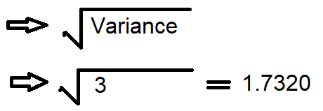
Standard Deviation

Player -2
7 | 9 | 10 | 10 | 11 | 11 | 13 | 13

Mean | 84/8=10.5
Median | 10+11/2=10.5
Q1 | 9.3
Q2 | 10.5
Q3 | 11.7

Outlier | Q1-1.5(IQR) Q3+1.5(IQR) IQR=Q3-Q1==> 11.7-9.3==>2.4 | 9.3-1.5(2.4)=9.3-3.6=5.7 11.7+1.5(2.4)=11.7+3.6=15.3 | 5.7 to 15.3

Variance | ((7-10.5)^2 + (9-10.5)^2 + (10-10.5)^2 + (10-10.5)^2 + (11-10.5)^2 + (11-10.5)^2 + (13-10.5)^2 + (13-10.5)^2)/10

 | 12.25+2.25+.25+.25+.25+.25+6.25+6.25/8

 | 28/8=3.5

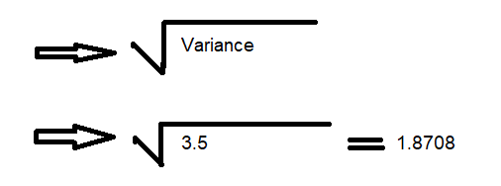
Standard Deviation

Player -3
3 | 3 | 6 | 7 | 7 | 10 | 10 | 10 | 11 | 13 | 30

Mean | 110/11=10
Median | 10
Q1 | 5.2
Q2 | 10
Q3 | 14.8

Outlier | Q1-1.5(IQR) Q3+1.5(IQR) IQR=Q3-Q1==> 14.8-5.2==>9.6 | 5.2-1.5(9.6)=5.2-14.4=-9.2 14.8+1.5(9.6)=14.8+14.4=29.2 | 0 TO 29.2

Variance | ((3-10)^2 + (3-10)^2 + (6-10)^2 + (7-10)^2 +(7-10)^2 + (10-10)^2 + (10-10)^2 + (10-10)^2 + (11-10)^2 + (13-10)^2 + (30-10)^2)/11

 | 49+49+16+9+9+0+0+0+1+9+400/11

 | 542/11=49.27

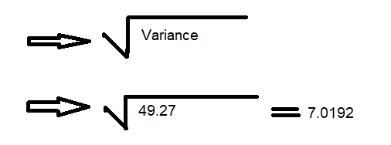
Standard Deviation

Draw Box

