Sheet1
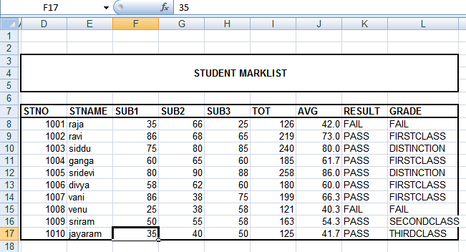
 |  |  |  | STUDENTS MARKSLIST

STNO | STNAME | SUB1 | SUB2 | SUB3 | TOT | AVG | RESULT | GRADE
2723111 | VENKATESH | 55 | 45 | 65 | 165 | 55
2723112 | BILAL | 65 | 66 | 55 | 186 | 62
2723113 | NEERAJ | 66 | 77 | 55 | 198 | 66
2723114 | HARSHA | 88 | 66 | 77 | 231 | 77
2723115 | KRISHNA | 50 | 46 | 78 | 174 | 58
2723116 | SIVA | 67 | 35 | 43 | 145 | 48.333333333
2723117 | HARI | 56 | 65 | 76 | 197 | 65.666666667

