Dashboard
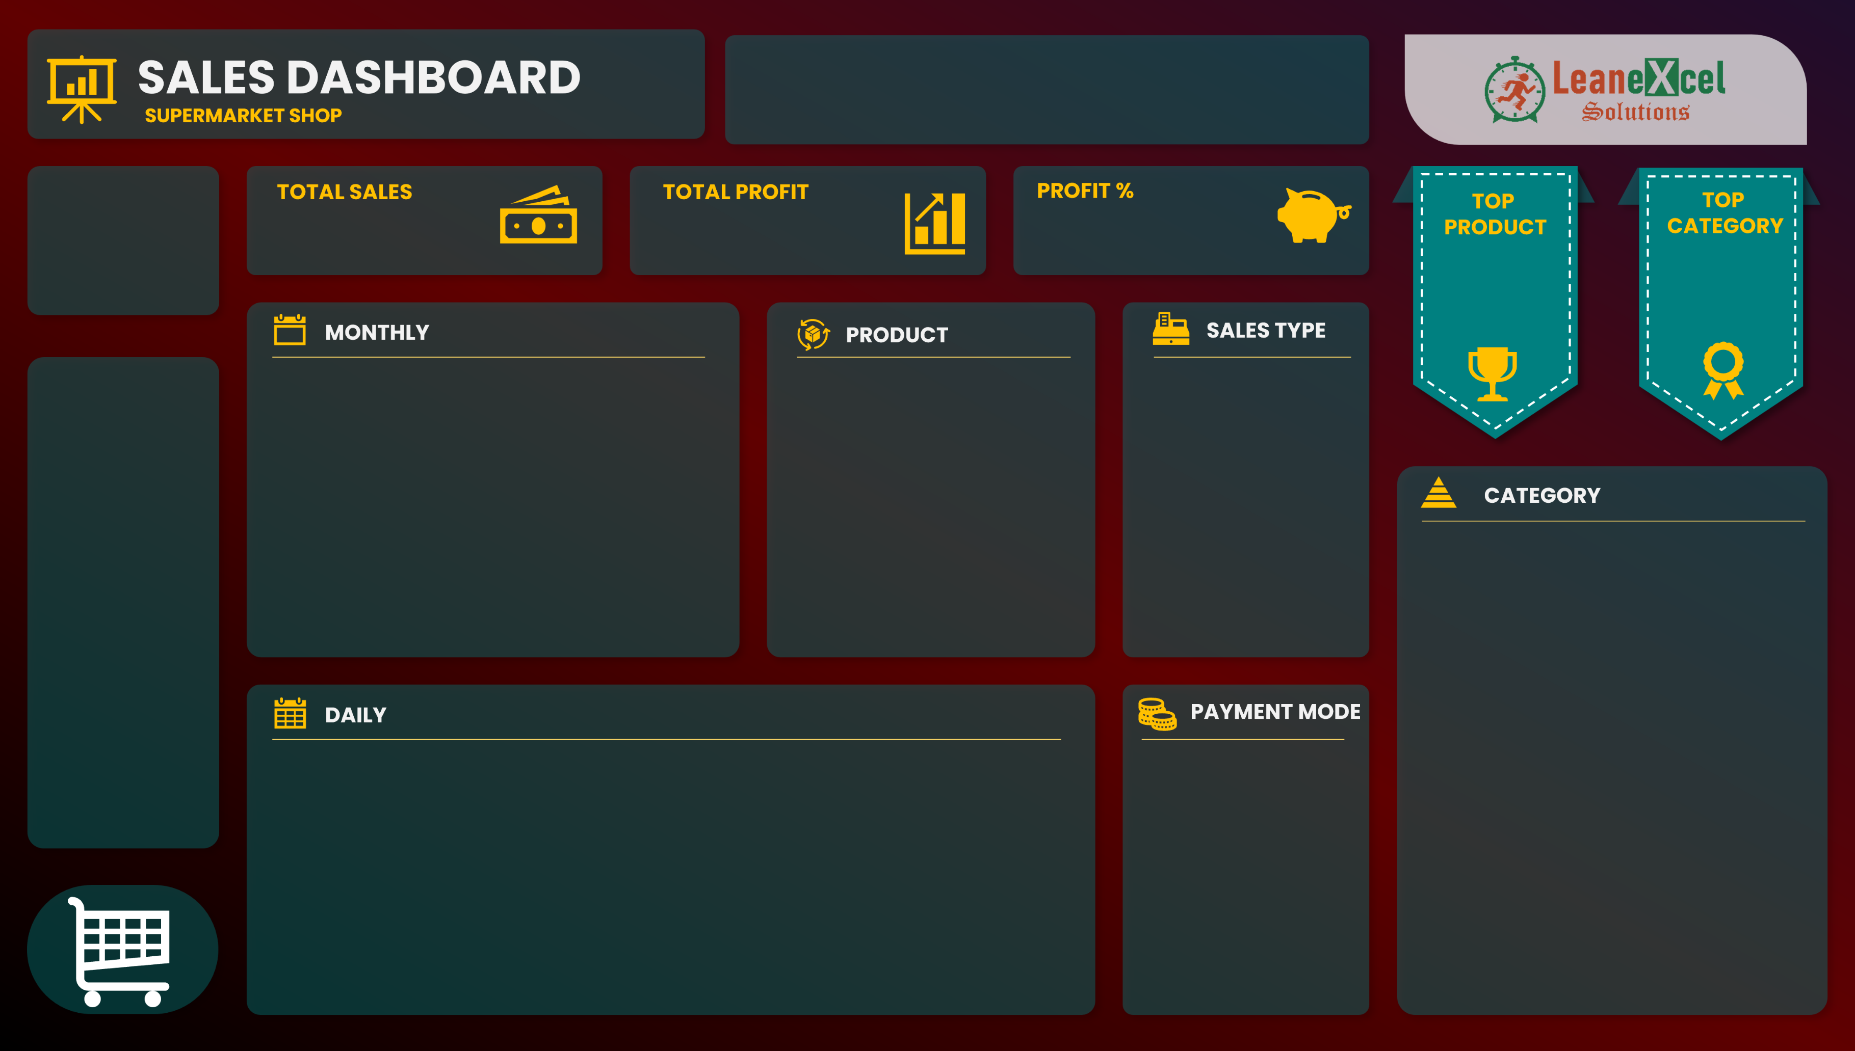

$4,01,411.92
$68,907.92
21%
Product41
Category04
132
$95,269
$22,952

Product01 | $9,765
Product02 | $13,423
Product03 | $6,394
Product04 | $6,056
Product05 | $15,717
Product06 | $4,532
Product07 | $2,291
Product08 | $10,503
Product09 | $582
Product10 | $16,428
 | Total
Direct Sales | 208140.15
Online | 133923.87
Wholesaler | 59347.9
 | Sales | Profit
January | $41,346.96 | $7,056.96
February | $30,857.30 | $5,516.30
March | $28,616.65 | $5,179.65
April | $26,579.11 | $5,297.11
May | $30,910.45 | $4,384.45
June | $30,533.71 | $5,654.71
July | $35,251.79 | $5,373.79
August | $35,350.40 | $5,519.40
September | $35,242.81 | $6,484.81
October | $33,500.69 | $5,658.69
November | $36,124.07 | $6,818.07
December | $37,097.98 | $5,963.98

 | Total
Cash | 199516.9
Online | 201895.02
 | Total
1 | $13,167.81
2 | $13,210.22
3 | $20,202.10
4 | $11,312.20
5 | $11,711.45
6 | $14,365.54
7 | $7,132.79
8 | $14,262.46
9 | $16,824.67
10 | $15,229.35
11 | $11,915.58
12 | $14,837.36
13 | $8,084.26
14 | $9,461.14
15 | $12,189.70
16 | $12,762.63
17 | $3,659.24
18 | $18,582.39
19 | $10,204.23
20 | $20,482.78
21 | $10,665.40
22 | $11,315.84
23 | $18,818.19
24 | $11,488.40
25 | $18,688.43
26 | $13,710.08
27 | $11,440.67
28 | $13,306.16
29 | $8,794.48
30 | $16,666.27
31 | $6,920.10

TRUE | TRUE | TRUE

Analysis
 |  |  |  |  |  |  |  | TRUE | TRUE | TRUE |  |  |  |  | Product41 | $22,952 | 132 |  |  |  |  |  | Category04 | $95,269
DAY | Sum of TOTAL SELLING VALUE | Sum of TOTAL BUYING VALUE | Sum of TOTAL SELLING VALUE | DAY | Sum of TOTAL BUYING VALUE | Sum of TOTAL SELLING VALUE | Month | Sales | Profit | Profit % | DAY | Sum of TOTAL SELLING VALUE | Sum of QUANTITY |  |  |  |  |  |  | DAY | Sum of TOTAL SELLING VALUE |  |  |  | DAY | Sum of TOTAL SELLING VALUE | DAY | Sum of TOTAL SELLING VALUE
1 | $13,167.81 | 332504 | 401411.92 | January | 34290 | 41346.96 | January | $41,346.96 | $7,056.96 | 21% | Product01 | 9764.72 | 94 | 19 | Product01 | 9764.72 | 94 | Product01 | $9,765 | Category01 | 69261.95 | 4 | Category01 | $69,262 | Direct Sales | 208140.15 | Cash | 199516.9
2 | $13,210.22 |  |  | February | 25341 | 30857.3 | February | $30,857.30 | $5,516.30 | 22% | Product02 | 13423.2 | 94 | 10 | Product02 | 13423.2 | 94 | Product02 | $13,423 | Category02 | 92963.87 | 2 | Category02 | $92,964 | Online | 133923.87 | Online | 201895.02
3 | $20,202.10 | Total Sales | $401,411.92 | March | 23437 | 28616.65 | March | $28,616.65 | $5,179.65 | 22% | Product03 | 6394.26 | 79 | 26 | Product03 | 6394.26 | 79 | Product03 | $6,394 | Category03 | 52299.51 | 5 | Category03 | $52,300 | Wholesaler | 59347.9
4 | $11,312.20 | Total Profit | $68,907.92 | April | 21282 | 26579.11 | April | $26,579.11 | $5,297.11 | 25% | Product04 | 6056.16 | 124 | 30 | Product04 | 6056.16 | 124 | Product04 | $6,056 | Category04 | 95269.4 | 1 | Category04 | $95,269
5 | $11,711.45 | Profit % | 21% | May | 26526 | 30910.45 | May | $30,910.45 | $4,384.45 | 17% | Product05 | 15716.61 | 101 | 8 | Product05 | 15716.61 | 101 | Product05 | $15,717 | Category05 | 91617.19 | 3 | Category05 | $91,617
6 | $14,365.54 |  |  | June | 24879 | 30533.71 | June | $30,533.71 | $5,654.71 | 23% | Product06 | 4531.5 | 53 | 35 | Product06 | 4531.5 | 53 | Product06 | $4,532
7 | $7,132.79 |  |  | July | 29878 | 35251.79 | July | $35,251.79 | $5,373.79 | 18% | Product07 | 2291.04 | 48 | 39 | Product07 | 2291.04 | 48 | Product07 | $2,291
8 | $14,262.46 |  |  | August | 29831 | 35350.4 | August | $35,350.40 | $5,519.40 | 19% | Product08 | 10502.82 | 111 | 15 | Product08 | 10502.82 | 111 | Product08 | $10,503
9 | $16,824.67 |  |  | September | 28758 | 35242.81 | September | $35,242.81 | $6,484.81 | 23% | Product09 | 581.64 | 74 | 44 | Product09 | 581.64 | 74 | Product09 | $582
10 | $15,229.35 |  |  | October | 27842 | 33500.69 | October | $33,500.69 | $5,658.69 | 20% | Product10 | 16428 | 100 | 5 | Product10 | 16428 | 100 | Product10 | $16,428
11 | $11,915.58 |  |  | November | 29306 | 36124.07 | November | $36,124.07 | $6,818.07 | 23% | Product11 | 5856.4 | 121 | 31 | Product11 | 5856.4 | 121
12 | $14,837.36 |  |  | December | 31134 | 37097.98 | December | $37,097.98 | $5,963.98 | 19% | Product12 | 11582.91 | 123 | 13 | Product12 | 11582.91 | 123
13 | $8,084.26 |  |  |  |  |  |  |  |  |  | Product13 | 8423.52 | 69 | 22 | Product13 | 8423.52 | 69
14 | $9,461.14 |  |  |  |  |  |  |  |  |  | Product14 | 12764.64 | 87 | 12 | Product14 | 12764.64 | 87
15 | $12,189.70 |  |  |  |  |  |  |  |  |  | Product15 | 1839.24 | 117 | 41 | Product15 | 1839.24 | 117
16 | $12,762.63 |  |  |  |  |  |  |  |  |  | Product16 | 1996.8 | 120 | 40 | Product16 | 1996.8 | 120
17 | $3,659.24 |  |  |  |  |  |  |  |  |  | Product17 | 9877.14 | 63 | 18 | Product17 | 9877.14 | 63
18 | $18,582.39 |  |  |  |  |  |  |  |  |  | Product18 | 4035.22 | 82 | 36 | Product18 | 4035.22 | 82
19 | $10,204.23 |  |  |  |  |  |  |  |  |  | Product19 | 20160 | 96 | 4 | Product19 | 20160 | 96
20 | $20,482.78 |  |  |  |  |  |  |  |  |  | Product20 | 8006.25 | 105 | 23 | Product20 | 8006.25 | 105
21 | $10,665.40 |  |  |  |  |  |  |  |  |  | Product21 | 10727.64 | 66 | 14 | Product21 | 10727.64 | 66
22 | $11,315.84 |  |  |  |  |  |  |  |  |  | Product22 | 9909.9 | 70 | 17 | Product22 | 9909.9 | 70
23 | $18,818.19 |  |  |  |  |  |  |  |  |  | Product23 | 12853.56 | 86 | 11 | Product23 | 12853.56 | 86
24 | $11,488.40 |  |  |  |  |  |  |  |  |  | Product24 | 10202.4 | 65 | 16 | Product24 | 10202.4 | 65
25 | $18,688.43 |  |  |  |  |  |  |  |  |  | Product25 | 599.76 | 72 | 43 | Product25 | 599.76 | 72
26 | $13,710.08 |  |  |  |  |  |  |  |  |  | Product26 | 2761.92 | 112 | 38 | Product26 | 2761.92 | 112
27 | $11,440.67 |  |  |  |  |  |  |  |  |  | Product27 | 6226.08 | 109 | 28 | Product27 | 6226.08 | 109
28 | $13,306.16 |  |  |  |  |  |  |  |  |  | Product28 | 4682.72 | 112 | 34 | Product28 | 4682.72 | 112
29 | $8,794.48 |  |  |  |  |  |  |  |  |  | Product29 | 5523.44 | 104 | 32 | Product29 | 5523.44 | 104
30 | $16,666.27 |  |  |  |  |  |  |  |  |  | Product30 | 22945.92 | 114 | 2 | Product30 | 22945.92 | 114
31 | $6,920.10 |  |  |  |  |  |  |  |  |  | Product31 | 6249.6 | 60 | 27 | Product31 | 6249.6 | 60
 |  |  |  |  |  |  |  |  |  |  | Product32 | 16329.72 | 139 | 7 | Product32 | 16329.72 | 139
 |  |  |  |  |  |  |  |  |  |  | Product33 | 13645.8 | 114 | 9 | Product33 | 13645.8 | 114
 |  |  |  |  |  |  |  |  |  |  | Product34 | 8978.2 | 154 | 20 | Product34 | 8978.2 | 154
 |  |  |  |  |  |  |  |  |  |  | Product35 | 703.5 | 105 | 42 | Product35 | 703.5 | 105
 |  |  |  |  |  |  |  |  |  |  | Product36 | 7222.5 | 75 | 25 | Product36 | 7222.5 | 75
 |  |  |  |  |  |  |  |  |  |  | Product37 | 5145.6 | 60 | 33 | Product37 | 5145.6 | 60
 |  |  |  |  |  |  |  |  |  |  | Product38 | 8871.12 | 111 | 21 | Product38 | 8871.12 | 111
 |  |  |  |  |  |  |  |  |  |  | Product39 | 3957.15 | 93 | 37 | Product39 | 3957.15 | 93
 |  |  |  |  |  |  |  |  |  |  | Product40 | 7718.4 | 67 | 24 | Product40 | 7718.4 | 67
 |  |  |  |  |  |  |  |  |  |  | Product41 | 22952.16 | 132 | 1 | Product41 | 22952.16 | 132
 |  |  |  |  |  |  |  |  |  |  | Product42 | 20574 | 127 | 3 | Product42 | 20574 | 127
 |  |  |  |  |  |  |  |  |  |  | Product43 | 6064.84 | 73 | 29 | Product43 | 6064.84 | 73
 |  |  |  |  |  |  |  |  |  |  | Product44 | 16333.92 | 199 | 6 | Product44 | 16333.92 | 199

 |  |  |  |  |  |  |  |  |  |  | 69261.95
 |  |  |  |  |  |  |  |  |  |  | 92963.87
 |  |  |  |  |  |  |  |  |  |  | 52299.51
 |  |  |  |  |  |  |  |  |  |  | 95269.4
 |  |  |  |  |  |  |  |  |  |  | 91617.19
 |  |  |  |  |  |  |  |  |  |  | 0
 |  |  |  |  |  |  |  |  |  |  | 0
 |  |  |  |  |  |  |  |  |  |  | 0
 |  |  |  |  |  |  |  |  |  |  | 0
 |  |  |  |  |  |  |  |  |  |  | 0
 |  |  |  |  |  |  |  |  |  |  | 0
 |  |  |  |  |  |  |  |  |  |  | 0

