App
Reset
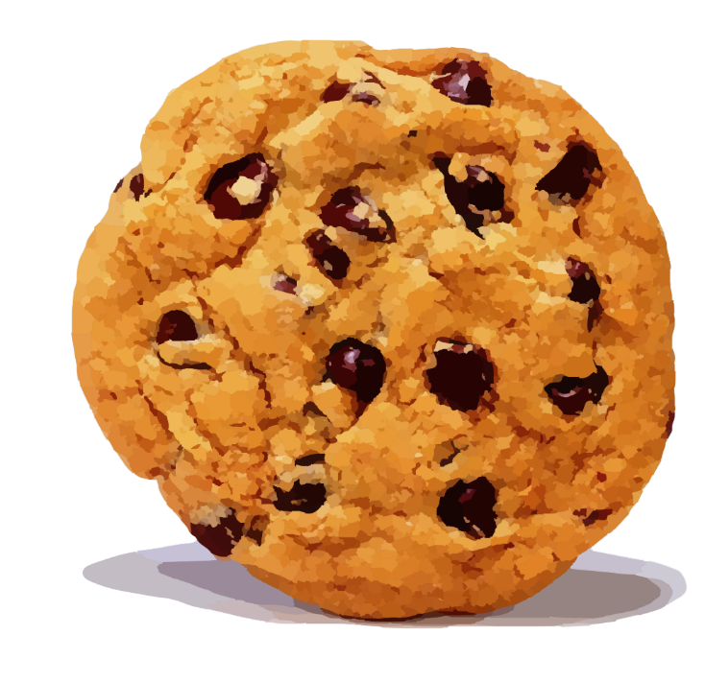
CookieClicker! |  |  | Shop
Betsy's Bakery |  |  |  | 15 | Top 5 Highscores
 |  |  |  | 0 | 1.
 |  |  |  | 100 | 2.
 |  |  |  | 0 | 3.
 |  |  |  | 1100 | 4.
 |  |  |  | 0 | 5.
 |  |  |  | 12000
 |  |  |  | 0
 |  |  |  | 150000 | Features
 |  |  |  | 0 | Click on the cookie to gain more cookies
 |  |  |  | 1400000 | You can buy more shop items to gain more cookies per click
 |  |  |  | 0 | When owning 10, 25, 50 and 100 of an item you can level it up
 |  |  |  |  | You can earn achievements by clicking the cookie and buying items
 |  |  |  |  | Achievements will grant milk which can give you benefits when purchasing kitties (when those unlock)
 |  |  |  |  | Golden Cookies can randomly spawn and give you loads more cookies
 |  |  |  |  | You can record your high scores on the scoreboard after you've reset

 | Cookies | 0
 | Cookies per Click | 1

