Sheet3
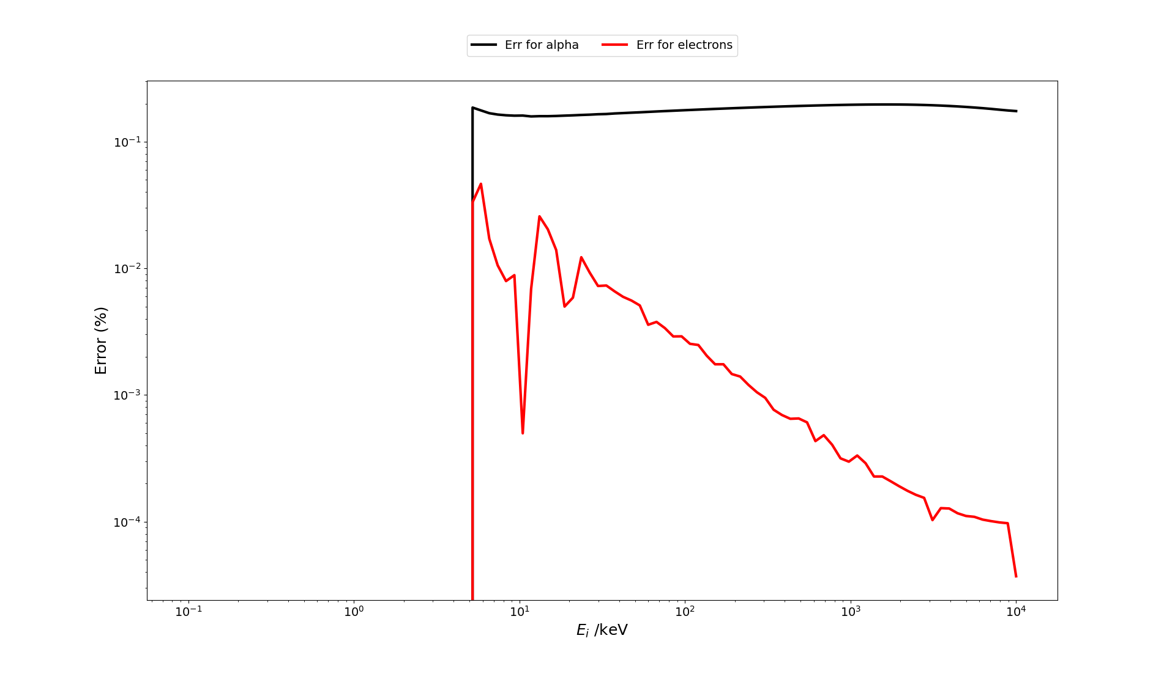
The stopping power calculation based on the Birks model, functions E_quench_e() and E_quench_a(), requires a prohibitive calculation time. So, a intepolation in pre-calculated quenched energies is implemented in a new function Em().

The quenched energy was calculated in quenchingMatrix.py for electron deposited energy E = np.linspace(0, int(1e7), int(1e4)) (in eV) and alpha deposited energy E = np.linspace(0, int(1e4), int(1e4)) (in keV).

Different interpolation methods was tested from the scipy.interpolate package
The result is the folowing:
E_quench_e(1000,0.015,int(1e4)) |  | caculation time for 1000 iteractions | 11.5 | s

method | Range m | decription | precision at 1 keV | calculation time for 1000 iteractions /s | Speed gain factor
hand-made "just above" | full | r = Emv[ind] | 10.00% | 0.01 | 1150.0
hand-made "midle" | full | r = Emv[ind] + 0.5*(Emv[ind]-Emv[ind+1]) | 10.00% | 0.01 | 1150.0
nearest | full | f = interp.interp1d(Ev, Emv, kind="nearest") | 10.00% | 1.8 | 6.4
zero | full | f = interp.interp1d(Ev, Emv, kind="zero") | 100.00% | 1.87 | 6.1
previous | full | f = interp.interp1d(Ev, Emv, kind="previous") | 50.00% | 1.85 | 6.2
next | full | f = interp.interp1d(Ev, Emv, kind="next") | 10.00% | 1.88 | 6.1
linear | full | f = interp.interp1d(Ev, Emv, kind="linear") | 1.00% | 1.83 | 6.3
slinear | full | f = interp.interp1d(Ev, Emv, kind="slinear") | 1.00% | 1.82 | 6.3
cubic | full | f = interp.interp1d(Ev, Emv, kind="cubic") | 0.03% | 3.56 | 3.2
quadratic | full | f = interp.interp1d(Ev, Emv, kind="quadratic") | 0.02% | 3.33 | 3.5
Pchip | full | f = interp.PchipInterpolator(Ev, Emv) | 0.20% | 1.56 | 7.4
barycentric | full | r = interp.barycentric_interpolate(Ev, Emv, E) | not work |  | #DIV/0!
Krogh | full | f = interp.KroghInterpolator(Ev, Emv) | prohibitive |  | #DIV/0!
Krogh | 1 | f = interp.KroghInterpolator(Ev[ind:ind+m], Emv[ind:ind+m]) | 1.00% | 0.04 | 287.5
Krogh | 5 | f = interp.KroghInterpolator(Ev[ind:ind+m], Emv[ind:ind+m]) | 0.20% | 0.09 | 127.8
Krogh | 7 | f = interp.KroghInterpolator(Ev[ind:ind+m], Emv[ind:ind+m]) | 0.10% | 0.13 | 88.5
Krogh | 10 | f = interp.KroghInterpolator(Ev[ind:ind+m], Emv[ind:ind+m]) | 0.10% | 0.2 | 57.5
Krogh | 15 | f = interp.KroghInterpolator(Ev[ind:ind+m], Emv[ind:ind+m]) | 10.00% | 0.37 | 31.1
Krogh | 20 | f = interp.KroghInterpolator(Ev[ind:ind+m], Emv[ind:ind+m]) | 50.00% | 0.58 | 19.8
Krogh | 50 | f = interp.KroghInterpolator(Ev[ind:ind+m], Emv[ind:ind+m]) | 100.00% | 3 | 3.8
Spline | 5 | interp.UnivariateSpline(Ev[ind:ind+m], Emv[ind:ind+m]) | 0.20% | 0.04 | 287.5
Spline | 7 | interp.UnivariateSpline(Ev[ind:ind+m], Emv[ind:ind+m]) | 0.20% | 0.07 | 164.3
Spline | 10 | interp.UnivariateSpline(Ev[ind:ind+m], Emv[ind:ind+m]) | 1.00% | 0.07 | 164.3
Spline | 15 | interp.UnivariateSpline(Ev[ind:ind+m], Emv[ind:ind+m]) | 1.00% | 0.09 | 127.8
Spline | 20 | interp.UnivariateSpline(Ev[ind:ind+m], Emv[ind:ind+m]) | 1.00% | 0.09 | 127.8
Spline | 50 | interp.UnivariateSpline(Ev[ind:ind+m], Emv[ind:ind+m]) | 1.00% | 0.12 | 95.8
Rbf | 1 | f = interp.Rbf(Ev[ind:ind+m], Emv[ind:ind+m]) | 2.00% | 0.15 | 76.7
Rbf | 3 | f = interp.Rbf(Ev[ind:ind+m], Emv[ind:ind+m]) | 1.00% | 0.15 | 76.7
Rbf | 5 | f = interp.Rbf(Ev[ind:ind+m], Emv[ind:ind+m]) | 10.00% | 0.15 | 76.7
Rbf | 7 | f = interp.Rbf(Ev[ind:ind+m], Emv[ind:ind+m]) | 60.00% | 0.16 | 71.9
Rbf | 10 | f = interp.Rbf(Ev[ind:ind+m], Emv[ind:ind+m]) | 80.00% | 0.14 | 82.1

Spline method provides good performance with more robustness than the Krogh method. A depth factor m = 5 appears to be optimal

The error compared with E_quench_e() as a function of the deposited energy is displayed below
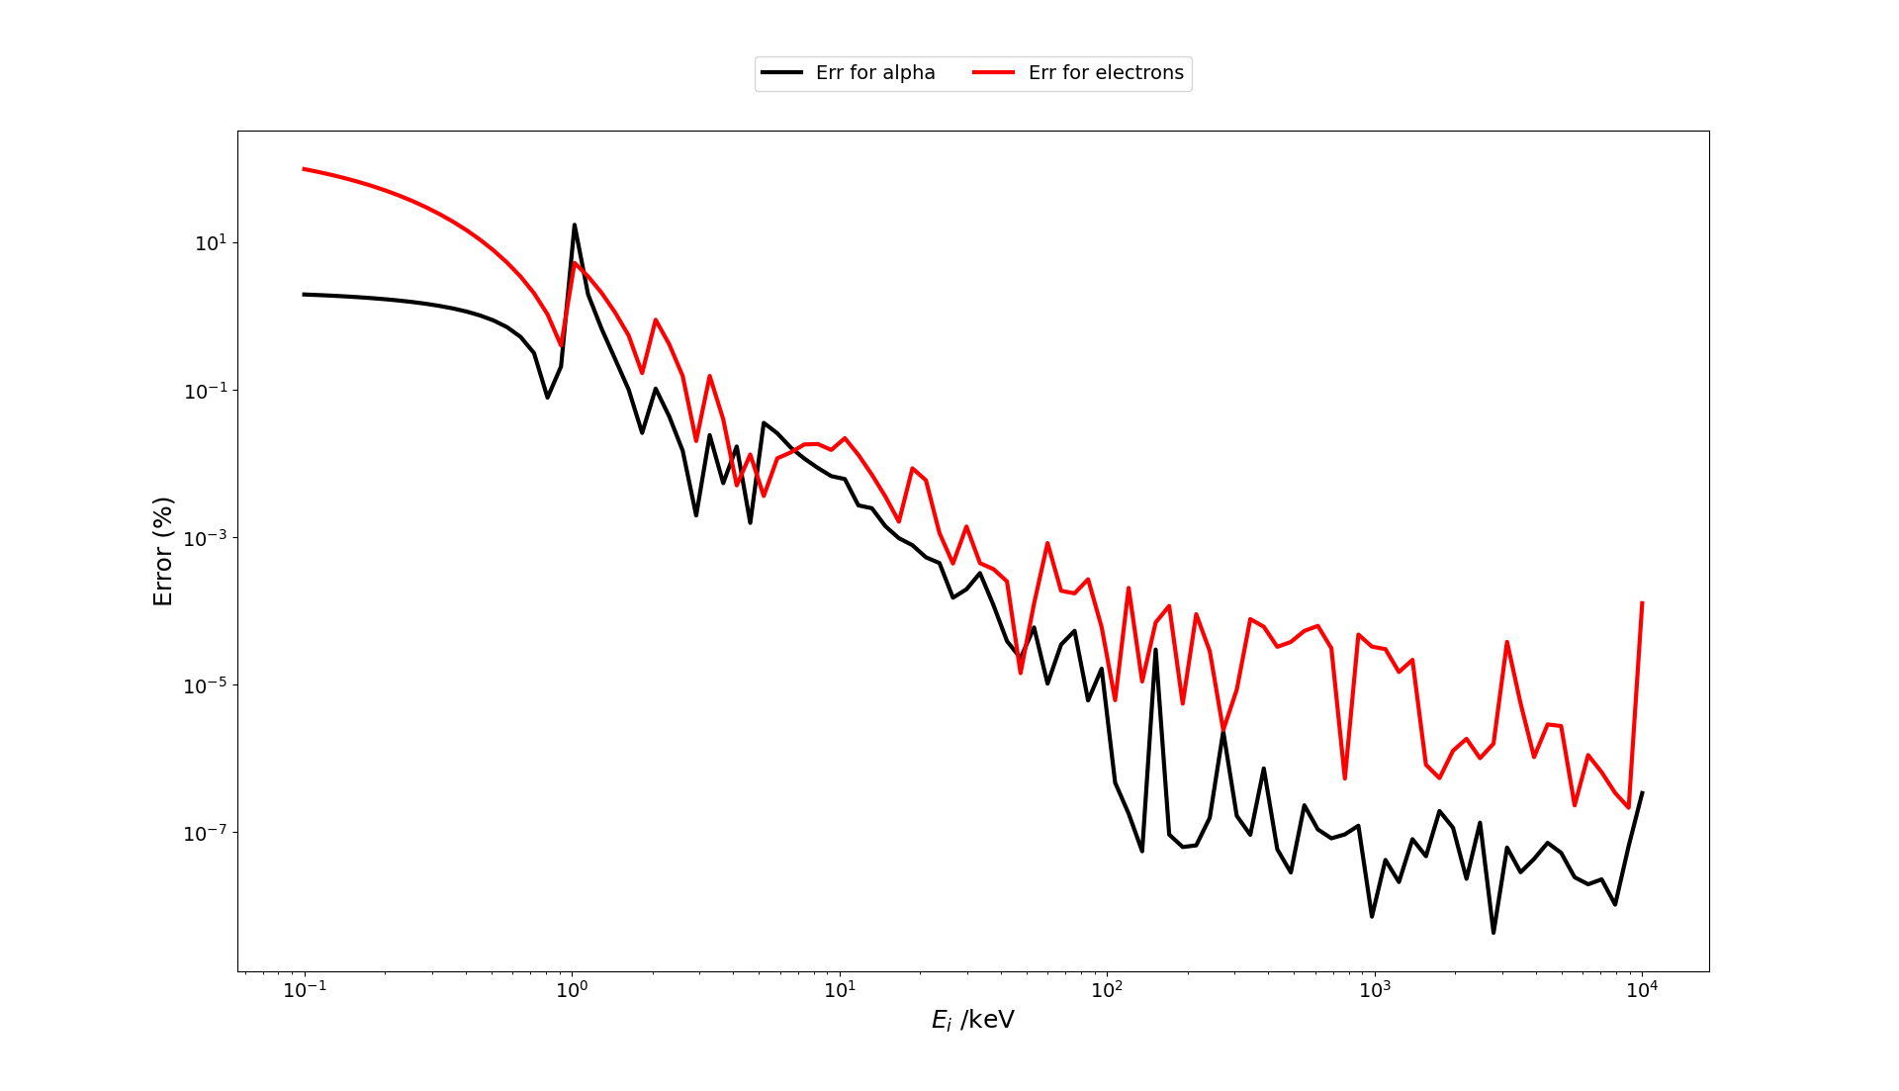

The error become to important below 5 keV. The exact quenching energy E_quench_e() or E_quench_a() is calculated in the latter case, leading to:

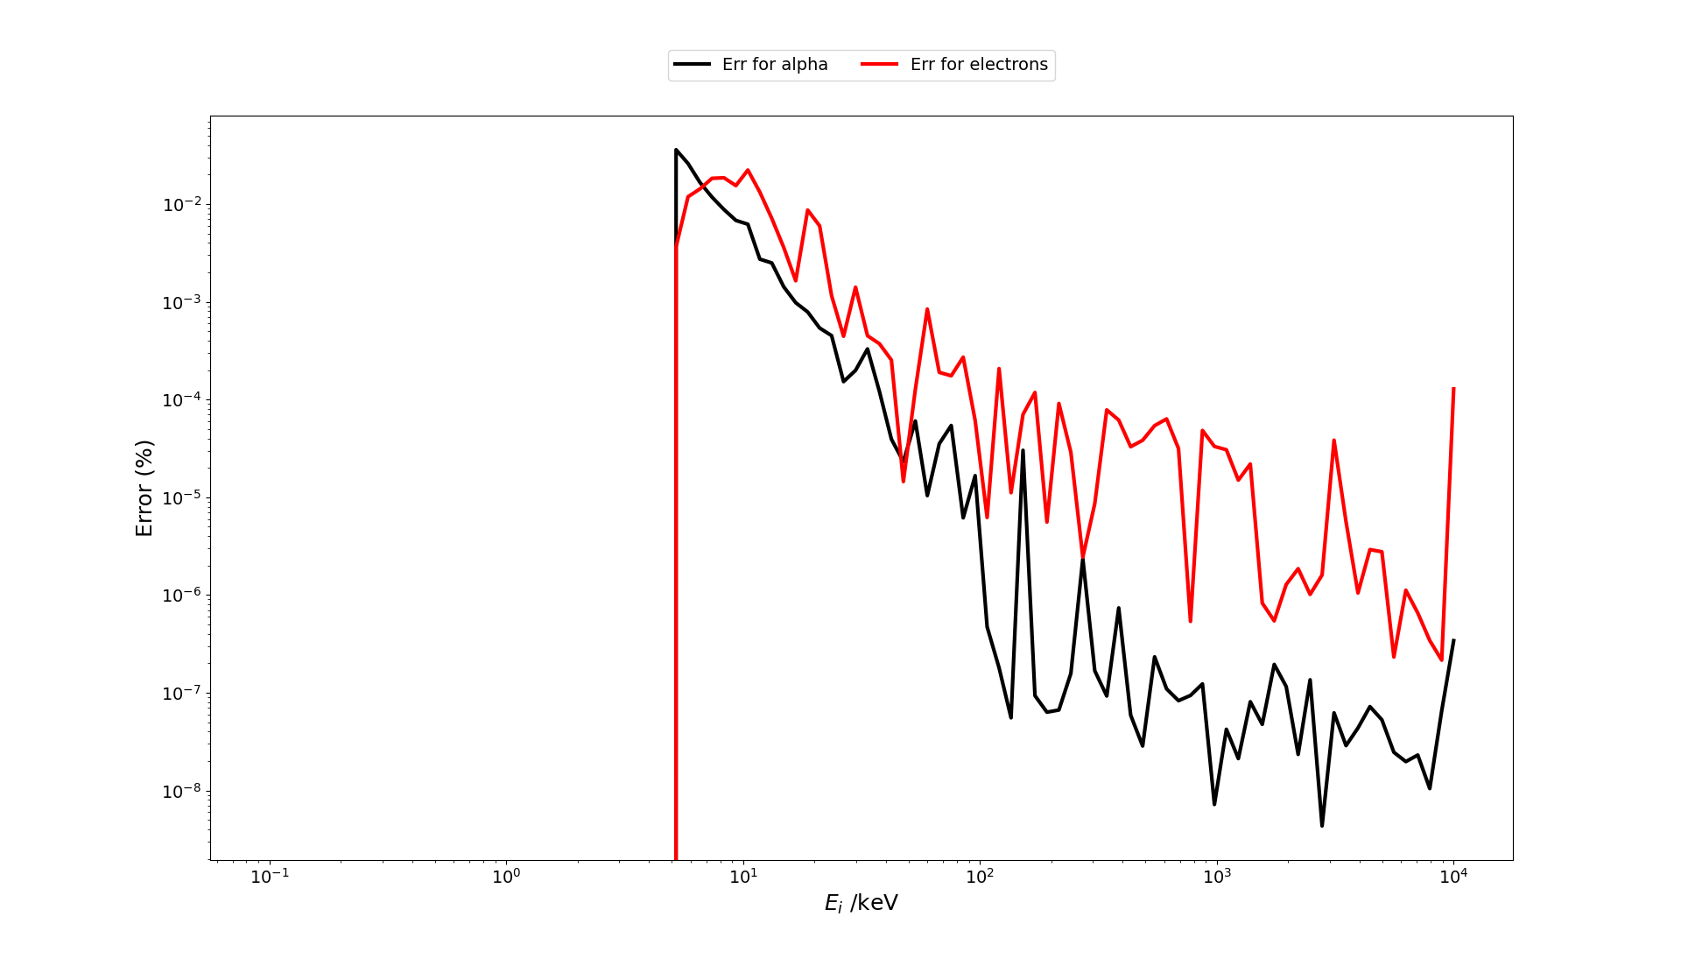

It must be care of the significant incease of the error when using interpolated kB value out within 0.006, 0.007, 0.008, 0.009, 0.010, 0.011, 0.012, 0.013, 0.014, 0.015 cm/MeV
This error is particularly important for alpha particule ranging from 1e-3 to 2e-3.

