Pricing Analysis
8 | US009066AB74 CORP
Convertible Bond Monitor

Bond Selection | ABNB 0 03/15/26 |  | ?

 | Trade Date | Market Price | Spread (Credit) | Volatility | Vol Spread |  | Stock Price | Borrow Cost (%) | E2C Decay
Default: | 15/10/2025 | 98.140 | 400.000 | 34.437 | - |  | 124.900 | - | -
User Input:

Pricing Analysis

Jump Diffusion (JD) Analysis

Fair Value | 96.585 | Bond Floor | 96.836 | IR Sens | -0.402 |  | Yield to Mty | 4.579
Cheapness (%) | -1.610 | Option Value | -0.251 | Credit Sens | -0.482 |  | Yield to Call | NA
Implied Spread | 64.262 | Parity | 43.272 | Phi | - |  | Yield to Put | NA
Implied Vol | 95.863 | Premium (pts) | 54.868 | Psi | -0.001 |  | Yield to Worst | 4.579
Delta (%) | 0.000 | Premium (%) | 126.800 | Chi | - |  | Current Yield | -
Delta (pts) | 0.000 | Gamma | 0.000 | Upsilon | 0.004 |  | Breakeven (Y) | -
Effective Trig | 140.482 | Vega | 0.000 | Convexity | -0.284 |  | CF Payback (Y) | -
Unit Prc | 965.854 | Theta | 0.013 | Effective Dur | 0.410 |  | Accrued Int | -
Hedge Ratio | 0.000 | Exp Life (Fugit) | 0.410

Description

Bond CUR | USD | Conv Prc | 288.642 | Issue Amt | 2MMM |  | Next Call Date | None
Stock CUR | USD | Conv Ratio | 3.465 | Amt Out | 2MMM |  | Next Put Date | None
Stock Ticker | ABNB US Equity | Par Amount | 1,000.000 | Issue Date | 08/03/2021 |  | Next Call Price | None
Cusip | 009066AB7 | Init Prm (%) | 60.000 | Maturity | 15/03/2026 |  | Next Put Price | None
Collateral | SR UNSECURED | Coupon | - | Conv From | 01/07/2021 |  | BEst Est LT Gwth | 10.470
Market | US DOMESTIC | Cpn Freq | #N/A Field Not Applicable | Conv Until | 12/03/2026 |  | BEst EPS 1Y/2Y | 4.29 / 4.84
ISIN | US009066AB74 | First Coupon | #N/A Field Not Applicable | Day Count | 30/360 |  | BEst P/E 1Y/2Y | 29.10 / 25.79
Common | 246127433 | Next Coupon | #N/A Field Not Applicable | Lead Mgr | JOINT LEADS |  | BEst PEG 1Y/2Y | 2.78 / 2.46
Wertpapier | A3K3LL | CoCo Trig (%) | 130.000 | Market Cap | 77.617 BLN |  | Prc vs 52W Hi | -23.791
Moody's Rating | NA | Inc Share | NA | Ind Group | Internet | 1 | Prc vs 52W Low | 25.080
S&P Rating | NA | Curr Conv Ratio | 3.465 | Ind Sector | Communications | 1 | Yearly Div | -
Fitch Rating | NA | Proj Conv Ratio | 3.465 |  |  |  | Ex Code | TRACE
Div Protection | Y | Div Carry Fwd | -
Div Thresh | -

Scenario Analysis
Convertible Bond Monitor

Bond Selection | ABNB 0 03/15/26 |  |  | ?

X-Axis: | Price Shift (%) |  |  |  | Y-Axis: | Theo. Price

Evaluation Date: | 10/15/2025 |  |  |  | Range: | -25 | - | 25

 | Theo. Price
-25 | 96.588
-20 | 96.588
-15 | 96.588
-10 | 96.588
-5 | 96.588
0 | 96.588
5 | 96.589
10 | 96.590
15 | 96.592
20 | 96.596
25 | 96.603

Scenario Table |  |  |  |  |  |  |  |  |  |  |  | Range Dvr | 5
Price Shift (%) | -25 | -20 | -15 | -10 | -5 | 0 | 5 | 10 | 15 | 20 | 25 | Stock Px | 124.92
Stock Price | 93.690 | 99.936 | 106.182 | 112.428 | 118.674 | 124.920 | 131.166 | 137.412 | 143.658 | 149.904 | 156.150 | Date: | 20251015
Theo. Price | 96.588 | 96.588 | 96.588 | 96.588 | 96.588 | 96.588 | 96.589 | 96.590 | 96.592 | 96.596 | 96.603
Cheapness (%) | -1.607 | -1.607 | -1.607 | -1.607 | -1.607 | -1.606 | -1.606 | -1.605 | -1.603 | -1.599 | -1.591
Delta (%) | 0.000 | 0.000 | 0.000 | 0.002 | 0.005 | 0.014 | 0.032 | 0.067 | 0.133 | 0.247 | 0.434
Gamma | 0.000 | 0.000 | 0.000 | 0.000 | 0.001 | 0.002 | 0.005 | 0.011 | 0.020 | 0.035 | 0.058
Vega | 0.000 | 0.000 | 0.000 | 0.000 | 0.000 | 0.000 | 0.000 | 0.001 | 0.001 | 0.003 | 0.004
Theta | 0.013 | 0.013 | 0.013 | 0.013 | 0.013 | 0.013 | 0.013 | 0.013 | 0.013 | 0.013 | 0.013

HELP
Convertible Bond Monitor

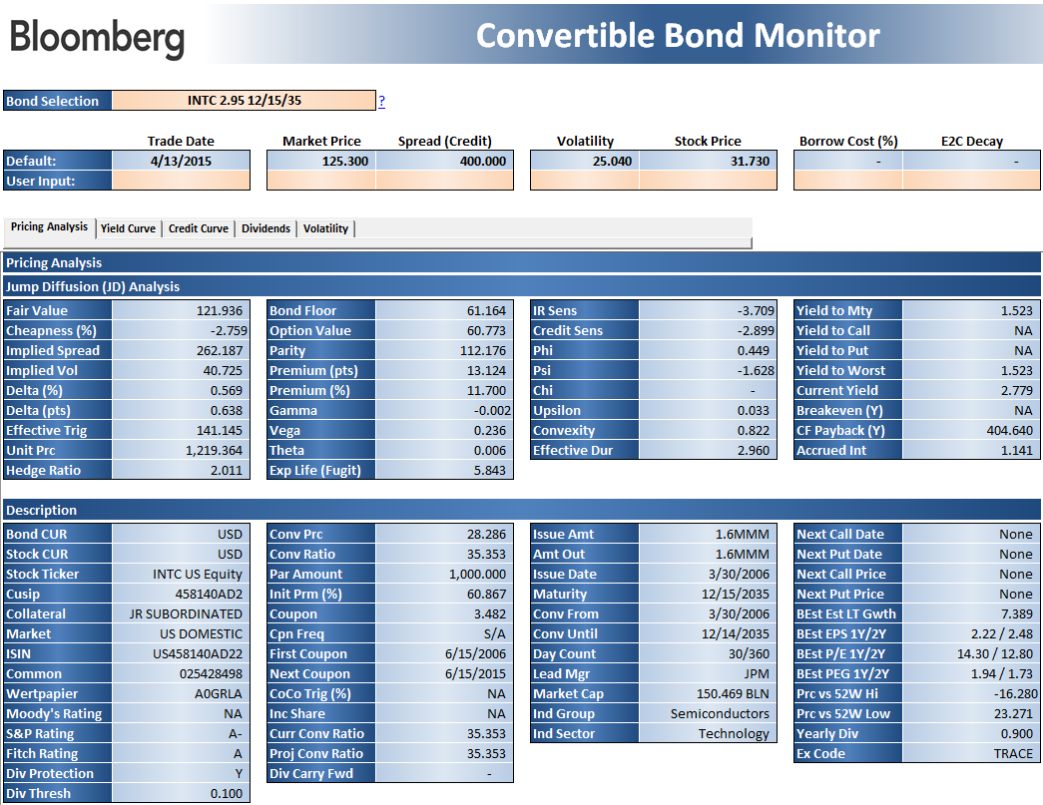 | This application is a analytics tool for convertible bonds. It provides multi-security analytics and descriptive information for bonds including rich/cheap analysis, OAS analysis, and scenario analysis using the Jump-Diffusion Model.

 | Portfolio Analysis Tab

Add CUSIP or Bloomberg Identifier and the corresponding formulas will fill in automatically

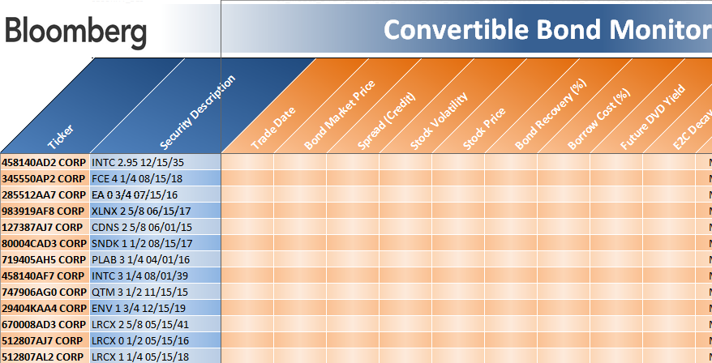

Use this area to enter custom assumptions to have the model be evaluated using the inputs and calculate fair value, implied spread, implied volatility, etc.

 | Pricing Analysis Tab
 | Go to Pricing Analysis Tab
Unhide hidden columns to see the corresponding Bloomberg mnemonic that is used in the API formula.

Select a bond that you would like to evaluate. The list will be populated from the bonds listed on the Portfolio Analysis tab.

Enter your own assumptions to evaluate the data below. The default values are taken directly from the OVCV function settings.
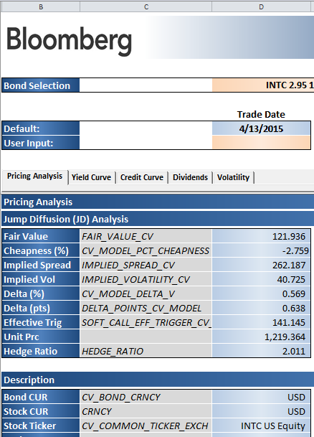

 | Scenario Analysis Tab
 | Go to Scenario Analysis Tab

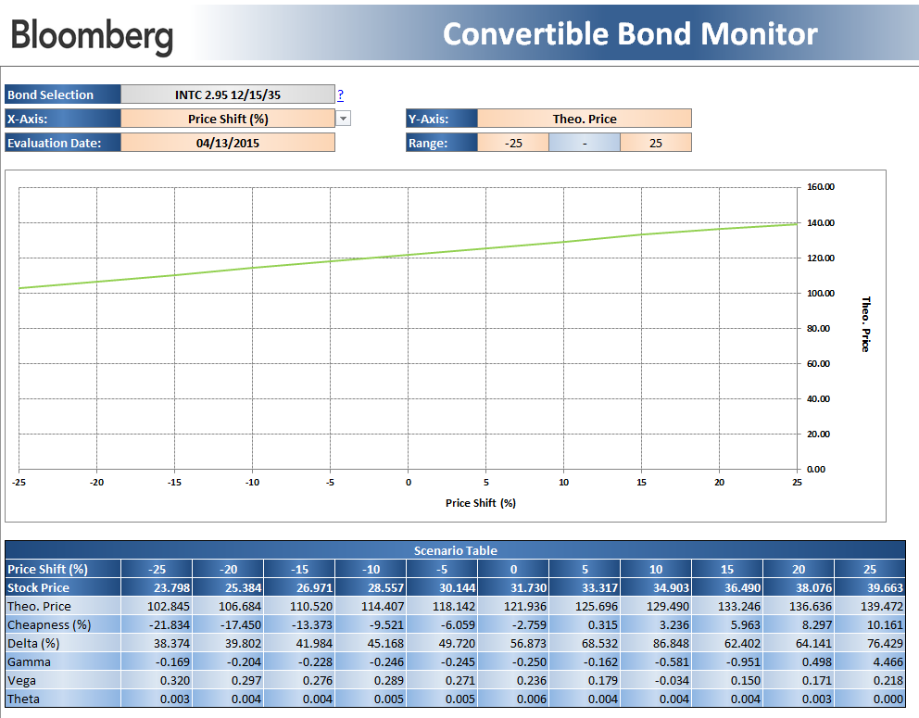

The scenario analysis tab allows the user to shock certain items in the convertible bond model, and show the different levels the theoretical price and other items would be.

