Bugs
ID | #1 | ID | #2 | ID | #3 | ID | #4 | ID | #5
Summary: | The button for the search field is missing | Summary: | Time of the calendar doesn`t match local time | Summary: | The input field does not have a visible label indicating the purpose of the input field | Summary: |  | Summary:
Type: | Bug | Type: | Bug | Type: | Bug | Type: | Bug | Type: | Bug
Author: | Roman Mukba | Author: | Roman Mukba | Author: | Roman Mukba | Author: | Roman Mukba | Author: | Roman Mukba
Status: | In Progress | Status: | In Progress | Status: | In Progress | Status: | In Progress | Status: | In Progress
Priority: | Medium | Priority: | Medium | Priority: | Medium | Priority: | Medium | Priority: | Medium
Environment: | OS: Windows 10 Enterprse Browser:Version 69.0.3497.100 (Official Build) (64-bit) | Environment: | OS: Windows 10 Enterprse Browser:Version 69.0.3497.100 (Official Build) (64-bit) | Environment: | OS: Windows 10 Enterprse Browser:Version 69.0.3497.100 (Official Build) (64-bit) | Environment: | OS: Windows 10 Enterprse Browser:Version 69.0.3497.100 (Official Build) (64-bit) | Environment: | OS: Windows 10 Enterprse Browser:Version 69.0.3497.100 (Official Build) (64-bit)
Description |  | Description |  | Description |  | Description |  | Description
Steps to reproduce: 1.Go to the cnap-pl.gov.ua/ 2.Scroll the site down 3.Pay attention to search field on the left side of the side Actual Result: The form does not provided with a submit button Expected Result: The form provided with a submit button |  | Steps to reproduce: 1.Go to the cnap-pl.gov.ua/ 2.Scroll the site down 3.Pay attention to the calendar and match disapled data with local data of computer Actual Result: The time of the calendar does not match the local time Expected Result: The time of the calendar match the local time |  | Steps to reproduce: 1.Go to the cnap-pl.gov.ua/ 2.Scroll the site down 3.Pay attention to the Search field and to the text on the field Actual Result: The text in the search field is not clearly visible Expected Result: The text in the search field clearly visible |  | Steps to reproduce: 1. Actual Result: Expected Result: |  | Steps to reproduce: 1. Actual Result: Expected Result:
Attachment: |  | Attachment: |  | Attachment: |  | Attachment: |  | Attachment:
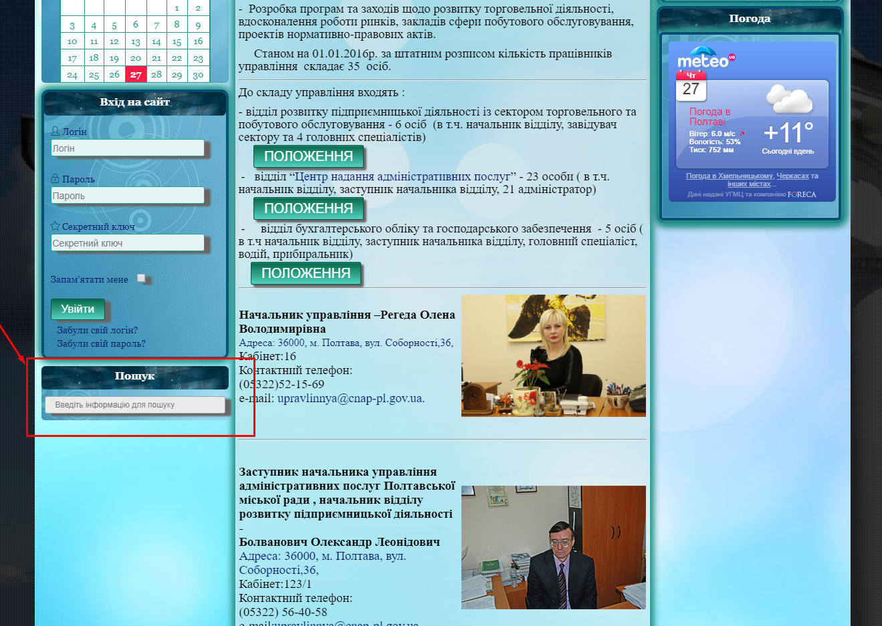 |  | 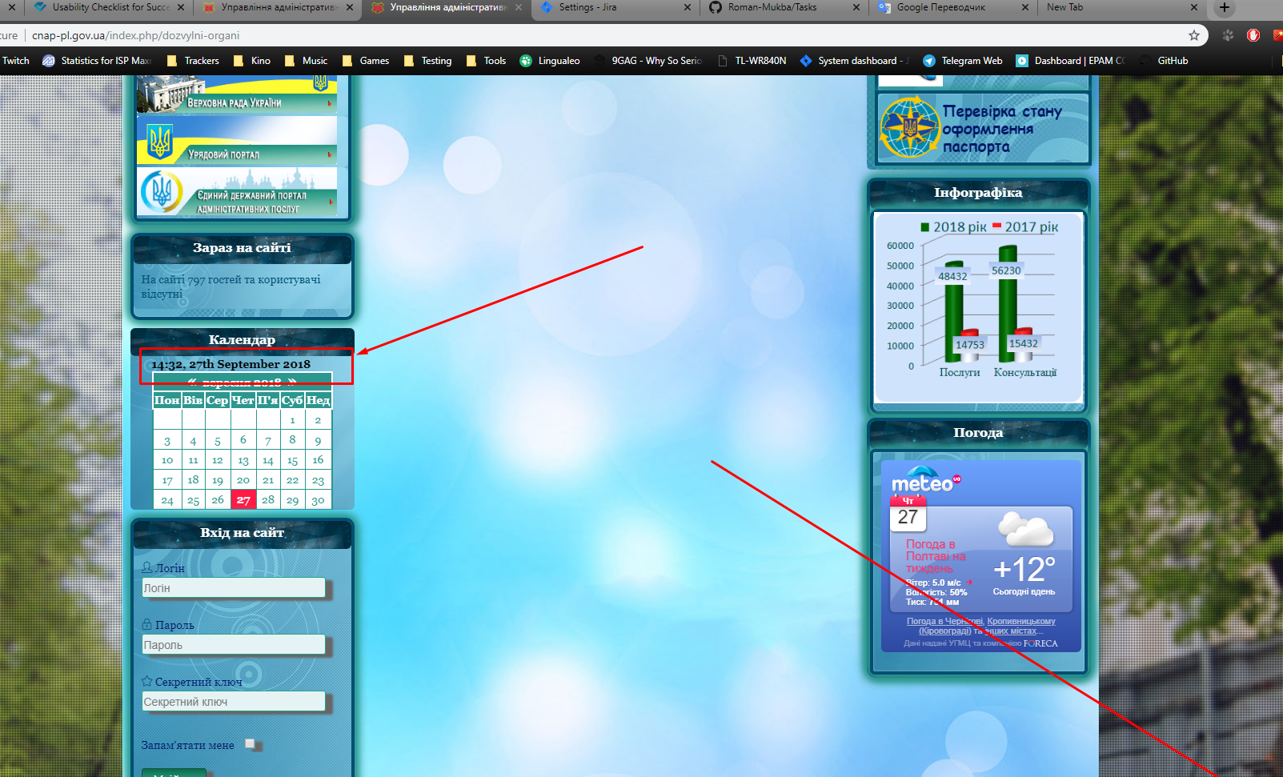 |  | 