State transition
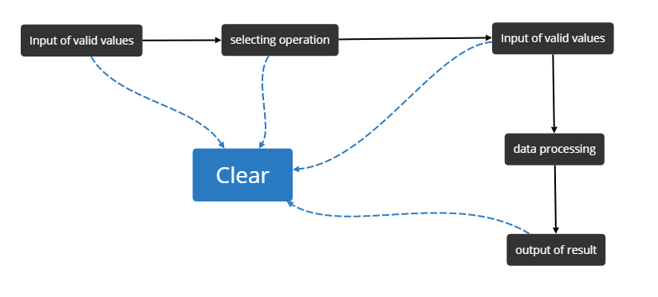
ID | Summary | TestCase discription | Expected Results | Priority | Severity | Creator | Reviewer
1 | Check if calculator accepts valid numbers | Steps: 1.Open the calculator 2.Enter valid number 3.Check the result | 1.Calculator is opened 2.Valid number is entered 3.Entered number is displayed | High | Major | Roman Mukba | Yulia Sherenkova
2 | Check if calculator selects operation | Steps: 1.Open the calculator 2.Enter valid number 3.Select any operation 4.Check the result | 1.Calculator is opened 2.Valid number is entered 3.Operation is selected 4.Selected operation is highlighted | High | Major | Roman Mukba | Yulia Sherenkova
3 | Check if calculator accepts valid numbers after selecting the operation | Steps: 1.Open the calculator 2.Enter any valid number 3.Select any operation 4.Enter another valid number | 1.Calculator is opened 2.Entered Valid number is displayed 3.Selected operation is highlighted 4.Another entered valid number is displayed | High | Major | Roman Mukba | Yulia Sherenkova
4 | Check if calculator perfoms the arethmetic operation correctly | Steps: 1.Open the calculator 2.Enter "150" 3.Select "+" 4.Enter "25" 5.Press "=" 6.Check the result | 1.Calculator is opened 2.Entered number is displayed 3.Selected operation is highlighted 4.Another entered number is displayed 5."=" is pressed 6."175" is displayed | High | Major | Roman Mukba | Yulia Sherenkova
5 | Check if "Clear" button erases the entered number | Steps: 1.Open calculator 2.Enter any number 3.Press clear button 4.Check the result | 1.Calculator is opened 2.Entered number is displayed 3.Clear button is entered 4."0" is displayed | High | Major | Roman Mukba | Yulia Sherenkova
7 | Check if "Clear" button erases after entering the first valid number and selecting operation | Steps: 1.Open calculator 2.Enter any number 3.Select any operation 4.Press clear button 5.Check the result | 1.Calculator is opened 2.Number is entered 3.Operation is selected 4.Clear button is pressed 5."0" is displayed | High | Major | Roman Mukba | Yulia Sherenkova
8 | Check if "Clear" button erases after entering first valid number, selecting operation and entering the second number | Steps: 1.Open calculator 2.Enter any number 3.Select any operation 4.Enter any number 5.Press clear button 6.Check the result | 1.Calculator is opened 2.Number is entered 3.Operation is selected 4.Number is entered 5.Clear button is pressed 5."0" is displayed | High | Major | Roman Mukba | Yulia Sherenkova
9 | Check if "Clear" button erases after performing the arethmetic operation | Steps: 1.Open calculator 2.Enter any number 3.Select any operation 4.Enter any number 5.Press "=" 6.Press clear button 7.Check the result | 1.Calculator is opened 2.Number is entered 3.Operation is selected 4.Number is entered 5."=" is pressed 6.Clear button is pressed 7."0" is displayed | High | Major | Roman Mukba | Yulia Sherenkova

