Sheet1
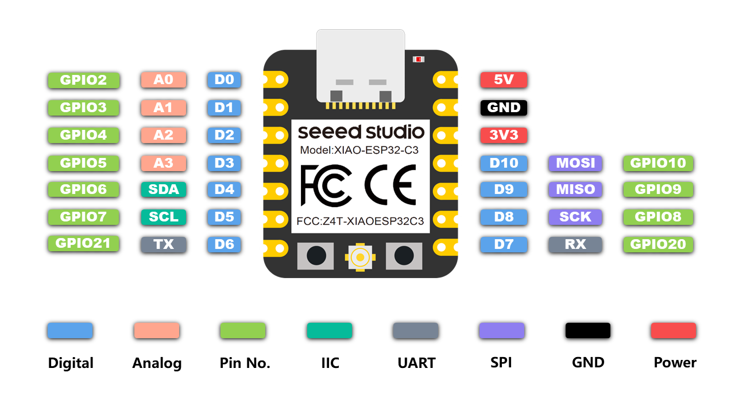
Name | No. | Type | Power Domain | Function |  |  | Seeed Studio XIAO ESP32C3 pin definitions and functions |  |  |  | BOOT
LNA_IN | 1 | I/O | — | RF input and output |  |  |  |  |  |  | JTAG/SWD
VDD3P3 | 2 | PA | — | Analog power supply |  |  |  |  |  |  | UART
VDD3P3 | 3 | PA | — | Analog power supply |  |  |  |  |  |  | SPI
XTAL_32K_P | 4 | I/O/T | VDD3P3_RTC | GPIO0 | ADC1_CH0, | XTAL_32K_P |  |  |  |  | ALL PWM
XTAL_32K_N | 5 | I/O/T | VDD3P3_RTC | GPIO1 | ADC1_CH1, | XTAL_32K_N |  |  |  |  | USB
GPIO2 | 6 | I/O/T | VDD3P3_RTC | GPIO2 | ADC1_CH2, | FSPIQ | A0 | D0 |  |  | Analog
CHIP_EN | 7 | I | VDD3P3_RTC | High: on, enables the chip. Low: off, the chip powers off. Note: Do not leave the CHIP_EN pin floating. |  |  |  |  |  |  | IIC
GPIO3 | 8 | I/O/T | VDD3P3_RTC | GPIO3 | ADC1_CH3 |  | A1 | D1 |  |  | Digital
MTMS | 9 | I/O/T | VDD3P3_RTC | GPIO4 | ADC1_CH4, FSPIHD, MTMS |  | A2 | D2 |  |  | GPIO
MTDI | 10 | I/O/T | VDD3P3_RTC | GPIO5 | ADC2_CH0, FSPIWP, MTDI |  | A3 | D3 |  |  | QTouch
VDD3P3_RTC | 11 | PD | — | Input power supply for RTC |  |  |  |  |  |  | LED
MTCK | 12 | I/O/T | VDD3P3_CPU | GPIO6 | FSPICLK, MTCK |  |  | D4 | SDA
MTDO | 13 | I/O/T | VDD3P3_CPU | GPIO7 | FSPID, MTDO |  |  | D5 | SCL
GPIO8 | 14 | I/O/T | VDD3P3_CPU | GPIO8 |  |  |  | D8 |  | SCK
GPIO9 | 15 | I/O/T | VDD3P3_CPU | GPIO9 |  |  |  | D9 |  | MISO
GPIO10 | 16 | I/O/T | VDD3P3_CPU | GPIO10 | FSPICS0 |  |  | D10 |  | MOSI
VDD3P3_CPU | 17 | PD | — | Input power supply for CPU IO
VDD_SPI | 18 | I/O/T/PD | VDD3P3_CPU | GPIO11 | output power supply for flash6
SPIHD | 19 | I/O/T | VDD3P3_CPU | GPIO12 | SPIHD
SPIWP | 20 | I/O/T | VDD3P3_CPU | GPIO13 | SPIWP
SPICS0 | 21 | I/O/T | VDD3P3_CPU | GPIO14 | SPICS0
SPICLK | 22 | I/O/T | VDD3P3_CPU | GPIO15 | SPICLK
SPID | 23 | I/O/T | VDD3P3_CPU | GPIO16 | SPID
SPIQ | 24 | I/O/T | VDD3P3_CPU | GPIO17 | SPIQ
GPIO18 | 25 | I/O/T | VDD3P3_CPU | GPIO18 | USB_D­
GPIO19 | 26 | I/O/T | VDD3P3_CPU | GPIO19 | USB_D+
U0RXD | 27 | I/O/T | VDD3P3_CPU | GPIO20 | U0RXD |  |  | D7 | RX | SS
U0TXD | 28 | I/O/T | VDD3P3_CPU | GPIO21 | U0TXD |  |  | D6 | TX
XTAL_N | 29 | — | — | External crystal output
XTAL_P | 30 | — | — | External crystal input
VDDA | 31 | PA | — | Analog power supply
VDDA | 32 | PA | — | Analog power supply
GND | 33 | G | — | Ground

