Outer layer
SQXF Coil dimensions during fabrication: coil 002 Nb3Sn

Rev.1 - 16/09/2014 - E. Cavanna
Rev.1: added column D in sheet 2

Outer layer measurements

 | Nominal | After winding | After curing (before dismounting the mandrel) | After curing and release tension (curing mould and mandrel dismounted)* | After heat treatment
A | 1509.5 | - | - | 1375.58 without splice block | 1515.4
D | 195.81 | 194.13 | * | * | 197.00
E | 230.927 | 229.3 | 229.19 | 229.89 | 231.00
F | 251.48 | 249.52 | * | 250.34 | 251.58
G | 309.441 | 307.14 | * | 310.84 | 310.81
H | 196.592 | 194.73 | * | 194.97 | -
I | 242.643 | 241.18 | 240.1 | 241.9 | 243.06
L | 329.967 | 328.4 | 87.55 | 329.54 | 330.92
 |  | Date of measurement: 02/10/2014 | Date of measurement: 03/10/2014 | Date of measurement: 28/10/2014 | Date of measurement: 25/11/2014

 |  |  | * the measure taken is not reliable
NOTE: measured re-calculated from pictures to have the same reference of the figure and to consider the centre of the holes.

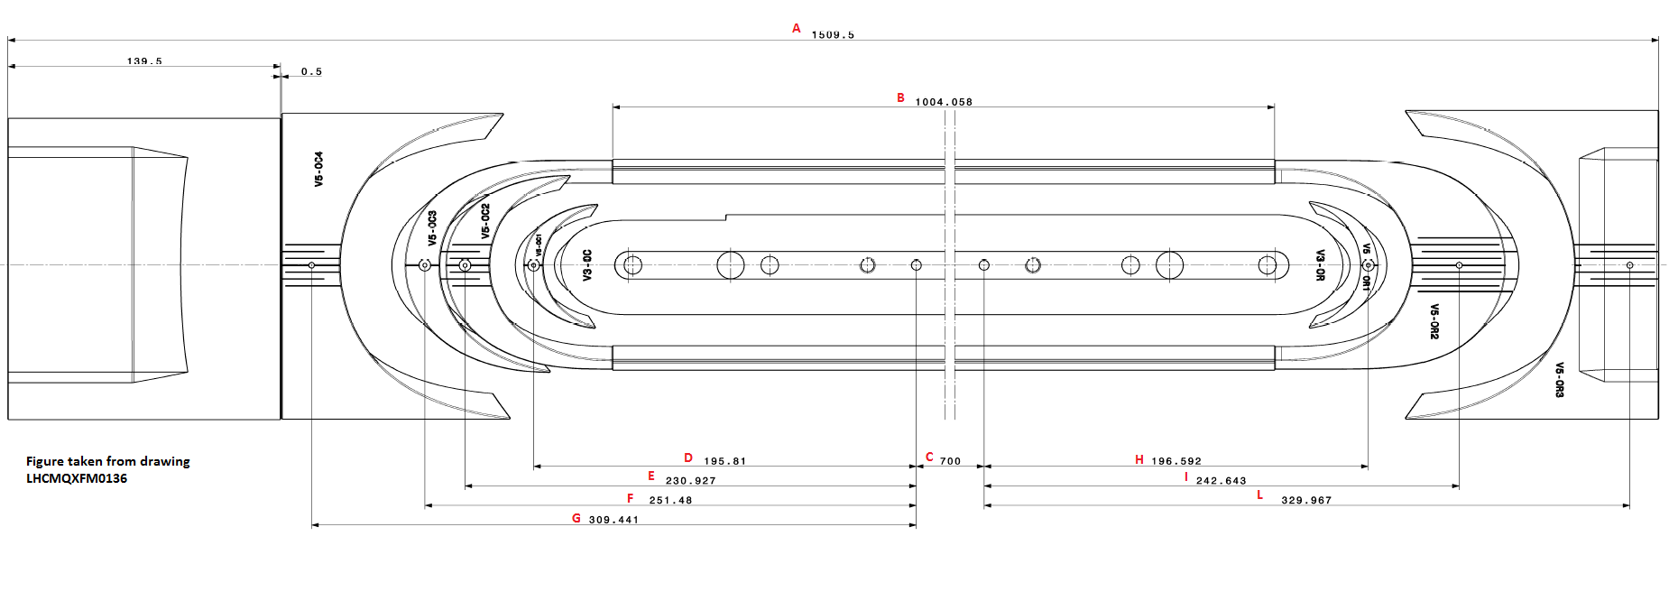

GAP measurements

 | Pole gap measurements

 | Initial gap [mm] | 5
 | Gap after curing (before dismounting mandrel) [mm] | #REF!
 | Gap after curing and release tension [mm] | #REF!
 | Gap before heat treatment [mm] | #REF!
 | Gap after heat treatment [mm] | #REF!

 |  |  | just before closed the reaction mould
 | Gap A Close to Connections (mm) | 2.09
 | Gap B Opposite Connections (mm) | 1.93

