Sheet1
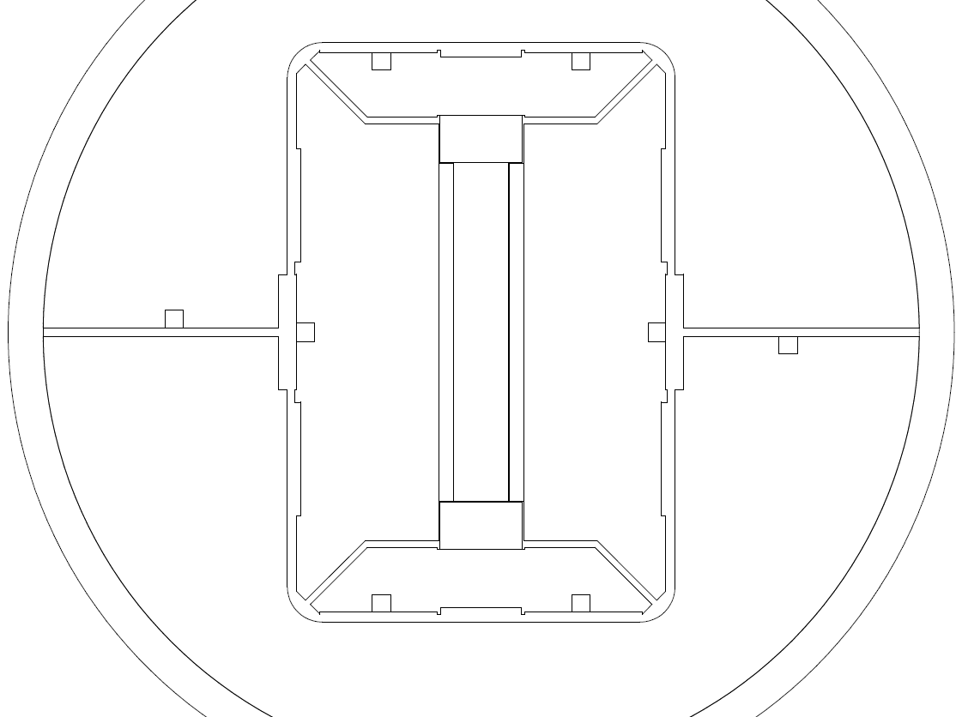
YK2
Bladders Pressure | YK1 | YK2 | 0Z | 3Z | HP1 | HP2 | REMARKS
0 | 8.5 | 8.5 | 200 | 240 | 7.6 | 7.6
 | 6+2+0.5 | 6+2+0.5 |  |  | 3.5+3.5+0.3+0.3 | 3.5+3.5+0.3+0.3 | Loading operation using 4 Bladders
70 | 9.1 | 8.5 | 480 | 504 | 7.6 | 7.6 | TARGET 600 micro-strain
HP2
HP1
 | 6+2+0.5+0.3+0.3 | 6+2+0.5 |  |  | 3.5+3.5+0.3+0.3 | 3.5+3.5+0.3+0.3 | Utilisation de bladders 0.5mm
0 | 9.1 | 8.5 | 204 | 240 | 7.6 | 7.6 | Les yokes sont calés et la frette n'est pas libre au debut de l'opération
 | 6+2+0.5+0.3+0.3 | 6+2+0.5 |  |  | 3.5+3.5+0.3+0.3 | 3.5+3.5+0.3+0.3 | Lateral shimming 7.6mm
100 | 9.1 | 9.1 | 624 | 650 | 7.6 | 7.6
 | 6+2+0.5+0.3+0.3 | 6+2+0.5+0.3+0.3 |  |  | 3.5+3.5+0.3+0.3 | 3.5+3.5+0.3+0.3 | Rod 1 | 63 micro-strain
0 | 9.1 | 9.1 | 240 | 269 | 7.6 | 7.6 | Rod 2 | 75 micro-strain
YK1
 | 6+2+0.5+0.3+0.3 | 6+2+0.5+0.3+0.3 |  |  | 3.5+3.5+0.3+0.3 | 3.5+3.5+0.3+0.3
173 | 9.6 | 9.1 | 1045 | 1140 | 7.6 | 7.6
 | 6+2+1+0.3+0.3 | 6+2+0.5+0.3+0.3 |  |  | 3.5+3.5+0.3+0.3 | 3.5+3.5+0.3+0.3
0 | 9.6 | 9.1 | 341 | 330 | 7.6 | 7.6
 | 6+2+1+0.3+0.3 | 6+2+0.5+0.3+0.3 |  |  | 3.5+3.5+0.3+0.3 | 3.5+3.5+0.3+0.3
180 | 9.6 | 9.4 | 1116 | 1159 | 7.6 | 7.6
 | 6+2+1+0.3+0.3 | 6+2+0.5+0.3+0.3+0.3 |  |  | 3.5+3.5+0.3+0.3 | 3.5+3.5+0.3+0.3
0 | 9.6 | 9.4 | 442 | 394 | 7.6 | 7.6
 | 6+2+1+0.3+0.3 | 6+2+0.5+0.3+0.3+0.3 |  |  | 3.5+3.5+0.3+0.3 | 3.5+3.5+0.3+0.3
SMC 11T - Mechanical Structure Assembly
 | ANSYS Frictional model |  | 0Z gauge (SMC 11T#2 - 1st preload) |  | 3Z gauge (SMC 11T#2 - 1st preload) |  | 0Z gauge (SMC 11T#2 - 2nd preload) |  | 3Z gauge (SMC 11T#2 - 2nd preload)
0.52536741997 | 484 | 0.52601156069 | 455 | 0.4041025641 | 394 | 0.21589327146 | 324 | 0.2296875 | 326
0.64928206497 | 600 | 0.72601156069 | 628 | 0.6041025641 | 589 | 0.31589327146 | 607 | 0.3296875 | 561
0.91536741997 | 848.79 |  |  |  |  | 0.51589327146 | 895 | 0.5296875 | 835
1.08997742 | 1004.4 |  |  |  |  | 0.61589327146 | 1042 | 0.6296875 | 973
209 | 9.6 | 9.6 | 1242 | 1320 | 7.6 | 7.6
 | 6+2+1+0.3+0.3 | 6+2+1+0.3+0.3 |  |  | 3.5+3.5+0.3+0.3 | 3.5+3.5+0.3+0.3
0 | 9.6 | 9.6 | 507 | 457 | 7.6 | 7.6
 | 6+2+1+0.3+0.3 | 6+2+1+0.3+0.3 |  |  | 3.5+3.5+0.3+0.3 | 3.5+3.5+0.3+0.3
204 | 9.7 | 9.6 | 1188 | 1290 | 7.6 | 7.6
 | 6+2+1+0.3+0.3+0.1 | 6+2+1+0.3+0.3 |  |  | 3.5+3.5+0.3+0.3 | 3.5+3.5+0.3+0.3
0 | 9.7 | 9.6 | 542 | 516 | 7.6 | 7.6
 | 6+2+1+0.3+0.3+0.1 | 6+2+1+0.3+0.3 |  |  | 3.5+3.5+0.3+0.3 | 3.5+3.5+0.3+0.3
175 | 9.7 | 9.75 | 1047 | 1066 | 7.6 | 7.6
 | 6+2+1+0.3+0.3+0.1 | 6+2+1+0.3+0.3+0.15 |  |  | 3.5+3.5+0.3+0.3 | 3.5+3.5+0.3+0.3
0 | 9.7 | 9.75 | 643 | 600 | 7.6 | 7.6
 | 6+2+1+0.3+0.3+0.1 | 6+2+1+0.3+0.3+0.15 |  |  | 3.5+3.5+0.3+0.3 | 3.5+3.5+0.3+0.3

