Sheet1
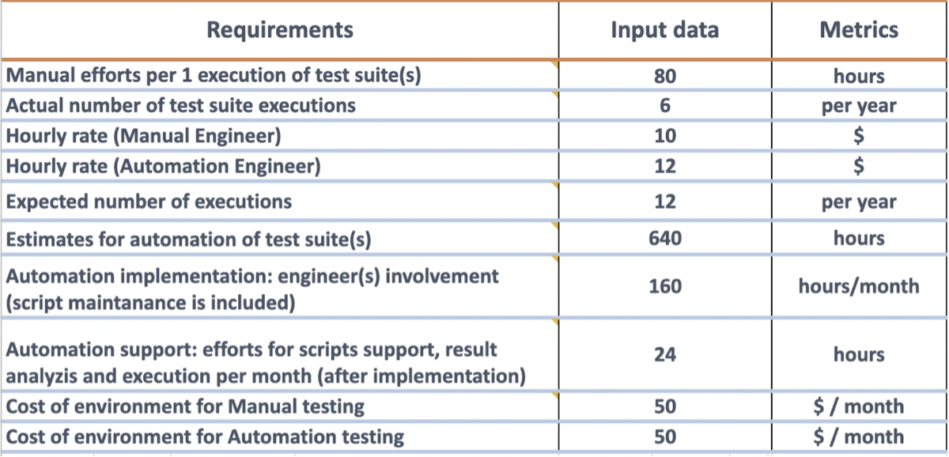

 |  |  |  | 80
 |  |  |  | 6
 |  |  |  | 10
 |  |  |  | 12
 |  |  |  | 12
 |  |  |  | 640
 |  |  |  | 160
 |  |  |  | 160
 |  |  |  | 24
 |  |  |  | 50
 |  |  |  | 50

mounth | manual h | auomation h | manual cost | auto cost | budget m | budget a | diff | ROI%
1 | 40 | 160 | 850 | 1970 | 850 | 1970 | -1120 | 43
2 | 40 | 160 | 850 | 1970 | 1700 | 3940 | -2240 | 43
3 | 40 | 160 | 850 | 1970 | 2550 | 5910 | -3360 | 43
4 | 40 | 160 | 850 | 1970 | 3400 | 7880 | -4480 | 43
5 | 40 | 24 | 850 | 338 | 4250 | 8218 | -3968 | 52
6 | 40 | 24 | 850 | 338 | 5100 | 8556 | -3456 | 60
7 | 40 | 24 | 850 | 338 | 5950 | 8894 | -2944 | 67
8 | 40 | 24 | 850 | 338 | 6800 | 9232 | -2432 | 74
9 | 40 | 24 | 850 | 338 | 7650 | 9570 | -1920 | 80
10 | 40 | 24 | 850 | 338 | 8500 | 9908 | -1408 | 86
11 | 40 | 24 | 850 | 338 | 9350 | 10246 | -896 | 91
12 | 40 | 24 | 850 | 338 | 10200 | 10584 | -384 | 96
13 | 40 | 24 | 850 | 338 | 11050 | 10922 | 128 | 101
14 | 40 | 24 | 850 | 338 | 11900 | 11260 | 640 | 106
15 | 40 | 24 | 850 | 338 | 12750 | 11598 | 1152 | 110
16 | 40 | 24 | 850 | 338 | 13600 | 11936 | 1664 | 114
17 | 40 | 24 | 850 | 338 | 14450 | 12274 | 2176 | 118
18 | 40 | 24 | 850 | 338 | 15300 | 12612 | 2688 | 121
19 | 40 | 24 | 850 | 338 | 16150 | 12950 | 3200 | 125
20 | 40 | 24 | 850 | 338 | 17000 | 13288 | 3712 | 128
21 | 40 | 24 | 850 | 338 | 17850 | 13626 | 4224 | 131
22 | 40 | 24 | 850 | 338 | 18700 | 13964 | 4736 | 134

