wmBus-uplink versions
Max payload for given wmBus modes. Current limitations releated to Radio buffer and the library.
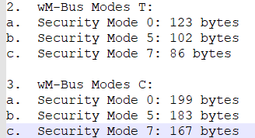

Master payload |  | Master metric units |  | Master non-metric unit

Ownership number | 21 | Ownership number | 21 | Ownership number | 21
Metering point ID | 21 | Metering point ID | 21 | Metering point ID | 21
Current date and time | 6 | Current date and time | 6 | Current date and time | 6
Actual volume | 6 | Actual volume | 6 | Actual volume, gall. | 7
Actual volume, gall. | 7 | Volume, due date | 6 | Volume, due date, gall. | 7
Volume, due date | 6 | Due date | 4 | Due date | 4
Volume, due date, gall. | 7 | Remaining battery lifetime | 5 | Remaining battery lifetime | 5
Due date | 4 | Error flags | 6 | Error flags | 6
Remaining battery lifetime | 5 | Forward volume | 7 | Forward volume, gall. | 8
Error flags | 6 | Backflow volume | 7 | Backflow volume, gall. | 8
Forward volume | 7 | Actual flow | 5 | Actual flow, gal. | 6
Forward volume, gall. | 8 | Actual flow temperature | 4 | Actual flow temperature | 4
Backflow volume | 7 | External temperature | 4 | External temperature | 4
Backflow volume, gall. | 8
Actual flow | 5
Actual flow, gal. | 6
Actual flow temperature | 4
External temperature | 4

Total | 138 | Total | 102 | Total | 107

Smart LoRa Transmission
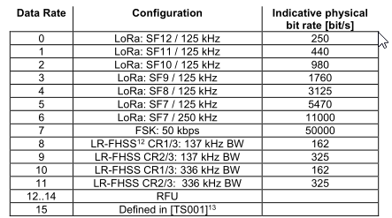
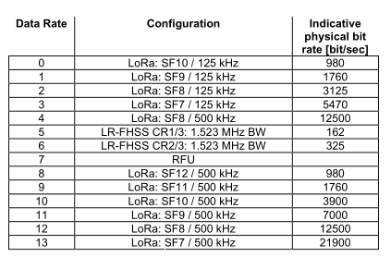
Smart LoRa transmission is expected to provide a functionality examlified below:
- 15min@SF7 - 1h@SF8-11 - 1D@SF12

It can be implemented using the Scheduler, but the configuration of that occupies few Scheduler records.
It translates to large data package that needs to be sent remotely to change Smart Transmission scheme.

To make the feature configurable flexible way and to make the configuration small the following matrix can be considered.
This simple configuration lets for selection of transmission period based on given datarate (provided by the network thru ADR mechanism).
The data rate becomes an index to that table. It is one column table. From the implementation point of view it is 2B x 12rows, that is 24B max.
Note: The scheduler functions could be still used for triggering single LoRa transmissions as well as Smart LoRa Transmission.

EU 868 |  |  |  | US 915
Data rate | SF | Period [minutes] | Comment | Data rate | SF | Period [minutes] | Comment
0 | 12 | 1440 |  | 0 | 10 | 250 | 125 kHz
1 | 11 | 60 |  | 1 | 9 | 60 | 125 kHz
2 | 10 | 60 |  | 2 | 8 | 60 | 125 kHz
3 | 9 | 60 |  | 3 | 7 | 15 | 125 kHz
4 | 8 | 60 |  | 4 | 8 |  | 500 kHz
5 | 7 | 15 |  | 5 |  |  | LR-FHSS CR1/3: 1.523 MHz
6 | 7 |  | 250 kHz | 6 |  |  | LR-FHSS CR2/3: 1.523 MHz
7 |  |  | FSK: 50 kbps | 7 |  |  | RFU
8 |  |  | LR-FHSS12 CR1/3: 137 kHz BW | 8 | 12 |  | 500 kHz
9 |  |  | LR-FHSS CR2/3: 137 kHz BW | 9 | 11 |  | 500 kHz
10 |  |  | LR-FHSS CR1/3: 336 kHz BW | 10 | 10 |  | 500 kHz
11 |  |  | LR-FHSS CR1/3: 336 kHz BW | 11 | 9 |  | 500 kHz
 |  |  |  | 12 | 8 |  | 500 kHz
 |  |  |  | 13 | 7 |  | 500 kHz

Physical bit rate reference - original source |  |  |  | Physical bit rate reference - original source

