Budget Summary Report
 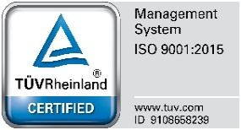  Republic of the Philippines BOHOL ISLAND STATE UNIVERSITY Magsija, Balilihan, 6342, Bohol, Philippines Office of the Administration and Finance Balance I Integrity I Stewardship I Uprightness

BUDGET SUMMARY REPORT - FISCAL YEAR 2025
Generated: November 23, 2025 at 10:43 AM

BUDGET ALLOCATION SUMMARY
Description | Amount (₱)
Total Allocated Budget | ₱500,000.00
Total Budget Used | ₱287,500.00
Remaining Balance | ₱212,500.00
Budget Utilization | 57.50%

TRANSACTION DETAILS
Date | Type | Document # | Description | Quarter | Amount (₱) | Status
2025-01-15 | PRE | PRE-2025-001 | Office Supplies Budget Allocation | Q1 | ₱50,000.00 | Approved
2025-02-10 | PR | PR-2025-045 | Purchase of Printer and Toner | Q1 | ₱25,000.00 | Approved
2025-02-20 | AD | AD-2025-012 | Faculty Development Workshop | Q1 | ₱75,000.00 | Approved
2025-03-05 | PR | PR-2025-078 | Laboratory Equipment | Q1 | ₱125,000.00 | Approved
2025-03-15 | AD | AD-2025-023 | Student Leadership Training | Q2 | ₱12,500.00 | Pending

