Лист1
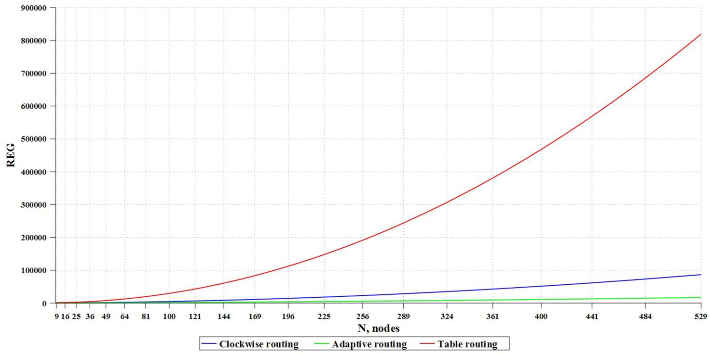
Memory resources consumed by algorithms (bit) |  |  |  |  | Theoretical calculation of the use of ALM blocks depending on the routing algorithm
Circulant | Number of nodes | Table routing algorithm | Clockwise routing algorithm | Adaptive routing algorithm
C(9; 1, 3) | 9 | 243 | 72 | 108
C(16; 1, 6) | 16 | 768 | 128 | 192
C(25; 1, 5) | 25 | 1875 | 250 | 375
C(36; 1, 8) | 36 | 3888 | 432 | 648
C(49; 1, 9) | 49 | 7203 | 588 | 882
C(64; 1, 14) | 64 | 12288 | 768 | 1152
C(81; 1, 24) | 81 | 19683 | 1134 | 1701
C(100; 1, 18) | 100 | 30000 | 1400 | 2100

Chip resources consumed (ALM)
Circulant | Number of nodes | Table routing algorithm | Clockwise routing algorithm | Adaptive routing algorithm
C(9; 1, 3) | 9 | 79 | 99 | 1933
C(16; 1, 6) | 16 | 187 | 301 | 4737 | Theoretical calculation of the use of registers depending on the routing algorithm
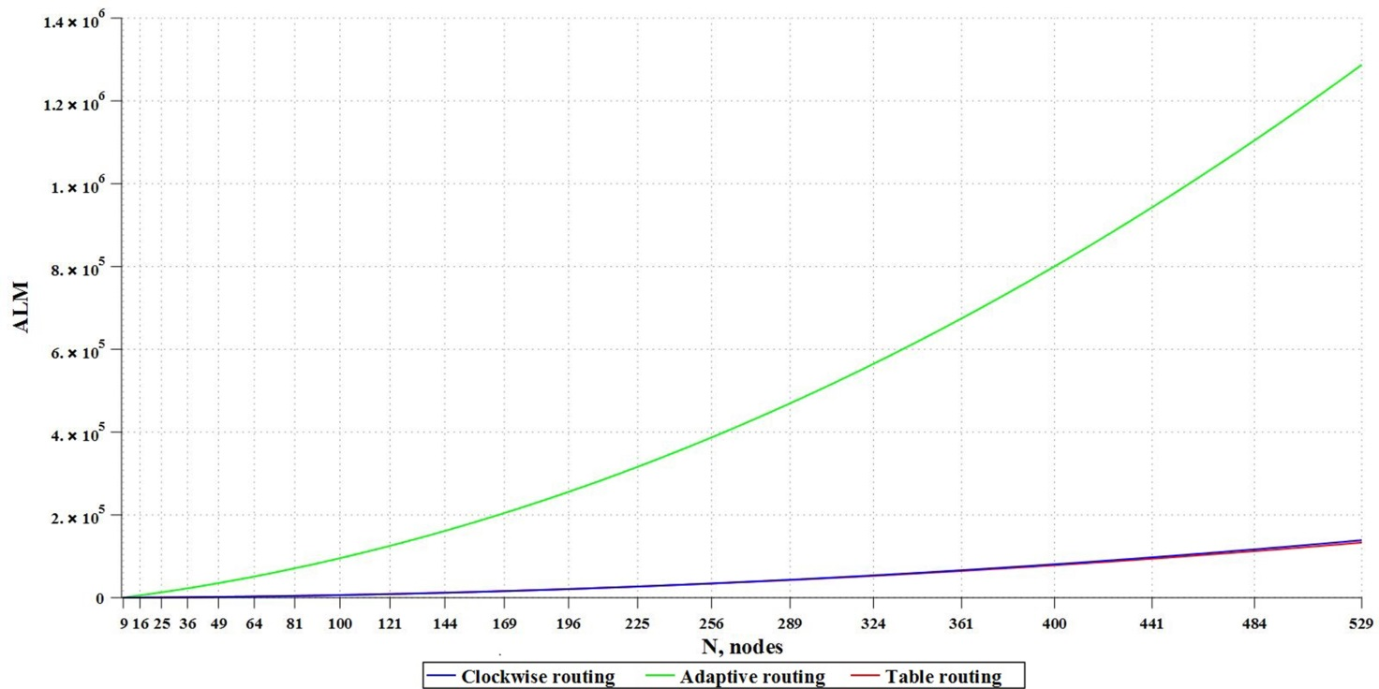
C(25; 1, 5) | 25 | 536 | 742 | 11491
C(36; 1, 8) | 36 | 1019 | 1354 | 22025
C(49; 1, 9) | 49 | 1707 | 2042 | 30709
C(64; 1, 14) | 64 | 2788 | 3230 | 48671
C(81; 1, 24) | 81 | 4622 | 4839 | 65825
C(100; 1, 18) | 100 | 6106 | 6324 | 83938

Chip resources consumed (REG)
Circulant | Number of nodes | Table routing algorithm | Clockwise routing algorithm | Adaptive routing algorithm
C(9; 1, 3) | 9 | 274 | 102 | 81
C(16; 1, 6) | 16 | 820 | 315 | 210
C(25; 1, 5) | 25 | 1976 | 674 | 301
C(36; 1, 8) | 36 | 4097 | 1048 | 546
C(49; 1, 9) | 49 | 7442 | 1738 | 664
C(64; 1, 14) | 64 | 12476 | 2419 | 988
C(81; 1, 24) | 81 | 20057 | 3548 | 1356
C(100; 1, 18) | 100 | 30429 | 4857 | 1662

