2023-2024
 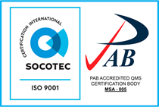
LIST OF ALL EMPLOYEE-SCHOLARS WITH GRADUATE AND POST-GRADUATE STUDIES
2023-2024
NO. | NAME | RANK | OFFICIAL STATION | CATEGORY OF EMPLOYMENT | EMPLOYMENT STATUS | COURSE/ PROGRAM | FUNDING SOURCE | UNIVERSITY ATTENDED/DHEI | CONTRACT DURATION |  |  | REINSTATEMENT | SCHOOLING STATUS | Still connected with CSU? | REMARKS
1 | Amarille, Meycel C. | Associate Professor I | CoFES | Teaching | Permanent | PhD in Forest Resources | Graduate Research Assistanship | Clemson University, South Carolina, (USA) | 2024-12-16 | 2027-12-15 |  |  | Ongoing | YES
2 | Asube, Lorie Cris S. | Associate Professor V | CEGs | Teaching | Permanent | Doctor of Engineering in Waste Engineering | DOST-ERDT Scholarship Program | University of San Carlos, Cebu City | 2024-02-01 | 2028-01-31 |  |  | Ongoing | YES
3 | Bermoy, Monalaine M. | Instructor I | CEGs | Teaching | Permanent | Master's in Geo-information Science and Earth Observation program with specialization on Natural Hazards and Disaster Risk Reduction | Department of Science and Technology - Science Education Institute (DOST-SEI) Foreign Graduate Scholarship Program | University of Twente, Enschede, Netherlands | 2023-08-28 | 2025-08-31 |  |  | Graduated | YES
4 | Borines, Nic Oswald M. | Instructor I | CAA | Teaching | Permanent | Doctor of Philosophy in Plant Breeding | Graduate Research Assistanship | University of Florida | 2023-01-01 | 2026-12-31 |  |  | Ongoing | YES
5 | Burlat, Carmel S. | Associate Professor I | CEGs | Teaching | Permanent | Doctor of Engineering in Waste Engineering | DOST-ERDT Scholarship Program | University of San Carlos, Cebu City | 2024-02-01 | 2028-01-31 |  |  | Ongoing | YES
6 | Catle, Jewry S. | Assistant Professor I | CHaSS | Teaching | Permanent | Doctor of Philosophy in Community Development | Sel-funded Scheme | University of the Philippines-Los Baños | 2024-01-01 | 2027-12-31 |  |  | Ongoing | YES | Awaiting for Fellowship Contract and Clearance
7 | Dangate, Abigael J. | Assistant Professor I | CMNS | Teaching | Permanent | Doctor of Philosophy in Mathematics | PhilFrance-DOST Scholarship Program | University of Picardie Jules Verne, France | 2023-09-01 | 2026-08-31 |  |  | Ongoing | YES
8 | Hernando, Brent Joy H. | Assistant Professor I | CMNS | Teaching | Permanent | Doctor of Philosophy in Life Sciences | Elite Scholarship Program | Kaohsiung Medical University (KMU) - Kaohsiung, Taiwan | 2023-08-07 | 2026-08-06 |  |  | Ongoing | YES
9 | Melana, Adrian L. | Instructor I | CEGs | Teaching | Permanent | Master of Science in Environmental Engineering | DOST-SEI (ERDT Program) | University of the Philippines - Diliman | 2023-09-01 | 2025-08-30 | September 1 to December 31, 2025 |  | Ongoing | YES
10 | Ramada, John Mark S. | Associate Professor II | CAA | Teaching | Permanent | PhD in Animal Science | DOST-SEI Foreign Graduate Scholarship Program | Kasetsart University (KU), Bangkok, Thailand | 2024-11-20 | 2027-11-19 |  |  | Ongoing | YES
11 | Sajulga, Meldy A. | Instructor II | CHaSS | Teaching | Permanent | Doctor of Philosophy in Literature and Communication | Self-funded Scheme | Cebu Normal University | 2024-01-02 | 2026-01-02 |  |  | Ongoing | YES
12 | Sanchez, Philip Donald C. | Assistant Professor I | CEGs | Teaching | Permanent | PhD in Food Engineering | German Academic Exhange (DAAD)-SEARCA In-Region Scholarship Program | Universiti Putra Malaysia (UPM), Malaysia | 2024-10-15 | October 14, 2027 |  |  | Ongoing | YES
13 | Santillan, Jojene R. | Professor 2 | CEGs | Teaching | Permanent | Doctor of Philosophy in Urban Informatics and Smart City Changed to: Doctor of Engineering | DOST SEI Foreign Scholarship Program | Hongkong Polytechnic University Changed to: Gottfried Wilhelm Leibniz Universitat Hannover, Germany | 2023-04-01 | 2027-03-31 |  |  | Ongoing | YES

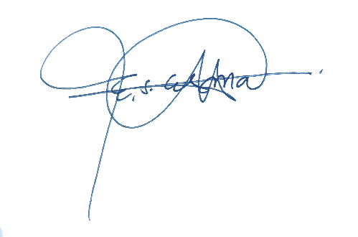

 | Prepared by: |  |  |  |  | Noted by:

 | EDCIL SALOME M. ESMA |  |  |  |  | CLARK ARIES A. INGLES, RN, REB
 | HRMO II |  |  |  |  | Director, HRMS

