Test Cases
Product Name |  | Surokkha app | TC Start Date | 2021-12-15 | TC Execution Start Date | 2021-12-17 | TEST CASE SUMMARY
Module Name |  | নিবন্ধন স্ট্যাটাস | TC End Date | 2021-12-16 | TC Execution End Date | 2021-12-18 | PASS | 13
 |  |  | Test Case Developed By | Mehedi Hasan Rony | Operating system | Android | FAIL | 1
Developer Name (TL) |  | x | Test Case Reviewed By | X | Performance (tested) | No | WARNING | 1
Test Executed by |  | Mehedi Hasan Rony |  |  |  |  | TOTAL | 15
Test Case ID/Name | Test Case Description | Test Data | Step Description | Expected Result | Actual Result | Status | Remarks | Comment
TC001 | Validate whether "নিবন্ধন স্ট্যাটাস" card is clickable or not | Not Applicable | First Go to Surokkha app -> Click on "হোম" button. -> Click on "নিবন্ধন স্ট্যাটাস" button and check whether it is working or not | 1. Goes to নিবন্ধন স্ট্যাটাস page. | 1. Goes to নিবন্ধন স্ট্যাটাস page. | PASS |  | Everything is perfectly working
TC002 | As জাতীয় পরিচয়পত্র নম্বর: does not contains any kind of texts so Validate whether The field is accepting letter or not | 1. Any kind of letters | First Go to Surokkha app -> Click on "হোম" button. -> Click on "নিবন্ধন স্ট্যাটাস" button -> Try to enter Letters in the জাতীয় পরিচয়পত্র নম্বর: field and check whether it is taking or not | 1. Texts can not be typed | 1. No text appeared | PASS |  | Everything is perfectly working
TC003 | As NID number does not contains any kind of Special symbols so Validate whether The field is accepting and special symbols or not | 1. Insert special symbols such as +-%:/_. | First Go to Surokkha app -> Click on "হোম" button. -> Click on "নিবন্ধন স্ট্যাটাস" button and check whether it is working or not-> Enter special symbols | 1. User can not insert special symbols | 1. User could enter special symbols | WARNING | 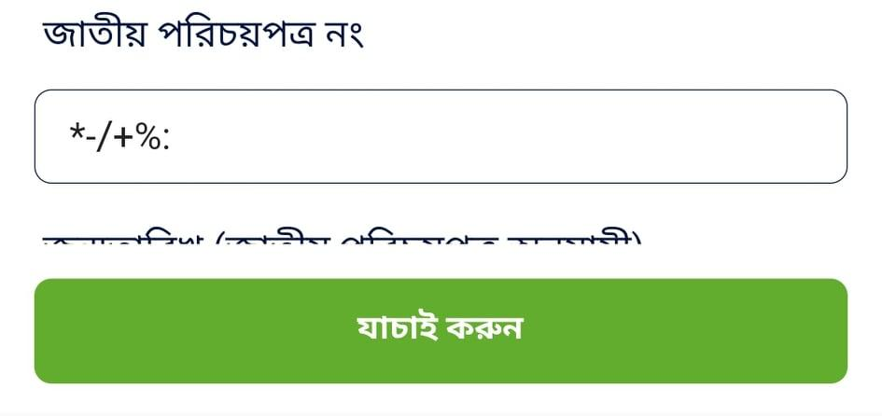 | Though User will get "Invalid NID" message after submission still developer should have restricted the criteria of Not entering Special symbols.
TC004 | Check whether Datepicker of জন্ম তারিখ field is properly picking the date or not | Not Applicable | First Go to Surokkha app -> Click on "হোম" button. -> Click on "নিবন্ধন স্ট্যাটাস" button -> Click on জন্ম তারিখ field try to enter accurate date by clicking the "Month" dropdown and "calendar dates" -> Click ok | 1. Date should be accurately picked | 1. Date accurately picked | PASS |  | Everything is perfectly working
TC005 | Check whether জন্ম তারিখ datepicker's ok and cancel button is properly working or not. | Not Applicable | First Go to Surokkha app -> Click on "হোম" button. -> Click on "নিবন্ধন স্ট্যাটাস" button -> Click on জন্ম তারিখ field try to enter accurate date by clicking the "Month" dropdown and "calendar dates" -> Click ok -> Then again repeat those steps and press cancel button | 1. Cancel and ok button are working perfectly | 1. Cancel and ok button are working perfectly | PASS |  | Everything is perfectly working
TC006 | Try to submit only by providing NID number not providing জন্ম তারিখ | 1. Valid NID Number only | First Go to Surokkha app -> Click on "হোম" button. -> Click on "নিবন্ধন স্ট্যাটাস" button -> Enter NID No -> Press যাচাই করুন | 1. Form should not be submitted 2. Warning message should be visble | 1. Form not submitted 2. Warning message visble | PASS |  | Everything is perfectly working
TC007 | Try to submit only by providing জন্ম তারিখ not providing NID no | 1. Valid dates only | First Go to Surokkha app -> Click on "হোম" button. -> Click on "নিবন্ধন স্ট্যাটাস" button -> Enter জন্ম তারিখ -> Press যাচাই করুন | 1. Form should not be submitted 2. Warning message should be visble | 1. Form not submitted 2. Warning message visble | PASS |  | Everything is perfectly working
TC008 | Validate whether OTP page appears or not after providing all the information correctly | 1. Provide correct info from NID | First Go to Surokkha app -> Click on "হোম" button. -> Click on "নিবন্ধন স্ট্যাটাস" button->Enter জাতীয় পরিচয়পত্র নম্বর: -> Enter জন্ম তারিখ -> Press যাচাই করুন | 1. An OTP number will be sent to registered Mobile number 2. OTP entering field and the other instruction is visible | 1. An OTP number sent to registered Mobile number 2. OTP entering field and the other instruction is visible | PASS |  | Everything is perfectly working
TC009 | Check "Resend OTP" Button is waiting for 5 minutes or not | Not Applicable | First Go to Surokkha app -> Click on "হোম" button. -> Click on "নিবন্ধন স্ট্যাটাস" button->Enter জাতীয় পরিচয়পত্র নম্বর: -> Enter জন্ম তারিখ -> Press যাচাই করুন-> Wait for "Resend OTP" Button | 1. "Resend OTP" button can not be clicked before 5 minutes | 1. "Resend OTP" button can not be clicked before 5 minutes | PASS |  | Everything is perfectly working
TC010 | Validate Whether OTP is accepting text or not | 1. Enter any text data | First Go to Surokkha app -> Click on "হোম" button. -> Click on "নিবন্ধন স্ট্যাটাস" button->Enter জাতীয় পরিচয়পত্র নম্বর: -> Enter জন্ম তারিখ -> Press যাচাই করুন-> Try to enter text data | 1. Text can not be typed | 1. Text can not be typed | PASS | 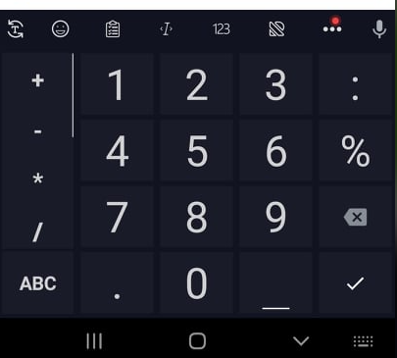 | Everything is perfectly working
TC011 | Validate whether OTP is accepting Number or not | 1. Enter any series of numbers | First Go to Surokkha app -> Click on "হোম" button. -> Click on "নিবন্ধন স্ট্যাটাস" button->Enter জাতীয় পরিচয়পত্র নম্বর: -> Enter জন্ম তারিখ -> Press যাচাই করুন-> Try to enter numeric data | 1. Number can be typed | 1. Number can be typed | PASS | 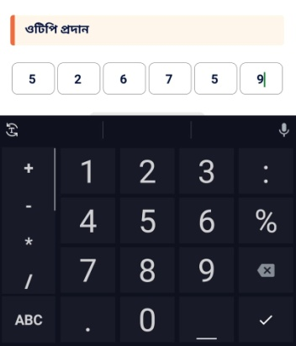 | Everything is perfectly working
TC012 | Validate the response after entering invalid OTP | 1. Enter any OTP which does not matches with the sent one | First Go to Surokkha app -> Click on "হোম" button. -> Click on "নিবন্ধন স্ট্যাটাস" button->Enter জাতীয় পরিচয়পত্র নম্বর: -> Enter জন্ম তারিখ -> Press যাচাই করুন-> Try to enter OTP which was not sent | 1. Error message should be shown Like OTP verification failed / OTP not verified | 1. Wrong error message showed. Instead of showing Not verified. It was saying OTP verified | FAIL | 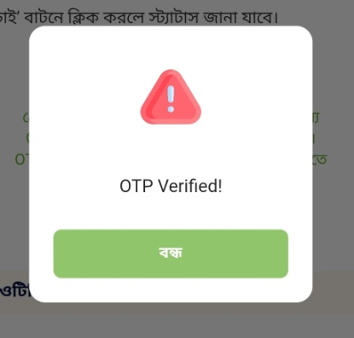 | It says OTP verified. Which is clearly a wrong message. It should be OTP Not verified or OTP verification failed
TC013 | Validate The response while User is not online / Without Network | 1. Provide valid NID no and date | First Go to Surokkha app -> Click on "হোম" button. -> Click on "নিবন্ধন স্ট্যাটাস" button->Enter জাতীয় পরিচয়পত্র নম্বর: -> Enter জন্ম তারিখ -> Press যাচাই করুন while turning internet of | 1. Error message should be showed. | 1. Error message showed | PASS | 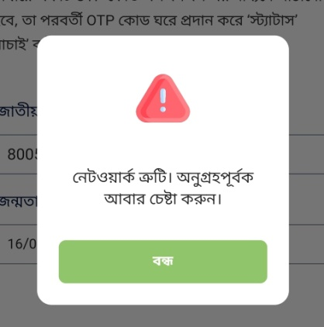 | Everything is perfectly working
TC014 | Validate The response after providing a valid NID no which is not registered before | 1. providing a valid NID no which is not registered before | First Go to Surokkha app -> Click on "হোম" button. -> Click on "নিবন্ধন স্ট্যাটাস" button->Enter a valid জাতীয় পরিচয়পত্র নম্বর but not registered before -> Enter জন্ম তারিখ -> Press যাচাই করুন | 1. Error message should be showed. | 1. Error message showed | PASS | 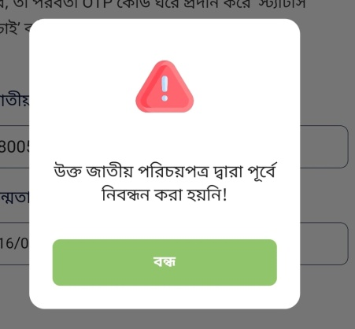 | Everything is perfectly working
TC015 | Validate the response after User provided all the valid information and types the OTP perfectly and finally registers for the Vaccine | 1. Provide all the information including OTP correctly | First Go to Surokkha app -> Click on "হোম" button. -> Click on "নিবন্ধন স্ট্যাটাস" button->Enter a valid জাতীয় পরিচয়পত্র নম্বর by which the registration was done -> Enter জন্ম তারিখ -> Press যাচাই করুন-> After getting OTP enter it and submit | 1. Success message should be displayed 2. User is take to the Home page | 1. Success message should be displayed 2. User is take to the Home page | PASS |  | Everything is perfectly working

