Root CNC scope
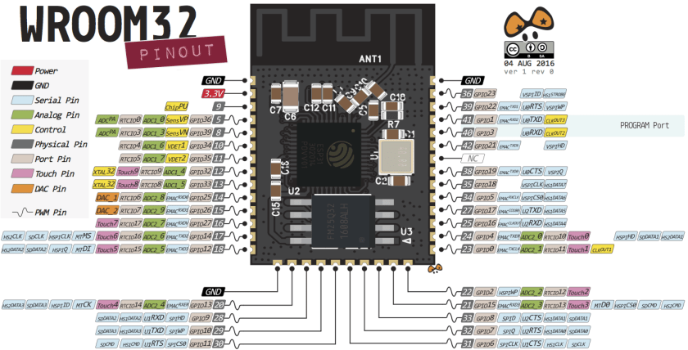
device Specific | RESET |  | ESP32
 | IO0 |  | ESP32

Stepper Control | STEPPER_DISSABLE_PIN | O | ESP32

X Axis | X_STEP_PIN | O | ESP32
 | X_DIRECTION_PIN | O | ESP32

Y Axis | Y_STEP_PIN | O | ESP32
 | Y_DIRECTION_PIN | O | ESP32

Y2 Axis | Y2_STEP_PIN | O | ESP32
 | Y2_DIRECTION_PIN | O | ESP32

Z Axis | Z_STEP_PIN | O | ESP32
 | Z_DIRECTION_PIN | O | ESP32

A Axis | A_STEP_PIN | O | ESP32
 | A_DIRECTION_PIN | O | ESP32

Limit switches | X_MAX_PIN | I | I2C_GPIO EXPANDER | PORT_A
 | Y_MAX_PIN | I | I2C_GPIO EXPANDER | PORT_A
 | Y2_MAX_PIN | I | I2C_GPIO EXPANDER | PORT_A
 | Z_MAX_PIN | I | I2C_GPIO EXPANDER | PORT_A
 | A_MAX_PIN | I | I2C_GPIO EXPANDER | PORT_A
 | X_MIN_PIN | I | I2C_GPIO EXPANDER | PORT_A
 | Y_MIN_PIN | I | I2C_GPIO EXPANDER | PORT_A
 | Y2_MIN_PIN | I | I2C_GPIO EXPANDER | PORT_A
 | Z_MIN_PIN | I | I2C_GPIO EXPANDER | PORT_B
 | PROBE_PIN | I | I2C_GPIO EXPANDER | PORT_B

SPINDLE | RS485_TX | UART | ESP32
 | RS482_RX | UART | ESP32
 | SPINDLE_EN_PIN | O | TBD | TBD
 | SPINDLE_DIR_PIN | O | TBD | TBD
 | SPINDLE_RPM_PIN | DAC/PWM | 4-20mA OUTPUT?? | TBD - NON ISOLATED

MISC Inputs | CONTROL_RESET_PIN | I | I2C_GPIO EXPANDER | PORT_B
 | CONTROL_FEED_HOLD_PIN | I | I2C_GPIO EXPANDER | PORT_B
 | CONTROL_CYCLE_START_PIN | I | I2C_GPIO EXPANDER | PORT_B
 | MACRO_RUN_PIN | I | I2C_GPIO EXPANDER

OUTPUTS | EXTRACTOR_EN_PIN | O | I2C_GPIO EXPANDER | PORT_B
 | MIST_EN_PIN | O | I2C_GPIO EXPANDER | PORT_B
 | COOLANT_EN_PIN | O | I2C_GPIO EXPANDER | PORT_B

 | Outputs | 16
 | Inputs | 14

