StepInterval
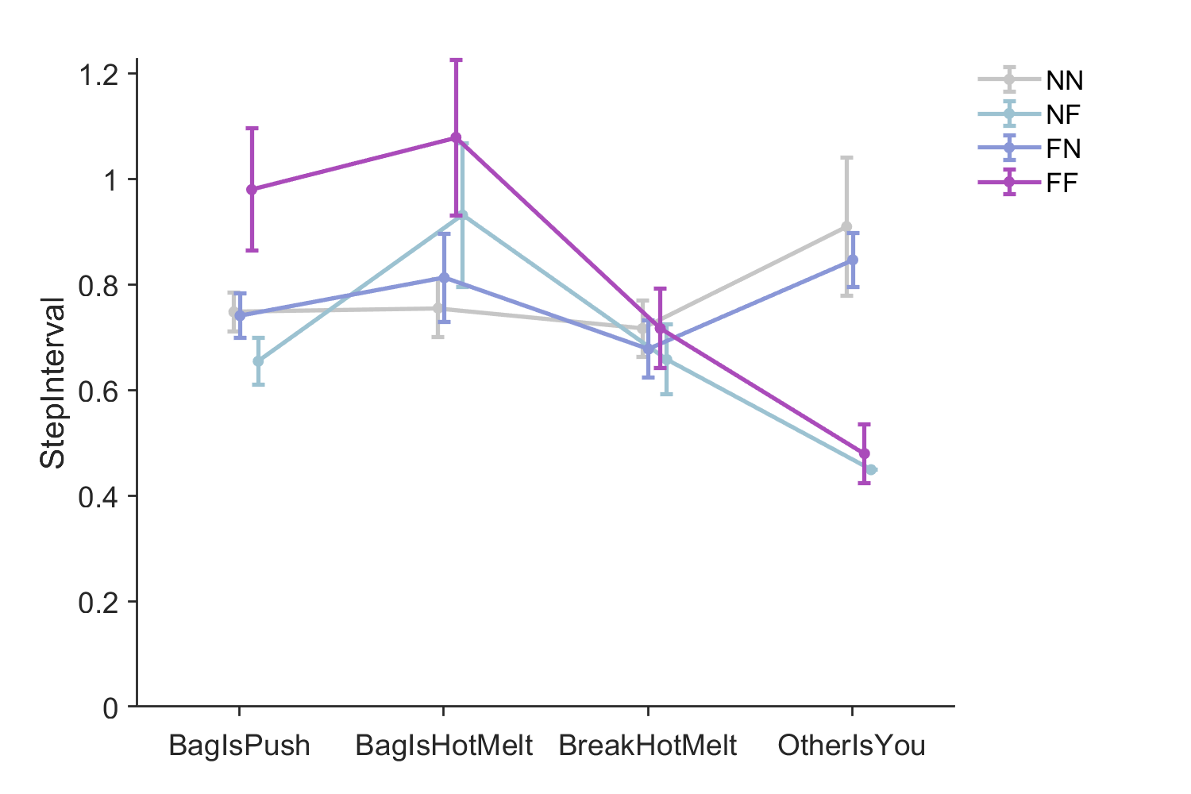
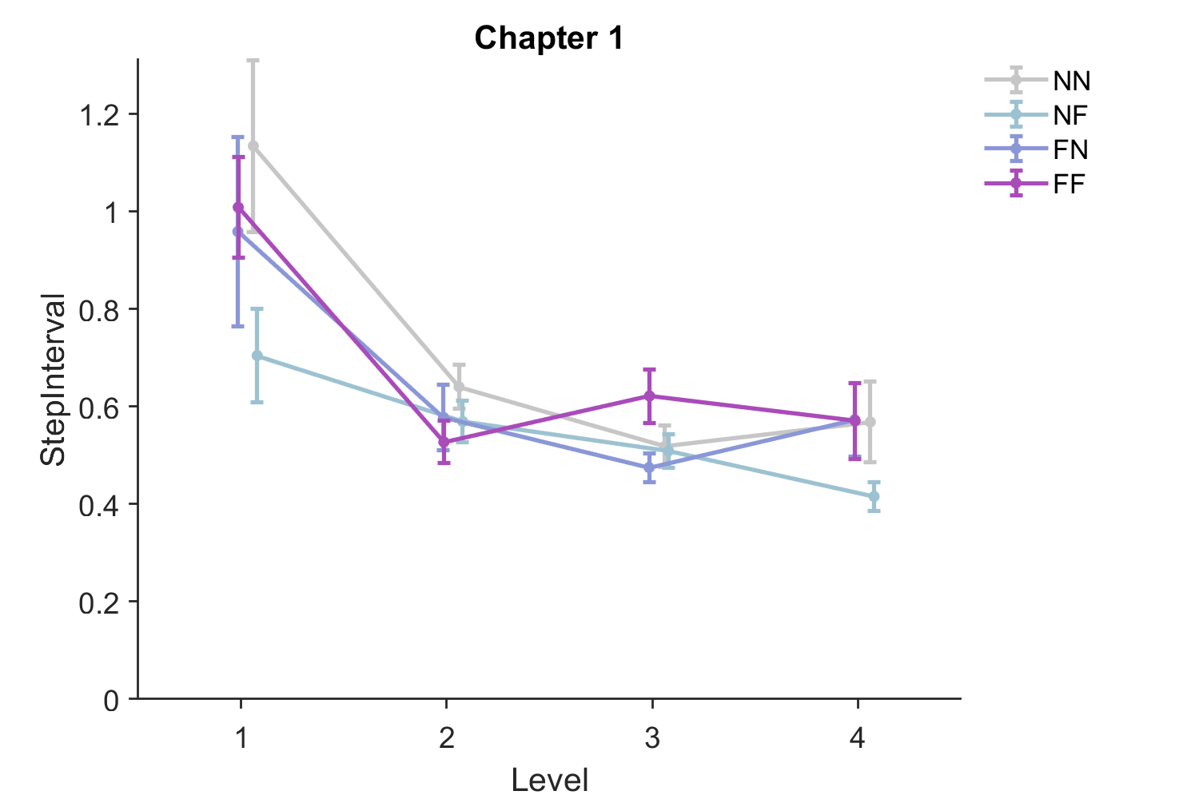
Name | Estimate | SE | tStat | DF | pValue | Lower | Upper
(Intercept) | 1.0144275011 | 0.06687857704 | 15.168198038 | 230 | 1.75E-36 | 0.88265451577 | 1.1462004864
GameFreq | -0.068858972157 | 0.02477365178 | -2.7795245032 | 230 | 0.0058941565107 | -0.1176712854 | -0.020046658914
GamePref | 0.020126190988 | 0.02514923481 | 0.80027051083 | 230 | 0.42437989652 | -0.029426145431 | 0.069678527407
c4 | 0.054426880393 | 0.050722270867 | 1.0730371386 | 230 | 0.28437898578 | -0.045512821509 | 0.15436658229
c5 | -0.07095029051 | 0.049807602821 | -1.4244871564 | 230 | 0.15566089604 | -0.1690877929 | 0.027187211878
Level | -0.13695969565 | 0.020215952751 | -6.7748325955 | 230 | 1.03E-10 | -0.17679182968 | -0.097127561615

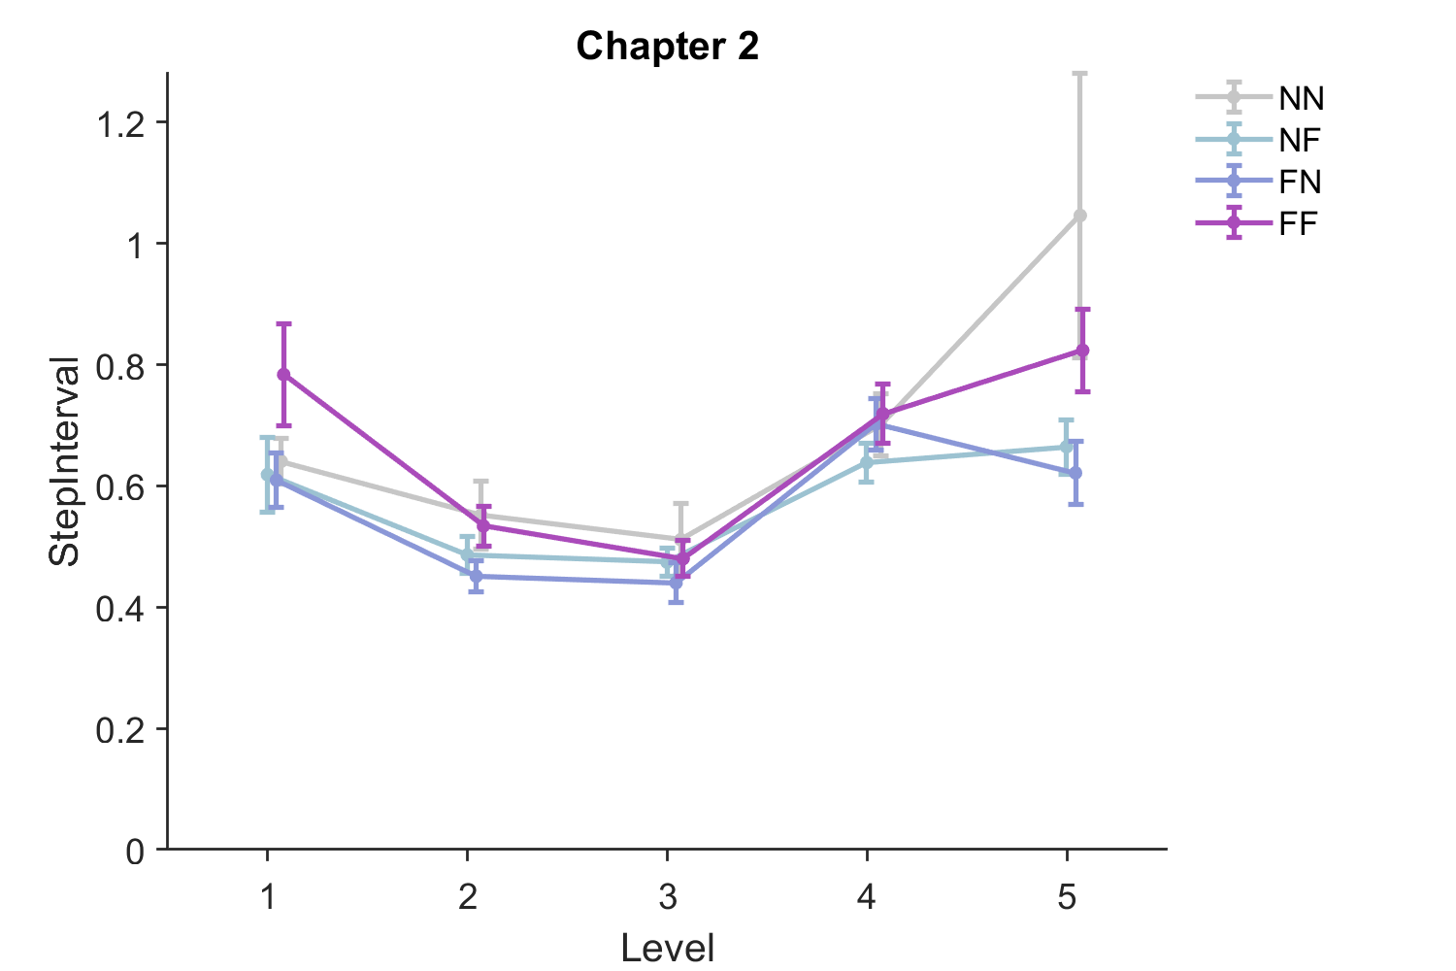
Name | Estimate | SE | tStat | DF | pValue | Lower | Upper
(Intercept) | 0.47273538544 | 0.050192937287 | 9.4183646344 | 288 | 1.55E-18 | 0.37394388081 | 0.57152689008
GameFreq | -0.071233475797 | 0.020662588098 | -3.4474614437 | 288 | 0.00065030304699 | -0.11190230847 | -0.030564643124
GamePref | -0.028722576392 | 0.021187216093 | -1.3556559893 | 288 | 0.1762707449 | -0.070424000337 | 0.012978847553
c4 | 0.0047513428327 | 0.042685819743 | 0.11130963072 | 288 | 0.91144835168 | -0.079264389001 | 0.088767074666
c5 | -0.027341906034 | 0.04202291348 | -0.65064279865 | 288 | 0.51579582382 | -0.11005288244 | 0.055369070375
Level | 0.051794376859 | 0.011045293594 | 4.6892711742 | 288 | 4.24E-06 | 0.030054641505 | 0.073534112213

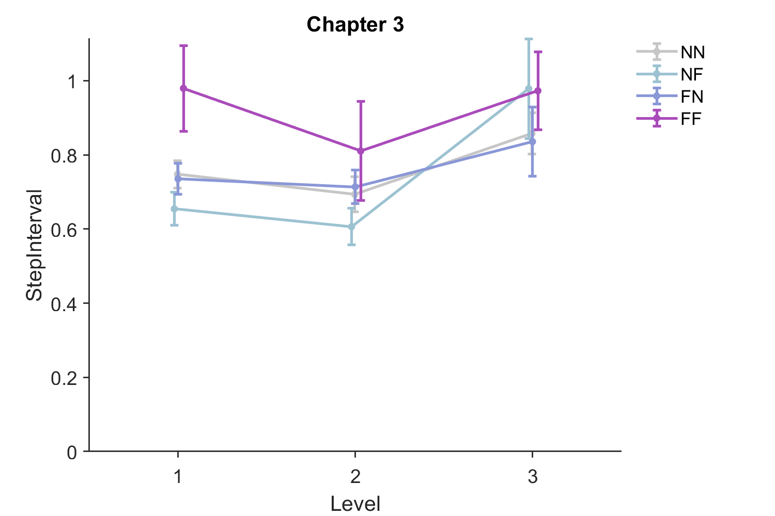
Name | Estimate | SE | tStat | DF | pValue | Lower | Upper
(Intercept) | 0.42023978145 | 0.15948273151 | 2.635017456 | 162 | 0.0092300464993 | 0.10530671396 | 0.73517284895
GameFreq | -0.080481817278 | 0.02912077908 | -2.7637247292 | 162 | 0.0063766399302 | -0.13798707943 | -0.02297655513
GamePref | -0.04169745296 | 0.029486738221 | -1.4141086969 | 162 | 0.15924892783 | -0.0999253804 | 0.016530474479
c4 | 0.1410969506 | 0.059274297423 | 2.3804069679 | 162 | 0.018455593157 | 0.024047059781 | 0.25814684142
c5 | 0.063050465024 | 0.05874850444 | 1.0732267251 | 162 | 0.28476545859 | -0.052961134093 | 0.17906206414
Level | 0.1798035971 | 0.047407175289 | 3.7927506966 | 162 | 0.0002099823063 | 0.086187899692 | 0.27341929451
Pumpkin | -0.19664115459 | 0.10017058529 | -1.9630628494 | 162 | 0.051351182796 | -0.39444959066 | 0.0011672814707
Push | 0.076967578924 | 0.1227113717 | 0.62722450135 | 162 | 0.53139509691 | -0.16535250388 | 0.31928766173
Melt | -0.096423443189 | 0.092309123218 | -1.0445711088 | 162 | 0.29777741334 | -0.27870772599 | 0.085860839613

