Journey maps
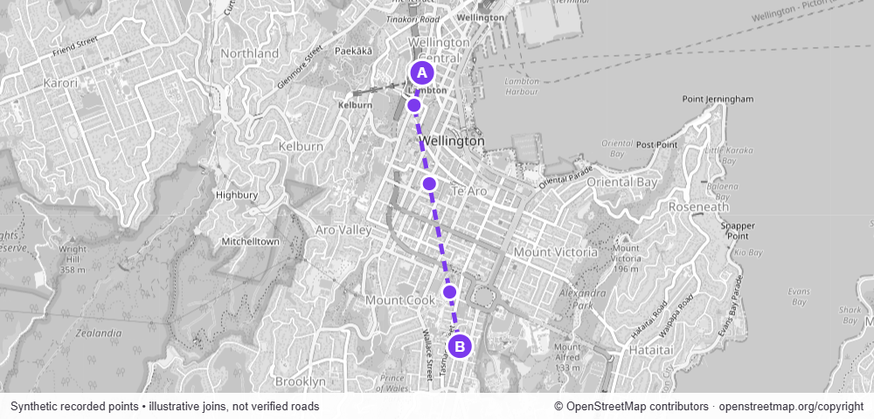
OBLIVION CARE / Journey maps

20 Sept 2026 - 22 Sept 2026 / Map imagery © OpenStreetMap contributors
Synthetic recorded points. Joins are illustrative, not verified roads.

TRIP-DEMO-11 / 20 Sept 2026 / Community transport route → Kōwhai House
4:40 pm - 5:08 pm / 8.1 km / 97% coverage / Peak 46 km/h
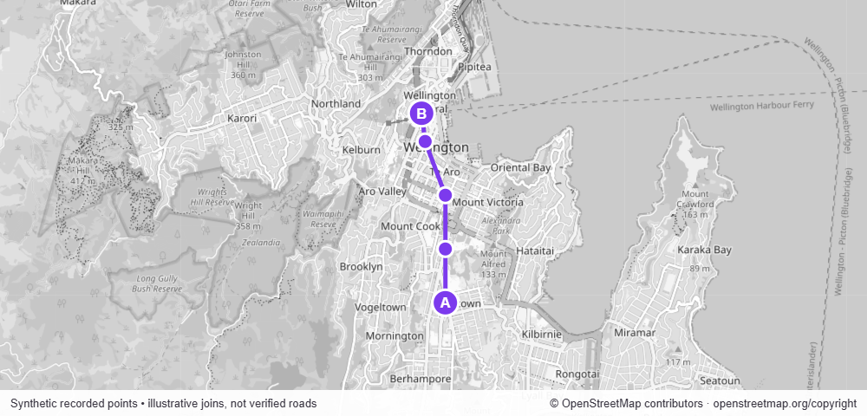

TRIP-DEMO-12 / 21 Sept 2026 / Kōwhai House → Community pickup area
8:00 am - 8:12 am / 2.4 km / 98% coverage / Peak 68 km/h
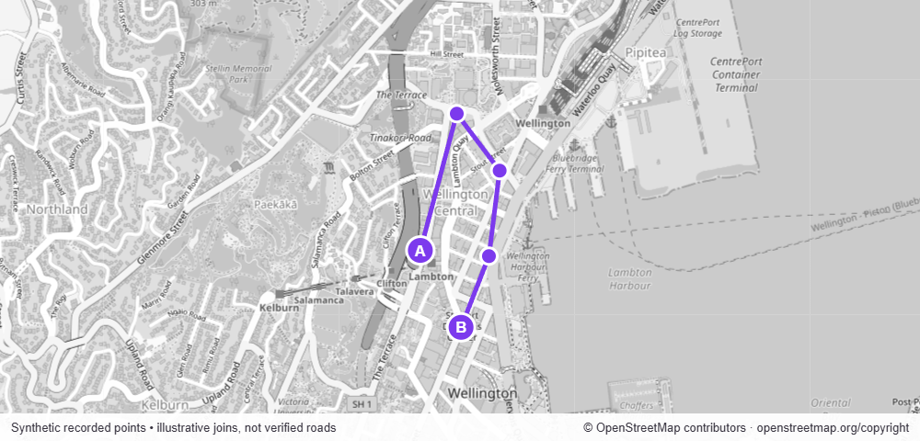

TRIP-DEMO-13 / 22 Sept 2026 / Kōwhai House → Community centre
9:00 am - 9:15 am / 6.4 km / 72% coverage / Peak 48 km/h

