Figures
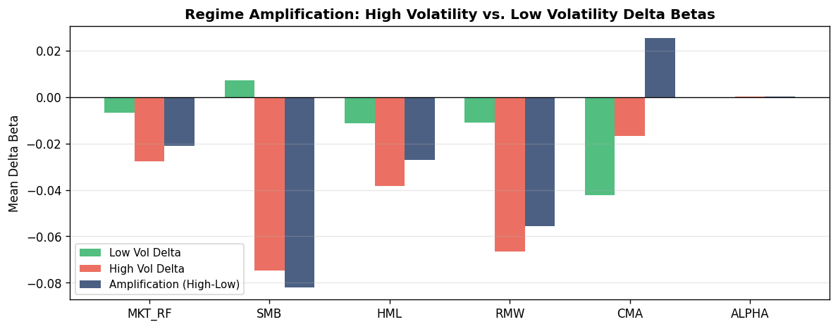
Essay 1 — Figures and Visualizations

Figure 1: VIX Regime Time Series
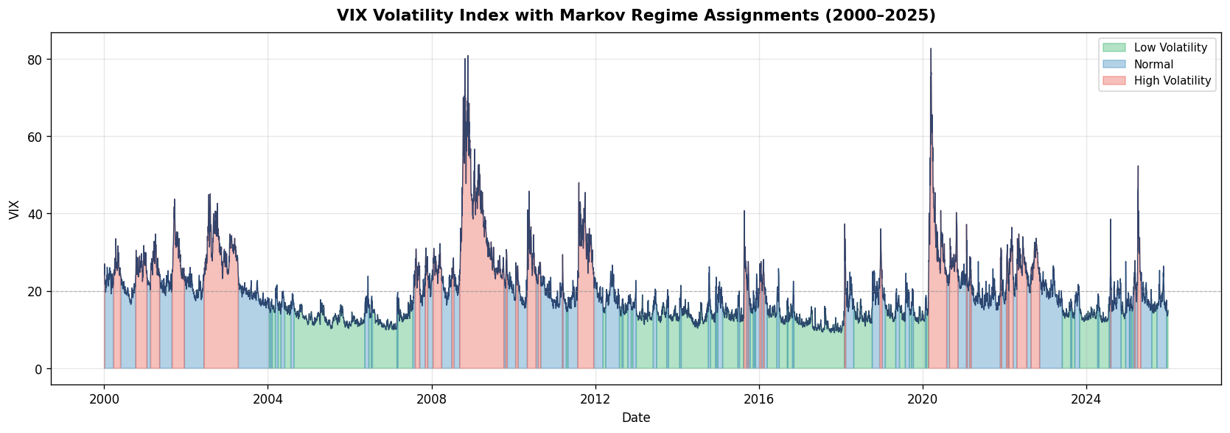

Figure 2: Regime Characteristics (Bar)
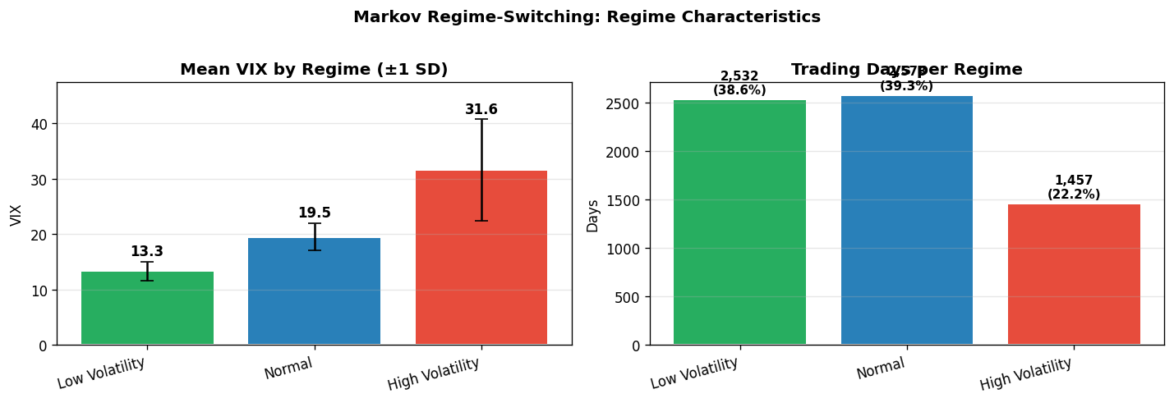

Figure 3: Transition Probability Matrix
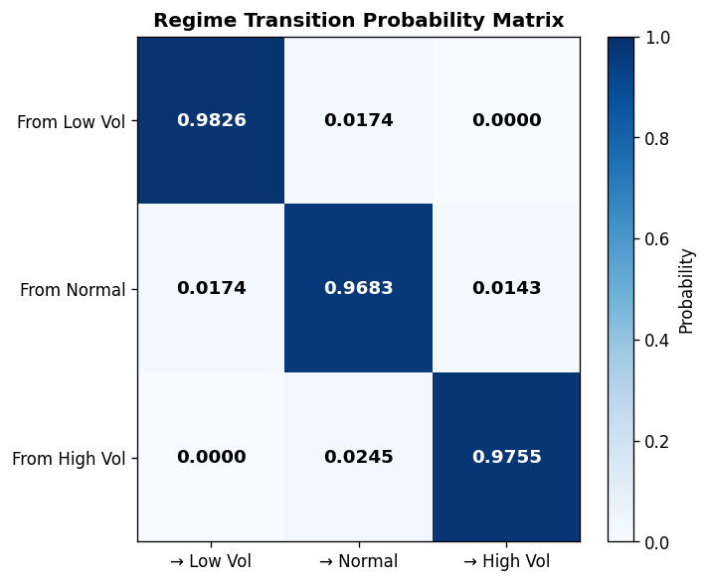

Figure 4: Model Selection AIC/BIC
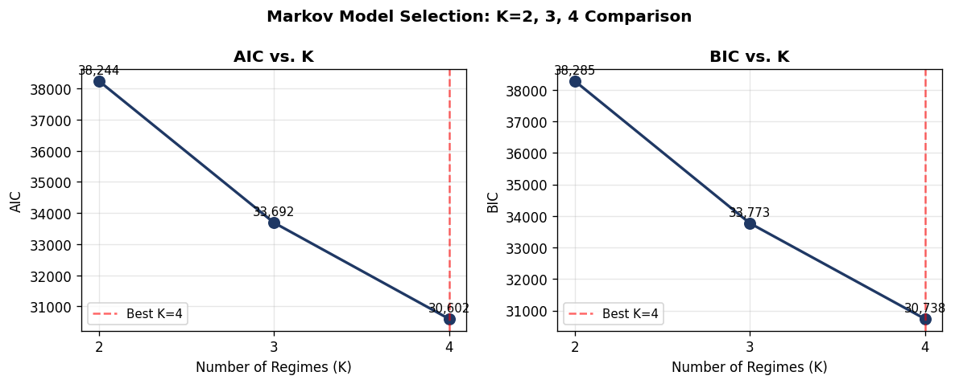

Figure 5: FF5 Factor Loadings by Regime
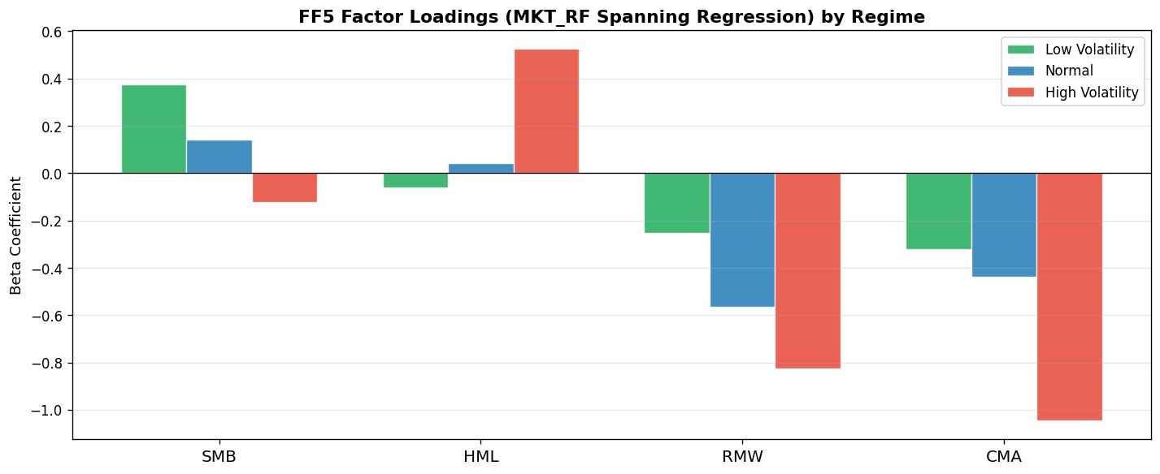

Figure 6: FF5 Factor Premia by Regime
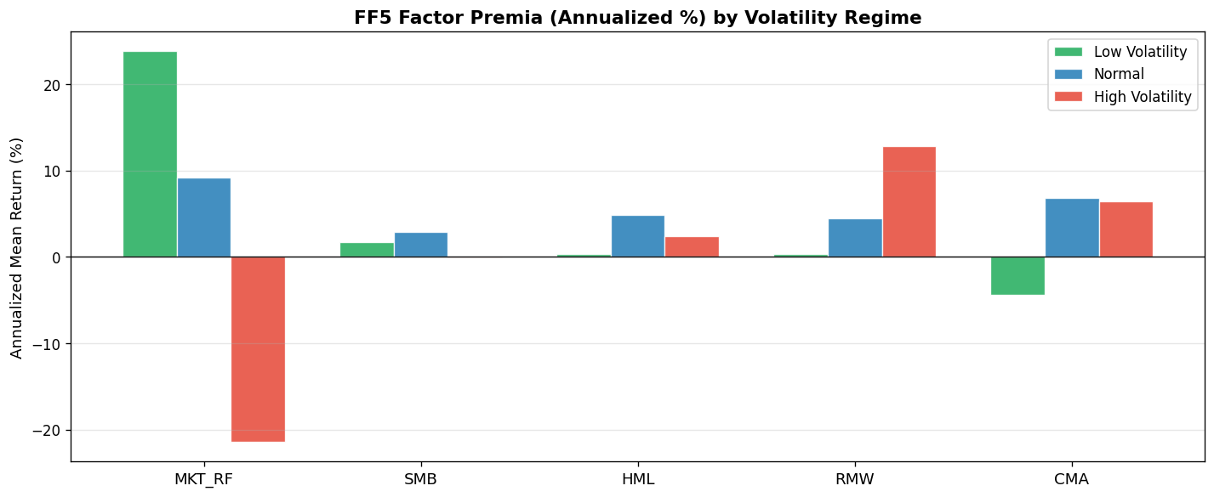

Figure 7: Culture War Stock Alpha Distribution


Figure 8: Delta Beta Box Plots (Matched)


Figure 9: Paired T-Test t-Statistics
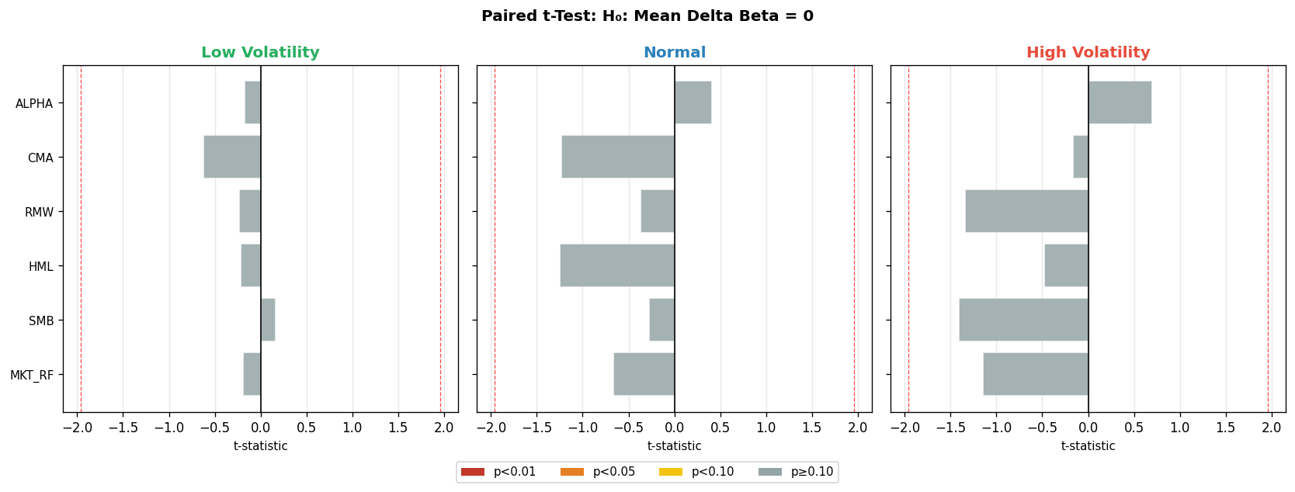

Figure 10: Regime Amplification

