ANALYSIS
KEY METRICS SUMMARY
Total Customers | 7043
Total Churned | 1869
Total Retained | 5174
Overall Churn Rate (%) | 26.54
Overall Retention Rate (%) | 73.46
Average Customer Lifetime (months) | 32.37
Average Monthly Revenue | $64.76
Average Total Revenue per Customer | $2,279.73
Customer Lifetime Value | $2,096.41

CHURN ANALYSIS BY CONTRACT TYPE
Count of customerID | Column Labels
Row Labels | No | Yes | Grand Total
Month-to-month | 57.29% | 42.71% | 100.00%
One year | 88.73% | 11.27% | 100.00%
Two year | 97.17% | 2.83% | 100.00%
Grand Total | 73.46% | 26.54% | 100.00%

CHURN BY TENURE
Count of customerID | Column Labels
Row Labels | No | Yes | Grand Total
0-12 months | 52.56% | 47.44% | 100.00%
13-24 months | 71.29% | 28.71% | 100.00%
25-48 months | 79.61% | 20.39% | 100.00%
48+ months | 90.49% | 9.51% | 100.00%
Grand Total | 73.46% | 26.54% | 100.00%

CHURN BY INTERNET SERVICE
Count of customerID | Column Labels
Row Labels | No | Yes | Grand Total
Fiber optic | 58.11% | 41.89% | 100.00%
DSL | 81.04% | 18.96% | 100.00%
No | 92.60% | 7.40% | 100.00%
Grand Total | 73.46% | 26.54% | 100.00%

CHURN BY PRICE TIER
Count of customerID | Column Labels
Row Labels | No | Yes | Grand Total
High (>$60) | 66.63% | 33.37% | 100.00%
Medium ($30-60) | 73.92% | 26.08% | 100.00%
Low (<$30) | 90.20% | 9.80% | 100.00%
Grand Total | 73.46% | 26.54% | 100.00%

CHURN WITH VS WITHOUT TECHSUPPORT
Count of customerID | Column Labels
Row Labels | No | Yes | Grand Total
No | 58.36% | 41.64% | 100.00%
Yes | 84.83% | 15.17% | 100.00%
No internet service | 92.60% | 7.40% | 100.00%
Grand Total | 73.46% | 26.54% | 100.00%

CHURNED VS RETAINED COMPARISON
Metric | Churned Customers | Retained Customers | Difference
Avg Tenure | 17.98 | 37.57 | -19.59
Avg Monthly Charge | 74.44 | 61.27 | 13.18
Avg Total Charges | 1531.80 | 2549.91 | -1018.12
% Month-to-month | 88.55 | 42.91 | 45.64
% With TechSupport | 16.59 | 33.51 | -16.93
% Fiber Optic | 69.40 | 34.77 | 34.63

Customer Churn Overview
 | Status | Count
 | Churned | 1869
 | Retained | 5174

Churn Rate by Contract Type

 | Contract Type | Churn Rate (%)
 | Month-to-month | 42.71
 | One year | 11.27
 | Two year | 2.83

Churn Decreases with Customer Tenure
 | Tenure Group | Churn Rate (%)
 | 0-12 months | 47.44
 | 13-24 months | 28.71
 | 25-48 months | 20.39
 | 48+ months | 9.51

Average Customer Lifetime by Segment
 | Segment | Avg Lifetime (months)
 | Two year | 56.74
 | With TechSupport | 44.82
 | One year | 42.04
 | Fiber optic | 32.92
 | DSL | 32.82
 | Without TechSupport | 25.84
 | Month-to-month | 18.04

Churned Customers Pay More
 | Customer Type | Avg Monthly Charge
 | Churned | 74.44
 | Retained | 61.27

Service Add-ons Reduce Churn
 | Service | With Service (%) | Without Service (%)
 | TechSupport | 15.17 | 41.64
 | OnlineSecurity | 14.61 | 41.77
 | OnlineBackup | 21.53 | 39.93

DASHBOARD
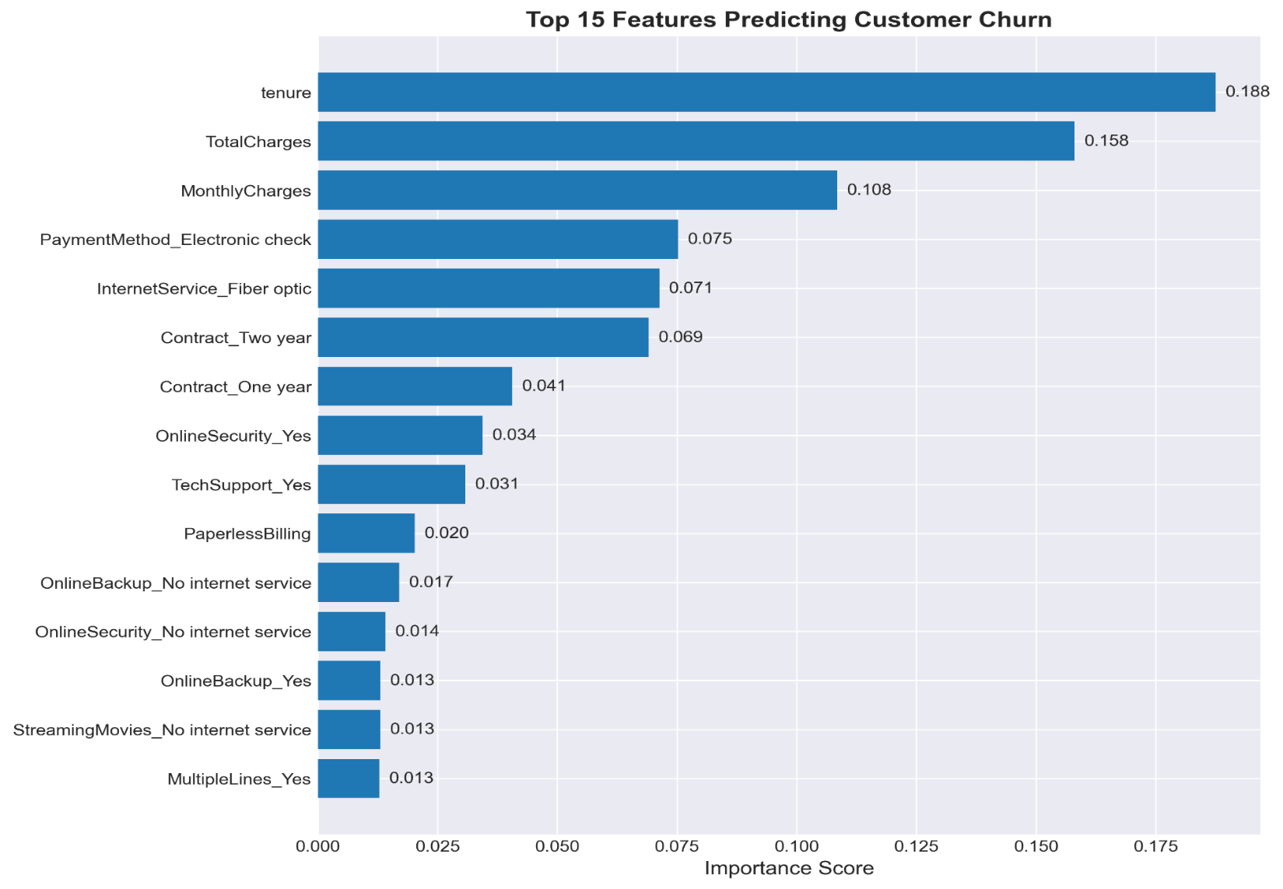
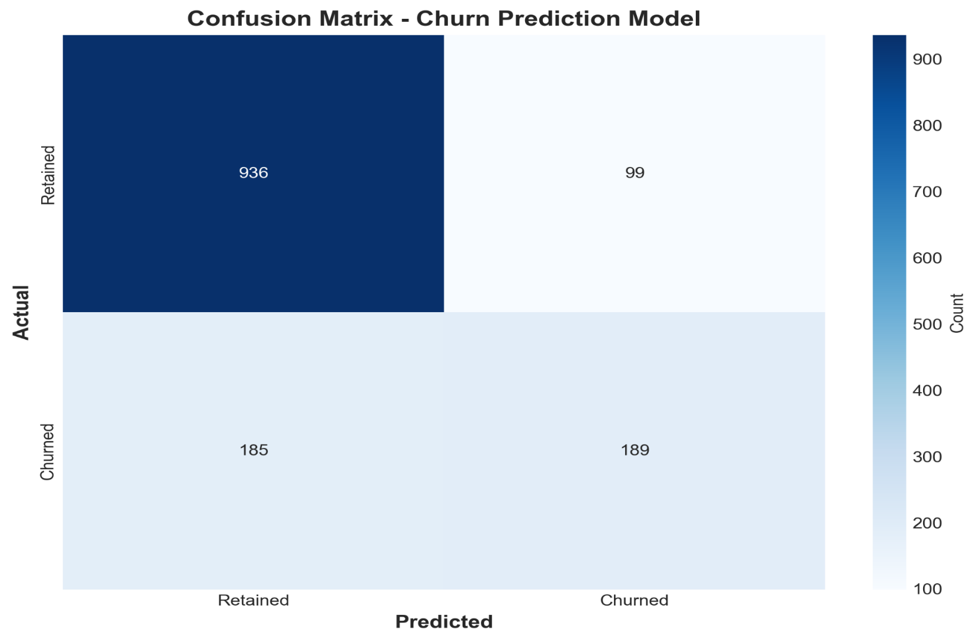
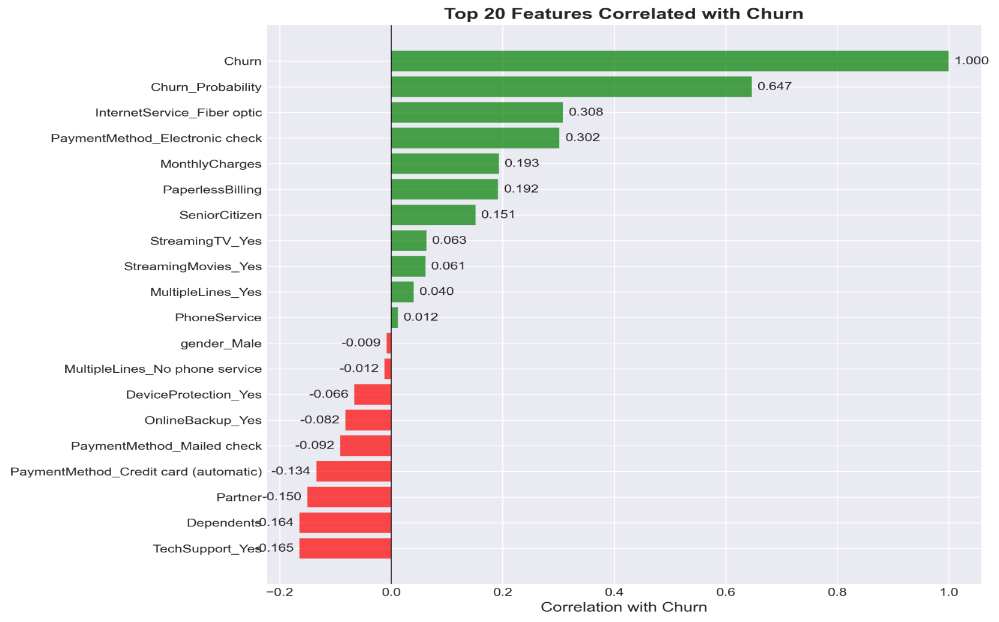
CUSTOMER RETENTION & CHURN ANALYSIS
Telco Subscription Business | 2014-2017

CHURN RATE
27%
RETENTION RATE
73%
AVG LIFETIME
32 months
AVG CLV
$ 2,048

Customer Churn Overview
 | Count
Churned | 1869
Retained | 5174
Churn Rate by Contract Type
 | Churn Rate (%)
Month-to-month | 42.71
One year | 11.27
Two year | 2.83

Churn Decreases with Customer Tenure
 | Churn Rate (%)
0-12 months | 47.44
13-24 months | 28.71
25-48 months | 20.39
48+ months | 9.51
Average Customer Lifetime by Segment
 | Avg Lifetime (months)
Two year | 56.74
With TechSupport | 44.82
One year | 42.04
Fiber optic | 32.92
DSL | 32.82
Without TechSupport | 25.84
Month-to-month | 18.04

Churned Customers Pay More
 | Avg Monthly Charge
Churned | 74.44
Retained | 61.27
Service Add-ons Reduce Churn
 | With Service (%) | Without Service (%)
TechSupport | 15.17 | 41.64
OnlineSecurity | 14.61 | 41.77
OnlineBackup | 21.53 | 39.93

 | Prepared by: Rosepriya Franci George | Date: 17-02-2026

MACHINE LEARNING PREDICTIONS

MODEL ACCURACY
81%
HIGH-RISK CUSTOMERS
287
ANNUAL REVENUE AT RISK
$280K
CUSTOMERS WE CAN SAVE
150

